Activity 2 (Bonus Question)
$0
Annual Demand
Center | C1 | C2 | C3
Daily demand | 50,000.00 | 100,000.00 | 50,000.00
WH₁
D₁ = 50,000
Cap P₁ = 200,000
$3
$4
$2
Supply available
Plant 1 | 200,000
Plant 2 | 60,000
$6
$5
D₂ = 100,000
 | Distribution Cost = | $740,000.00

$4
$1
Input:
 | Production and Shipping Daily Cost Matrix
 | Destinations
Cap P₂ = 60,000
$2
Sources | Warehouse 1 | Warehouse 2 | C1 | C2 | C3
Plant 1 | 0
WH₂
Plant 2 | 4 | 2
$2
D₃ = 50,000
Warehouse 1 |  | 5 | 3 | 4 | 6
Warehouse 2 |  |  | 2 | 1 | 2

Output:
 | Optimal Distribution Matrix |  |  |  |  | Supply | Shipped Out | Excess Supply
 | Destinations
Sources | Warehouse 1 | Warehouse 2 | C1 | C2 | C3
Plant 1 | 140000 |  |  |  |  | 200000 | 140000 | 60000
Plant 2 | 0 | 60000 |  |  |  | 60000 | 60000 | 0
Warehouse 1 |  | 0 | 50000 | 90000 | 0 | 140000 | 140000 | 0
Warehouse 2 |  |  | 0 | 10000 | 50000 | 60000 | 60000 | 0
Demand | 140000 | 60000 | 50000 | 100000 | 50000
Shipped In | 140000 | 60000 | 50000 | 100000 | 50000
Unmet Demand | 0 | 0 | 0 | 0 | 0

Activity 3 (Asynchronous)
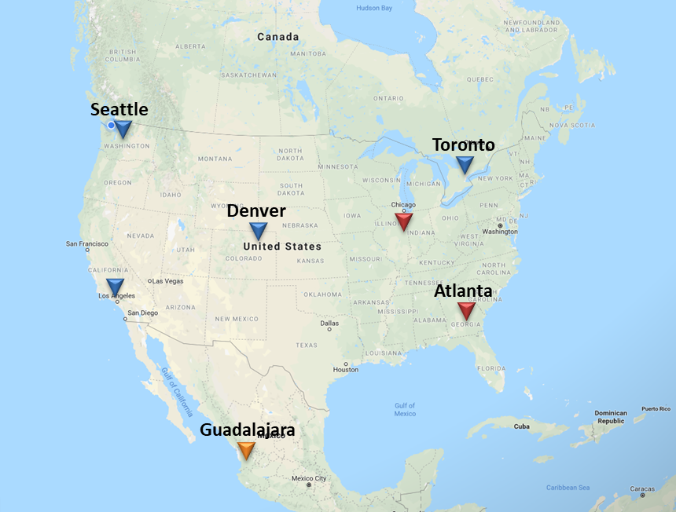
Annual Demand
Center | Toronto | Denver | L.A. | Seattle | Chicago | Atlanta | Guadalajara
Daily demand | 1000 | 1000 | 3000 | 2000 | 2000 | 1000 | 3000

Supply available
Toronto | 2500
Denver | 1500
LA | 3500
Seattle | 2500
Guadalajara | 4000

 | Distribution Cost = | $186,500.00

Input:
 | Production and Shipping Daily Cost Matrix
 | Destinations
Sources | Toronto | Denver | LA | Seattle | Chicago | Atlanta | Guadalajara
Toronto | 14.75 | 16.5 | 18.5 | 18.75 | 15.5 | 17 | 19.25
Denver | 21.5 | 20 | 21.5 | 21.75 | 20.5 | 21.25 | 22.25
LA | 17.5 | 15.5 | 13.5 | 15.25 | 16.75 | 16 | 14.75
Seattle | 21.75 | 19.75 | 19.25 | 17.75 | 19.5 | 20.5 | 20.75
Guadalajara | 15.25 | 13.25 | 11.75 | 12.5 | 13.75 | 13.5 | 10.5

Output:
 | Optimal Distribution Matrix |  |  |  |  |  |  | Supply | Shipped Out | Excess Supply
 | Destinations
Sources | Toronto | Denver | LA | Seattle | Chicago | Atlanta | Guadalajara
Toronto | 1000 | 0 | 0 | 0 | 1500 | 0 | 0 | 2500 | 2500 | 0
Denver | 0 | 500 | 0 | 0 | 0 | 0 | 0 | 1500 | 500 | 1000
LA | 0 | 500 | 3000 | 0 | 0 | 0 | 0 | 3500 | 3500 | 0
Seattle | 0 | 0 | 0 | 2000 | 500 | 0 | 0 | 2500 | 2500 | 0
Guadalajara | 0 | 0 | 0 | 0 | 0 | 1000 | 3000 | 4000 | 4000 | 0
Demand | 1000 | 1000 | 3000 | 2000 | 2000 | 1000 | 3000
Shipped In | 1000 | 1000 | 3000 | 2000 | 2000 | 1000 | 3000
Unmet Demand | 0 | 0 | 0 | 0 | 0 | 0 | 0

5 Year Demand | 1000 | 750 | 2500 | 1500 | 1500 | 750 | 2000
10 Year Demand | 1000 | 1000 | 3000 | 2000 | 2000 | 1000 | 3000

