Sheet1
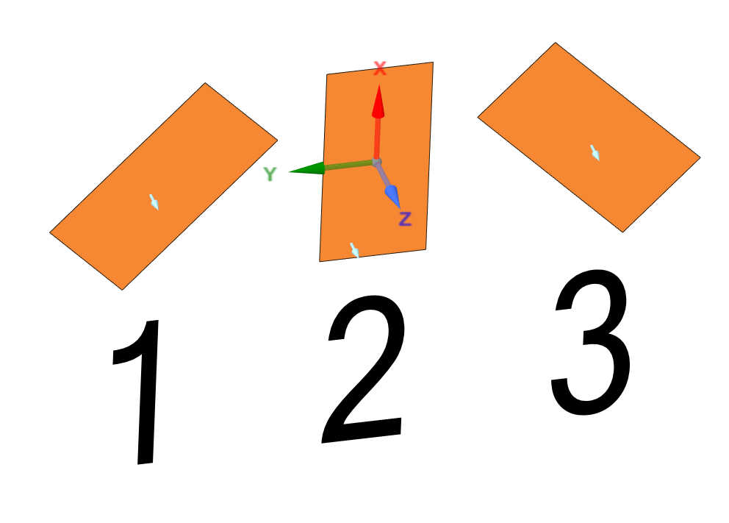
CHECKLIST
1
2
3 | Rosette channel names should be named as shown (image 1), from left to right.
4 | Each surface body should contain "SG_" prefix in their names when imported into ANSYS Mechanical.
5 | Origins of CS's at centers of each grid should be placed as shown (image 2), where local X axes showing upward.
6
7 | Center area of the grid 2 of reference rosette should be placed/drawn at the global origin (0,0,0).
8 | Surface normals of each grid surface should be in positive Z direction.
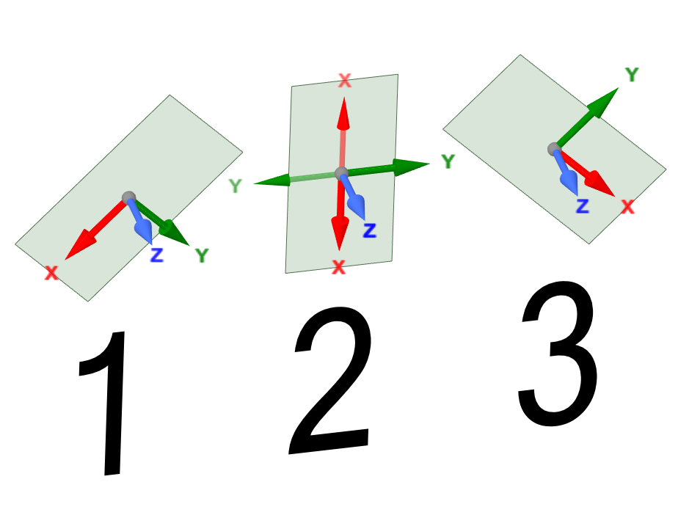
9 | All SG grids should have a single finite element.
10 | Origins of CS's of reference centers of each rosette should be set to "Global Coordinate" and principal axes should be set to "Default" after they are oriented correctly.
11 | There should be a "Transforms" object in the tree in Mechanical before running the script.
12 | There should be at least one or more coordinate system objects with a name starting with "CS_SG_Ref" in the tree in Mechanical before running the script.
13 | Rosettes should either be placed on a part with freezed mesh or on a part with assembled mesh
14 | One of the edges of the surface body of grids should be larger, since it is used as a guide to orient the principal axis the of the local grid coordinate system.

