instruction for data logging
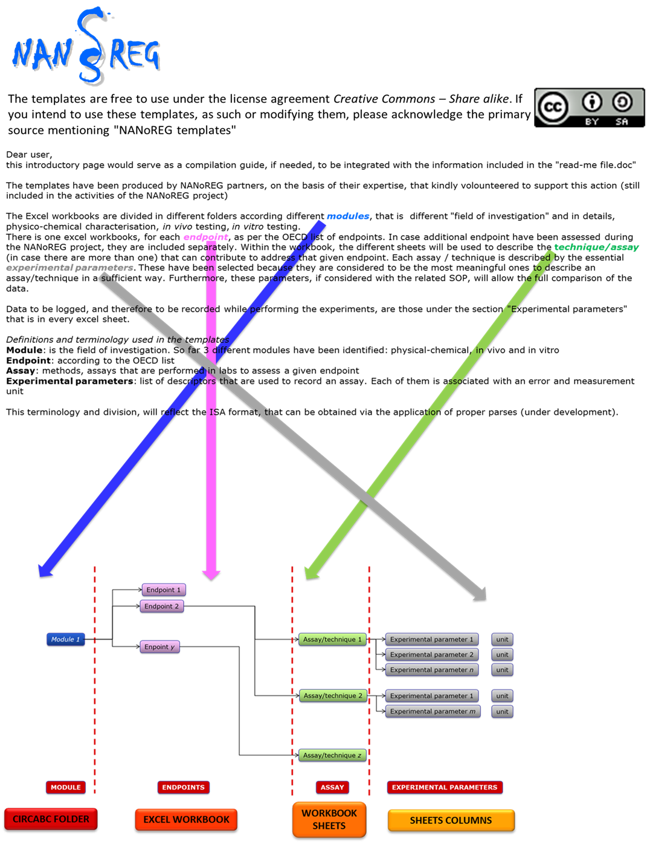
NANoREG templates
http://www.nanoreg.eu/media-and-downloads/templates
The templates are licensed under a Creative Commons Attribution-ShareAlike 4.0 International License.
https://creativecommons.org/licenses/by-sa/4.0/

Within eNanoMapper project the templates and fields are cleaned up. This is an eNanoMapper template derived from NANoREG template
http://ambit.sourceforge.net/enanomapper/templates/
Generated on 2017/02/04 18:21:32

