Figure
 | One can think of R as the transition probability from current state (current parameter value) to the next state (proposed parameter value).
 | Select U ~ uniform(0,1): if U < R, then the new parameter is set to the proposed, otherwise it is set to the current.

Proposing New Step
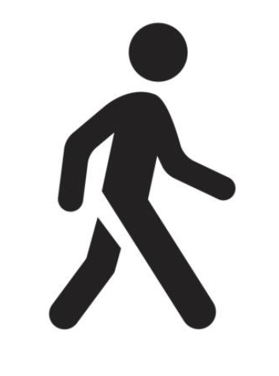
 |  |  | …

 | "Randomly" Rejected
 |  |  | …

 |  | Both the direction and distance is random.

 | "Randomly" Accepted
 |  |  | …

 |  |  | …

Chart.Trace
Trace Plot
 | Trace | BurnInBar
 | 7 | 0
 | 7 | 0
 | 7.4315529746 | 0
 | 7.4315529746 | 0
 | 7.4315529746 | 0
 | 7.6252795312 | 0
 | 7.6252795312 | 0
 | 7.6252795312 | 0
 | 7.2747941119 | 0
 | 7.3358667373 | 0
 | 7.8226634279 | 0
 | 8.1041711942 | 0
 | 8.1292819788 | 0
 | 8.1292819788 | 0
 | 8.1292819788 | 0
 | 7.8257109486 | 0
 | 7.8257109486 | 0
 | 7.8257109486 | 0
 | 8.3474636842 | 0
 | 8.3474636842 | 0
 | 8.146898921 | 0
 | 7.8812294738 | 0
 | 8.1309374086 | 0
 | 7.8426349576 | 0
 | 7.8426349576 | 0
 | 7.8426349576 | 0
 | 8.0509181593 | 0
 | 8.0509181593 | 0
 | 8.0324579149 | 0
 | 8.0324579149 | 0
 | 7.6705989698 | 0
 | 7.4672343082 | 0
 | 7.4672343082 | 0
 | 7.5265556792 | 0
 | 8.0221717723 | 0
 | 8.0221717723 | 0
 | 8.0221717723 | 0
 | 8.0221717723 | 0
 | 8.0221717723 | 0
 | 8.0221717723 | 0
 | 7.839826357 | 0
 | 7.839826357 | 0
 | 7.8412188115 | 0
 | 7.8412188115 | 0
 | 7.8140985216 | 0
 | 7.8140985216 | 0
 | 8.0564741524 | 0
 | 8.0564741524 | 0
 | 8.1465483056 | 0
 | 8.1465483056 | 0
...

