Transportation Standards
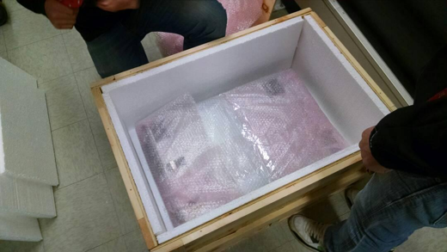
Transportation Partner Requirements
Arrival and Handling Guidelines
• Packing/transportation crew should arrive at the designated time with all required materials to fulfill Device Packing Standards
• Floor covering may be required to protect floors, to cover carpeted areas or to be used when floors have a rough surface – The CSG PM will coordinate this with the client, facilities team and transportation partner during planning
• Equipment will be handled with care and in a professional manner
• Team lifting of all equipment or when moving racks at all times - This means a minimum of two resources packing each device
NOTE: Partner acknowledgment of electronic equipment being transported and confirmation that utmost care will be taken in handling
Device Packing Standards – See Appendix A for reference pictures
• Onsite packing is required for all services (except were agreed to with customer)
• Servers/Devices
• Large bubble anti-static bubble wrap is required
• All servers/devices should be individually wrapped
• Machine carts (or gondola’s) for in town transportation
• D-containers (or properly sized equivalent) for long haul jobs
• Wooden crates for International and/or Air Freight Shipments
• Racks
• Blanket wrap, corner boards and shrink-wrap racks initially
• Blanket wrap prior to strapping in vehicle
• Triple strap or logistic bars for securing within the vehicle
• International and/or Air Freight shipments require custom crating - onsite wood crating is mandatory
• LTL Freight shipments that require custom crating – wood crating is mandatory
• Speed packs should NOT be used.
• D-containers (or smaller C-E containers) are acceptable in most cases
• Wooden crates for EMC/All Storage devices or as required by customer
NOTE: While off site crating may be easier and a preferred method for the transport partner, onsite crating under CSG supervision is required for chain of custody assurance
Transportation Vehicle Standards
• Minimum requirement - Air ride truck with a lift gate or a Sprinter van depending on load size.
• Dedicated/direct transportation,
• GPS tracked,
• Truck’s cargo door sealed with security seal with serial#.
• Climate controlled with (2) team drivers for long hauls (greater than 4 hours)
• For security reasons the truck must never be left unattended
• LTL transportation for less time sensitive equipment and gear that has a bigger downtime window
• On site crating is preferred
• Scheduled delivery required
• We understand this is usually a delivery window, i.e. 10 AM – 12 PM
• Overnight air freight/commercial air/chartered air
• On site crating is required
• International shipments
• Client is responsible for all customs paperwork and associated VAT
• Optional Service – CSG transportation partner may handle the import/export paperwork, taxes, duties, etc if client compliance allows. There is additional cost for this service
Communication Standards
• Dedicated Direct Method – Short Haul (less than 4 hours)
• Incremental updates on truck status via email
• Truck departure, duration midpoint and 1 hour out at an absolute minimum
• Dedicated Direct - Long Haul
• Follow the minimum requirements plus updates every 4-6 hours based on PM/Customer requirements
• LTL or Air Freight
• As agreed to by method standards and PM requirements
Truck rendered incapable to proceed
• If truck breaks down or is rendered incapable of proceeding due to accident, transport company will promptly send replacement truck and oversee transfer of Equipment to new truck.
• Customer will cooperate as necessary to affect the transfer.
Appendix A - Sample Pictures:
• Proper wrapping of a server using large bubble anti-static bubble wrap
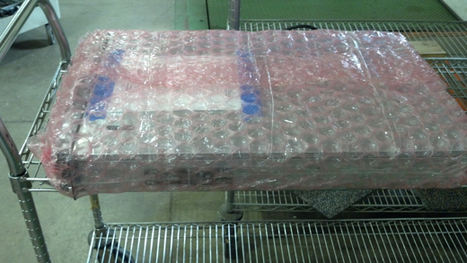

• Proper packing/wrapping of a D-Container
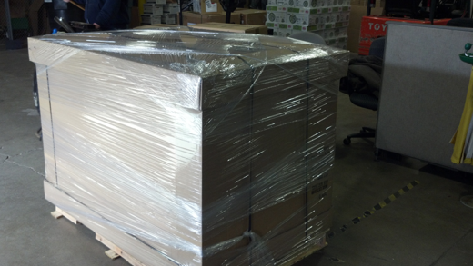

• Machine Cart (shrink wrapped to ensure nothing falls off the machine cart)
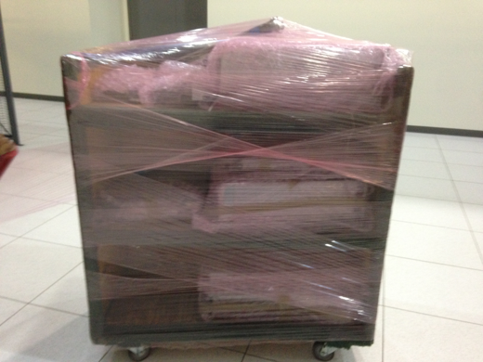

• Properly Packed rack (corner board and shrink wrap)
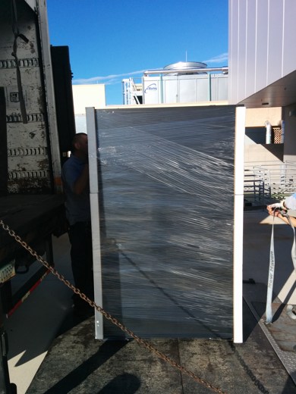

• Properly Secured Rack (blankets & triple strapping always required)
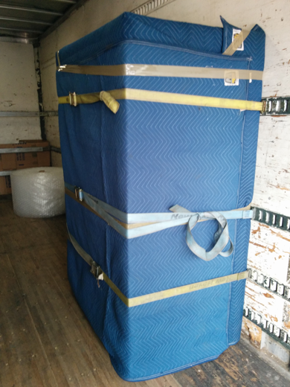

• Onsite Crating

