全链路延迟测试器_V1.5_BOM
延迟测试器BOM
Class | Comment | Description | Designator | Footprint | Quantity | interlinkage | picture | PS
贴片电容 | 1000pF/2kV | 1000pF/K/2KV/X7R/1206 | C1, C11 | C 1206_L | 2 | https://so.szlcsc.com/global.html?k=C9196&hot-key=STM32F103C8T6&lcsc_vid=QAdZV1ZUR1kNXwVUR1NfA1wCR1VWVl1eQQRZV1NRElQxVlNTT1BXV1dfR1BfUzsOAxUeFF5JWBIBSRccGwIdBEoFGAxBAAgJFQACSQwSGg0%3D
贴片电容 | 100nF | 100nF/±10%/50V/X7R/0603 | C2, C3, C10, C14, C15, C16, C17, C23, C26 | C 0603_L | 9 | https://so.szlcsc.com/global.html?k=C14663&hot-key=STM32F103C8T6&lcsc_vid=QAdZV1ZUR1kNXwVUR1NfA1wCR1VWVl1eQQRZV1NRElQxVlNTT1BXV1RfTlhXUjsOAxUeFF5JWBIBSRccGwIdBEoFGAxBAAgJFQACSQwSGg0%3D
钽电容 | 22uF钽电容 | 22uF/±10%/CA45/A/10V/1206 | C4, C5, C21 | CDA1206 | 3 | https://so.szlcsc.com/global.html?k=C6143460&hot-key=STM32F103C8T6&lcsc_vid=QAdZV1ZUR1kNXwVUR1NfA1wCR1VWVl1eQQRZV1NRElQxVlNTT1BXV1VUQ1RWVzsOAxUeFF5JWBIBSRccGwIdBEoFGAxBAAgJFQACSQwSGg0%3D
钽电容 | 47uF钽电容 | 47uF/±10%/CA45/B/10V/3528 | C6 | CD B(3528) | 1 | https://so.szlcsc.com/global.html?k=C123253&hot-key=STM32F103C8T6&lcsc_vid=QAdZV1ZUR1kNXwVUR1NfA1wCR1VWVl1eQQRZV1NRElQxVlNTT1BXV1VTRlhcXzsOAxUeFF5JWBIBSRccGwIdBEoFGAxBAAgJFQACSQwSGg0%3D
贴片电容 | 10uF | 10uF/±10%/10V/X5R/0603 | C9, C18, C19, C20, C22 | C 0603_L | 5 | https://so.szlcsc.com/global.html?k=C19702&hot-key=STM32F103C8T6&lcsc_vid=QAdZV1ZUR1kNXwVUR1NfA1wCR1VWVl1eQQRZV1NRElQxVlNTT1BXV1VQQFlaUDsOAxUeFF5JWBIBSRccGwIdBEoFGAxBAAgJFQACSQwSGg0%3D
贴片电容 | 12pF | 12pF/±5%/50V/NPO/0603 | C12, C13 | C 0603_L | 2 | https://so.szlcsc.com/global.html?k=C107034&hot-key=STM32F103C8T6&lcsc_vid=QAdZV1ZUR1kNXwVUR1NfA1wCR1VWVl1eQQRZV1NRElQxVlNTT1BXV1VfQVFbXzsOAxUeFF5JWBIBSRccGwIdBEoFGAxBAAgJFQACSQwSGg0%3D
贴片电阻 | 10k | 10k/±5%/100mW/75V/±100ppm/℃/0603 | R1, R7, R15, R17, R18, R19, R20, R22, R23, R24 | R 0603_L | 10 | https://so.szlcsc.com/global.html?k=C2930027&hot-key=STM32F103C8T6&lcsc_vid=QAdZV1ZUR1kNXwVUR1NfA1wCR1VWVl1eQQRZV1NRElQxVlNTT1BXV1ZXTllaXjsOAxUeFF5JWBIBSRccGwIdBEoFGAxBAAgJFQACSQwSGg0%3D
贴片电阻 | 1M | 1M/±5%/1206 | R2, R1 | R 1206_L | 2 | https://so.szlcsc.com/global.html?k=C2907441&hot-key=STM32F103C8T6&lcsc_vid=QAdZV1ZUR1kNXwVUR1NfA1wCR1VWVl1eQQRZV1NRElQxVlNTT1BXV1ZVTlVXUDsOAxUeFF5JWBIBSRccGwIdBEoFGAxBAAgJFQACSQwSGg0%3D
贴片电阻 | 1k | 1k/±5%/1/10W/0603 | R5, R10, R21 | R 0603_L | 3 | https://so.szlcsc.com/global.html?k=C22356624&hot-key=STM32F103C8T6&lcsc_vid=QAdZV1ZUR1kNXwVUR1NfA1wCR1VWVl1eQQRZV1NRElQxVlNTT1BXV1ZQQVlfXzsOAxUeFF5JWBIBSRccGwIdBEoFGAxBAAgJFQACSQwSGg0%3D&spm=sc.gbn.hd.ss
贴片电阻 | 62R | 62R/±5%/1/10W/0603 | R8 | R 0603_L | 1 | https://so.szlcsc.com/global.html?k=C2907193&hot-key=STM32F103C8T6&lcsc_vid=QAdZV1ZUR1kNXwVUR1NfA1wCR1VWVl1eQQRZV1NRElQxVlNTT1BXV1ZfTlNbVTsOAxUeFF5JWBIBSRccGwIdBEoFGAxBAAgJFQACSQwSGg0%3D
贴片电阻 | 5.1k | 5.1k/±5%/1/10W/0603 | R9, R13, R14, R16 | R 0603_L | 4 | https://so.szlcsc.com/global.html?k=C26000&hot-key=STM32F103C8T6&lcsc_vid=QAdZV1ZUR1kNXwVUR1NfA1wCR1VWVl1eQQRZV1NRElQxVlNTT1BXV1dXQFhcUzsOAxUeFF5JWBIBSRccGwIdBEoFGAxBAAgJFQACSQwSGg0%3D
贴片电阻 | 0R | 0R/±5%/1/10W/0603 | R11, R12, R25, R26 | R 0603_L | 4 | https://so.szlcsc.com/global.html?k=C2907080&hot-key=STM32F103C8T6&lcsc_vid=QAdZV1ZUR1kNXwVUR1NfA1wCR1VWVl1eQQRZV1NRElQxVlNTT1BXV1dVRVVeUTsOAxUeFF5JWBIBSRccGwIdBEoFGAxBAAgJFQACSQwSGg0%3D&spm=sc.gbn.hd.ss
磁珠 | 90R/100MHZ/NC | 90R/100MHZ/NC | L1, L3 | 2012-L | 0 |  |  | NC
IC | CE6210A33P | CE6210A33P/SOT89-3 | U1 | SOT89-3 | 1 | 【淘宝】https://e.tb.cn/h.SX97oUnxk7mCEgo?tk=crG34ufWmXE MF278 「CE6210A33P 封装SOT89-3 LDO稳压IC 原装」
MCU | CH32V305RBT6 | CH32V305RBT6/LQFP64 10x10_M | U2 | LQFP64 10x10_M | 1 | https://so.szlcsc.com/global.html?k=C5187529&hot-key=STM32F103C8T6&lcsc_vid=QAdZV1ZUR1kNXwVUR1NfA1wCR1VWVl1eQQRZV1NRElQxVlNTT1BXV1NVQFlaUzsOAxUeFF5JWBIBSRccGwIdBEoFGAxBAAgJFQACSQwSGg0%3D
TVS管 | USBLC6-2SC6 | USBLC6-2SC6/TVS管/SOT23-6 | D1 | SOT23-6M | 1 | https://so.szlcsc.com/global.html?k=C2827654&hot-key=STM32F103C8T6&lcsc_vid=QAdZV1ZUR1kNXwVUR1NfA1wCR1VWVl1eQQRZV1NRElQxVlNTT1BWX1FXRVRXUDsOAxUeFF5JWBIBSRccGwIdBEoFGAxBAAgJFQACSQwSGg0%3D
晶振 | 24MHZ | Y3225/24MHZ/12pF/10ppM | X1 | OSC 3225-4P | 1 | https://so.szlcsc.com/global.html?k=C164058&hot-key=STM32F103C8T6&lcsc_vid=QAdZV1ZUR1kNXwVUR1NfA1wCR1VWVl1eQQRZV1NRElQxVlNTT1BWXlFQQVBXUzsOAxUeFF5JWBIBSRccGwIdBEoFGAxBAAgJFQACSQwSGg0%3D
TYPE-C | USB TYPE C | TYPE C 16PIN板上型7.35MM 三模母座 带弹片 短舌口 | USB1, USB2 | TYPE-C 16PIN 2MD(073) | 2 | https://so.szlcsc.com/global.html?k=C2840391&hot-key=STM32F103C8T6&lcsc_vid=QAdZV1ZUR1kNXwVUR1NfA1wCR1VWVl1eQQRZV1NRElQxVlNTT1BWXlxRQ1JdVTsOAxUeFF5JWBIBSRccGwIdBEoFGAxBAAgJFQACSQwSGg0%3D
TYPE-C | USB母座 | USB-A型母接口 | USB3 | USB-A/S_B | 1 | https://so.szlcsc.com/global.html?k=C404963&hot-key=STM32F103C8T6&lcsc_vid=FgNbAlBWTwcMX1QETgReXwZURwBXVlQHFVMPAgcCTlgxVlNTR1JWUF1RQFBbUTtW&spm=sc.hm.hd.ss | 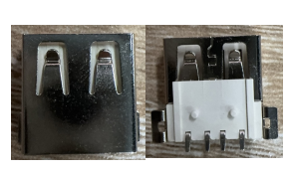
轻触开关 | 3x6x5 | TS-1009S-03826/3x6x5轻触开关支架 | SW1 | SW-SMD_L6.0-W3.3-LS8.0 | 1 | https://so.szlcsc.com/global.html?k=C18078124&hot-key=STM32F103C8T6&lcsc_vid=QAdZV1ZUR1kNXwVUR1NfA1wCR1VWVl1eQQRZV1NRElQxVlNTT1BWX1dfQ1ZcUzsOAxUeFF5JWBIBSRccGwIdBEoFGAxBAAgJFQACSQwSGg0%3D | 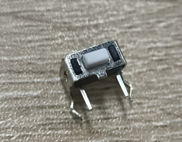
轻触开关 | 3x6x5 | 3x6x5轻触开关/TS-1101-C-W | SW2, SW3, SW4, SW5 | SW-TH_4P-L7.4-W5.0-P5.0 | 4 | https://so.szlcsc.com/global.html?k=C318938&hot-key=STM32F103C8T6&lcsc_vid=QAdZV1ZUR1kNXwVUR1NfA1wCR1VWVl1eQQRZV1NRElQxVlNTT1BWX1BWTldfUzsOAxUeFF5JWBIBSRccGwIdBEoFGAxBAAgJFQACSQwSGg0%3D | 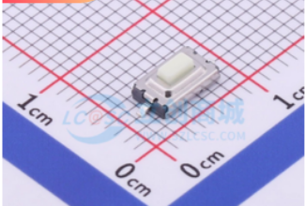
肖特基二极管 | SS24 | SS24/肖特基二极管/SMA | D2, D3 | SMA | 2 | https://so.szlcsc.com/global.html?k=C7420362&hot-key=STM32F103C8T6&lcsc_vid=FgNbAlBWTwcMX1QETgReXwZURwBXVlQHFVMPAgcCTlgxVlNTR1JWUF1RQFBbUTtW&spm=sc.hm.hd.ss
FPC连接器 | 屏幕接口 | FPC0.5*8P/抽屉式/下接/卧贴 | FPC1 | FPC-SMD_AFC07-S08FCA-00 | 1 | https://so.szlcsc.com/global.html?k=C262555&hot-key=STM32F103C8T6&lcsc_vid=QAdZV1ZUR1kNXwVUR1NfA1wCR1VWVl1eQQRZV1NRElQxVlNTT1BWX11RTldXUjsOAxUeFF5JWBIBSRccGwIdBEoFGAxBAAgJFQACSQwSGg0%3D
高频放大-PNP型 | SS8550 | SS8550/SOT23L | Q1 | SOT23L | 1 | https://so.szlcsc.com/global.html?k=C916393&hot-key=STM32F103C8T6&lcsc_vid=QAdZV1ZUR1kNXwVUR1NfA1wCR1VWVl1eQQRZV1NRElQxVlNTT1BWX11eTlFcVTsOAxUeFF5JWBIBSRccGwIdBEoFGAxBAAgJFQACSQwSGg0%3D
LDO | D2652-AD | D2652-AD/TO-263-5 | U3 | TO-263-5_L10.2-W8.9-P1.70-TL-LS15.2 | 1 | https://so.szlcsc.com/global.html?k=C2837289&hot-key=STM32F103C8T6&lcsc_vid=QAdZV1ZUR1kNXwVUR1NfA1wCR1VWVl1eQQRZV1NRElQxVlNTT1BWX11fQFldUzsOAxUeFF5JWBIBSRccGwIdBEoFGAxBAAgJFQACSQwSGg0%3D
DC002母头 | DC-002-2.0A-1.3 | DC-002-2.0A-1.3/DC002母头 | DC1 | DC-IN-TH_DC-002-2.0A-1.3 | 1 | https://item.taobao.com/item.htm?_u=p2bbhg32ebef&id=723232233042&pisk=glOUGH2sQXhULfqsOhCz0cFt4UCd9_ojqQs5rUYlRMjnewGuaU8cP2n-Jd7kVh3-J6Tl43-1X7_Sp0FybHTDd9tWdgbljhYQOgGdU38XD3NS9p_uahTRE3Oyy77kr33dV2H6JeCRZmiX4jTpJpeROwAFq1jMWZb3-A63Lf8I5mijGbk3S_oEc3tglVKGuZfl-T23SV75z72HqTfGIGQRrkbutV8GXGbuq9j3IPb5r8bkqWXGja7RrajhxFbGzGblZ_xkSV75jgflZ3YiOfjPD57VKVmYRoxmZ-6PmejaZSzAJ9Vy58NbGzbNIiXGv7b6_wWFmeAq7MWASCONhOaS21YvCHbNgbPGTtJHYNYt4SSHhELfq9UbGFWPYdAhQzVkR699VL-EYJIHdhWASO4rMNtfjedHQ4EM-nsFtNXsiq8GEdOdHBigTsvvR69kjfPemg7g2NfxkQpUq8WhWNSj7Vysc-9wUEPi_8eRpd_Nc23Le8BUP7weMI28e9CN7igHN&spm=a1z09.2.0.0.606f2e8dfqAXrn&skuId=5025121028404 | 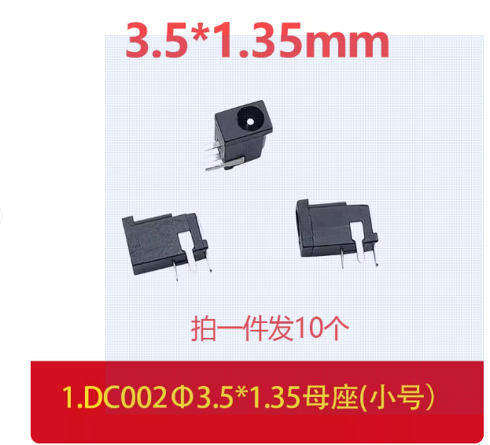
双通铜柱 | M2*8mm | M2*8mm/双通铜柱 | / | / | 4 | https://detail.tmall.com/item.htm?from=cart&id=16356181954&pisk=gENExyv1Q6CeHI-1Olhy0GeS_zGKnbSf47iSrz4oRDmhv9HorczcJD6RpuyaqlHIxMBKE4maxQMQazdrrzqRJ0_dCyUKwbjfcu5bJyn0BZtTTDvMSP32Z0XsK_7NQLIfcs1PKFcPYiZ7jFZgsqumZ2DkKhbZJ4RoZ2cuSNuoPHvktu4G7c3yZBmHZfciPq-oZv0ojC0qz30HK20G74niqbcuqfbZycmoZbcpry4k_qMhSiFY6dLXDanY-cRkZWf-LmWq8Vng_gDK0yVeXhQ-8vo0-cSH3pPmIzHzwUdrIy2Y2qqHxMlu7qrqukWWyDyglWiQuEOu7XurnbDwrQ4Z1DZS5jfDbVegR8VLYURoJWNjUmHNrQHSsSM0nk8RkPcnruHYNidKxz4YM-GVaCcEEgRH2VcAk7eeqLknWVof7NJ1cKwarB2HHLp-pRgZcwQpeLHePQ9UMSvJevhZ7m_3N&skuId=5053912691569&spm=a1z0d.6639537%2F202410.item.d16356181954.6d2d74841iqhrd&upStreamPrice=189 | 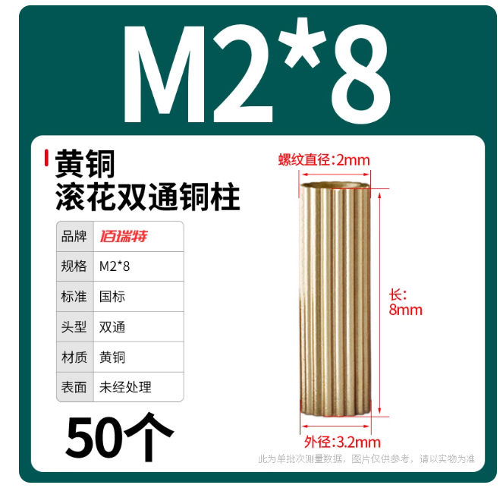
双通铜柱 | M2*5+3mm | M2*5+3mm/双通铜柱 | / | / | 4 | https://detail.tmall.com/item.htm?from=cart&id=16356181954&pisk=gENExyv1Q6CeHI-1Olhy0GeS_zGKnbSf47iSrz4oRDmhv9HorczcJD6RpuyaqlHIxMBKE4maxQMQazdrrzqRJ0_dCyUKwbjfcu5bJyn0BZtTTDvMSP32Z0XsK_7NQLIfcs1PKFcPYiZ7jFZgsqumZ2DkKhbZJ4RoZ2cuSNuoPHvktu4G7c3yZBmHZfciPq-oZv0ojC0qz30HK20G74niqbcuqfbZycmoZbcpry4k_qMhSiFY6dLXDanY-cRkZWf-LmWq8Vng_gDK0yVeXhQ-8vo0-cSH3pPmIzHzwUdrIy2Y2qqHxMlu7qrqukWWyDyglWiQuEOu7XurnbDwrQ4Z1DZS5jfDbVegR8VLYURoJWNjUmHNrQHSsSM0nk8RkPcnruHYNidKxz4YM-GVaCcEEgRH2VcAk7eeqLknWVof7NJ1cKwarB2HHLp-pRgZcwQpeLHePQ9UMSvJevhZ7m_3N&skuId=5053912691564&spm=a1z0d.6639537%2F202410.item.d16356181954.6d2d74841iqhrd&upStreamPrice=189 | 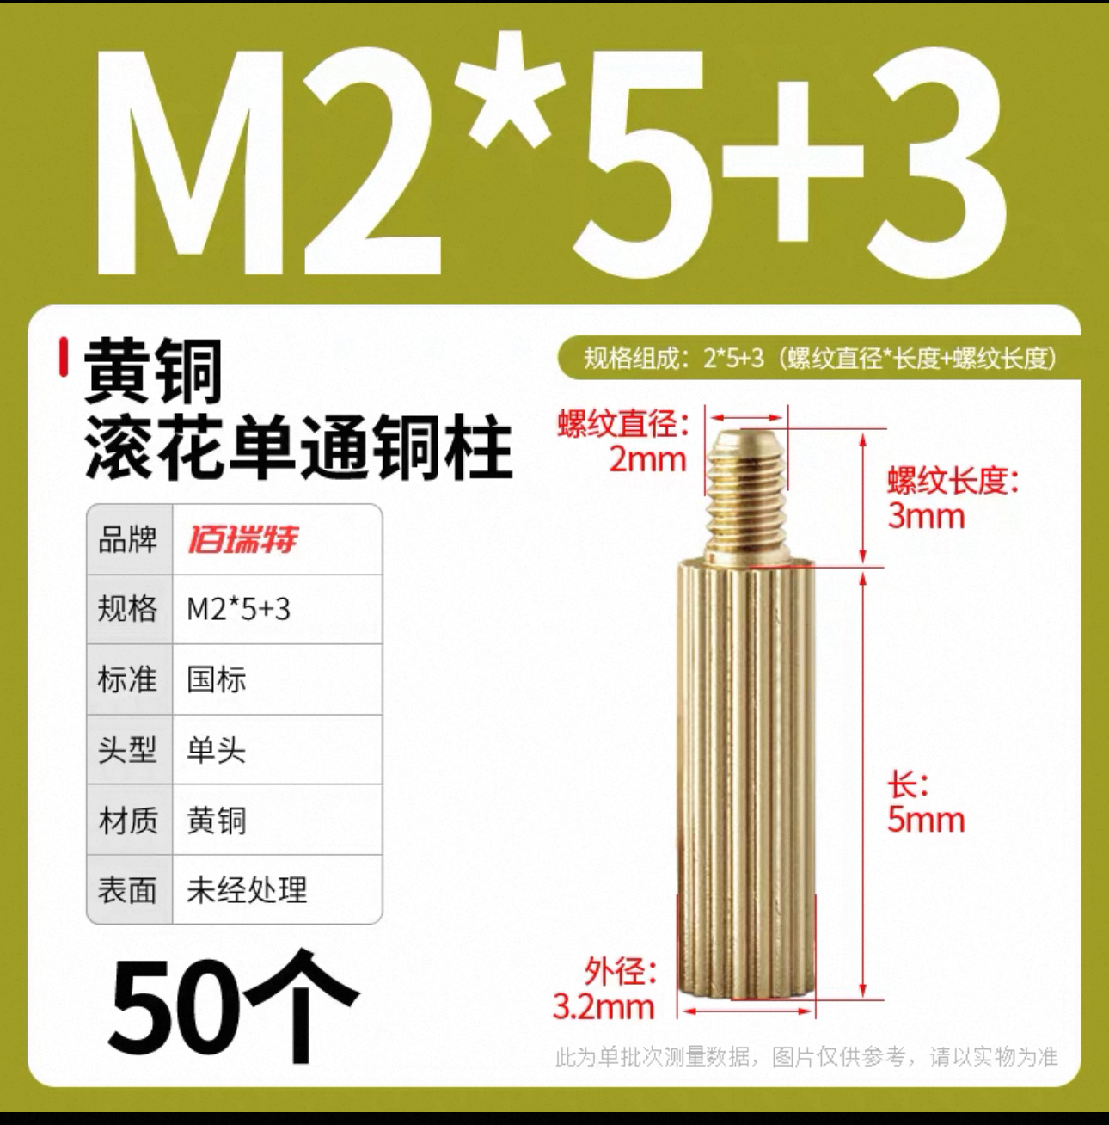
十字圆头螺丝 | M2*4mm | M2*4mm/十字圆头螺丝 | / | / | 8 | https://detail.tmall.com/item.htm?from=cart&id=17088123342&pisk=gH0tYZfF9pvgHqBN6xxhiYD988d36HcZ9Al5o-2GcvHKhxFcojw0kxHxHRqXQP0xpxMYiZcjoSgY72mGoRvakjMukLvkrUcZ_yzXEL067lWuPS7fCtqXRwa0Mf4fwJlZ_ryftttoAf5vC6TWcSwX9yNY6OafllNB97Pu1rw_c9sQNJwblxZ_OJNb15N_f51B9SVzht_bfkwQG7NblrMbOXwUGrNshrOKOJPj93JYd1wckcKm03A5AwHmH2FTX8Gp4Z_vXRWuZftOza3Kv72WrJQfl2FtMcBIcaK0F0ygqRHB-NUxOSH8wABBprGK74EI5p7YYxeUmVZdCGN8WRES5lf2wPrjv2Ui5KSrtXe_2ymHYdq0WAnzUlteLxhLIxgTAOp3n0cn5kHWKwH4DcMTOzsyz40JvxXueSj69BIV0lNFljl4DpbA9INLEBjF0ir3TWekOjIfctVQ98AHRiS4vaC..&skuId=4890861585220&spm=a1z0d.6639537%2F202410.item.d17088123342.6d2d74841iqhrd&upStreamPrice=469 | 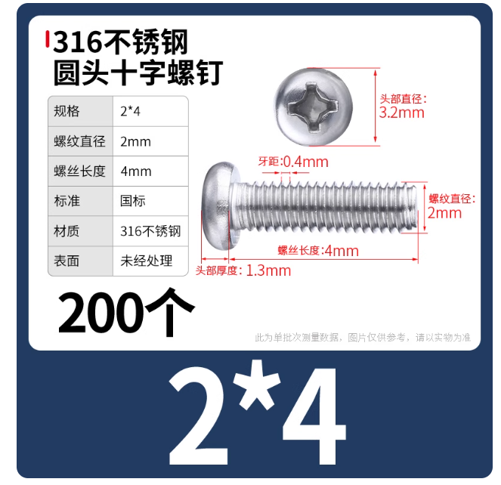
DC002公头带线 | DC3.5x1.35公头线-30CM | DC3.5x1.35公头线-30CM | / | / | 1 | https://item.taobao.com/item.htm?_u=p2bbhg32e2a0&id=614222721679&pisk=gLWuGH6Op_RWCLMSZkv7NjgfLJFYNL9CLwHpJpLUgE8bAbh8VB-FxwXdwM8pKwbh-UdUPLBhoGsLV9EWUJxFWZvd2ULdokbRAvU7OLHE-asaPgLLV9Yeoa7HOuTp8ebdY_EYBRI5Vp9eKPeTBmLOzHboaH-UYI-JfoKzc_yF_p9UWycxLQwMdaJ46Xwrgn8XxHorLwJ23htMLHRy8oY2xhGEzwJUmoxH43kyYvJV0hxpLXRy8IR2xhte4Hkz3oxBueJeLwJ4mHT28pJE_JVkP9WV3yDtAszc7oXwqQYN4USR4trwMbsXo4ulnsAX7RLmLvWDqMfouGMg9F56yCLlu-HkKi-hShbourvFmT6MgTzjKI_HlBByi4lyjLYk_TR-AlvWTsXDeTzI1iIDzCvAMSaJ9Lbl1FOzGr_hmUQFEIuukeCODTRc7rHcRBfPrnJN4wGq_eUxdnrd3XGBantDW9RM-ljNut7_mocavQ-XVFE0mXLx5vk6Soqm_RAyc3lV.&spm=a1z09.2.0.0.606f2e8dfqAXrn&skuId=4496351122376 | 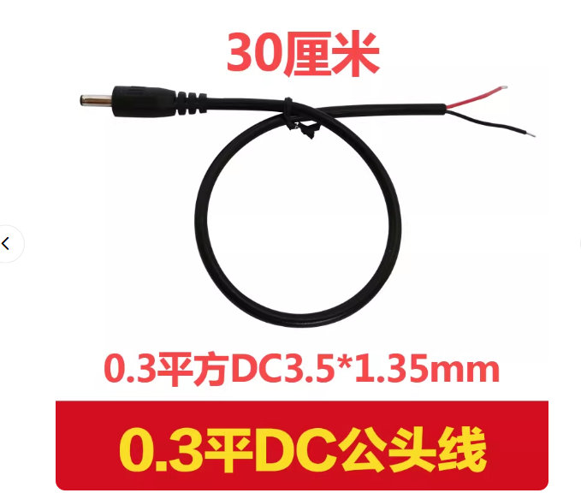
彩色热塑管 | φ2mm | φ2mm/长度45mm | / | / | 1 | https://detail.tmall.com/item.htm?id=735286048821&spm=tbpc.boughtlist.suborder_itemtitle.1.4c952e8dF84SFM&mi_id=0000x_PzSc5DARacjCa7xk9KQBcjM7wzU8y3dI3hi8EB92A
彩色热塑管 | φ5mm | φ5mm/长度45mm | / | / | 1 | https://detail.tmall.com/item.htm?id=735286048821&spm=tbpc.boughtlist.suborder_itemtitle.1.4c952e8dF84SFM&mi_id=0000x_PzSc5DARacjCa7xk9KQBcjM7wzU8y3dI3hi8EB92A
彩色热塑管 | φ10mm | φ10mm/长度45mm | / | / | 1 | https://detail.tmall.com/item.htm?id=735286048821&spm=tbpc.boughtlist.suborder_itemtitle.1.4c952e8dF84SFM&mi_id=0000x_PzSc5DARacjCa7xk9KQBcjM7wzU8y3dI3hi8EB92A
屏幕 | 1.14 | 1.14/屏幕 | / | / | 1 | 【淘宝】https://e.tb.cn/h.SXrZcfo6Hd8iDyt?tk=ZNrl4u4WRug HU293 「1.14寸TFT液晶屏st7789驱动135x240高清显示LCD长条形屏SPI彩屏幕」 点击链接直接打开 或者 淘宝搜索直接打开 | 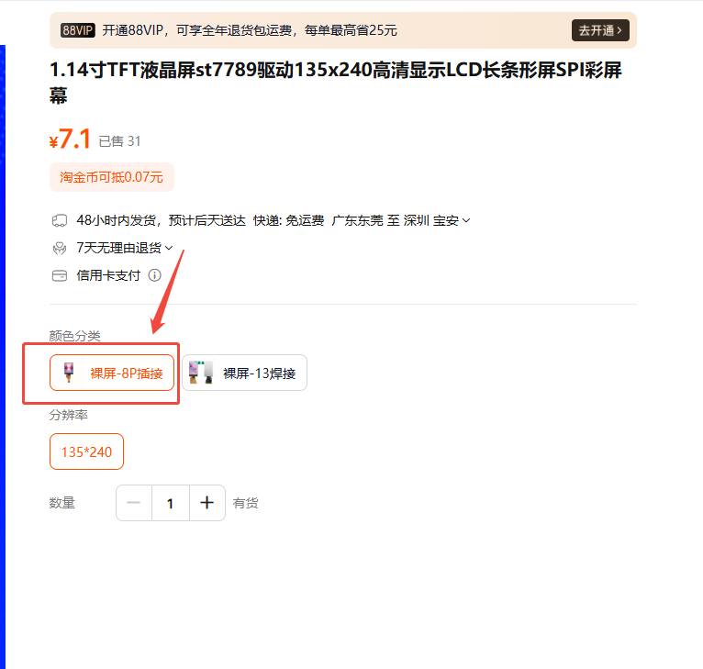
亚克力板子 | 54.2*35.2*2mm | 54.2*35.2*2mm/亚克力板子 | / | / | 2 | 【淘宝】7天无理由退货 https://e.tb.cn/h.SWVldsaU9S1TlKb?tk=qae54vo9EIr CZ057 「定制加工高透明亚克力板有机玻璃塑料板热弯印刷雕刻展示盒PMMA板」 点击链接直接打开 或者 淘宝搜索直接打开 | 
线圈 | 定制 |  | / | 用猛锌铁氧体材料，直径6mm*长度39mm，用0.4mm的漆包线绕5层（找客服定制） | 1 | 【淘宝】https://e.tb.cn/h.S4bxYEJ5Le5NJKq?tk=TJ4y4xEsE35 HU108 「中周成品定制 线圈定制 调幅中波中周中频变压器 可调节磁帽磁芯」 点击链接直接打开 或者 淘宝搜索直接打开 | 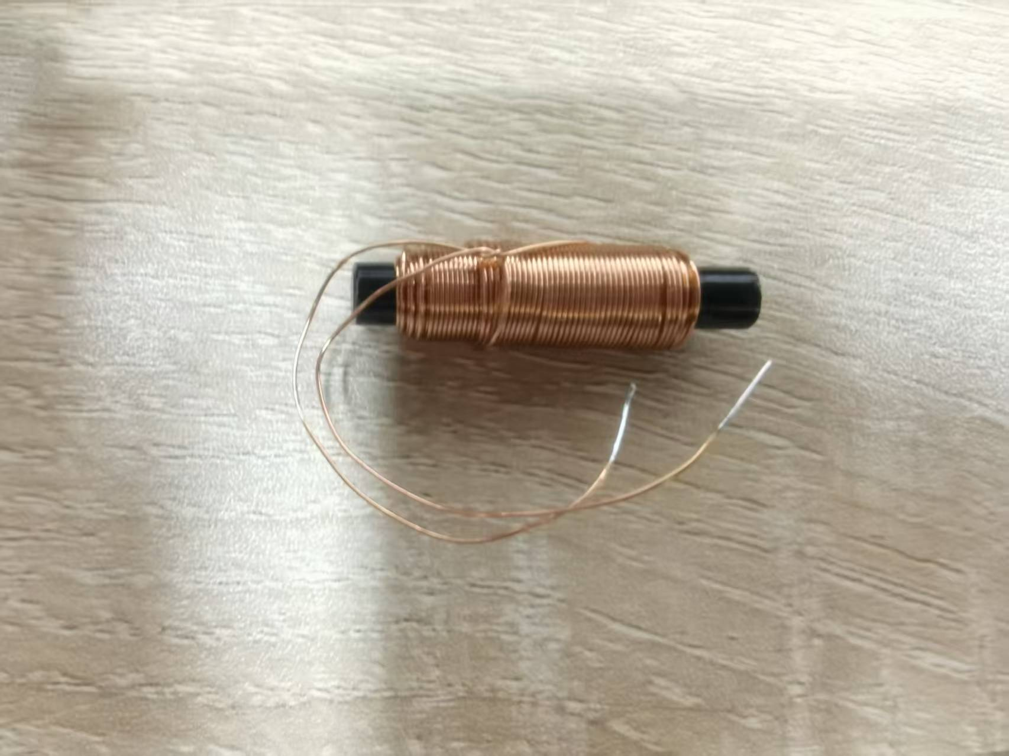

PCBA尺寸：54.2mm*35.18mm

