Calculations
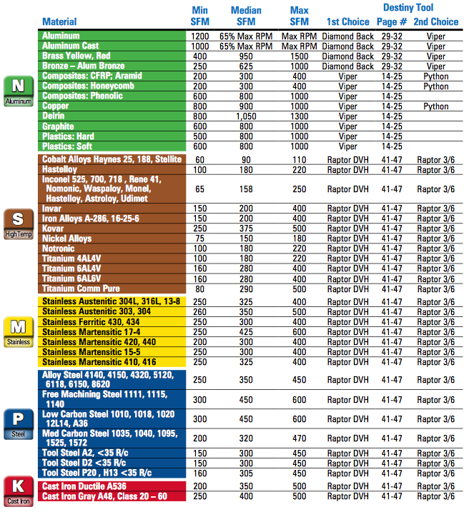
HEM Feeds and Speeds Calculator |  | SFM Look Up Chart: | How to use the HEM Feeds and Speeds Calculator:
Created by Shelby Ryan |  |  | 1. Select the material you plan on machining from the drop down menu located in B4
 | Input Variables: |  | 2. Enter the tool diameter in inches
Material: | Aluminum |  | 3. Enter the number of flutes on your tool
Tool Diameter (in): | 0.3750 |  | 4. Enter the correct SFM value for the given material from the SFM Look up chart
Number of Flutes: | 4 |  | 5. Select the radial width of cut from the drop down menu
Surface Feet per Minute: | 600.00 |  | 6. Enter the desired axial depth of cut. If unkown, enter the value located in B16
Radial Width of Cut (% Tool Diameter): | 10% Tool Diameter |  | 7. Enter the chip load in inch per tooth. Refference B27 and B28 for more information
Axial Depth of Cut (in): | 0.7500 |  | 8. Enter the max RPM of your machine
Chip Load (IPT): | 0.0015 |  | 9. Enter the output variables into your CAM software of choice, B18-B24
Machine Max RPM: | 6000
 | Calculated Values:
Actual RPM: | 6107
Actual Chip Load Per Tooth (IPT): | 0.0375
Adjusted Chip Load Per Tooth (IPT): | 0.0025
Recommended Axial Depth of Cut (in): | 0.5625
Recommended MMR (in^3/min): | 1.2656
 | Output Variables:
RPM: | 6000
Feed Rate (in/min): | 60.00
Ramp and Plunge Rate (in/min): | 21.00
Optimal Load (in): | 0.0375
Cutting Power (HP): | 0.4219
Material Removal Rate (in^3/min): | 1.6875

Recommendations:
Tool Diameter < 0.5 ===> | Chip Load = 0.0002 to 0.002
Tool Diameter > 0.5 ====> | Chip Load = 0.002 to 0.003

