Sheet1
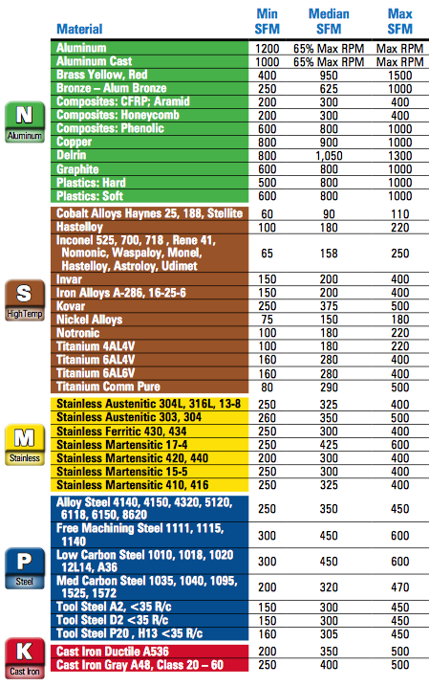
Input Variables | Output Variables

Material: | ALUMINUM
Tool Diameter: | 0.2500
Number of Flutes: | 2
Surface Feet per Minute: | 600
Radial Depth of Cut: | 5% Tool Diameter
Axial Depth of Cut: | 0.75
Chip Load: | 0.001
Machine Max RPM: | 6000

RPM: | 6000
Feed Rate (in/min): | 27.529888064
Ramp and Plunge Rate (in/min): | 9.6354608226
Optimal Load (in): | 0.0125
Cutting Power (HP): | 0.077427810181
Material Removal Rate (in^3/min): | 0.2580927006

Recommendations:
Chip Load:
Tool Diameter < .5 ===> | Chip Load = 0.0002 to 0.002
Tool Diameter > .5 ====> | Chip Load = 0.002 to 0.003

5% Tool Diameter | 0.05 | ALUMINUM | 0.3
10% Tool Diameter | 0.1 | MAGNESIUM | 0.3
15% Tool Diameter | 0.15 | COPPER | 0.5
20% Tool Diameter | 0.2 | BRASS | 0.4
25% Tool Diameter | 0.25 | BRONZE | 0.5
30% Tool Diameter | 0.3 | Steel(up to 150 Brinell) | 1.4
35% Tool Diameter | 0.35 | Steel(up to 300 Brinell) | 1.7
40% Tool Diameter | 0.4 | Steel(up to 400 Brinell) | 2
45% Tool Diameter | 0.35 | Steel(up to 500 Brinell) | 2.5
50% Tool Diameter | 0.5
 | 0.05 |  | 0.3

 |  | Actual RPM: | 9160.3053435

 |  | Actual Chip Load Per Tooth: | 0.1
 |  | Adjusted Chip Load Per Tooth: | 0.0022941573387

