Calculations
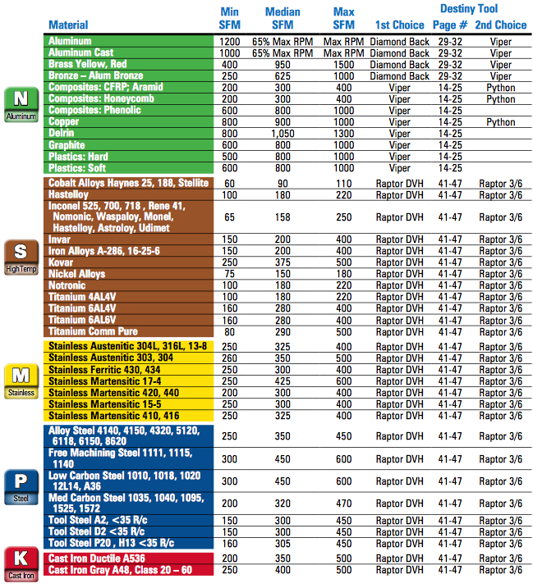
HEM Feeds and Speeds Calculator |  | SFM Look Up Chart: | How to use HEM Fees and Speeds Calculator:
Created by Shelby Ryan |  |  | 1. Select the material you plan on maching from the drop down menu
 | Input Variables: |  | 2. Enter the tool diameter in inches
Material: | Aluminum |  | 3. Enter the number of flutes on your tool
Tool Diameter (in): | 0.3750 |  | 4. Enter the correct SFM value for the given material from the SFM Look up chart
Number of Flutes: | 4 |  | 5. Select the radial width of cut from the drop down menu
Surface Feet per Minute: | 600.00 |  | 6. Enter the desired axial depth of cut. If unkown, enter the value located in B16
Radial Width of Cut (% Tool Diameter): | 20% Tool Diameter |  | 7. Enter the chip load in inch per tooth. Refference B27 and B28 for more information
Axial Depth of Cut (in): | 0.7500 |  | 8. Enter the max RPM of your machine
Chip Load (IPT): | 0.0015 |  | 9. Enter the output variables into your CAM software of choice, B18-B24
Machine Max RPM: | 6000
 | Calculated Values:
Actual RPM: | 6107
Actual Chip Load Per Tooth (IPT): | 0.0094
Adjusted Chip Load Per Tooth (IPT): | 0.0019
Recommended Axial Depth of Cut (in): | 0.3750
Recommended MMR (in^3/min): | 1.2656
 | Output Variables:
RPM: | 6000
Feed Rate (in/min): | 45.00
Ramp and Plunge Rate (in/min): | 15.75
Optimal Load (in): | 0.075
Cutting Power (HP): | 0.6328
Material Removal Rate (in^3/min): | 2.5313

Recommendations:
Tool Diameter < .5 ===> | Chip Load = 0.0002 to 0.002
Tool Diameter > .5 ====> | Chip Load = 0.002 to 0.003

Lookup Tables
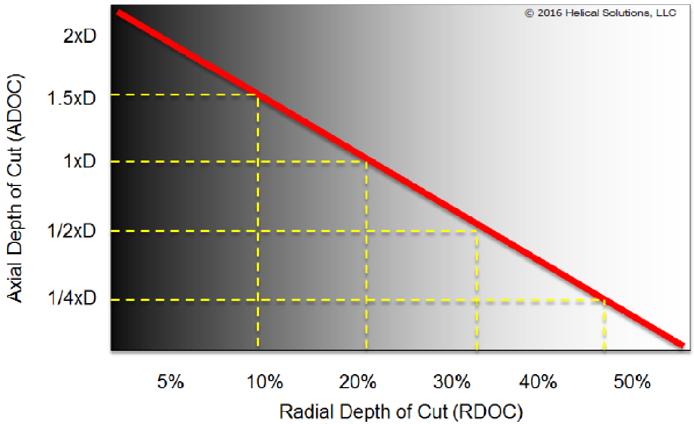
5% Tool Diameter | 0.05 | 1.65 | Aluminum | 0.25
10% Tool Diameter | 0.1 | 1.5 | Magnesium | 0.25
15% Tool Diameter | 0.15 | 1.25 | Copper | 0.5
20% Tool Diameter | 0.2 | 1 | Brass | 0.4
25% Tool Diameter | 0.25 | 0.75 | Bronze | 0.5
30% Tool Diameter | 0.3 | 0.5 | Steel(up to 150 Brinell) | 1.4
35% Tool Diameter | 0.35 | 0.425 | Steel(up to 300 Brinell) | 1.7
40% Tool Diameter | 0.4 | 0.375 | Steel(up to 400 Brinell) | 2
45% Tool Diameter | 0.35 | 0.33 | Steel(up to 500 Brinell) | 2.5
50% Tool Diameter | 0.5 | 0.165 | Gray Cast Iron | 0.5
 | 0.2 | 1 | Ductile Cast Iron | 0.56
 |  |  | Maleable Cast Iron | 0.67
 |  |  | Chilled Cast Iron | 1.67
 |  |  | High Tensile Alloys | 2.5
 |  |  | Titanium | 1.67
 |  |  | PH Series Stainless Steels | 1.33
 |  |  | 300 Series Stainless Steels | 1
 |  |  | High Temp Alloys | 2.5
 |  |  |  | 0.25

