Reference Tables
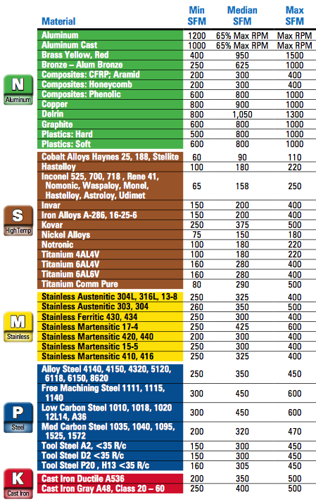
% Tool Diameter: |  | Axial Depth based on Width of Cut: | Material machinability Ratings: |  |  | SFM Reference Table:
5% Tool Diameter | 0.05 | 1.65 | Aluminum | 0.25 | 1200
10% Tool Diameter | 0.1 | 1.5 | Magnesium | 0.25 | 1000
15% Tool Diameter | 0.15 | 1.25 | Copper | 0.5 | 800
20% Tool Diameter | 0.2 | 1 | Brass | 0.4 | 400
25% Tool Diameter | 0.25 | 0.75 | Bronze | 0.5 | 250
30% Tool Diameter | 0.3 | 0.5 | Steel(up to 150 Brinell) | 1.4 | 300
35% Tool Diameter | 0.35 | 0.425 | Steel(up to 300 Brinell) | 1.7 | 300
40% Tool Diameter | 0.4 | 0.375 | Steel(up to 400 Brinell) | 2 | 250
45% Tool Diameter | 0.35 | 0.33 | Steel(up to 500 Brinell) | 2.5 | 150
50% Tool Diameter | 0.5 | 0.165 | Gray Cast Iron | 0.5 | 250
 | 0.4 | 0.375 | Ductile Cast Iron | 0.56 | 200
 |  |  | Maleable Cast Iron | 0.67 | 200
 |  |  | Chilled Cast Iron | 1.67 | 200
 |  |  | High Tensile Alloys | 2.5 | 65
 |  |  | Titanium | 1.67 | 130
 |  |  | PH Series Stainless Steels | 1.33 | 250
 |  |  | 300 Series Stainless Steels | 1 | 260
 |  |  | High Temp Alloys | 2.5 | 65
 |  |  |  | 0.25 | 1200

