Sheet1
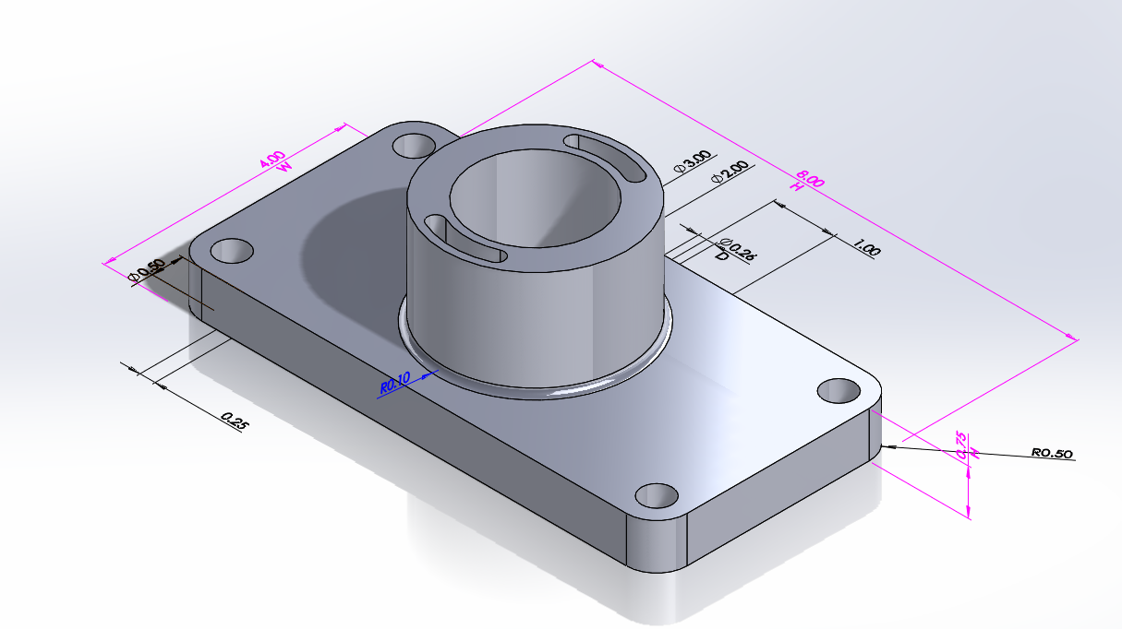
Design Table for: Part2
 | D1@Sketch1 | D2@Sketch1 | D1@Boss-Extrude1 | $STATE@Boss-Extrude3 | D5@Sketch1 | D11@Sketch1
First Instance | 8 | 4 | 0.75 | U | 0.5 | 0.5
Secound Instance | 10 | 6 | 0.75 | U | 0.5 | 0.5
Third Instance | 8 | 4 | 0.5 | U | 0.5 | 0.5

