Tabelle1
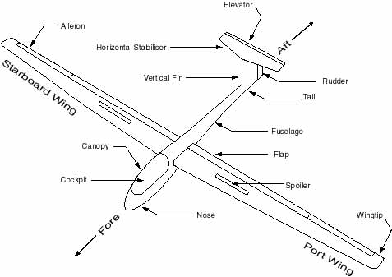
 |  | A | B | C | D | E | F | G | H | I | J | K | L | M | N
Fuselage | A | A | X |  | X | X |  | X |  |  | X | X
Tow Hook @ front | B | X | B
Landing Gear Wheel | C |  |  | C | X
Landing Gear Wheel Reracting Assembly | D | X |  | X | D
Vertical Tail (Fin) | E | X |  |  |  | E | X | X
Rudder | F |  |  |  |  | X | F |  |  | X
Horizontal Tail | G | X |  |  |  | X |  | G | X
Elevator | H |  |  |  |  |  |  | X | H | X
Controls / Cockpit | I |  |  |  |  |  | X |  | X | I |  |  | X | X
Canopy | J | X |  |  |  |  |  |  |  |  | J
Wings (left & right) | K | X |  |  |  |  |  |  |  |  |  | K | X | X | X
Ailerons | L |  |  |  |  |  |  |  |  | X |  | X | L
Drive Brakes / Spoiler | M |  |  |  |  |  |  |  |  | X |  | X |  | M
Winglets / Wingtip | N |  |  |  |  |  |  |  |  |  |  | X |  |  | N

