Tabelle1
 |  | A | J | B | D | E | G | K | C | F | H | N | L | M | I
Fuselage | A | A | X | X | X | X | X | X
Canopy | J | X | J
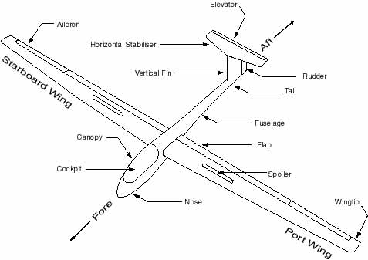
Tow Hook @ front | B | X |  | B
Landing Gear Wheel Reracting Assembly | D | X |  |  | D |  |  |  | X
Vertical Tail (Fin) | E | X |  |  |  | E | X |  |  | X
Horizontal Tail | G | X |  |  |  | X | G |  |  |  | X
Wings (left & right) | K | X |  |  |  |  |  | K |  |  |  | X | X | X
Landing Gear Wheel | C |  |  |  | X |  |  |  | C
Rudder | F |  |  |  |  | X |  |  |  | F |  |  |  |  | X
Elevator | H |  |  |  |  |  | X |  |  |  | H |  |  |  | X
Winglets / Wingtip | N |  |  |  |  |  |  | X |  |  |  | N
Ailerons | L |  |  |  |  |  |  | X |  |  |  |  | L |  | X
Drive Brakes / Spoiler | M |  |  |  |  |  |  | X |  |  |  |  |  | M | X
Controls / Cockpit | I |  |  |  |  |  |  |  |  | X | X |  | X | X | I

