Sheet1
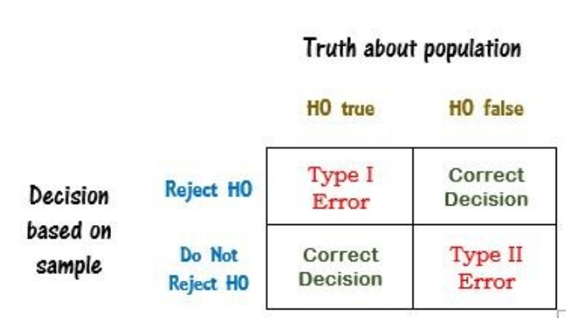
Confusion Matrix
 | Predicted
Actual |  | TRUE | FALSE
 | TRUE | TP | FN (Type 2)
 | FALSE | FP (Type 1) | TN

