Sheet1
1 | 2 | 3
 | werwer | wrewr | werwr
 | asfd
 |  |  | 23
 | aasdf
 | 234 | dfas | as | sfda
 | 234422
 | 234 |  | 2
 | 234 |  | 22344 |  | 42
 | 234 |  | 2 |  | 2342

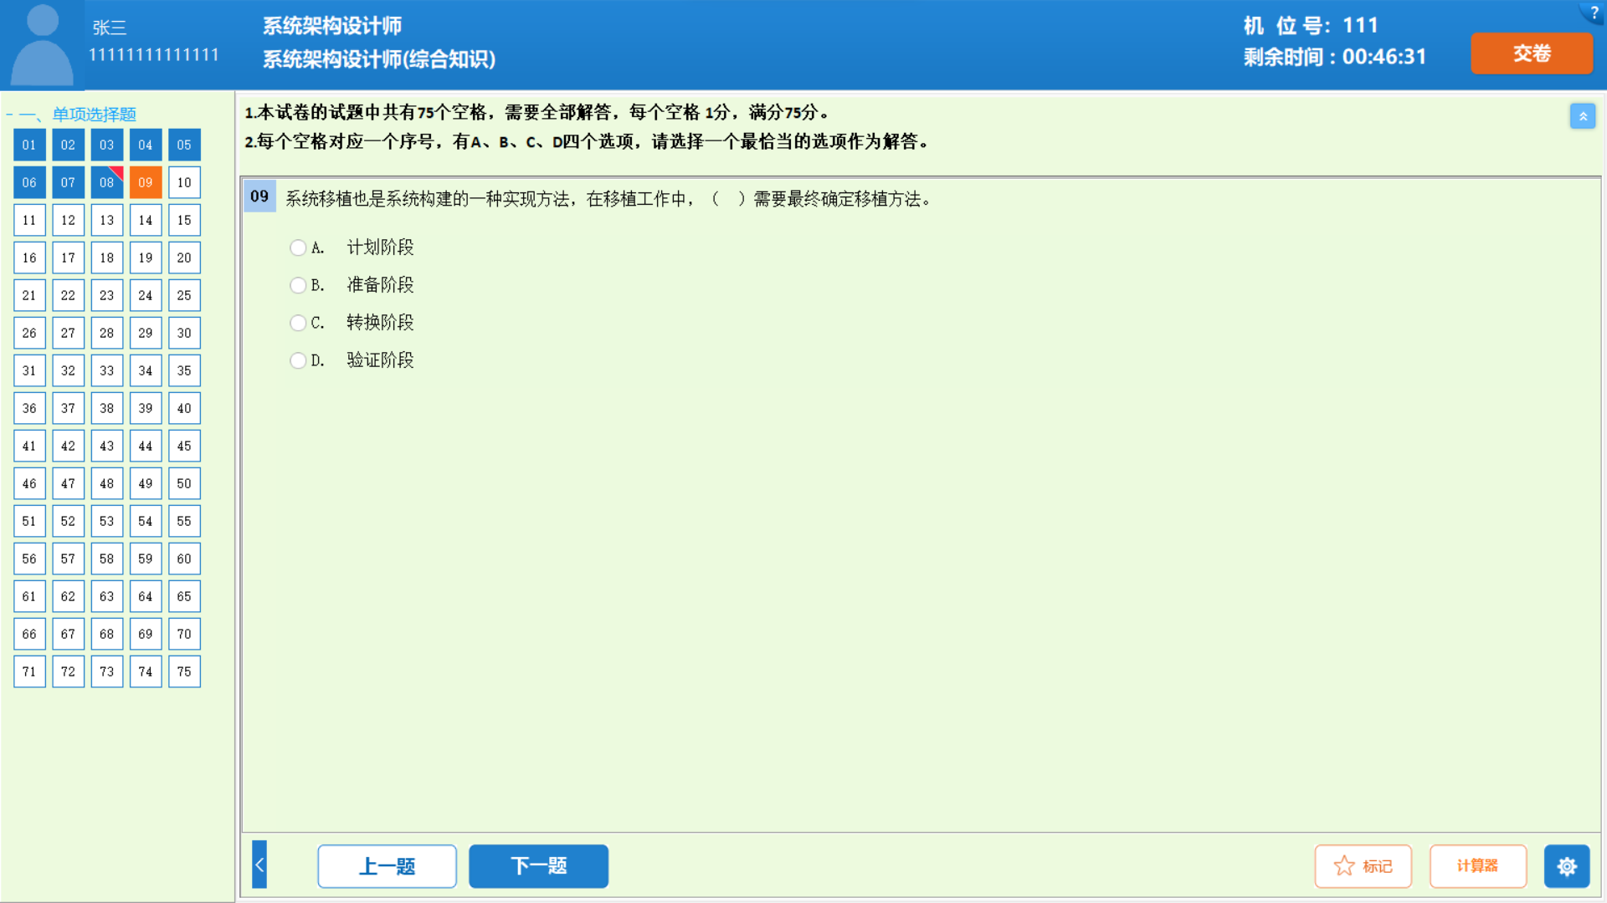
 |  |  |  |  |  |  |  | sfds
 |  | sfsf
 |  |  |  |  |  | sf | sf

