Sheet2
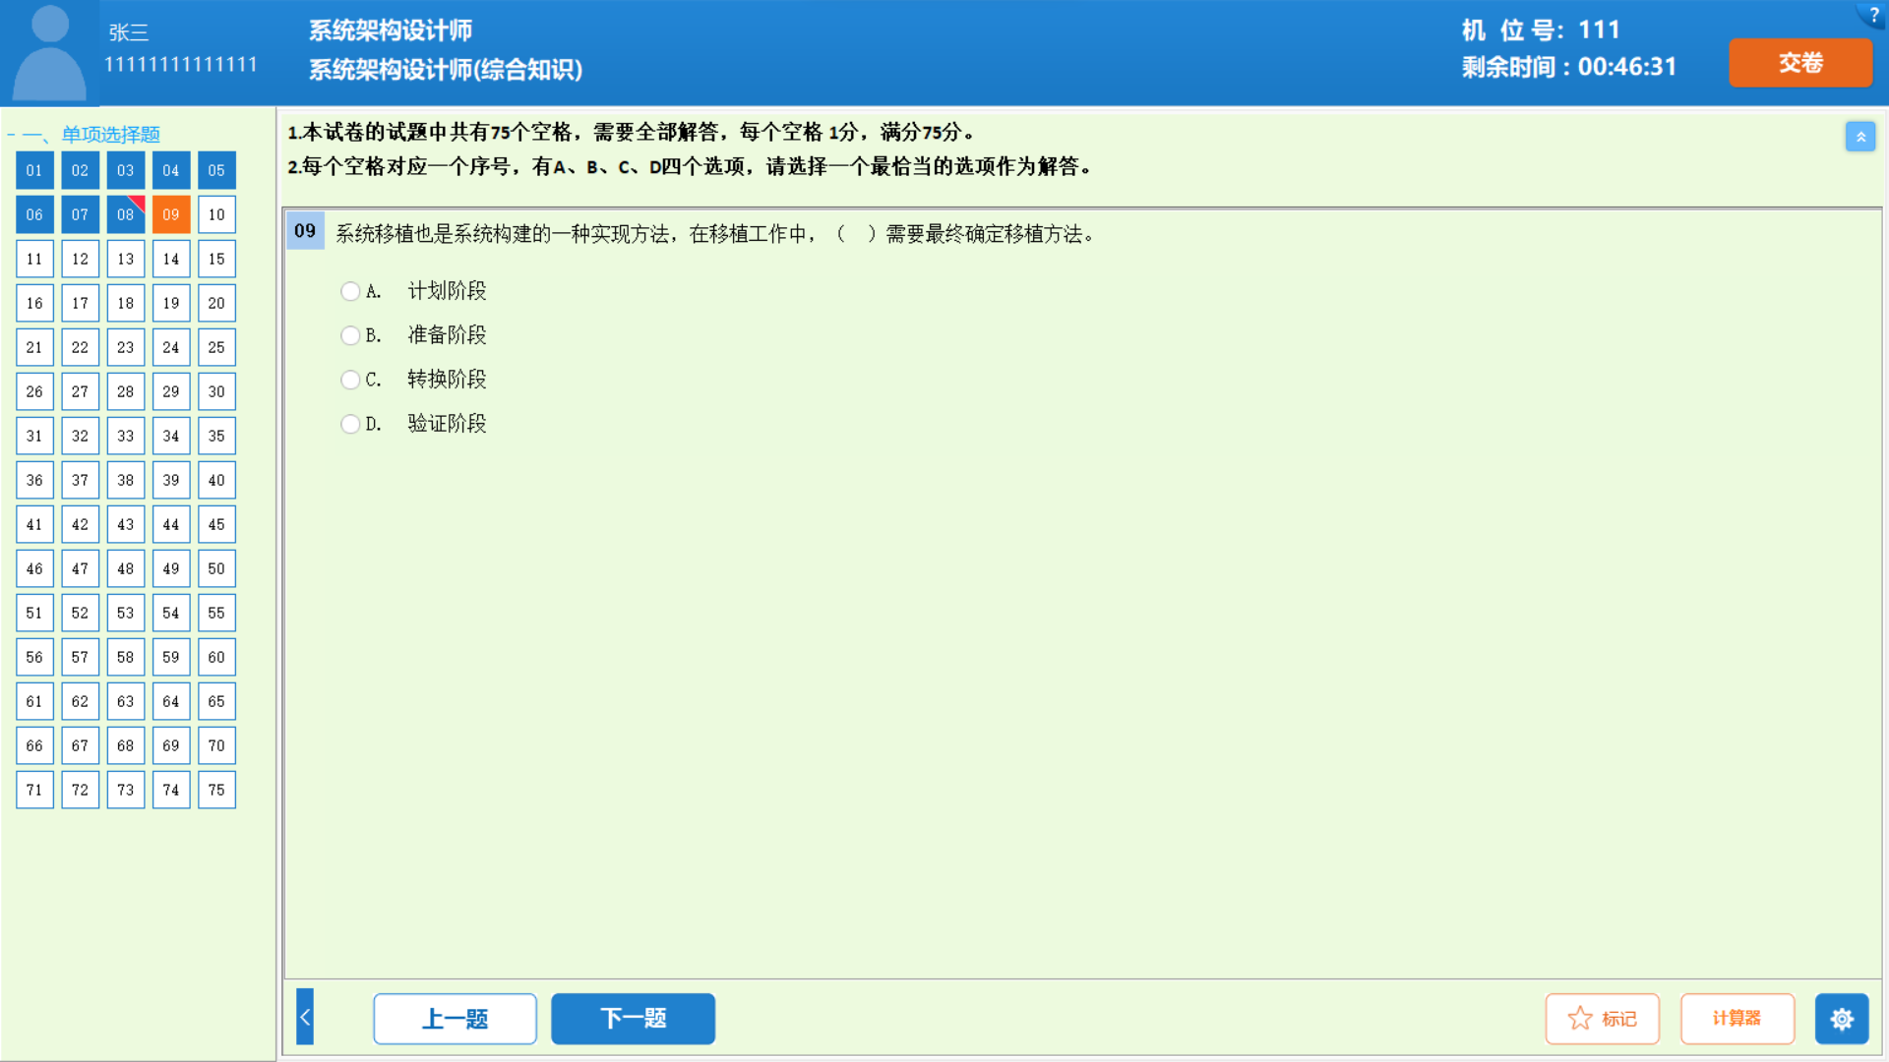
 | werwer

 |  |  |  |  | werwerwqre
 | sfs | egrg | sfsf | asfdasdfasf

asfaf

