0-Loads
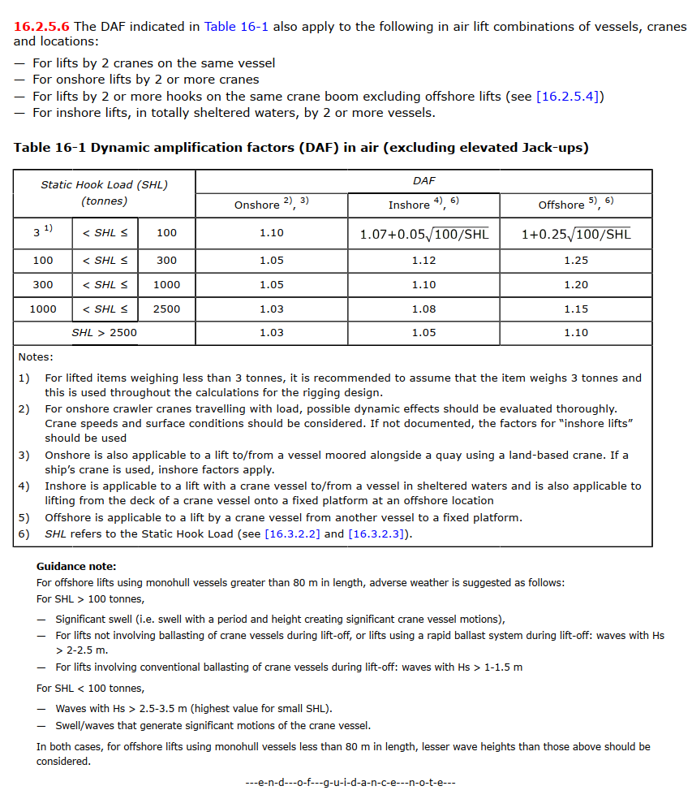
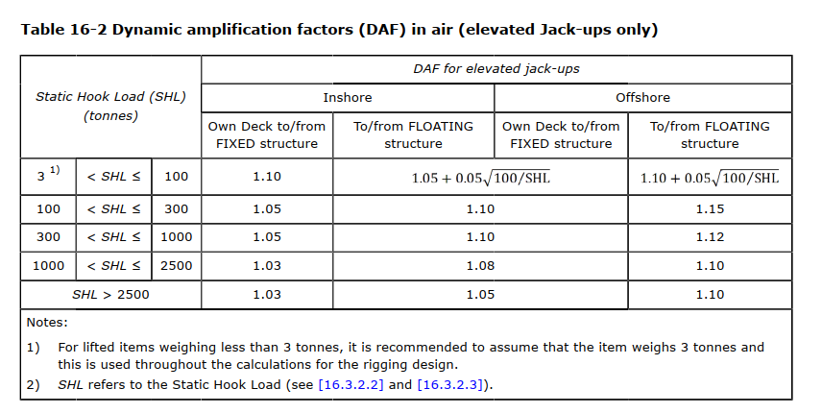
General input
Project
Report heading
Date
Author
Approver

Figure upload
Figure file name |  |  | Optional

Static hook load |  | Comments put here will be added to the report: | Comments put here will not be added to the report
Weight of object (t) | W_lift
Weight inaccuracy factor | y_con
Weight of lift rigging (t) | W_rig
Special weights (t) | W_special
Static hook load (kN) | SHL

Dynamic hook load
DAF | DAF
DAF (calculated) | DAF | Calculated as per DNV-ST-N001 16.2.5.5 | Only used if input cell in row above is left blank. Check DNV to ensure correct formula is used
Dynamic hook load (kN) | F_hook | SHL * DAF

Sling loads
Direct input from analysis:
Leg 1 max. dynamic load (kN) | F_leg1
Leg 2 max. dynamic load (kN) | F_leg2
Leg 3 max. dynamic load (kN) | F_leg3
Leg 4 max. dynamic load (kN) | F_leg4
Calculated:
Leg quantity | n_leg |  | Only used if no direct input is given (if all input cells above are left blank)
Leg angle to horizontal (deg) | leg_beta |  | Only used if no direct input is given (if all input cells above are left blank)
CoG shift factor | CoG_sf |  | Only used if no direct input is given (if all input cells above are left blank)
Skew load factor | SKL |  | Only used if no direct input is given (if all input cells above are left blank)
Leg max. dynamic load (kN) | F_leg |  | Only used if no direct input is given (if all input cells above are left blank)

Other comments to be added to the report:

1-SlingRopeWire
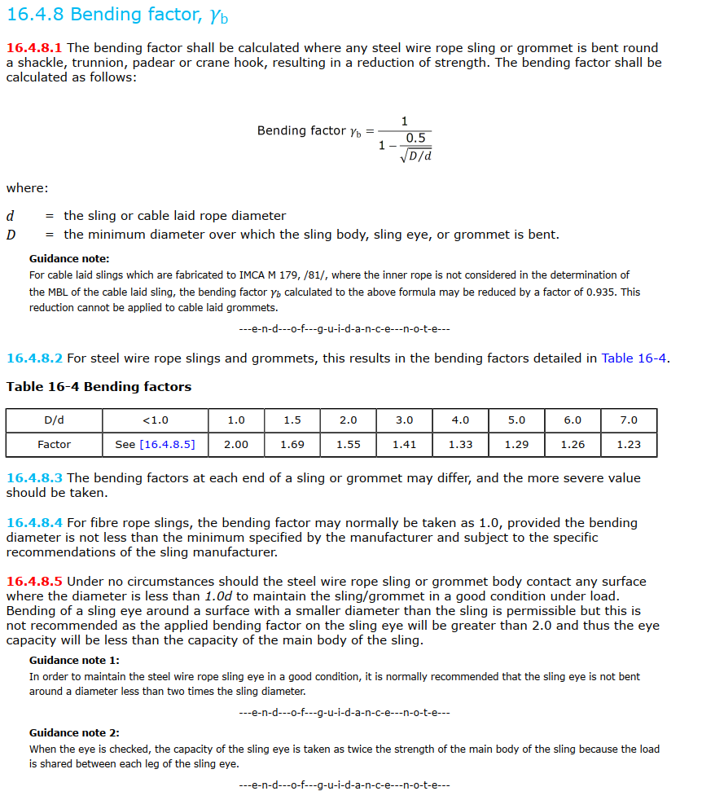
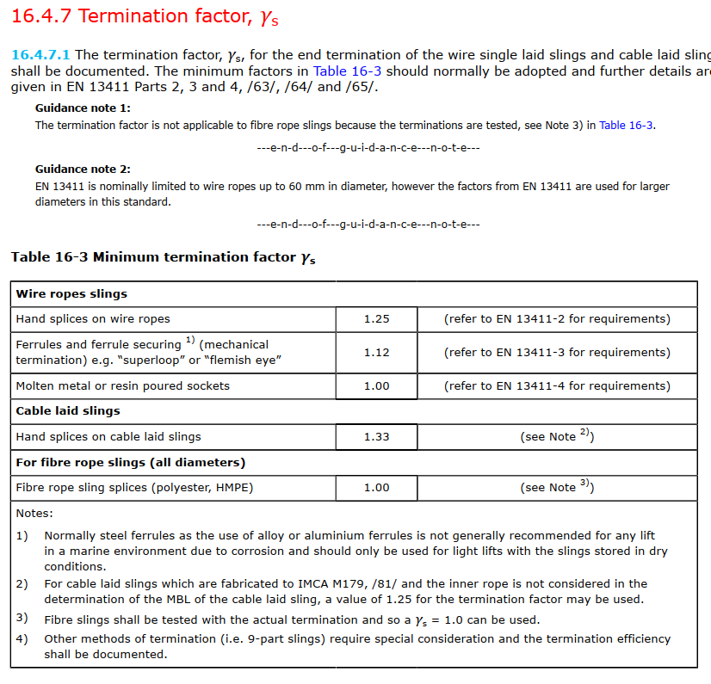
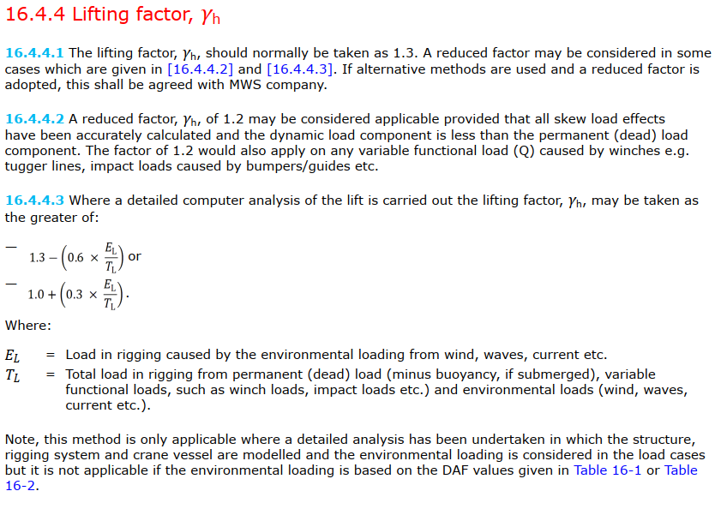
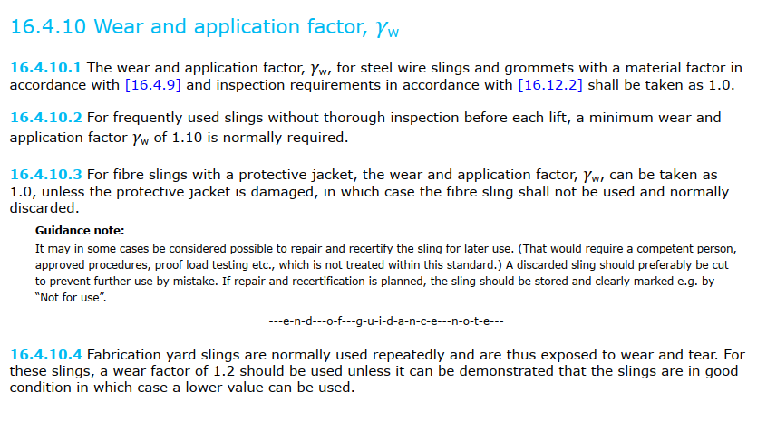
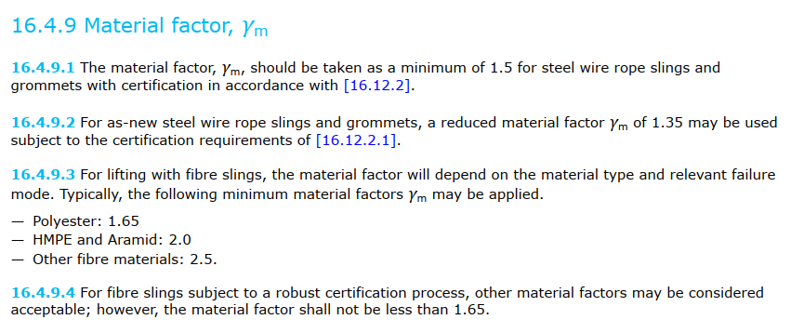
Slings, ropes, wire, chain

 | Header |  |  |  | F_hook
 | Item no. | - |  |  | F_leg1
 | Item description | - |  |  | F_leg2
 | Detailed description |  |  |  | F_leg3
 |  |  |  |  | F_leg4
 | Figure upload |  |  |  | F_leg
 | Figure file name | - | Optional

 | General |  | Comments put here will be added to the report: | Comments put here will not be added to the report
 | Minimum breaking load (kN) | MBL
 | Material | -
 | Termination | -
 | Bending diameter (mm) | D |  | Leave blank if unused
 | Item diameter (mm) | d |  | Leave blank if unused
 | D/d | D/d |  | Leave blank if unused

 | Safety factors
 | Bending factor | γb | DNV-ST-N001 16.4.8 | Add calcuation as per DNV if required
 | Termination factor | γs | DNV-ST-N001 16.4.7
 | Sling reduction factor | γr | DNV-ST-N001 16.4.6
 | Lifting factor | γh | DNV-ST-N001 16.4.4
 | Consequence factor | γc | DNV-ST-N001 16.4.5
 | Material factor | γm | DNV-ST-N001 16.4.9
 | Wear factor | γw | DNV-ST-N001 16.4.10
 | Sling SF 1 | γsf1
 | Sling SF 2 | γsf2
 | Safety factor | SF | DNV-ST-N001 16.4.3.1

 | Loads
 | Max. dynamic load on item (kN) | F_hook
 | Shape factor | y_LF
 | Requred MBL (kN) | MBL_R

 | Utilization ratio | UF | UF > 1 Not OK

 | Other comments to be added to the report:

