A03-main
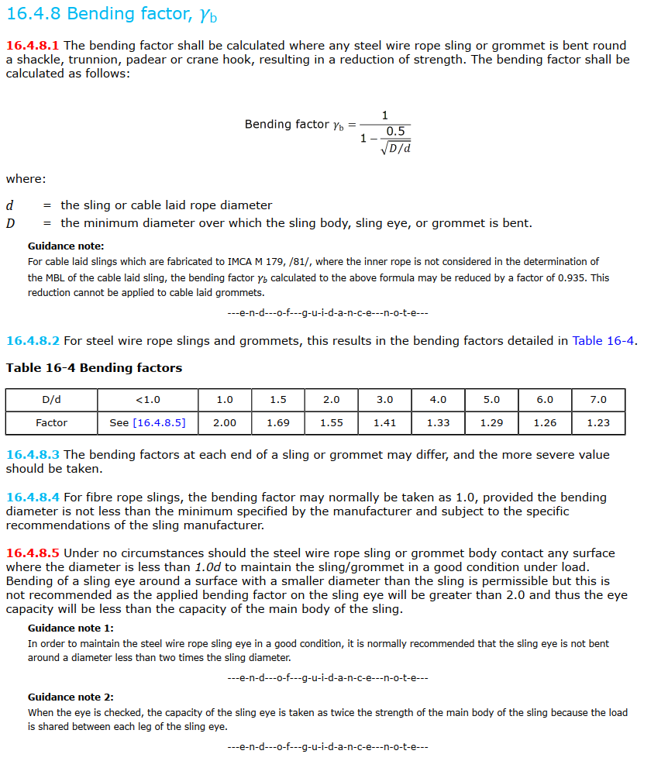
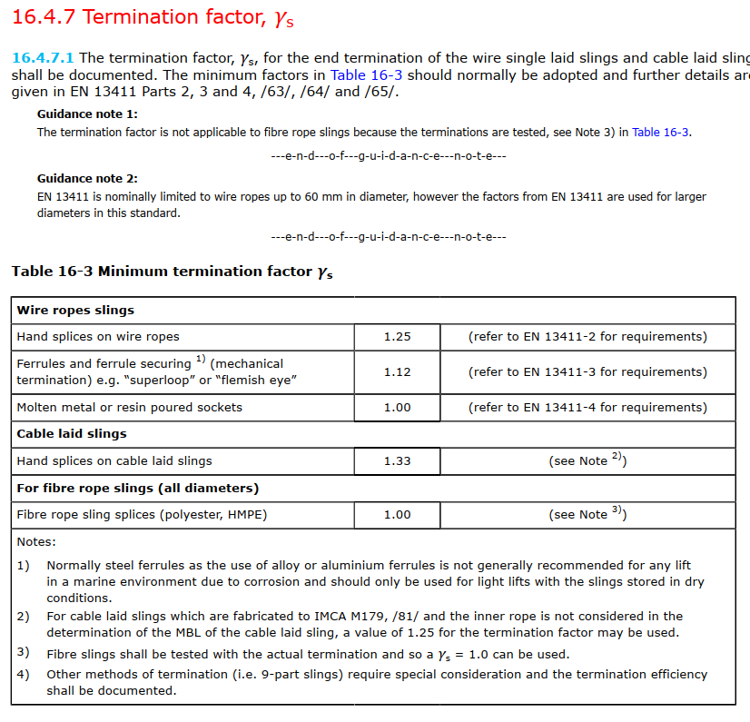
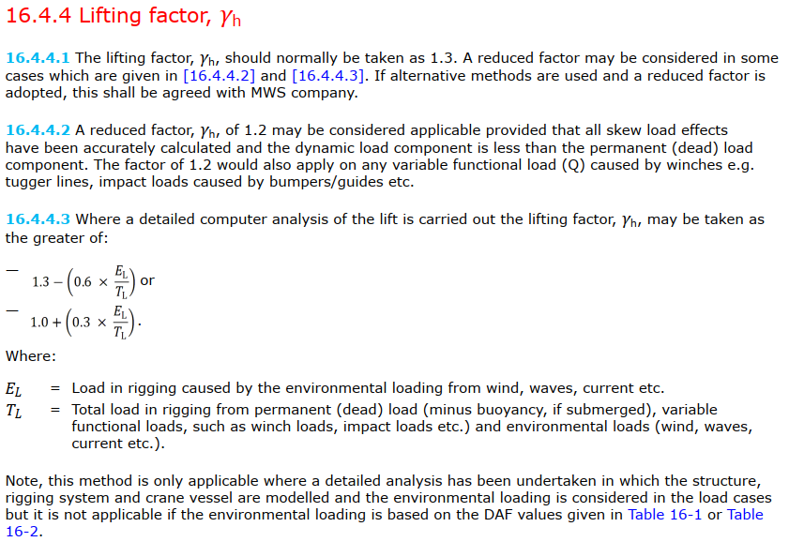
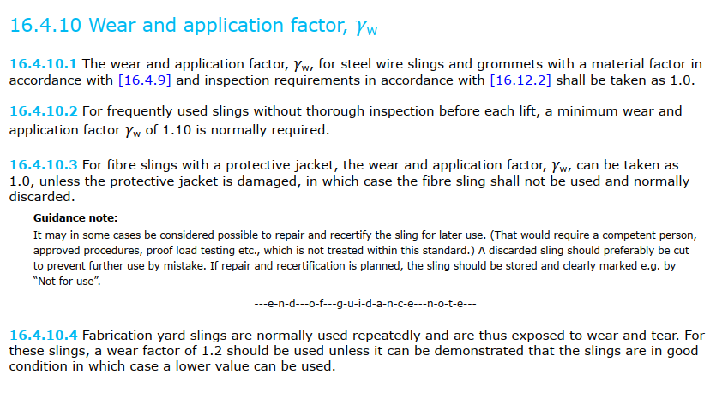
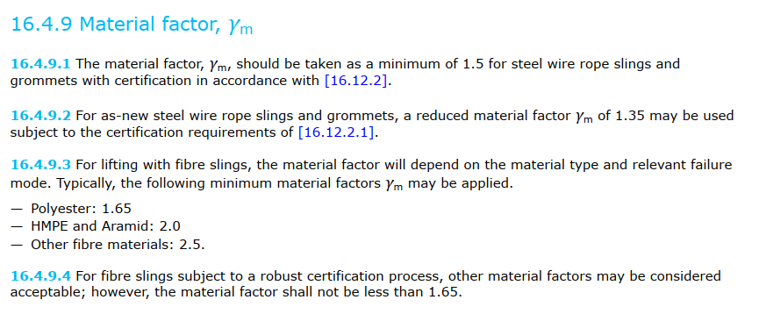
Slings, ropes, wire, chain

 | Header |  |  |  |  | F_hook
 | Item no. | - | A03-main |  |  | F_leg1
 | Item description | - | Wire rope 66mm |  |  | F_leg2
 | Detailed description |  | Wire Rope Steel Kiswire Netpune Offshore 1960N/mm^2, Ø66mm , HE-HE |  |  | F_leg3
 |  |  |  |  |  | F_leg4
 | Figure upload |  |  |  |  | F_leg
 | Figure file name | -

 | General |  |  | Comments put here will be added to the report: | Comments put here will not be added to the report
 | Minimum breaking load (kN) | MBL | 3240.0
 | Material | - | Steel
 | Termination | - | Ferrule
 | Bending diameter (mm) | D | N/A | Straight - not applicable
 | Item diameter (mm) | d | N/A | Straight - not applicable
 | D/d | D/d | N/A | Straight - not applicable

 | Safety factors
 | Bending factor | γb | 1.0 | DNV-ST-N001 16.4.8 - Straight
 | Termination factor | γs | 1.12 | DNV-ST-N001 16.4.7.1 Wire rope slings with Ferrule
 | Sling reduction factor | γr | 1.12 | DNV-ST-N001 16.4.6
 | Lifting factor | γh | 1.3 | DNV-ST-N001 16.4.4
 | Consequence factor | γc | 1.3 | DNV-ST-N001 16.4.5
 | Material factor | γm | 1.5 | DNV-ST-N001 16.4.9.1 Steel wire
 | Wear factor | γw | 1.0 | DNV-ST-N001 16.4.10
 | Sling SF 1 | γsf1 | 2.839
 | Sling SF 2 | γsf2 | 2.576
 | Safety factor | SF | 2.839 | DNV-ST-N001 16.4.3.1

 | Loads
 | Max. dynamic load on item (kN) | F_leg1 | 1139.47
 | Shape factor | y_LF | 1.0
 | Requred MBL (kN) | MBL_R | 1141.17

 | Utilization ratio | UF | 0.999 | UF < 1 OK

 | Other comments to be added to the report:

