Info
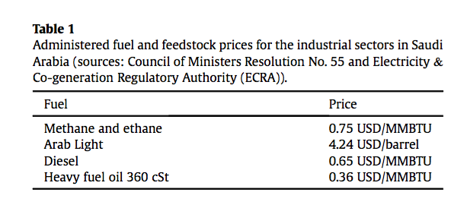
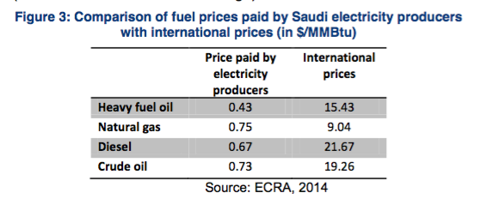
Edit Log:
9 May 2017 - Alix:
-Formatting + added multiple data sources
Todo:
-Verify subsidiezed prices based on sources below.
-Verify international prices (with EIA ?)
Source:
Source #1 - Table 1 (screenshot below):
Walid Matar, Rodrigo Echeverri, Axel Pierru. The prospects for coal-fired power generation in Saudi Arabia. (2016)
-subsidized prices + international prices from Ali Al-Heji (2015?)
Source #2 - Figure 3 (screenshot below):
Said Nachet and Marie-Claire Aoun. The Saudi electricity sector: pressing issues and challenges. (2015)
-both subsidizes + internation prices (2014?)
Source #3 - Linked
U.S Energy Information Agency - https://www.eia.gov/outlooks/steo/
-2016-2018 are estimates
Unit Conversions:
https://www.unitjuggler.com/convert-energy-from-kcal-to-MMBtu.html

