Glossary
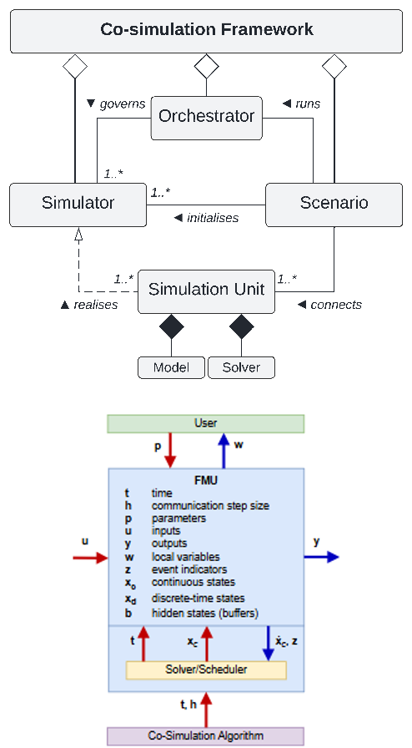
Concept | Definition | Author | linked to | Ref. Ontology/Standard | Notes | Category / Functional Layer
Co-simulation Framework | Software architecture able to perform simulation by coupling and managing standalone subsystems (Simulators) while using their native domain-specific tools and languages in a black-box manner in a shared and distributed simulation environment. The co-simulation approach takes care of time synchronisation and data exchange management between the simulators and the shared simulation environment through the orchestrator algorithm in order to achieve the given Scenario. | Daniele | Simulator |  |  | Co-simulation Layer
Orchestrator | The orchestrator, or master algorithm, is a software that is responsible for threefold main tasks: i) to instantiate and initialise all the simulators with the appropriate starting conditions and parameters; ii) to synchronise the time of the simulators and coordinates their progression throughout the simulation time; iii) to manage data and events exchange between the simulators by setting/getting their inputs/outputs. | Daniele |  |  |  | Co-simulation Layer
Simulator | It is a software package that handles one or more simulation units of particular subsystems and provides functions for multiple instantiation, initialisation, advancing time and data propagation among the simulators. In general, the simulator should be capable of execute the model calling the following functions: initialization(), instantiation(), set_data(), do_step(), get_data(), terminate() | Daniele |  |  |  | Co-simulation Layer
Simulation Unit | It represents a subsystem composed by a model and a solver. | Daniele |  |  |  | Co-simulation Layer
Model | It is a representation of a subsystem with a certain level of detail, abstraction and perspective defined by its formal language, structure, characteristics, input variables, and parameters, and interpreted by a solver. | Daniele |  |  |  | Co-simulation Layer Modelling Layer
Solver | It is a software or library the solves a (mathematical) problem. In particular, it is generally specialised in solving a particular and domain-specific problem taking a formal problem description, i.e. the model, and calculating its solution | Daniele |  |  |  | Co-simulation Layer
Scenario | A set of background assumptions on the system, sub-systems, and its environment that put a Use Case (or a group of Use Cases) in a certain context. | Daniele |  |  |  | Co-simulation Layer
Use Case | It defines a user’s view (actors, stakeholders) thorugh interactions with (and within) the system to achieve a specific goal/outcome . | Daniele |  |  |  | Usage Layer
System | A set of interrelated or interacting elements. The term System is used in the ISO/IEC/IEEE 42010:2022 to refer to entities whose architectures and behaviours are of interest. The entities may be configured with one or more of the following: hardware, software, mathematics, data, humans, processes (e.g., processes for providing service to users), procedures (e.g. operator instructions or control strategies), facilities, materials, and naturally occurring entities. | Daniele |  | ISO/IEC/IEEE 42010:2022 |  | Architecture Layer
Architecture | Fundamental concepts or properties of a System in its environment embodied in its elements, relationships, and in the principles of its design, functionality, and evolution. Following ISO/IEC/IEEE 42010:2022. | Daniele |  | ISO/IEC/IEEE 42010:2022 |  | Architecture Layer
Case Study | Study and implementation of the system or sub-system with the aim of verifying or build the theoretical models, algorithms, and show its applications | Daniele |  |  |  | Usage Layer
Semantic Layer | Maps data to concepts, dimensions, measures, models, and results | Daniele |  |  |  | Ontology
Terms | List of Business Terms | Daniele |  |  |  | Ontology
Glossary | Terms + Definitions List of terms and their definitions, often used to align understanding across teams. Controlled Vocabulary | Daniele |  |  |  | Ontology
Thesaurus | A controlled Glossary used to map ambiguous words (terms) to discrete meanings (concepts). | Daniele
Taxonomy | Glossary + Hierarchical Structure A hierarchical classification system that organizes concepts into parent-child relationships | Daniele |  |  |  | Ontology
Ontology | Taxonomy + Relationtioships A formal model of concepts, attributes, relationships, and axioms within a domain, enabling shared understanding and reasoning | Daniele |  |  |  | Ontology
Knowledge base | Ontology + Data A formal model of concepts, attributes, relationships, and axioms within a domain, enabling shared understanding and reasoning | Daniele |  |  |  | Ontology
Competency questions | Ontology Development approach Competency questions are user-oriented interrogatives that allow us to scope our ontology. In other words, they are questions that our users would want to answer by exploring and querying the ontology and its associated knowledge base. | Daniele |  |  |  | Ontology

