ALL_DATA
 | Demand (if not specified <=> constant) |  |  | Weather (c_p_t) |  |  |  |  | Transport
 | Power | Heat | Transport |  |  |  |  |  | Private Mobility | Public Mobility | Freight Mobility
 | Lighting and co | SH | Private car | SUN | Wind_onshore | Wind_offshore | Hydro River | SUN thermal | https://www.fhwa.dot.gov/policy/2013cpr/chap1.cfm | https://www.fhwa.dot.gov/policy/2013cpr/chap1.cfm | No source
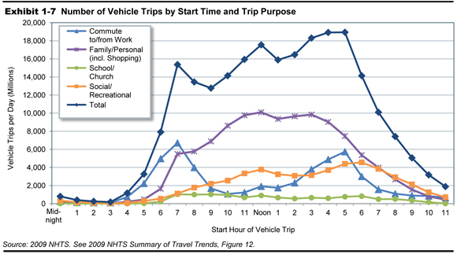
Units | norm[TWh] | norm[TWh] | norm[TWh] | norm[TWh] | norm[TWh] | norm[TWh] | norm[TWh] | norm[TWh] | norm[km-pers] | norm[km-pers] | norm[km-pers]
1 | 9.1237085331E-05 | 0.00013126979432 | 5.8741981719E-06 | 0 | 0.15775806 | 0.714385004 | 0.36808783678 | 0 | 5.8741981719E-06 | 5.8741981719E-06 | 0.00011415525114
2 | 7.1444710038E-05 | 0.00012296157949 | 2.3496792688E-06 | 0 | 0.182757837 | 0.691529767 | 0.36783969625 | 0 | 2.3496792688E-06 | 2.3496792688E-06 | 0.00011415525114
...

