rater_test.csv
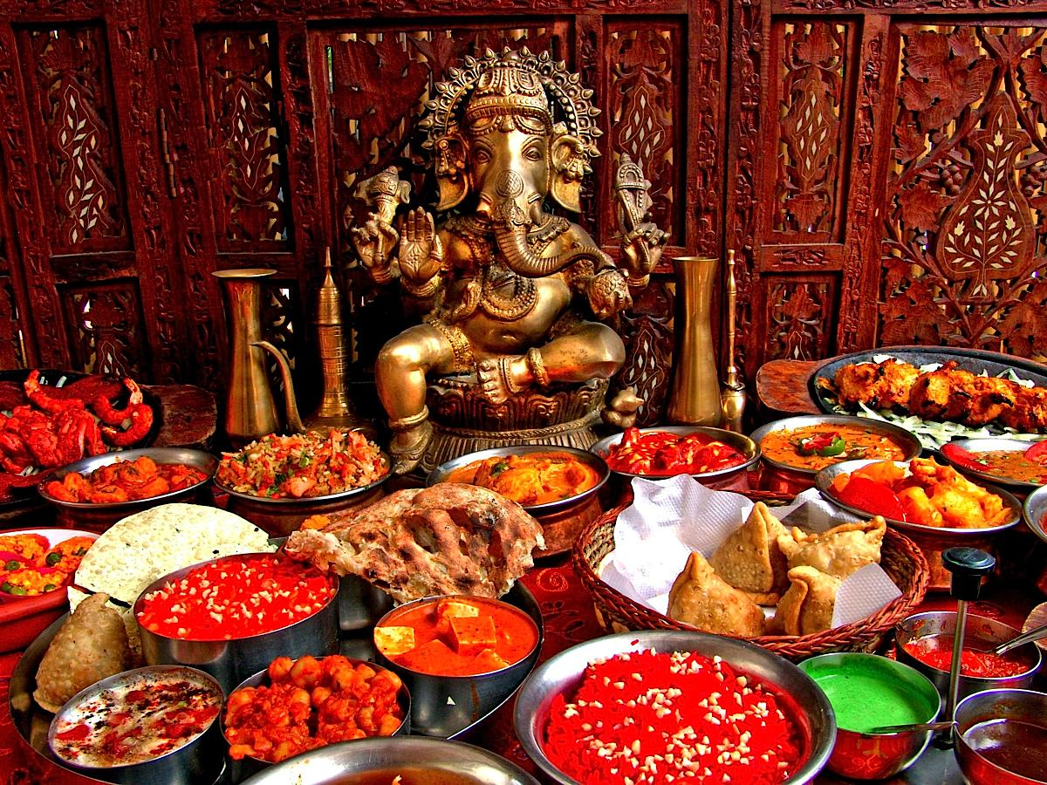
Instructions
1) In the column "Can you eat it?" indicate whether you can eat the item reperesented by the original word. Remember, it isn't enough that the word is food-related; it must represent an edible item. Indicate food items as "y" and leave non-food labels blank.
2) The column "Replacement" replaces (probably) misspelled words with a guess of what was intended. This is an automated process and it can be wrong. If a replacement seems to deviate from what you think was originally intended, then indicate what you think was actually intended under "If wrong, your correction". If the replacement is correct, leave the space blank. If you are unable to decide what the original intention was, leave the space blank.
The images that were being labeled are included to help you interpret the labels.
Thanks for your help!

Can you eat it? | Original Label | Replacement | If wrong, your correction
 | glorious
 | indian
 | festival
y | pop
 | sri
y | cake
 | customary
 | fragrant
 | adorable
 | flavorful
 | enjoy
 | goddess
y | raita
 | celebrate
y | pakodas | pakoras
 | buda | bura | buddha
 | wedding
y | paste
 | ideal
 | basin
 | country
y | kumkuma
 | gold
 | abundance
 | choice
 | exotic
y | shrimp
 | na
 | jangri | bangui
 | aesthetic
 | bounty
 | adventurous
 | combo
 | natural
 | high
 | ethnic
 | aztec
 | success
 | complicated
y | kesar | kesari
 | chathurthi | chat hurt hi
 | different
 | superb
 | beautiful
 | royal
y | fat
 | several
 | enjoyable
 | poojas | pooja | puja
y | chicken

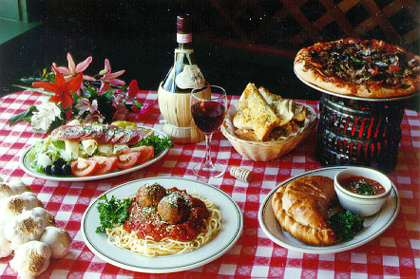

Can you eat it? | Original Label | Replacement | If wrong, your correction
y | jam
 | based
 | yahoo
 | mafia
 | fun
 | sleepy
 | want
y | ginger
y | blueberry
 | checkboard | chessboard | checkerboard
 | vacation
 | meet
 | tomatoey
y | sphagetti | spaghetti
 | arrangement
 | flower
 | comfortable
 | salivating
y | pasta
y | dumbpling | dumpling
 | cheer
y | spagetti | spaghetti
 | desierable | desirable
 | picturesque
y | cassaroe | cassareep | cassarole
 | smooth
 | candle
 | platter
 | bowl
 | hotel
 | edible
 | carefree
 | eating
y | spegetti | spaghetti
 | nutritious
 | friend
y | vino
y | oregano
 | delightful
 | crunchy
 | going
 | celebration
 | airy
 | taste
y | salat |  | salad
y | garlic
 | pattern
 | awesome
y | pizz | pizza
 | quiet

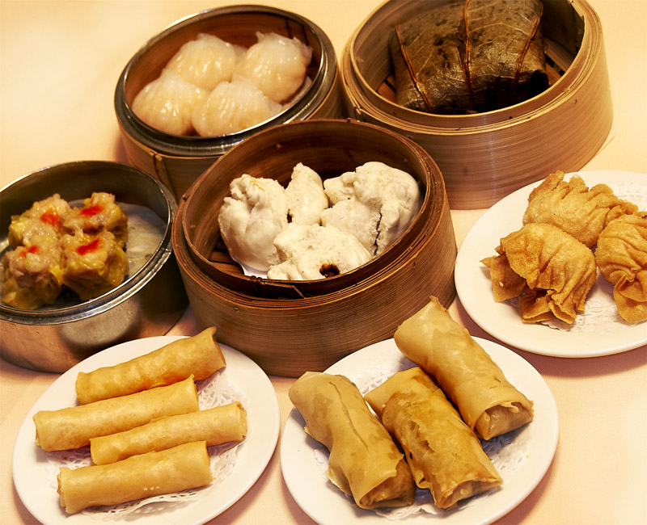

Can you eat it? | Original Label | Replacement | If wrong, your correction
 | eat
 | edible
 | delightful
y | fat
 | variety
 | franky | cranky
 | take
y | oyster
 | tasteless
y | pop
 | lean
y | kachori | kasoori
 | great
y | pakoda | pagoda | pakora
 | party
y | lemon
y | apeteizers | appetizers
 | drizzled
 | watering
y | lettuce
y | meal
 | dull
y | mommus | momos | hummus
 | metal
 | comfort
 | cook
 | steam
 | buttery
 | please
 | small
 | exciting
y | mgt | meat
 | battered
 | happy
 | prepare
 | steaming
 | recepie | recipe
 | lip
 | chinnesse | chinese
 | fine
 | break
 | increase
 | asian
y | sarma
 | delishious | delicious
 | lumpa | lumpy
 | portion
y | pakkoda | pagoda | pakora
y | vegetable
 | delicious

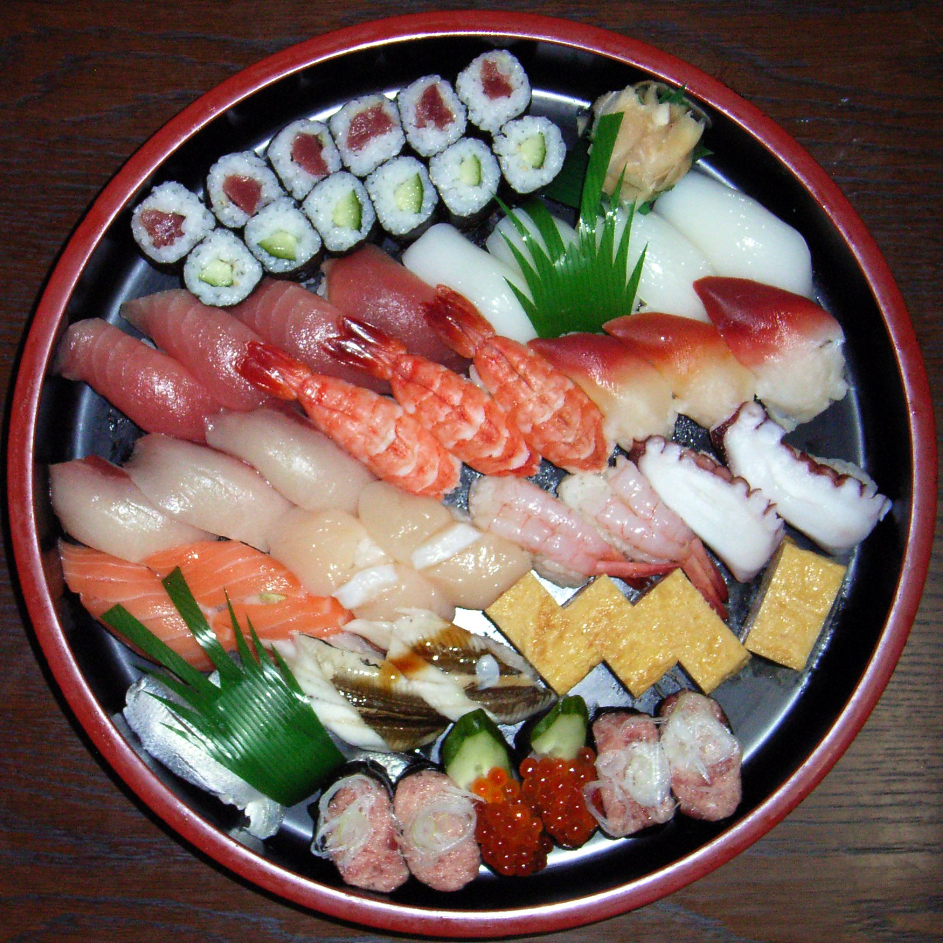

Can you eat it? | Original Label | Replacement | If wrong, your correction
 | elegant
y | jangiry | langtry | jangiri
y | cocktail
 | fatty
y | salmon
 | native
 | creative
 | lovely
y | cucumber
 | smooth
y | tamago
 | nonveg | non veg
 | special
y | handrolls | and rolls | hand rolls
y | unagi
y | spicysauce | spicy sauce
 | cooking
y | foor | food
 | dirverse | diverse
 | eastern
 | tidy
 | intricate
 | delectable
y | roe
 | buffet
 | wet
y | seafood
 | indian
 | eat
 | nice
 | colour
 | asian
 | plentiful
 | folic
y | milk
y | nigirizushi | nigiri sushi
 | black
 | scary
y | rice
 | many
y | jaangri |  | jangiri
 | plated
 | adorable
 | adventurous
y | slad | salad
 | gourmet
 | fancy
 | mannerly
 | sonpapdi | son padi
 | crackle

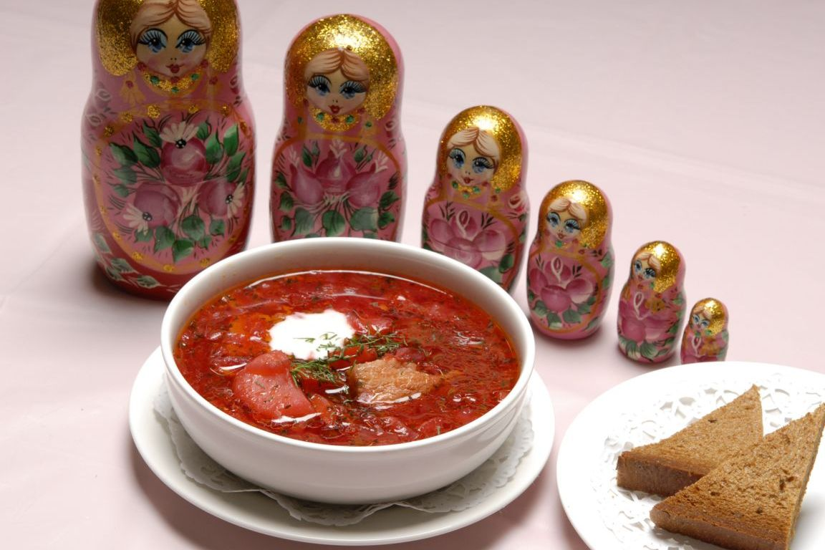

Can you eat it? | Original Label | Replacement | If wrong, your correction
 | set
y | salad
y | edoes | redoes | edoes
 | traditional
 | signature
 | curried
 | cup
 | presentation
 | mediteranean | mediterranean
 | recipies | recipe
 | organic
 | ornate
 | unknown
 | unusual
y | pasta
 | rusk
y | beetroot
 | hidden
 | look
y | calorie
 | potent
y | beet
 | classic
 | boring
 | statue
y | redchilly | red chilly
 | useful
 | delicacy
 | gm
 | forign | foreign
 | pink
 | smelly
 | paneer
 | harm
 | sustenance
 | likeable
 | presented
 | strong
 | easter
y | bread
 | resturant | restaurant
y | egg
y | lunch
 | chunky
 | idea
 | oily
 | robust
 | marvelous
y | gespacho | gazpacho
 | savory

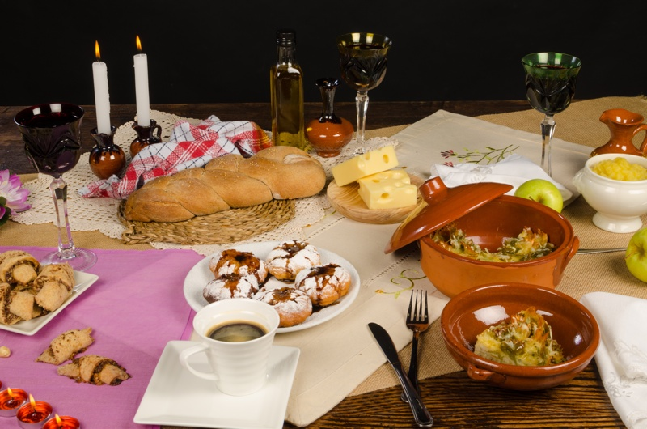

Can you eat it? | Original Label | Replacement | If wrong, your correction
y | cream
 | decadence
 | tablesetting | table setting
 | italian
y | butter
y | pani |  | pane (translation of bread in italian)
y | sufganiyah | sufganiyot | sufganiyah
y | cappucino | cappuccino
 | steamed
 | cultured
y | pineapple
 | basic
 | winecup | wine cup
 | sweat
y | salad
y | muffin
 | tiffin
 | traditional
 | moroccan
 | like
 | soiree
 | still
 | setting
y | bloccheese | bloc cheese
y | coffe | coffee
 | fattening
 | outdoors
 | bakery
 | morning
 | non
 | comforting
 | western
y | curry
 | homecooked | home cooked
y | desert |  | dessert
 | fall
 | candel | candle
 | candledinner | candle dinner
y | applesauce
 | lavish
y | pork
 | posh
 | great
 | sexy
 | dinnerware
 | claypot | clay pot
 | clean
 | vessel
 | glases | glass
 | oeuvre

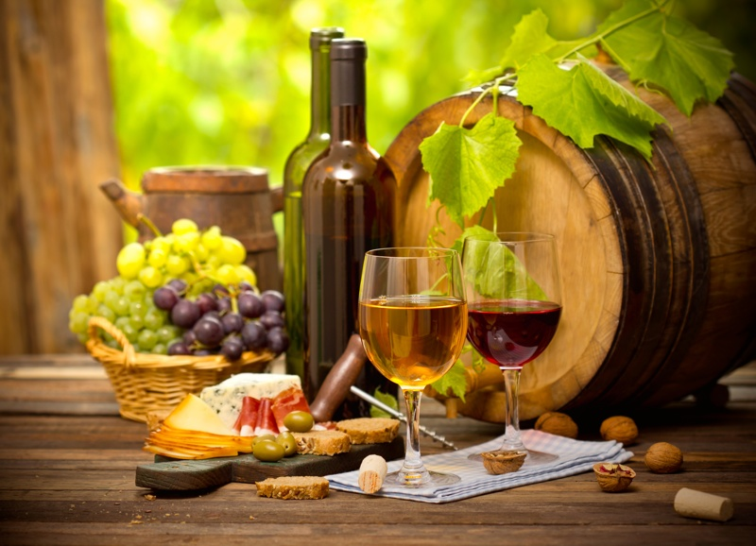

Can you eat it? | Original Label | Replacement | If wrong, your correction
 | bright
 | quiet
 | selection
 | healthy
 | popular
y | apricot
 | greeny | green
 | gathering
 | evening
 | toddy
 | grapevine
 | paper
 | friendship
 | vacation
 | work
 | amber
 | d
 | wealthy
 | pottle
 | aroma
 | artistic
 | alcoholic
 | air
 | winetasting | wine_tasting
 | fancy
 | snake
y | piztha | pith | pizza
 | discussion
y | dinner
 | delight
 | fragrant
 | indulgance | indulgence
 | lunchdate | lunch date
 | mediterranean
 | midday
 | date
 | delicious
y | sample
 | testy
 | pleasing
 | whin
 | serve
 | indulge
 | yummy
 | quick
y | lunch
 | outdoots | outdoors
 | entice
 | celebration
 | foreign

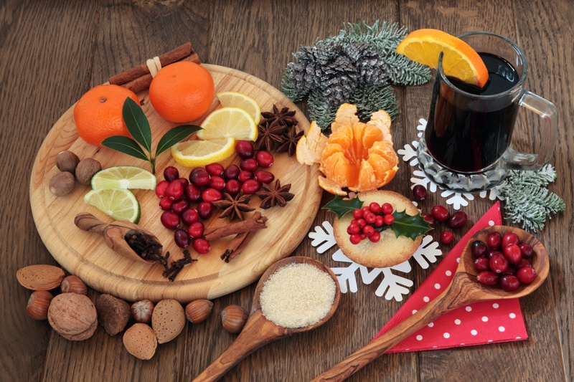

Can you eat it? | Original Label | Replacement | If wrong, your correction
 | joyous
 | colorfull | colorful
 | love
y | graps | grape
 | plain
 | smell
 | gathering
y | susan | sugar
 | hosting
y | snack
y | redfruits | red fruits
 | merry
 | interesting
 | platter
 | theme
 | random
y | prune
y | citius | citrus
y | cinniamon | cinnamon
y | berrey | berry
y | herb
 | decetation | decoration
 | art
 | antioxidents | antioxidants
 | eclectic
 | snowbound
 | vegan
 | distinctive
y | chappati | chappathi | chapati
y | lemom | lemon
 | relax
 | kitchen
 | fig
y | orqnges | orange
 | preparation
y | zest
 | stick
 | intamate | intimate
 | december
 | cheer
y | ingriedients | ingredients
 | c
 | scent
 | fun
 | fruitful
 | spread
 | autumn
 | cooking
 | holiday
 | tasty

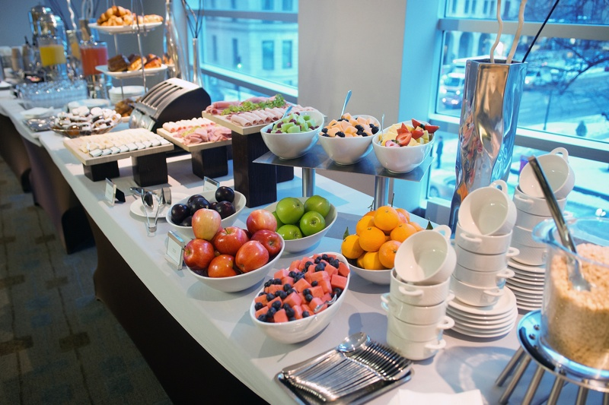

Can you eat it? | Original Label | Replacement | If wrong, your correction
 | winter
 | caloric
 | exquisite
 | swedish
 | cupsvariety | cups variety
 | class
 | natural
y | vegrolls | veg rolls
y | sandwhich | sandwich
 | grill
y | popaya | papaya
 | mixed
 | neatness
y | payayas | papayas
y | food
y | sample
y | wrap
 | making
y | treets | treats
y | butter
 | resort
y | croissant
y | sampling
y | pudding
y | swarma | shwarma
 | choice
 | eatable
 | verity |  | variety
 | aesthetic
y | blueberry
y | friuts | fruits
y | tangeries | tangerines
 | snow
 | shiny
 | third
 | banquet
 | rollups
y | zucchini
y | bread
 | amazing
 | enjoy
 | hospitality
 | selection
 | whitecup
 | fun
 | diningware | dining_area
y | grain
y | ceral | cereal
y | citrus
 | dry

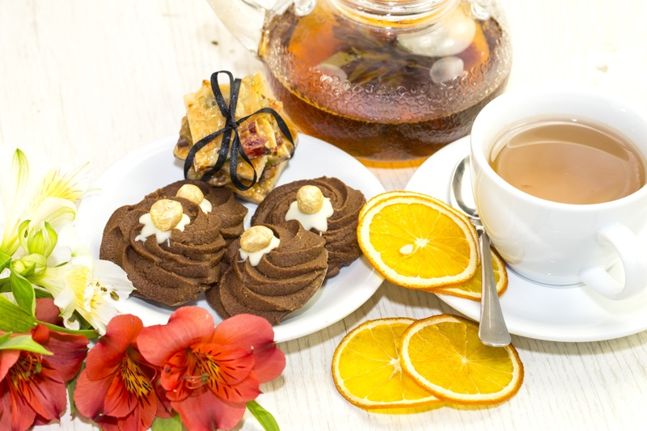

Can you eat it? | Original Label | Replacement | If wrong, your correction
 | chocolaty
 | entertaining
 | christmas
y | cookie
 | brittle
 | cutting
 | active
 | fare
 | date
 | filling
 | luxury
 | eat
 | ribbon
 | victorian
 | four
 | bar
 | goodstart | good_part
 | peel
 | cut
y | deseart | dessert
 | twine
y | dessert
 | brewing
 | danish
 | stirring
 | wedding
 | varied
 | best
 | get
 | organized
y | nocoffee | coffee
 | energiser
 | hotel
 | enjoy
 | beautiful
y | oragnge | orange
y | cappuccino
y | cheese
y | beverage
y | latte
 | sun
 | like
 | low
y | refrestment | refreshment
 | catalog
 | peace
 | crysanthemum | chrysanthemum
 | holiday
 | bed
 | surprise

