rater_test.csv
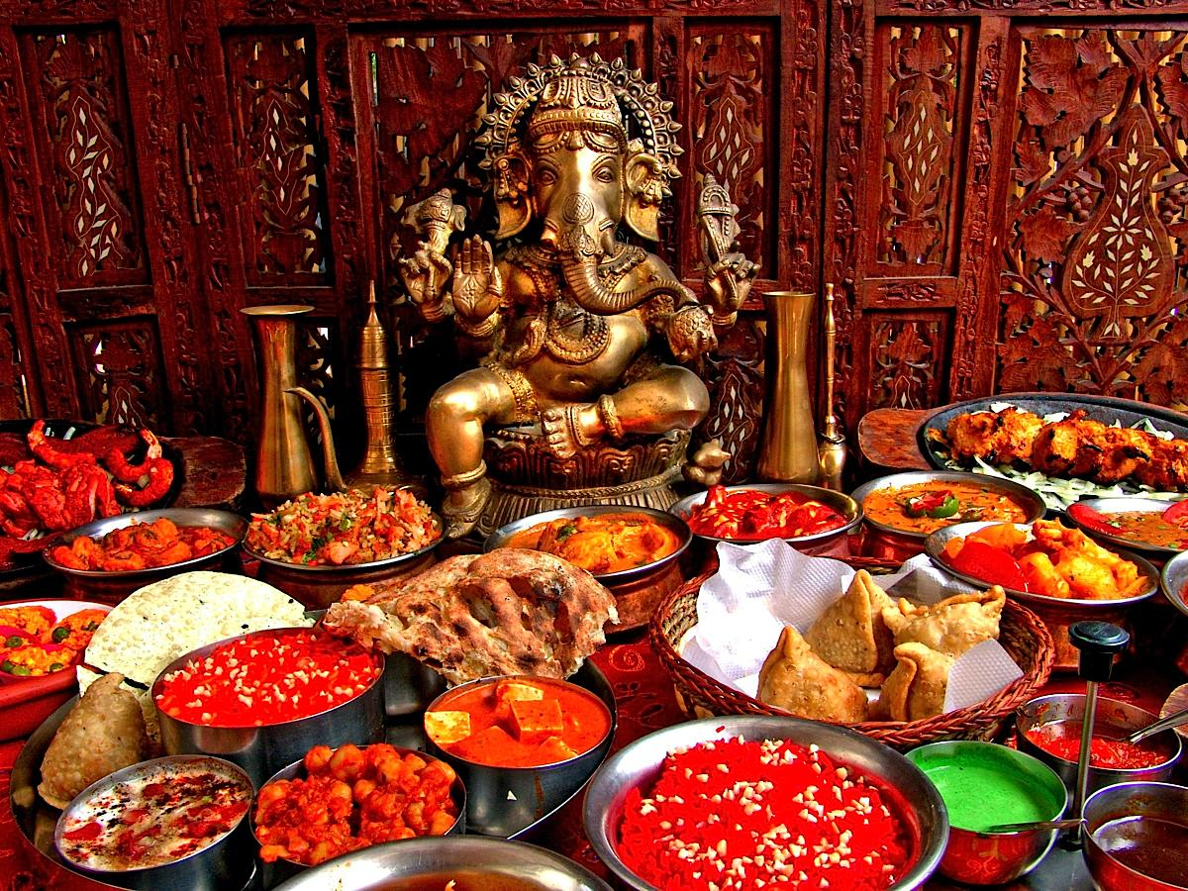

Can you eat it? | Original Word | Spell-corrected | Essentially the same meaning?
 | glorious
 | indian
 | festival
 | pop
 | sri
y | cake
 | customary
 | fragrant
 | adorable
 | flavorful
 | enjoy
 | goddess
y | raita
 | celebrate
y | pakodas | pakoras
 | buda | bura | buddha
 | wedding
y | paste
 | ideal
 | basin
 | country
y | kumkuma
 | gold
 | abundance
 | choice
 | exotic
y | shrimp
 | na
y | jangri | bangui | jangri
 | aesthetic
 | bounty
 | adventurous
 | combo
 | natural
 | high
 | ethnic
 | aztec
 | success
 | complicated
y | kesar | kesari
 | chathurthi | chat hurt hi | chathurthi
 | different
 | superb
 | beautiful
 | royal
y | fat
 | several
 | enjoyable
 | poojas | pooja
y | chicken

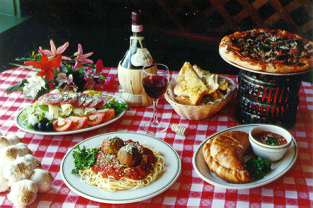

Can you eat it? | Original Word | Spell-corrected | Essentially the same meaning?
y | jam
 | based
 | yahoo
 | mafia
 | fun
 | sleepy
 | want
y | ginger
y | blueberry
 | checkboard | chessboard | checkerboard
 | vacation
 | meet
 | tomatoey
y | sphagetti | spaghetti
 | arrangement
 | flower
 | comfortable
 | salivating
y | pasta
y | dumbpling | dumpling
 | cheer
y | spagetti | spaghetti
 | desierable | desirable
 | picturesque
y | cassaroe | cassareep | cassarole
 | smooth
 | candle
 | platter
 | bowl
 | hotel
 | edible
 | carefree
 | eating
y | spegetti | spaghetti
 | nutritious
 | friend
y | vino
y | oregano
 | delightful
 | crunchy
 | going
 | celebration
 | airy
 | taste
y | salat
y | garlic
 | pattern
 | awesome
y | pizz | pizza
 | quiet

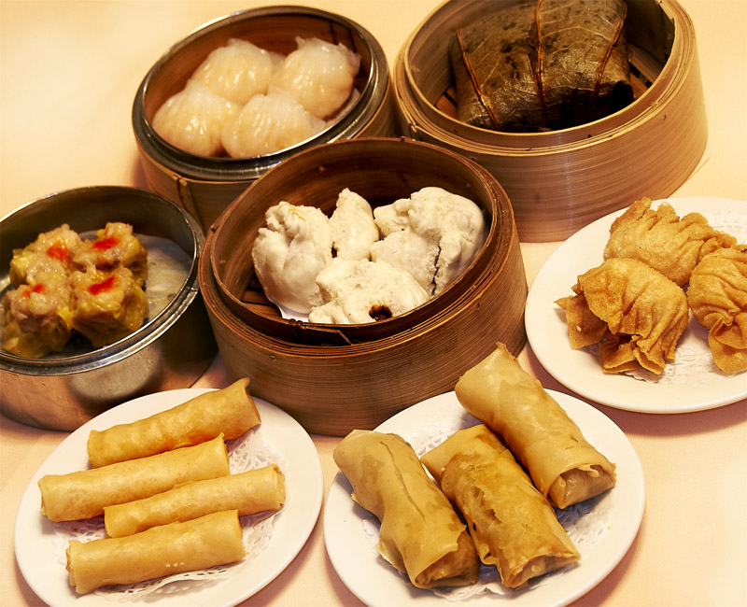

Can you eat it? | Original Word | Spell-corrected | Essentially the same meaning?
 | eat
 | edible
 | delightful
y | fat
 | variety
 | franky | cranky
 | take
y | oyster
 | tasteless
y | pop
 | lean
y | kachori | kasoori | kachori
 | great
y | pakoda | pagoda | pakora
 | party
y | lemon
y | apeteizers | appetizers
 | drizzled
 | watering
y | lettuce
y | meal
 | dull
y | mommus | momos
 | metal
 | comfort
 | cook
 | steam
 | buttery
 | please
 | small
 | exciting
 | mgt | meat
 | battered
 | happy
 | prepare
 | steaming
 | recepie | recipe
 | lip
 | chinnesse | chinese
 | fine
 | break
 | increase
 | asian
y | sarma
 | delishious | delicious
y | lumpa | lumpy | lumpia
y | portion
y | pakkoda | pagoda | pakora
y | vegetable
 | delicious

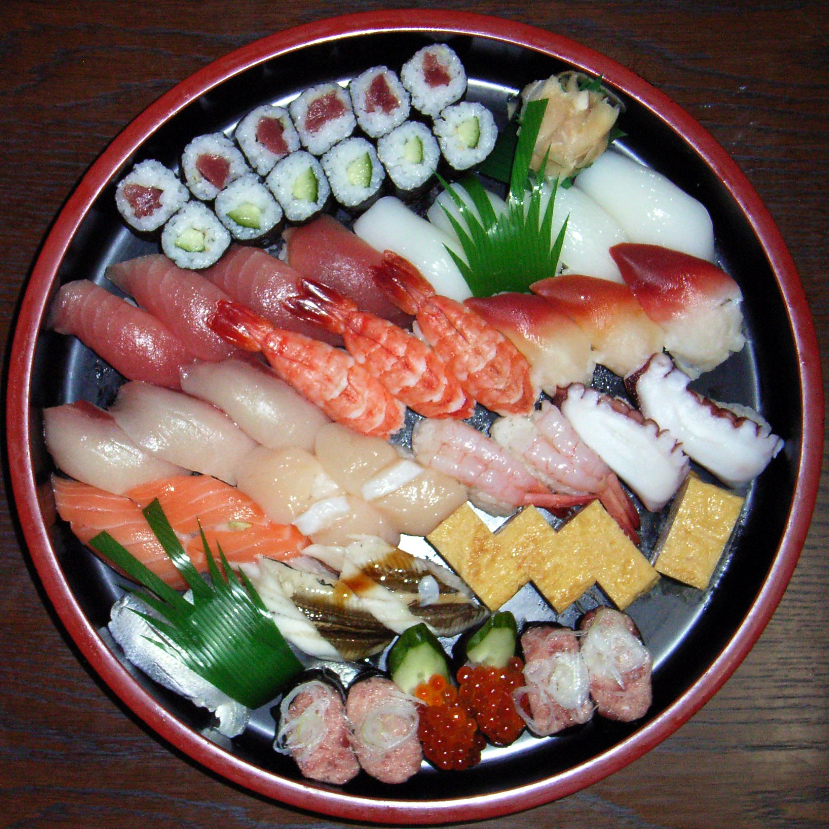

Can you eat it? | Original Word | Spell-corrected | Essentially the same meaning?
 | elegant
y | jangiry | langtry | jangiry
y | cocktail
y | fatty
y | salmon
 | native
 | creative
 | lovely
y | cucumber
 | smooth
y | tamago
 | nonveg | non veg
 | special
y | handrolls | and rolls | hand rolls
y | unagi
y | spicysauce | spicy sauce
 | cooking
y | foor | food
 | dirverse | diverse
 | eastern
 | tidy
 | intricate
 | delectable
y | roe
y | buffet
 | wet
y | seafood
 | indian
 | eat
 | nice
 | colour
 | asian
 | plentiful
 | folic
y | milk
y | nigirizushi | nigiri sushi
 | black
 | scary
y | rice
 | many
y | jaangri
 | plated
 | adorable
 | adventurous
y | slad | salad
 | gourmet
 | fancy
 | mannerly
y | sonpapdi | son padi | sonpapdi
 | crackle

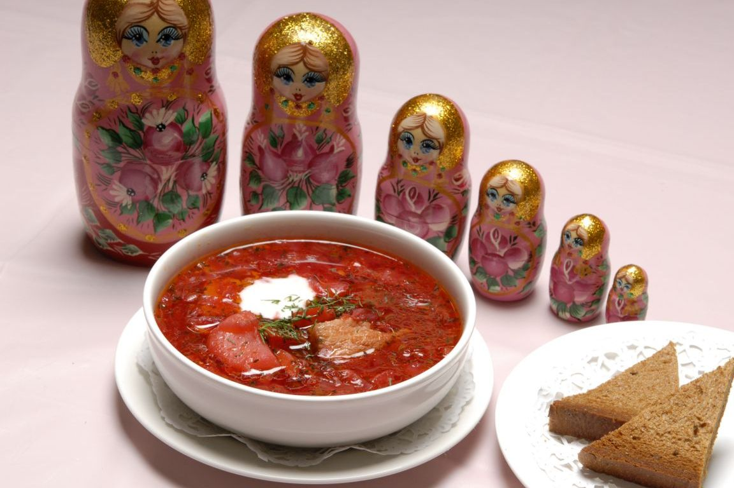

Can you eat it? | Original Word | Spell-corrected | Essentially the same meaning?
 | set
y | salad
y | edoes | redoes | edoes
 | traditional
 | signature
 | curried
 | cup
 | presentation
 | mediteranean | mediterranean
 | recipies | recipe
 | organic
 | ornate
 | unknown
 | unusual
y | pasta
y | rusk
y | beetroot
 | hidden
 | look
 | calorie
 | potent
y | beet
 | classic
 | boring
 | statue
y | redchilly | red chilly
 | useful
y | delicacy
 | gm
 | forign | foreign
 | pink
 | smelly
y | paneer
 | harm
 | sustenance
 | likeable
 | presented
 | strong
 | easter
y | bread
 | resturant | restaurant
y | egg
y | lunch
 | chunky
 | idea
 | oily
 | robust
 | marvelous
y | gespacho | gazpacho
 | savory

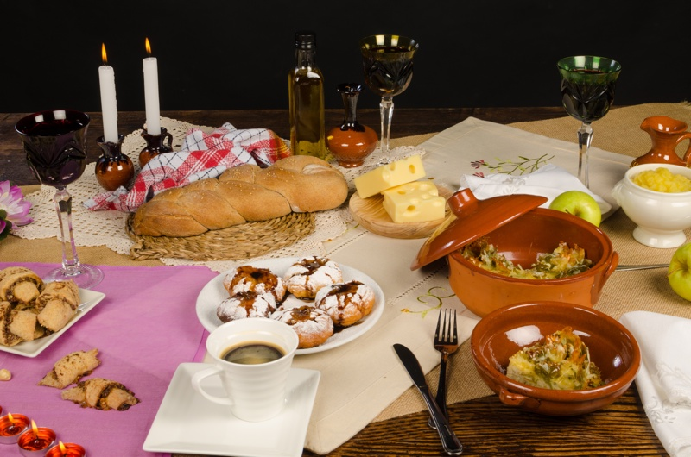

Can you eat it? | Original Word | Spell-corrected | Essentially the same meaning?
y | cream
 | decadence
 | tablesetting | table setting
 | italian
y | butter
y | pani
y | sufganiyah | sufganiyot
y | cappucino | cappuccino
 | steamed
 | cultured
y | pineapple
 | basic
 | winecup | wine cup
 | sweat
y | salad
y | muffin
y | tiffin
 | traditional
 | moroccan
 | like
 | soiree
 | still
 | setting
y | bloccheese | bloc cheese
y | coffe | coffee
 | fattening
 | outdoors
 | bakery
 | morning
 | non
 | comforting
 | western
y | curry
 | homecooked | home cooked
y | desert
 | fall
 | candel | candle
 | candledinner | candle dinner
y | applesauce
 | lavish
y | pork
 | posh
 | great
 | sexy
 | dinnerware
 | claypot | clay pot
 | clean
 | vessel
 | glases | glass
 | oeuvre

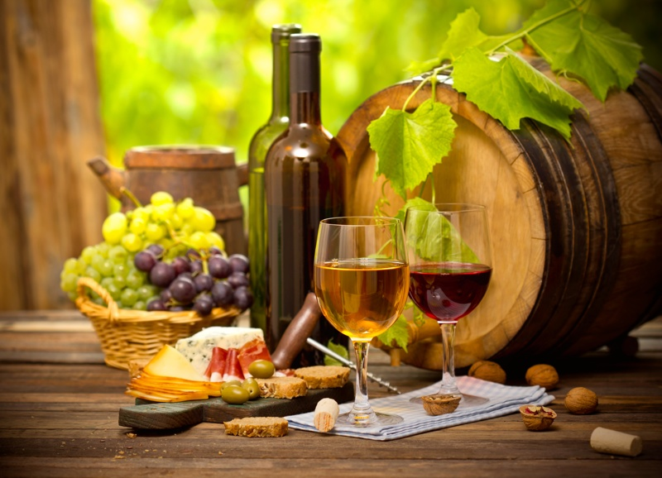

Can you eat it? | Original Word | Spell-corrected | Essentially the same meaning?
 | bright
 | quiet
 | selection
 | healthy
 | popular
y | apricot
 | greeny | green
 | gathering
 | evening
 | toddy
 | grapevine
 | paper
 | friendship
 | vacation
 | work
 | amber
 | d
 | wealthy
 | pottle
 | aroma
 | artistic
 | alcoholic
 | air
 | winetasting | wine_tasting
 | fancy
 | snake
 | piztha | pith | pizza
 | discussion
y | dinner
 | delight
 | fragrant
 | indulgance | indulgence
 | lunchdate | lunch date
 | mediterranean
 | midday
 | date
 | delicious
 | sample
 | testy
 | pleasing
y | whin
 | serve
 | indulge
 | yummy
 | quick
y | lunch
 | outdoots | outdoors
 | entice
 | celebration
 | foreign

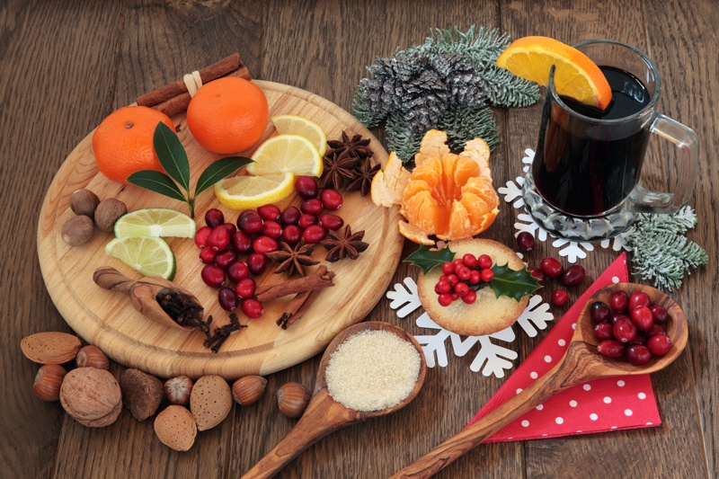

Can you eat it? | Original Word | Spell-corrected | Essentially the same meaning? | if not, correct it
 | joyous
 | colorfull | colorful
 | love
y | graps | grape
 | plain
 | smell
 | gathering
 | susan | sugar
 | hosting
y | snack
y | redfruits | red fruits
 | merry
 | interesting
y | platter
 | theme
 | random
y | prune
y | citius | citrus
y | cinniamon | cinnamon
y | berrey | berry
y | herb
 | decetation | decoration
 | art
y | antioxidents | antioxidants
 | eclectic
 | snowbound
 | vegan
 | distinctive
y | chappati | chappathi
y | lemom | lemon
 | relax
 | kitchen
y | fig
y | orqnges | orange
 | preparation
 | zest
 | stick
 | intamate | intimate
 | december
 | cheer
y | ingriedients | ingredients
 | c
 | scent
 | fun
 | fruitful
 | spread
 | autumn
 | cooking
 | holiday
 | tasty

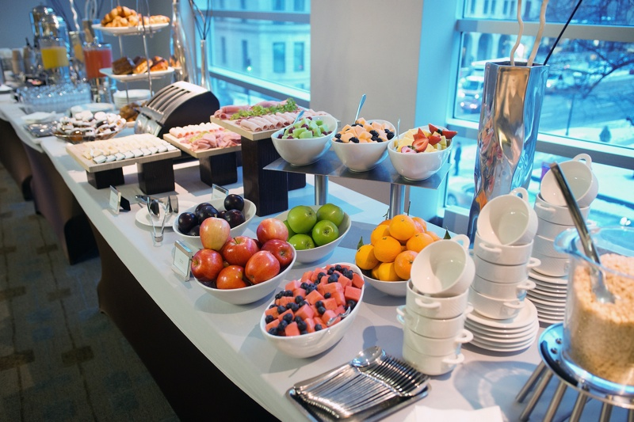

Can you eat it? | Original Word | Spell-corrected | Essentially the same meaning?
 | winter
 | caloric
 | exquisite
 | swedish
 | cupsvariety | cups variety
 | class
 | natural
y | vegrolls | veg rolls
y | sandwhich | sandwich
 | grill
y | popaya | papaya
 | mixed
 | neatness
y | payayas | papayas
y | food
y | sample
y | wrap
 | making
y | treets | treats
y | butter
 | resort
y | croissant
 | sampling
y | pudding
y | swarma | shwarma
 | choice
 | eatable
 | verity
 | aesthetic
y | blueberry
y | friuts | fruits
y | tangeries | tangerines
 | snow
 | shiny
 | third
 | banquet
y | rollups
y | zucchini
y | bread
 | amazing
 | enjoy
 | hospitality
 | selection
 | whitecup
 | fun
 | diningware | dining_area | dining ware
y | grain
y | ceral | cereal
y | citrus
 | dry

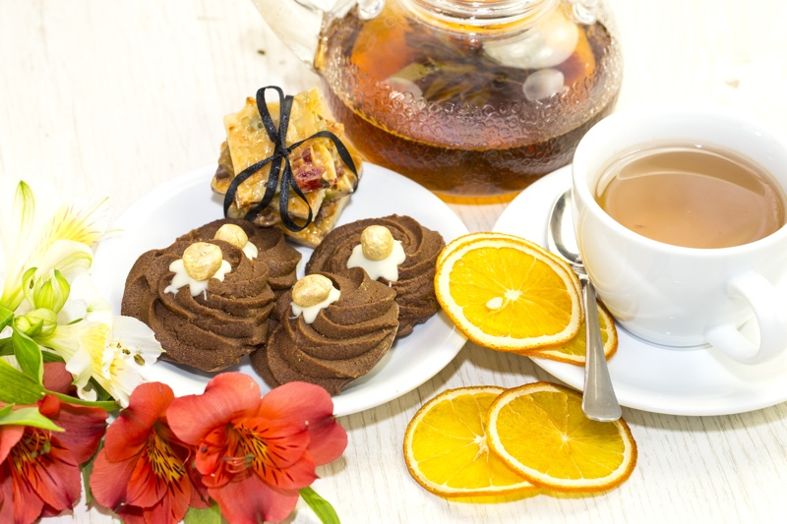

Can you eat it? | Original Word | Spell-corrected | If wrong, your correction
 | chocolaty
 | entertaining
 | christmas
y | cookie
 | brittle
 | cutting
 | active
y | fare
 | date
 | filling
 | luxury
 | eat
 | ribbon
 | victorian
 | four
y | bar
 | goodstart | good_part | good start
 | peel
 | cut
y | deseart | dessert
 | twine
y | dessert
 | brewing
y | danish
 | stirring
 | wedding
 | varied
 | best
 | get
 | organized
y | nocoffee | coffee | no coffee
 | energiser
 | hotel
 | enjoy
 | beautiful
y | oragnge | orange
y | cappuccino
y | cheese
y | beverage
y | latte
 | sun
 | like
 | low
y | refrestment | refreshment
 | catalog
 | peace
 | crysanthemum | chrysanthemum
 | holiday
 | bed
 | surprise

