Dashboard
Test Cases Sheet Example
 | Tester Name: | Mohamed Reda
 | Product Version: | 1.0.0
 | Browser | Firefox Browser
 | Topic | Web Appication
 | Total Minutes spent testing assigned test suite:
Case # | Module | Description | expected action | actual action | Pass/Fail | Priority | severity | Comment | Issue ID
1 | DashBoard | view title and favicon | title sould be "Dashboard| New Home" and favicon should be the logo | title is "لوحة التحكم |New Home" and favicon is missing | Fail |  |  | Resolved
2 |  | press + on top left , then press create project/ create unit | navigate to create project/ create unit | as expected | Pass
3 |  | click on "Projects/ Units / Inventory Setting / Blogs" | navigate to desired page | as expected | Pass
4 |  | click on "New Home Loge"Icon | navigate to dashboard | as expected | Pass
5 |  | view all items in side menu | all should be in english |  | Fail |  |  | Resolved
6 |  | click on all buttons in side menu | navigate to desired page | as expected | Pass
7 |  | click on profile picture top left | open profile page link and logout button | as expected | Pass
8 |  | click on bell icon | open notifications list | as expected | Pass

Inventory Settings
Test Cases Sheet
 | Tester Name: | Mohamed Reda
 | Product Version: | 1.0.0
 | Browser | Google Chrome Browser
 | Topic | Web Appication
 | Total Minutes spent testing assigned test suite:
Case # | Module | Description | expected action | actual action | Pass/Fail | priority | severity | comment | Issue ID
1 | Setting | 1- click on each button in side menu | navigate to desired form | as expected | Pass
2 | Developer | 1- in developer -> add developer with only mandatiory fields | create a new developer | as expected | Pass
3 |  | 2- in developer -> update developer => update data then submit | update developer info | 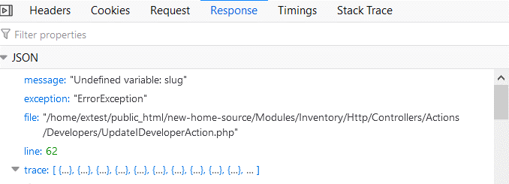 Error 500 | Pass |  |  | Resolved
4 |  | 3- search developer by name | get search results as per search data | as expected | Pass
5 |  | 4- delete a developer | delete entry | as expected | Pass
6 |  | 5- create developer profile with all fields | add new developer with all input data | as expected | Pass
7 | Facilities | 1- add / delete Facility | add / delete new Facility | as expected | Pass
 |  | 2- update /delete Facility | update/delete old Facility | as expected
8 |  | 3- search Facility | search Facility | as expected | Pass
9 | Amenities | 1- add / delete Amenity | add / delete new facility | as expected | Pass
10 |  | 2- update /delete Amenity | update/delete old facility | as expected | Pass
11 |  | 3- search Amenity | search Facility | as expected | Pass
12 |  | 4- delete an image in Amenity | delete image | 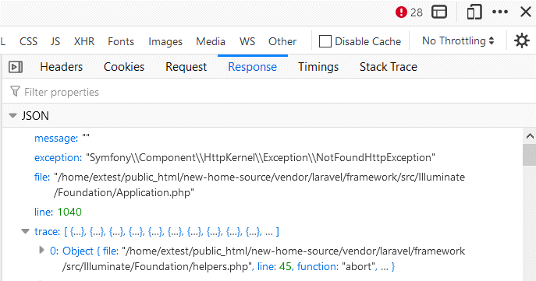 | Pass |  |  | Resolved
13 | Area Units | 1- add / delete | add / delete | as expected | Pass
14 |  | 2- update /delete | update / delete | as expected | Pass
15 |  | 3- search | search | as expected | Pass
16 | Barthrooms | 1- add / delete | add / delete | as expected | Pass
17 |  | 2- update /delete | update / delete | as expected | Pass
18 |  | 3- search | search | as expected | Pass
19 | Bedrooms | 1- add / delete | add / delete | as expected | Pass
20 |  | 2- update /delete | update / delete | as expected | Pass
21 |  | 3- search | search | as expected | Pass
22 | Finishing | 1- add / delete | add / delete | as expected | Pass
23 |  | 2- update /delete | update / delete | as expected | Pass
24 |  | 3- search | search | as expected | Pass
25 | Offer type | 1- add / delete | add / delete | as expected | Pass
26 |  | 2- update /delete | update / delete | as expected | Pass
27 |  | 3- search | search | as expected | Pass
28 | Types | 1- add / delete | add / delete | as expected | Pass
29 |  | 2- update /delete | update / delete | as expected | Pass
30 |  | 3- search | search | as expected | Pass
31 | Payment Method | 1- add / delete | add / delete | as expected | Pass
32 |  | 2- update /delete | update / delete | as expected | Pass
33 |  | 3- search | search | as expected | Pass
34 | Property Use | 1- add / delete | add / update | as expected | Pass
35 |  | 2- update /delete | delete | if property use item is selected in types , it souldn't be deletable | Fail
36 |  | 3- search | search | as expected | Pass

Units
Test Cases Sheet Example
 | Tester Name: | Mohamed Reda
 | Product Version: | 1.0.0
 | Browser | Google Chrome Browser
 | Topic | Web Appication
 | Total Minutes spent testing assigned test suite:
Case # | Module | Description | expected action | actual action | Pass/Fail | Priority | severity | Comment | Issue ID
1 | Units الوحدات | create new unit with mandatory / all data | unit get created | 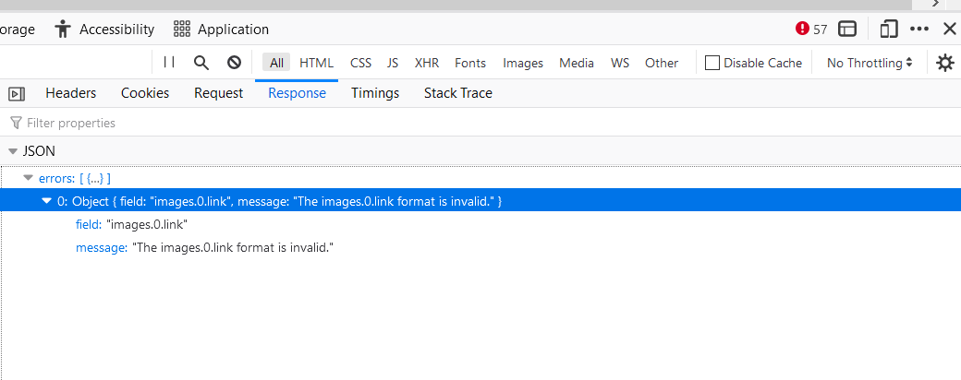 | Fail |  |  | Resolved
2 |  | update unit data | update unit data | 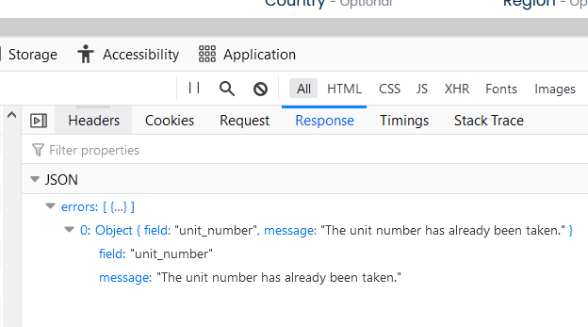 | Fail |  |  | Resolved
3 |  | filter data with single / multiple options | get informations according to filteration data | as expected | Pass
4 |  | import filtered data | excel sheet is downloaded | as expected | Pass
5 |  | delete created unit | delete unit | as expected | Pass
4 |  | Upload units file | data imported successfully | as expected | Pass

Projects
Test Cases Sheet Example
 | Tester Name: | Mohamed Reda
 | Product Version: | 1.0.0
 | Browser | Google Chrome Browser
 | Topic | Web Appication
 | Total Minutes spent testing assigned test suite:
Case # | Module | Description | expected action | actual action | Pass/Fail | Priority | severity | Comment | Issue ID
1 | Projects المشاريع | create new unit with mandatory / all data | unit get created | as expected, but images are not uploaded | Fail |  |  | Resolved
2 |  | update project data | update project data | 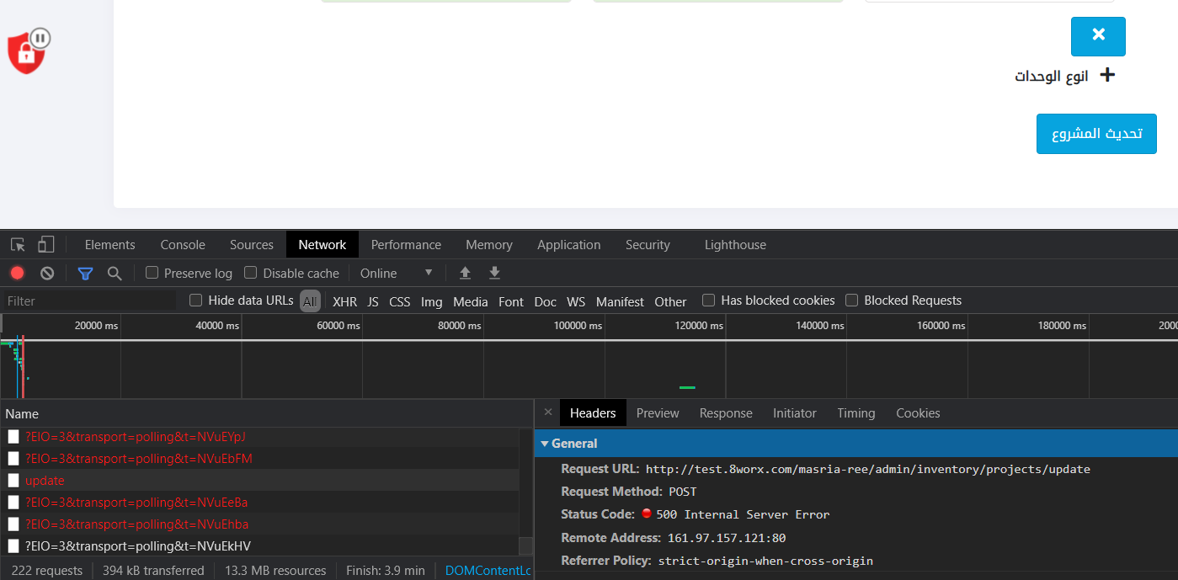 update function is not working | Fail |  |  | Resolved
3 |  | filter data with single / multiple options | get informations according to filteration data | as expected | Pass
4 |  | import filtered data | excel sheet is downloaded | as expected | Pass
5 |  | delete created project | delete project | project deleted but only after refresh page | Fail |  |  | Resolved

Contact us
Test Cases Sheet Example
 | Tester Name: | Mohamed Reda
 | Product Version: | 1.0.0
 | Browser | Firefox Browser
 | Topic | Web Appication
 | Total Minutes spent testing assigned test suite:
Case # | Module | Description | expected action | actual action | Pass/Fail | Comment | severity | Priority | Issue ID
1 | Contact Us | click on "Contact us" button in home page header / Footer | navigate to contact us page from homepage | as expected | Pass
2 |  | Fill contact us form and press send | message received in "contact us" in Admin Panel | as expected | Pass
3 |  | Fill contact us form and press send | after pressing "Send" Button, Form should be blanked | 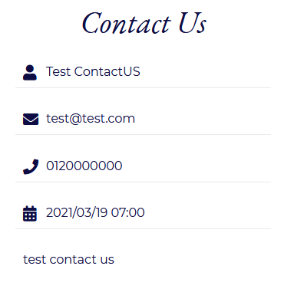 | Fail |  |  | Resolved
4 |  | Phone Icon Should be unified in website |  |  | Fail |  |  | Resolved
5 |  | user press send without fill form | error message appear under all mandatory fields | 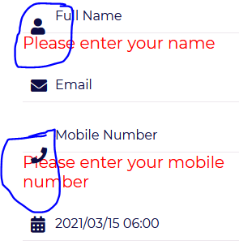 | Fail |  |  | Resolved
6 |  | all mandatory fields in contact us form should have * |  | 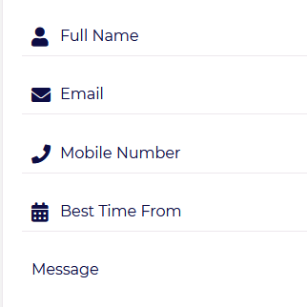 | Fail |  |  | Resolved
 |  | in contact us form, DateTime picker choose date and time | user can pick date and time | 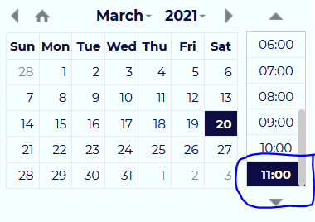 | Fail |  |  | Resolved
7 |  | 8worx sign | 2021 © all rights reserved | 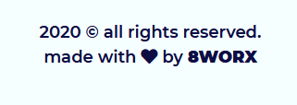 | Fail |  |  | Resolved
8 |  | in Admin Panel, click on contact us button in side menu | navigate to contact us page and view all contact us messages sent by customers | as expected | Pass
9 |  | click on 'Excel' Button on top left in contact us page | download contact us messages in excel sheet | as expected | Pass
10 |  | Search contact us messages by username / mobile number | view results as per inputs | as expected | Pass
11 |  | Filter contact us messages by ID / email / created at / mobile num | view results as per inputs | as expected | Pass
12 |  | in Admin Panel, Action column should be readable by user | Action should be 'Mark as readed' | 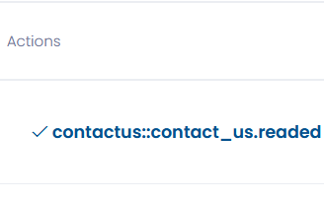 | Fail
13
14 |  |  |  |  | Pass

Careers
Test Cases Sheet Example
 | Tester Name: | Mohamed Reda
 | Product Version: | 1.0.0
 | Browser | Firefox Browser
 | Topic | Web Appication
 | Total Minutes spent testing assigned test suite:
Case # | Module | Description | expected action | actual action | Pass/Fail | Comment | severity | Priority | Issue ID
1 | Careers | in admin panel/careers, add a new career | a new career gets created and appears in careers in site | as expected | Pass
2 |  | in admin panel/careers, update a new career | career data updated in both admin panel and site | as expected | Pass
3 |  | in site, click on careers button in header/footer | navigate to careers page | as expected | Pass
4 |  | in site, view a job vacancy | all data entered in admin panel should be viewed in site | 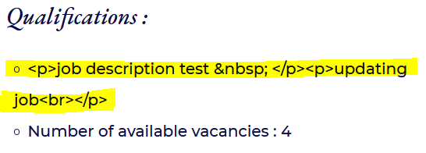 | Fail |  |  | Resolved
5 |  | in site, click on apply button, fill form and submit | mail with CV should be sent to mail provided in setting | no mail sent | Fail |  |  | Resolved

