Hoja1
Sum of Pv |  |  |  | Period
Attribute | Commodity | Process | Scenario | 2019 | 2020 | 2023 | 2025 | 2027 | 2030 | 2033 | 2035 | 2037 | 2040 | 2019 | 2020 | 2023 | 2025 | 2027 | 2030 | 2033 | 2035 | 2037 | 2040
VAR_FOut | DBDSL | FTE-BDSL | iinf_ble_fix_10p | 25.27 | 14.75 | 15.04 | 15.23 | 15.85 | 16.70 | 23.24 | 27.66 | 36.67 | 50.14 | 9.38% | 5.55% | 5.24% | 5.06% | 5.10% | 5.14% | 6.96% | 8.13% | 10.60% | 14.16%
VAR_FOut | DDSL | FTE-DDSL | iinf_ble_fix_10p | 244.20 | 250.94 | 271.89 | 285.94 | 294.76 | 307.99 | 310.89 | 312.79 | 309.28 | 304.02
VAR_FOut | DETH | FTE-ETH | iinf_ble_fix_10p | 14.36 | 14.76 | 15.73 | 16.36 | 16.56 | 16.82 | 16.05 | 15.53 | 14.63 | 13.29 | 5.762% | 5.764% | 5.762% | 5.762% | 5.762% | 5.762% | 5.762% | 5.762% | 5.762% | 5.762%
VAR_FOut | DGSL | FTE-DGSL | iinf_ble_fix_10p | 234.88 | 241.30 | 257.24 | 267.64 | 270.81 | 275.16 | 262.56 | 254.03 | 239.30 | 217.31
VAR_FOut | DBDSL | FTE-BDSL | iinf_ble_fix_15p | 25.27 | 14.75 | 23.58 | 30.16 | 31.24 | 32.78 | 39.47 | 44.00 | 52.82 | 66.02 | 9.4% | 5.6% | 8.2% | 10.0% | 10.1% | 10.1% | 11.8% | 12.9% | 15.3% | 18.6%
VAR_FOut | DDSL | FTE-DDSL | iinf_ble_fix_15p | 244.20 | 250.94 | 263.35 | 271.01 | 279.37 | 291.91 | 294.65 | 296.46 | 293.13 | 288.15
VAR_FOut | DETH | FTE-ETH | iinf_ble_fix_15p | 14.36 | 14.76 | 20.76 | 25.14 | 25.44 | 25.85 | 24.66 | 23.86 | 22.48 | 20.41 | 5.762% | 5.764% | 7.606% | 8.852% | 8.852% | 8.852% | 8.852% | 8.852% | 8.852% | 8.852%
VAR_FOut | DGSL | FTE-DGSL | iinf_ble_fix_15p | 234.88 | 241.30 | 252.21 | 258.87 | 261.93 | 266.14 | 253.95 | 245.71 | 231.46 | 210.19
VAR_FOut | DDSL | FTE-DDSL | iinf_ble_var_15p | 269.43 | 271.25 | 293.30 | 308.04 | 317.10 | 330.64 | 332.12 | 333.07 | 329.32 | 323.74
VAR_FOut | DETH | FTE-ETH | iinf_ble_var_15p | 14.36 | 14.76 | 20.76 | 25.14 | 25.44 | 25.85 | 24.66 | 23.86 | 22.48 | 20.41 | 5.8% | 5.9% | 7.8% | 9.1% | 9.1% | 9.0% | 8.8% | 8.6% | 8.3% | 7.8%
VAR_FOut | DGSL | FTE-DGSL | iinf_ble_var_15p | 234.91 | 235.75 | 245.83 | 252.00 | 255.43 | 260.18 | 255.96 | 253.10 | 248.09 | 240.62
VAR_FOut | DDSL | FTE-DDSL | iinf_demanda | 269.43 | 276.87 | 299.98 | 315.49 | 325.22 | 339.82 | 343.01 | 345.12 | 341.24 | 335.44
VAR_FOut | DETH | FTE-ETH | iinf_demanda | 14.36 | 14.76 | 15.73 | 16.36 | 16.56 | 16.82 | 16.05 | 15.53 | 14.63 | 13.29 | 5.8% | 5.8% | 5.8% | 5.8% | 5.8% | 5.8% | 5.8% | 5.8% | 5.8% | 5.8%
VAR_FOut | DGSL | FTE-DGSL | iinf_demanda | 234.91 | 241.44 | 257.28 | 267.68 | 270.86 | 275.17 | 262.56 | 254.04 | 239.31 | 217.32

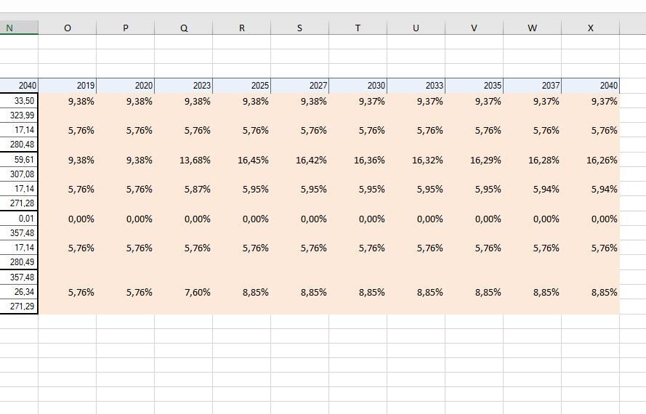

Table Name: | Unsaved_154131
Commodity | Process | Scenario | 2019 | 2020 | 2023 | 2025 | 2027 | 2030 | 2033 | 2035 | 2037 | 2040
BDSL | IMP-BDSL | iinf_ble_fix_10p | 25.269918917 | 14.752573293 | 15.035880194 | 15.227365999 | 15.847038106 | 16.695616915 | 23.241198564 | 27.66456923 | 36.670822261 | 50.144366152 |  | 9.38% | 5.55% | 5.24% | 5.06% | 5.10% | 5.14% | 6.96% | 8.13% | 10.60% | 14.16%
DDSL | FTE-DDSL | iinf_ble_fix_10p | 244.19768108 | 250.93922559 | 271.88852765 | 285.93893703 | 294.75758238 | 307.9893942 | 310.8864984 | 312.79209437 | 309.27903186 | 304.0223403
DETH | FTE-ETH | iinf_ble_fix_10p | 14.361502597 | 14.760731254 | 15.728782239 | 16.364681436 | 16.558317898 | 16.824763869 | 16.054074402 | 15.532769238 | 14.632133144 | 13.287592778 |  | 5.76% | 5.76% | 5.76% | 5.76% | 5.76% | 5.76% | 5.76% | 5.76% | 5.76% | 5.76%
DGSL | FTE-DGSL | iinf_ble_fix_10p | 234.8782974 | 241.30461788 | 257.23976775 | 267.63971856 | 270.80658793 | 275.16423613 | 262.55982871 | 254.03403076 | 239.30438317 | 217.31480722
BDSL | IMP-BDSL | iinf_ble_fix_15p | 25.269918917 | 14.752573293 | 23.576753893 | 30.158183696 | 31.238337287 | 32.777839033 | 39.474698207 | 43.997573005 | 52.820385137 | 66.01944139 |  | 9.38% | 5.55% | 8.22% | 10.01% | 10.06% | 10.10% | 11.81% | 12.92% | 15.27% | 18.64%
DDSL | FTE-DDSL | iinf_ble_fix_15p | 244.19768108 | 250.93922559 | 263.34765395 | 271.00811933 | 279.36628319 | 291.90717209 | 294.65299876 | 296.45909059 | 293.12946898 | 288.14726507
DETH | FTE-ETH | iinf_ble_fix_15p | 14.361502597 | 14.760731254 | 20.762187137 | 25.138886154 | 25.436344128 | 25.845649677 | 24.661741829 | 23.860929957 | 22.477402371 | 20.411963619 |  | 5.76% | 5.76% | 7.61% | 8.85% | 8.85% | 8.85% | 8.85% | 8.85% | 8.85% | 8.85%
DGSL | FTE-DGSL | iinf_ble_fix_15p | 234.8782974 | 241.30461788 | 252.20636285 | 258.86551385 | 261.9285617 | 266.14335032 | 253.95216128 | 245.70587004 | 231.45911394 | 210.19043638
DDSL | FTE-DDSL | iinf_ble_var_15p | 269.4325 | 271.24647136 | 293.29579908 | 308.03666578 | 317.09839813 | 330.64442689 | 332.11803267 | 333.06677946 | 329.31857699 | 323.74081589
DETH | FTE-ETH | iinf_ble_var_15p | 14.361502597 | 14.760731254 | 20.762187137 | 25.138886154 | 25.436344128 | 25.845649677 | 24.661741829 | 23.860929957 | 22.477402371 | 20.411963619 |  | 5.76% | 5.89% | 7.79% | 9.07% | 9.06% | 9.04% | 8.79% | 8.62% | 8.31% | 7.82%
DGSL | FTE-DGSL | iinf_ble_var_15p | 234.9133974 | 235.74994541 | 245.83497161 | 251.99515109 | 255.43478405 | 260.18393456 | 255.96182558 | 253.09575418 | 248.09039107 | 240.61632695
DDSL | FTE-DDSL | iinf_demanda | 269.4325 | 276.8707 | 299.98485408 | 315.4872 | 325.21714359 | 339.8163 | 343.01278419 | 345.1153 | 341.2392058 | 335.4393
DETH | FTE-ETH | iinf_demanda | 14.361502597 | 14.760731254 | 15.728782239 | 16.364681436 | 16.558317898 | 16.824763869 | 16.054074402 | 15.532769238 | 14.632133144 | 13.287592778 |  | 5.76% | 5.76% | 5.76% | 5.76% | 5.76% | 5.76% | 5.76% | 5.76% | 5.76% | 5.76%
DGSL | FTE-DGSL | iinf_demanda | 234.9133974 | 241.44216875 | 257.27786105 | 267.68021856 | 270.85678672 | 275.16683613 | 262.56190328 | 254.03573076 | 239.30578894 | 217.31570722

