mround test data
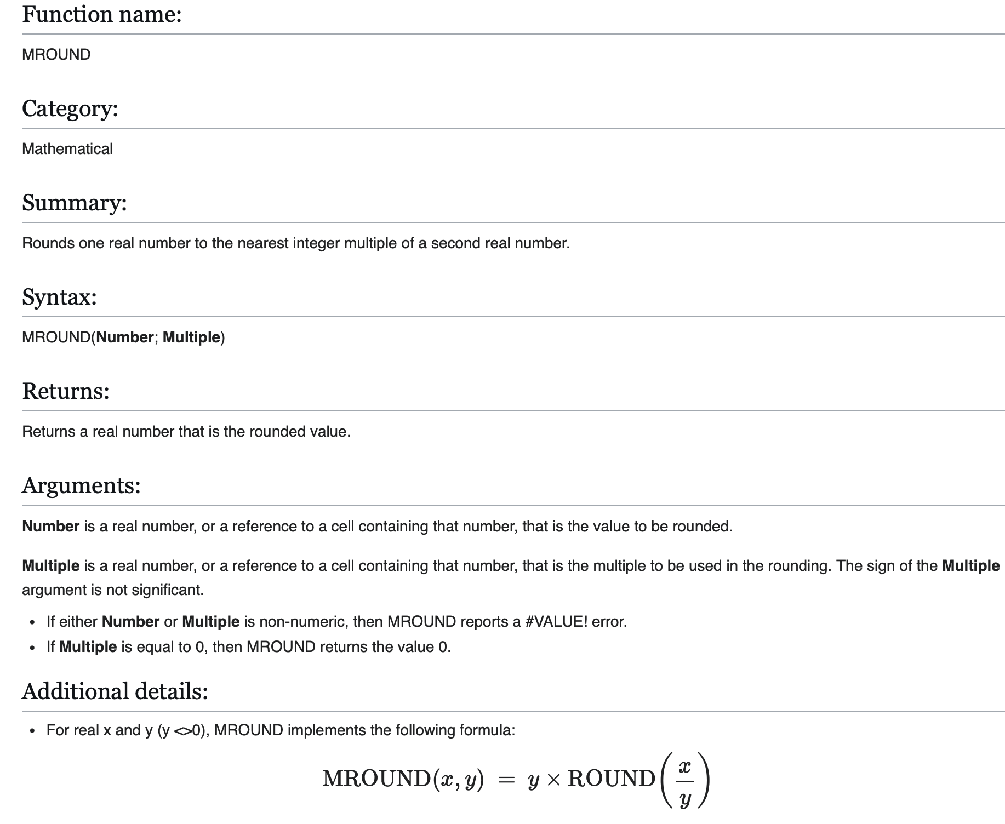
Numpy Generated Data |  |  |  |  | Excel mround(val, 5) |  |  |  |  | Pefc mround(val, 5) as of 2021-06-30 |  |  |  |  | Check results
4644.54496632 | 4644.06720127 | 4645.41378744 | 4643.65653379 | 4645.42050068 | 4645 | 4645 | 4645 | 4645 | 4645 | 4645 | 4645 | 4645 | 4645 | 4645 | TRUE | TRUE | TRUE | TRUE | TRUE
4643.39304536 | 4644.13158343 | 4642.76920326 | 4644.28124849 | 4643.08606681 | 4645 | 4645 | 4645 | 4645 | 4645 | 4645 | 4645 | 4645 | 4645 | 4645 | TRUE | TRUE | TRUE | TRUE | TRUE
4644.61476578 | 4646.57364846 | 4643.71552303 | 4645.37952998 | 4645.24792662 | 4645 | 4645 | 4645 | 4645 | 4645 | 4645 | 4645 | 4645 | 4645 | 4645 | TRUE | TRUE | TRUE | TRUE | TRUE
4644.73902828 | 4646.49573420 | 4645.03952510 | 4645.10346500 | 4642.82623779 | 4645 | 4645 | 4645 | 4645 | 4645 | 4645 | 4645 | 4645 | 4645 | 4645 | TRUE | TRUE | TRUE | TRUE | TRUE
4644.32301954 | 4642.55711025 | 4643.86561651 | 4642.96162939 | 4645.86232541 | 4645 | 4645 | 4645 | 4645 | 4645 | 4645 | 4645 | 4645 | 4645 | 4645 | TRUE | TRUE | TRUE | TRUE | TRUE
4644.32429865 | 4642.87561622 | 4644.98871575 | 4643.86316562 | 4644.58732938 | 4645 | 4645 | 4645 | 4645 | 4645 | 4645 | 4645 | 4645 | 4645 | 4645 | TRUE | TRUE | TRUE | TRUE | TRUE
4647.13769051 | 4644.11736022 | 4644.35373607 | 4644.61341130 | 4643.53091391 | 4645 | 4645 | 4645 | 4645 | 4645 | 4645 | 4645 | 4645 | 4645 | 4645 | TRUE | TRUE | TRUE | TRUE | TRUE
4645.06670250 | 4644.20216286 | 4643.40156257 | 4644.64051539 | 4643.16264360 | 4645 | 4645 | 4645 | 4645 | 4645 | 4645 | 4645 | 4645 | 4645 | 4645 | TRUE | TRUE | TRUE | TRUE | TRUE
4645.00124648 | 4643.17258789 | 4645.51393607 | 4643.43098923 | 4644.37925362 | 4645 | 4645 | 4645 | 4645 | 4645 | 4645 | 4645 | 4645 | 4645 | 4645 | TRUE | TRUE | TRUE | TRUE | TRUE
4643.21214559 | 4644.77939974 | 4644.88389890 | 4644.95333893 | 4643.54013806 | 4645 | 4645 | 4645 | 4645 | 4645 | 4645 | 4645 | 4645 | 4645 | 4645 | TRUE | TRUE | TRUE | TRUE | TRUE
4645.16371239 | 4643.10890061 | 4642.39248986 | 4644.17854539 | 4644.78070530 | 4645 | 4645 | 4640 | 4645 | 4645 | 4645 | 4645 | 4640 | 4645 | 4645 | TRUE | TRUE | TRUE | TRUE | TRUE
4644.45804875 | 4641.77295269 | 4641.77103601 | 4645.39200714 | 4644.42832459 | 4645 | 4640 | 4640 | 4645 | 4645 | 4645 | 4640 | 4640 | 4645 | 4645 | TRUE | TRUE | TRUE | TRUE | TRUE
4641.06649490 | 4645.14914078 | 4644.89971142 | 4642.83113812 | 4644.01984555 | 4640 | 4645 | 4645 | 4645 | 4645 | 4640 | 4645 | 4645 | 4645 | 4645 | TRUE | TRUE | TRUE | TRUE | TRUE
4641.86627265 | 4643.80123857 | 4646.54933733 | 4645.60439747 | 4644.48192117 | 4640 | 4645 | 4645 | 4645 | 4645 | 4640 | 4645 | 4645 | 4645 | 4645 | TRUE | TRUE | TRUE | TRUE | TRUE
4644.68657504 | 4642.95037277 | 4643.72512318 | 4644.84308985 | 4645.48354773 | 4645 | 4645 | 4645 | 4645 | 4645 | 4645 | 4645 | 4645 | 4645 | 4645 | TRUE | TRUE | TRUE | TRUE | TRUE
4642.94108724 | 4641.38700323 | 4644.40471761 | 4645.74437985 | 4643.21644317 | 4645 | 4640 | 4645 | 4645 | 4645 | 4645 | 4640 | 4645 | 4645 | 4645 | TRUE | TRUE | TRUE | TRUE | TRUE
4643.71030690 | 4642.84542942 | 4645.84894658 | 4644.96067216 | 4644.85036235 | 4645 | 4645 | 4645 | 4645 | 4645 | 4645 | 4645 | 4645 | 4645 | 4645 | TRUE | TRUE | TRUE | TRUE | TRUE
4644.25247319 | 4642.79188809 | 4642.38835567 | 4643.84653150 | 4641.90329793 | 4645 | 4645 | 4640 | 4645 | 4640 | 4645 | 4645 | 4640 | 4645 | 4640 | TRUE | TRUE | TRUE | TRUE | TRUE
4646.10442984 | 4646.24013431 | 4642.82024402 | 4644.76356359 | 4645.88944391 | 4645 | 4645 | 4645 | 4645 | 4645 | 4645 | 4645 | 4645 | 4645 | 4645 | TRUE | TRUE | TRUE | TRUE | TRUE
4641.63640571 | 4644.97013415 | 4642.65820300 | 4644.15857173 | 4642.81688623 | 4640 | 4645 | 4645 | 4645 | 4645 | 4640 | 4645 | 4645 | 4645 | 4645 | TRUE | TRUE | TRUE | TRUE | TRUE
4644.22364091 | 4646.19248939 | 4642.15254390 | 4647.65700502 | 4643.44660748 | 4645 | 4645 | 4640 | 4650 | 4645 | 4645 | 4645 | 4640 | 4650 | 4645 | TRUE | TRUE | TRUE | TRUE | TRUE
4644.03224783 | 4645.84105211 | 4643.95460762 | 4644.91710321 | 4644.90835400 | 4645 | 4645 | 4645 | 4645 | 4645 | 4645 | 4645 | 4645 | 4645 | 4645 | TRUE | TRUE | TRUE | TRUE | TRUE
4642.94497909 | 4644.98578362 | 4643.16028562 | 4643.12412111 | 4644.85806000 | 4645 | 4645 | 4645 | 4645 | 4645 | 4645 | 4645 | 4645 | 4645 | 4645 | TRUE | TRUE | TRUE | TRUE | TRUE
4644.04673332 | 4646.38895907 | 4643.28975498 | 4643.89573855 | 4644.23198217 | 4645 | 4645 | 4645 | 4645 | 4645 | 4645 | 4645 | 4645 | 4645 | 4645 | TRUE | TRUE | TRUE | TRUE | TRUE
4645.38786005 | 4644.49407764 | 4644.19238511 | 4641.90861624 | 4645.04923565 | 4645 | 4645 | 4645 | 4640 | 4645 | 4645 | 4645 | 4645 | 4640 | 4645 | TRUE | TRUE | TRUE | TRUE | TRUE
4642.89637688 | 4644.93558177 | 4646.12050123 | 4643.11021629 | 4644.51186335 | 4645 | 4645 | 4645 | 4645 | 4645 | 4645 | 4645 | 4645 | 4645 | 4645 | TRUE | TRUE | TRUE | TRUE | TRUE
4646.74575362 | 4644.82076362 | 4645.75669838 | 4644.97168482 | 4645.08041102 | 4645 | 4645 | 4645 | 4645 | 4645 | 4645 | 4645 | 4645 | 4645 | 4645 | TRUE | TRUE | TRUE | TRUE | TRUE
4644.22229050 | 4645.70763965 | 4643.01282337 | 4644.40400756 | 4642.88493892 | 4645 | 4645 | 4645 | 4645 | 4645 | 4645 | 4645 | 4645 | 4645 | 4645 | TRUE | TRUE | TRUE | TRUE | TRUE
4644.47370442 | 4644.06542755 | 4644.03675617 | 4645.05117877 | 4643.47003453 | 4645 | 4645 | 4645 | 4645 | 4645 | 4645 | 4645 | 4645 | 4645 | 4645 | TRUE | TRUE | TRUE | TRUE | TRUE
4642.23982337 | 4643.37268159 | 4643.95085936 | 4642.81374128 | 4640.99111428 | 4640 | 4645 | 4645 | 4645 | 4640 | 4640 | 4645 | 4645 | 4645 | 4640 | TRUE | TRUE | TRUE | TRUE | TRUE
4644.37431184 | 4643.50985268 | 4645.50938492 | 4644.50983321 | 4641.78994599 | 4645 | 4645 | 4645 | 4645 | 4640 | 4645 | 4645 | 4645 | 4645 | 4640 | TRUE | TRUE | TRUE | TRUE | TRUE
4642.53086473 | 4645.57902560 | 4643.85588096 | 4643.95678232 | 4645.51856172 | 4645 | 4645 | 4645 | 4645 | 4645 | 4645 | 4645 | 4645 | 4645 | 4645 | TRUE | TRUE | TRUE | TRUE | TRUE
4645.36949258 | 4642.21606704 | 4644.32668767 | 4643.05876210 | 4644.68892041 | 4645 | 4640 | 4645 | 4645 | 4645 | 4645 | 4640 | 4645 | 4645 | 4645 | TRUE | TRUE | TRUE | TRUE | TRUE
4643.45468528 | 4642.86048876 | 4644.41399200 | 4643.06172017 | 4644.02423359 | 4645 | 4645 | 4645 | 4645 | 4645 | 4645 | 4645 | 4645 | 4645 | 4645 | TRUE | TRUE | TRUE | TRUE | TRUE
4643.09131291 | 4643.35610933 | 4644.70928404 | 4643.54565507 | 4642.38286944 | 4645 | 4645 | 4645 | 4645 | 4640 | 4645 | 4645 | 4645 | 4645 | 4640 | TRUE | TRUE | TRUE | TRUE | TRUE
4647.54129063 | 4645.48059779 | 4644.40986596 | 4643.75155867 | 4645.63988645 | 4650 | 4645 | 4645 | 4645 | 4645 | 4650 | 4645 | 4645 | 4645 | 4645 | TRUE | TRUE | TRUE | TRUE | TRUE
4645.05198321 | 4642.99617087 | 4642.13187369 | 4643.60107572 | 4643.21528263 | 4645 | 4645 | 4640 | 4645 | 4645 | 4645 | 4645 | 4640 | 4645 | 4645 | TRUE | TRUE | TRUE | TRUE | TRUE
4645.83528977 | 4643.15623763 | 4643.77985382 | 4642.53432192 | 4646.23413092 | 4645 | 4645 | 4645 | 4645 | 4645 | 4645 | 4645 | 4645 | 4645 | 4645 | TRUE | TRUE | TRUE | TRUE | TRUE
4644.22077947 | 4642.29150056 | 4644.53039452 | 4645.12261446 | 4645.66655775 | 4645 | 4640 | 4645 | 4645 | 4645 | 4645 | 4640 | 4645 | 4645 | 4645 | TRUE | TRUE | TRUE | TRUE | TRUE
4642.83147428 | 4642.91109765 | 4645.19966796 | 4642.59635115 | 4645.16824085 | 4645 | 4645 | 4645 | 4645 | 4645 | 4645 | 4645 | 4645 | 4645 | 4645 | TRUE | TRUE | TRUE | TRUE | TRUE
4643.06192372 | 4643.91902003 | 4644.19740773 | 4642.85044910 | 4644.20566035 | 4645 | 4645 | 4645 | 4645 | 4645 | 4645 | 4645 | 4645 | 4645 | 4645 | TRUE | TRUE | TRUE | TRUE | TRUE
4642.15916964 | 4645.58165696 | 4644.37243644 | 4645.68742702 | 4645.58718592 | 4640 | 4645 | 4645 | 4645 | 4645 | 4640 | 4645 | 4645 | 4645 | 4645 | TRUE | TRUE | TRUE | TRUE | TRUE
4644.86508653 | 4645.44538652 | 4645.72142409 | 4643.22113993 | 4643.50809213 | 4645 | 4645 | 4645 | 4645 | 4645 | 4645 | 4645 | 4645 | 4645 | 4645 | TRUE | TRUE | TRUE | TRUE | TRUE
4645.11372059 | 4643.41467759 | 4643.85707311 | 4644.17212055 | 4642.38495092 | 4645 | 4645 | 4645 | 4645 | 4640 | 4645 | 4645 | 4645 | 4645 | 4640 | TRUE | TRUE | TRUE | TRUE | TRUE
4642.19749055 | 4643.88098711 | 4644.52620118 | 4643.38428611 | 4641.29756383 | 4640 | 4645 | 4645 | 4645 | 4640 | 4640 | 4645 | 4645 | 4645 | 4640 | TRUE | TRUE | TRUE | TRUE | TRUE
4644.48254885 | 4644.13503733 | 4641.66066554 | 4644.81297163 | 4641.60794426 | 4645 | 4645 | 4640 | 4645 | 4640 | 4645 | 4645 | 4640 | 4645 | 4640 | TRUE | TRUE | TRUE | TRUE | TRUE
4644.44314895 | 4641.95586091 | 4643.38823342 | 4642.99181164 | 4643.10040653 | 4645 | 4640 | 4645 | 4645 | 4645 | 4645 | 4640 | 4645 | 4645 | 4645 | TRUE | TRUE | TRUE | TRUE | TRUE
4645.74359825 | 4644.36432669 | 4645.57202305 | 4644.49269871 | 4643.83338094 | 4645 | 4645 | 4645 | 4645 | 4645 | 4645 | 4645 | 4645 | 4645 | 4645 | TRUE | TRUE | TRUE | TRUE | TRUE
4643.51662401 | 4645.05474163 | 4644.16097988 | 4643.98719015 | 4644.55219529 | 4645 | 4645 | 4645 | 4645 | 4645 | 4645 | 4645 | 4645 | 4645 | 4645 | TRUE | TRUE | TRUE | TRUE | TRUE
4645.33061839 | 4647.27444025 | 4643.35442312 | 4643.73441342 | 4643.06335002 | 4645 | 4645 | 4645 | 4645 | 4645 | 4645 | 4645 | 4645 | 4645 | 4645 | TRUE | TRUE | TRUE | TRUE | TRUE

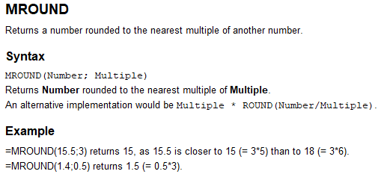
OPENOFFICE IMPLEMENTATION
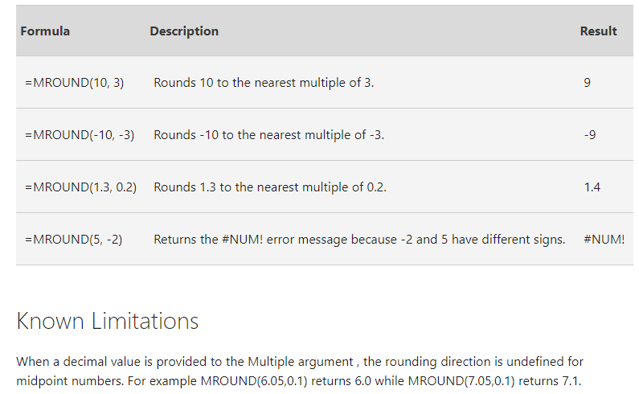
9 |  |  |  |  |  |  |  |  |  |  |  |  |  |  | 0
-9 |  |  |  |  |  |  |  |  |  |  |  |  |  |  | 50
1.4 |  |  |  |  |  |  |  |  |  |  |  |  |  |  | 0.4375
#NUM! |  |  |  |  |  |  |  |  |  |  |  |  |  |  | 7.5
6 |  |  |  |  |  |  |  |  |  |  |  |  |  |  | 15
7.1 |  |  |  |  |  |  |  |  |  |  |  |  |  |  | 1.5
 |  |  |  |  |  |  |  |  |  |  |  |  |  |  | 6
1.4 |  |  |  |  |  |  |  |  |  |  |  |  |  |  | 7.1
1.4
1.6 |  |  |  |  |  |  |  |  |  |  |  |  |  |  | 0.4375 | 10:30:00
1.6 |  |  |  |  |  |  |  |  |  |  |  |  |  |  | 0.44791666667 | 10:45:00
1.8 |  |  |  |  |  |  |  |  |  |  |  |  |  |  | 0.44305555556 | 10:38:00
0 |  |  |  |  |  |  |  |  |  |  |  |  |  |  | 0.44236111111 | 10:37:00
 |  |  |  |  |  |  |  |  |  |  |  |  |  |  | 0.4375 | 10:30:00
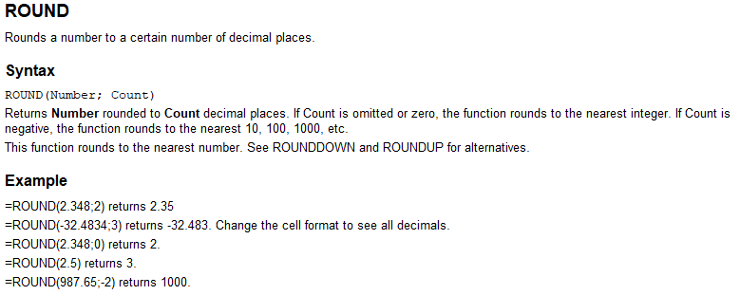
 |  |  |  |  |  |  |  |  |  |  |  |  |  |  | 1.0625 | 25:30:00
 |  |  |  |  |  |  |  |  |  |  |  |  |  |  | 1.0729166667 | 25:45:00
 |  |  |  |  |  |  |  |  |  |  |  |  |  |  | 0.4375 | 10:30:00
 |  |  |  |  |  |  |  |  |  |  |  |  |  |  | -0.43749972

 |  |  |  |  |  |  |  |  |  |  |  |  |  |  | 0

 | REFERENCES
 | https://wiki.documentfoundation.org/Documentation/Calc_Functions/MROUND

