16-10-27
工程公司的领导们对未来乐观 | Engineering firm leaders are optimistic about the future | <h4><a href='http://x.aspe.org/y.z?l=http%3a%2f%2fwww.acec.org%2fdefault%2fassets%2fFile%2fACEC_EBI_Report_16Q3.pdf&j=320774913&e=3625&p=1&t=h&'>工程公司的领导们对未来乐观</a></h4>
http://x.aspe.org/y.z?l=http%3a%2f%2fwww.acec.org%2fdefault%2fassets%2fFile%2fACEC_EBI_Report_16Q3.pdf&j=320774913&e=3625&p=1&t=h& | Expectations for improved market conditions, profitability prospects, and backlog growth for the coming year all improved, according to the third-quarter 2016 Engineering Business Index, published by the American Council of Engineering Companies. | <p>Expectations for improved market conditions, profitability prospects, and backlog growth for the coming year all improved, according to the third-quarter 2016 Engineering Business Index, published by the American Council of Engineering Companies.</p>
 | Agreement to phase out HFCs is reached | <h4><a href=''></a></h4>
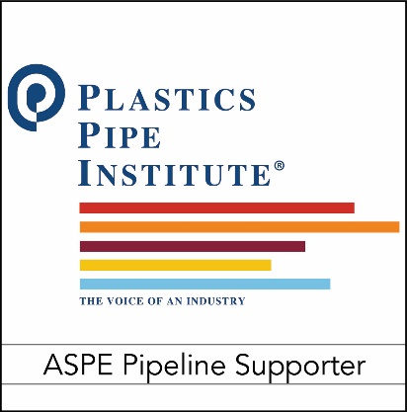
 |  | <p></p>
 | Under the Kigali Agreement, an amendment to the Montreal Protocol, HFC levels in the atmosphere will be cut 80-85 percent by 2047, eliminating 70 billion tons of carbon emissions. More>> | <h4><a href=''></a></h4>
 | How is your bottled water habit harming the environment? | <p>How is your bottled water habit harming the environment?</p>
 | An interactive quiz from The New York Times compares your bottled water drinking habits to those of other Americans and includes interesting stats on how bottled water consumption affects the environment. | <h4><a href=''></a></h4>
 | New publication addresses how megacities are facing water challenges | <p>New publication addresses how megacities are facing water challenges</p>
 | In an effort to share solutions to water scarcity issues in urban centers with more than 10 million inhabitants, "Water, Megacities, and Global Change" by UNESCO details the strategies of 15 megacities related to water, sanitation, and rainwater drainage. More>> | <h4><a href=''></a></h4>
 | ARCSA and TRCA join forces | <p>ARCSA and TRCA join forces</p>
 | As of September 16, the Texas Rainwater Catchment Association and the American Rainwater Catchment Systems Association officially reorganized, with the Texas group taking the ARCSA name and serving nationwide while the original ARCSA changed its name to the ARCSA Foundation. More>> | <h4><a href=''></a></h4>
 | The Water Institute and IWSH Foundation sign a memorandum of understanding | <p>The Water Institute and IWSH Foundation sign a memorandum of understanding</p>
 | The two organizations will work together to enhance the provision of safe and affordable water, sanitation systems, and equipment, including the development of a pilot program centered on providing safe water and sanitation services for medical facilities. More>> | <h4><a href=''></a></h4>
 |  | <p></p>
 |  | <h4><a href=''></a></h4>
 |  | <p></p>
 |  | <h4><a href=''></a></h4>
 |  | <p></p>
 |  | <h4><a href=''></a></h4>
 |  | <p></p>

