fvSchemes
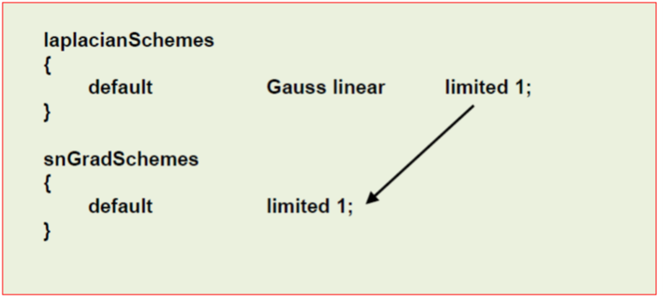
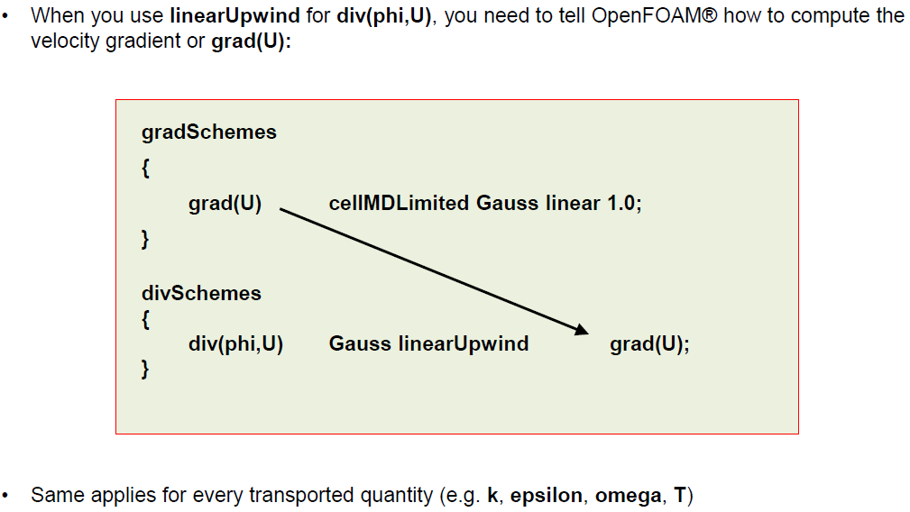
ddtSchemes |  | $WM_PROJECT_DIR/src/finiteVolume/finiteVolume/ddtSchemes
 | steadyState | for steady state simulations (implicit/explicit)
 | Euler | time dependent first order (implicit/explicit), bounded | stable / diffusive
 | backward | time dependent second order (implicit), bounded/unbounded | accurate / oscillatory
 | CrankNicolson Ψ | time dependent second order (implicit), bounded/unbounded | accurate / oscillatory
 |  | Ψ = 0 : Euler, Ψ = 1 : pure CrankNicolson, Ψ = 0.9 typ
gradSchemes |  | $WM_PROJECT_DIR/src/finiteVolume/finiteVolume/gradSchemes
 | Gauss | Basic second-order convection using face-gradients and Gauss' theorem.
 | leastSquares | Second-order gradient scheme using least-squares
 | cellLimited
 | cellMDLimited | less diffusive : cMDL - cL - fMDL - fL : more diffusive
 | faceLimited
 | faceMDLimited
divSchemes |  | $WM_PROJECT_DIR/src/finiteVolume/interpolation/surfaceInterpolation | Gauss / bounded (steady state)
 | upwind | first order accurate | stable / diffusive
 | linearUpwind | second order accurate, bounded | accurate / oscillatory
 | linear | second order accurate, unbounded | accurate / oscillatory
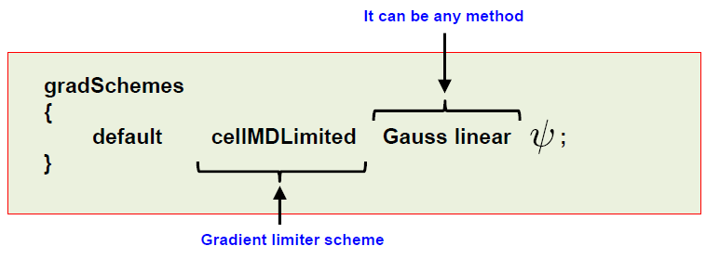
 | vanLeer / Minmod | TVD, second order accurate, bounded
 | limitedLinear | second order accurate, unbounded, more stable than linear | Recommended for LES
laplacianSchemes
 | corrected | for mesh with grading and non-orthogonality with non-orthogonal corrections
 | limited | for mesh with grading and non-orthogonality with non-orthogonal corrections
 | orthogonal | for hexahedral with no grading. No non-orthogonal corrections | for perfect mesh
 | uncorrected | for bad quality mesh with grading and non-orthogonality | stable / diffusive
 |  | Ψ = 1 : corrected, Ψ = 0 : uncorrected
 |  | non-orthogonality < 70 : Ψ = 1
 |  | 70 < non-orthogonality < 85 : Ψ = 0.5
 |  | non-orthogonality > 85 : Ψ = 0.333 & non-ortho corrections ↑ | get a better mesh
 |  | for LES or DES : Ψ = 1 (means need good mesh)
interpolationSchemes

snGradSchemes |  | usually same method as Laplacian term

p-U coupling
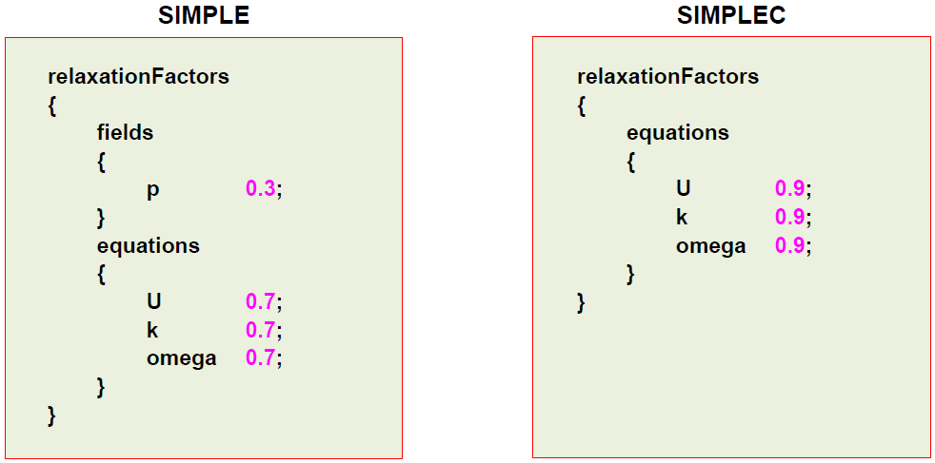
SIMPLE
{
 | consistent | yes; | (default no)
 | nNonOrthogonalCorrectors | 1;
 | residualControl | ######## | ifndef → max iteration (endTime)
}

PISO
{ |  |  | momentumPredictor
 | momentumPredictor | yes; | - default yes for most solvers
 | nCorrectors | 2; | - recommended for high Reynolds number flow
 | nNonOrthogonalCorrectors | 1; | - low Reynolds number or creeping flow, turn it off
} |  |  | - REQUIRES .*Final

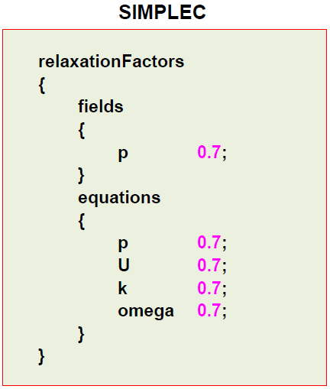
PIMPLE
{
 | momentumPredictor | yes; | nOuterCorrectors = 1 → PISO
 | nOuterCorrectors | 1; | - controls a loop OUTSIDE the PISO loop
 | nCorrectors | 2; | - increase for large time-steps
 | nNonOrthogonalCorrectors | 1; | - more than one nOuterCorrectors → not time accurate, pseudo-transient simulation
}
 |  |  | if CFL ≫ 1 → nCorrectors ≥ 3

 |  |  |  | stability problem : all 0.5
 |  |  |  | complex physics :
 |  |  |  |  | start 0.3 → increase up to 0.7

unsteady
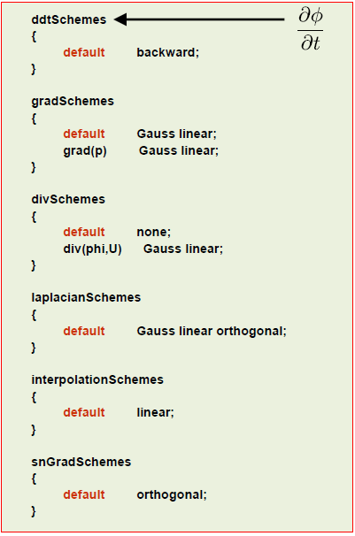
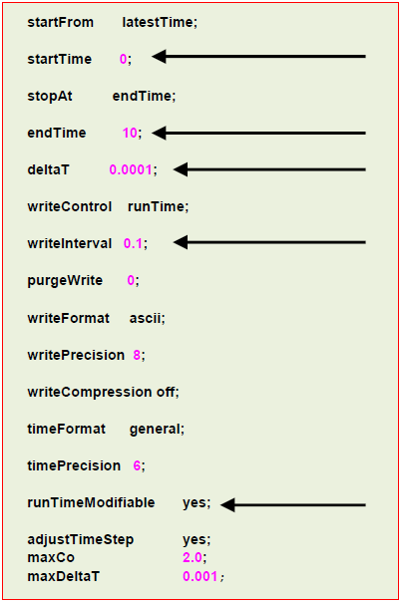
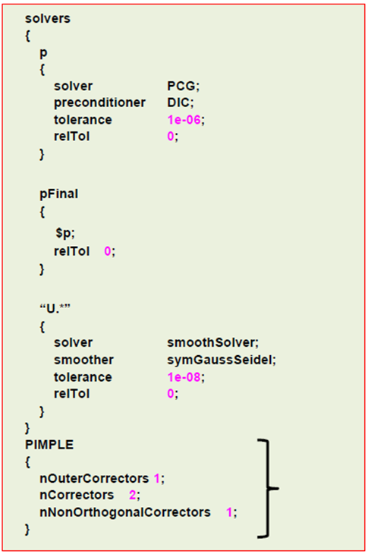

steady
