Custom Lists
Custom Lists

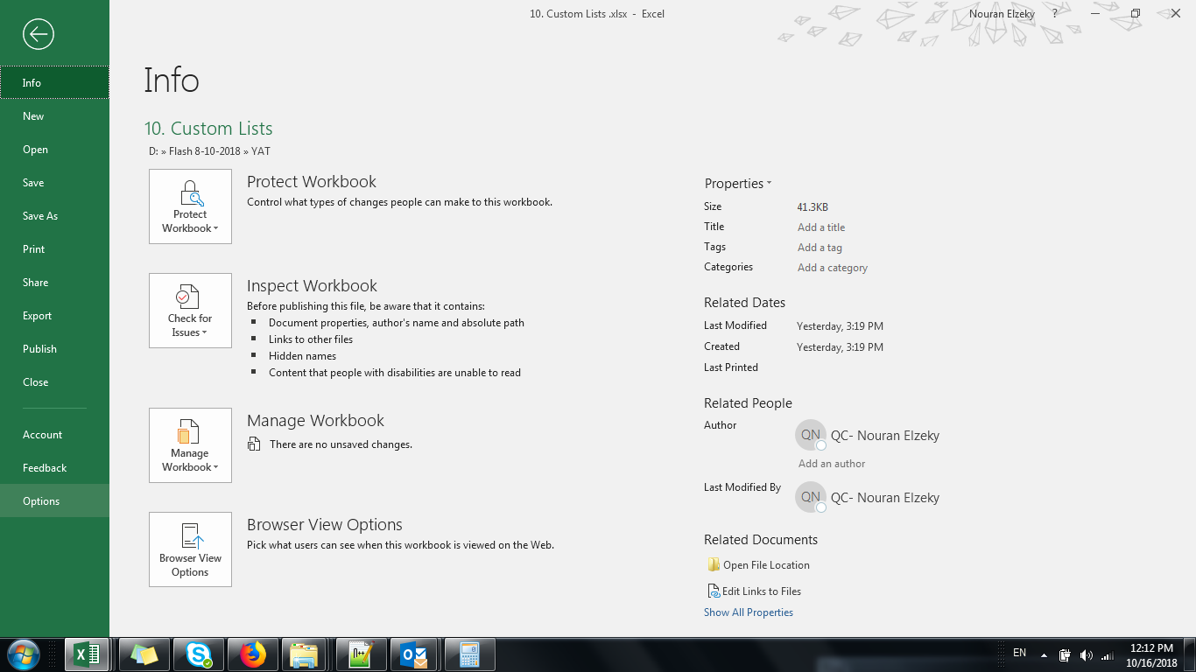
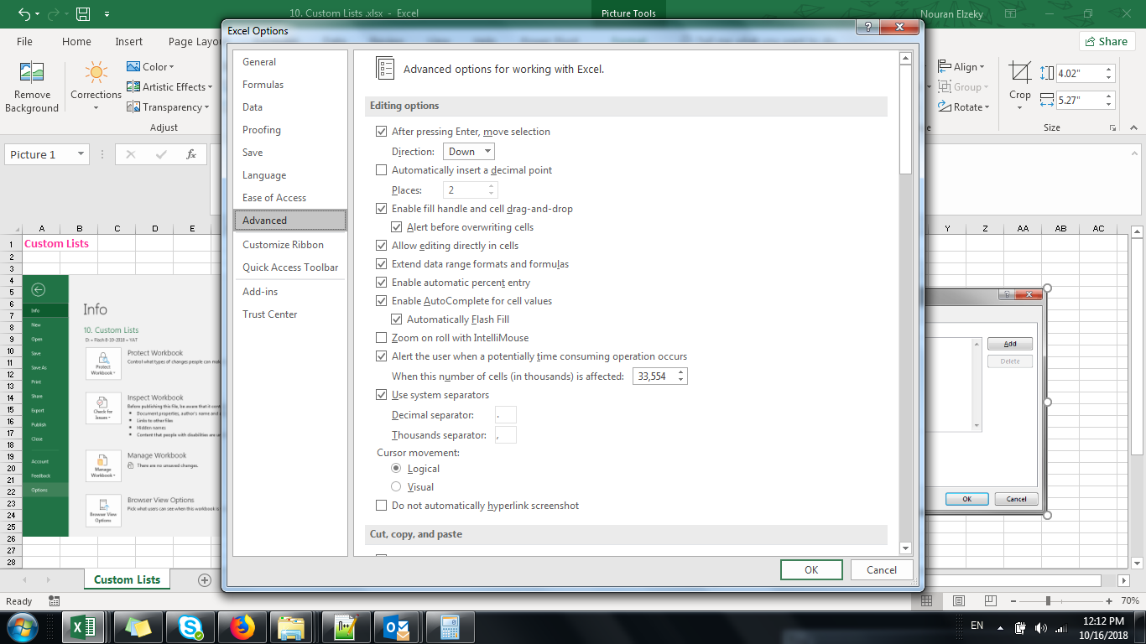
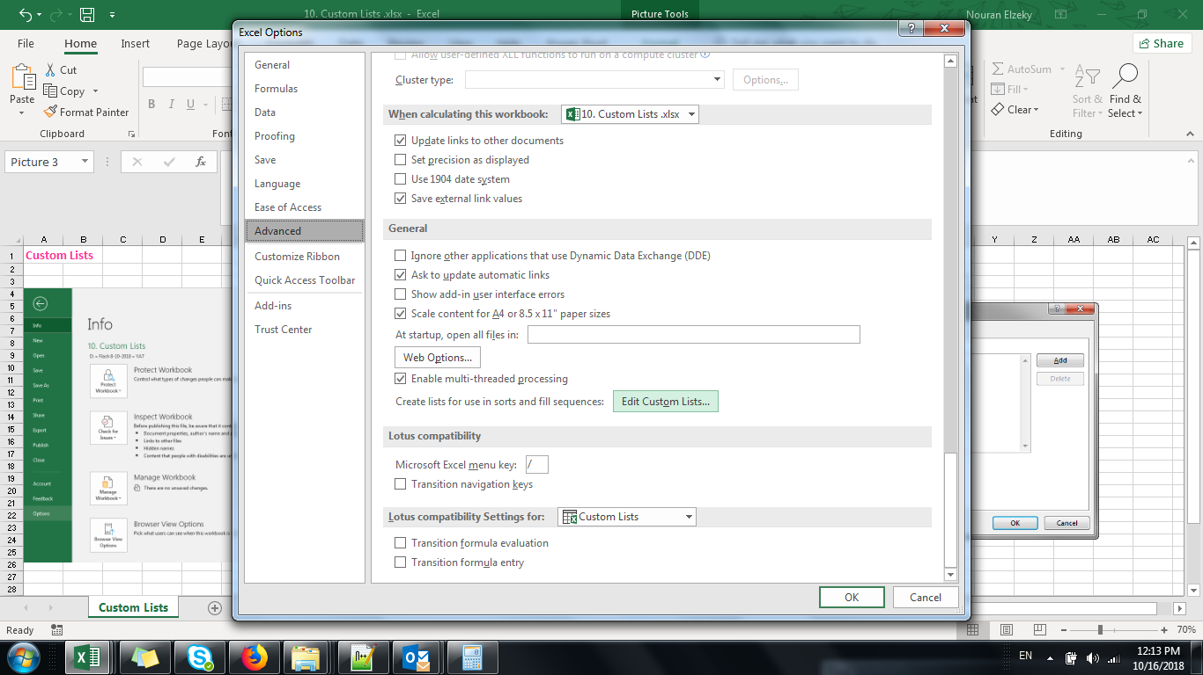
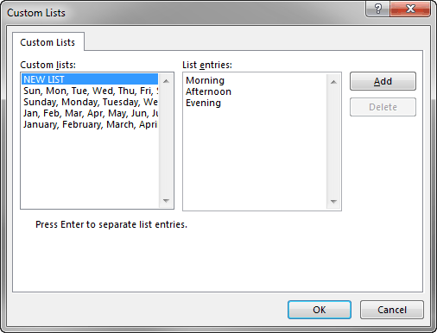

 | Winter | 1
 | Spring | 2
 | Summer | 3
 | Fall | 4
 |  | 5
 |  | 6
 |  | 7
 |  | 8
 |  | 9
 |  | 10

