Weekly Progress Report
MODON - Weekly Progress Report - Construction Projects |  |  |  |  |  |  |  |  |  |  |  |  |  |  |  |  |  |  |  |  |  |  |  |  |  |  |  |  |  |  | Data Date | 16-Sep-26
Contract General Information |  |  |  |  |  | Key Dates |  |  |  |  |  | Cost Summary (SR) |  |  |  |  |  |  |  | Performance Summary |  |  |  |  |  |  |  |  | Project Scope
Project Name | Development of the Technology City in Dammam Project |  |  |  |  | Contract Award | 20-Nov-25 | Contract Award(Hijri) | 20/11/2025 | Revised Completion | 22-Feb-27 | Original Contract Value |  | 67,768,370 |  | O&M Value |  | 0 |  | Rec Plan Value | 24.92% | Plan Value | 47.17% | Rec Phys. Plan Value | 13.33% | Phys. Plan Value | 34.07% | Quality Score | 88% | Collector Roads, Local Roads, Potable Water, Seweage, Storm Drainage, Irrigation, Medium Voltage, Street Lighting,Telecome, Seweage Pump Station and Storm Drainage Ponds for Development of the Technology City in Dammam Project
Project ID | DAMT-01-002 |  | Stage | Construction |  | Contract Sign | 11-Dec-25 | Contract Sign(Hijri) | 11/12/2025 | Committed Completion | 22-Feb-27 | Revised Contract Value |  |  |  | Revised O&M Value |  | 0 |  | Rec Earn Value | 11.24% | Earn Value | 11.24% | Rec Phys. Earn Value | 9.45% | Phys. Earn Value | 9.45% |  | ¢¢¢¢¢ ¢¢¢££
Contractor | ANSAB CONTRACING |  | Status | Active |  | Site Handover | 23-Dec-25 | Site Handover(Hijri) | 23/12/2025 | Forecast Completion | 22-Feb-27 | Estimate At Completion Value |  | 67,768,370 |  | Submitted Invoices (Gross Value) |  | 0 |  | Variance | (13.68%) | Variance | (35.93%) | Variance | (3.88%) | Variance | (24.62%) | Safety Score | 82%
Consultant | EGIS |  | Modon PM | Engr. Afat Elanzey |  | Original Completion | 22-Feb-27 | Original Completion (Hijri) | 22/02/2027 | Variance | 0 | Potential Changes |  | 0 |  | Total Deduction |  | 0 |  | SPI | 0.45 | SPI | 0.24 | SPI | 0.71 | SPI | 0.28 |  | ¢¢¢¢¢ ¢¢¢££

Progress Overview
Earned Value Progress (SAR) |  |  |  |  |  |  |  |  |  |  |  |  |  | Physical Progress (Effort) |  |  |  |  |  |  |  |  |  |  |  | Earned Value Progress (%)
WBS |  | BOQ Value (SAR) | % Wt. | Weekly (SAR) |  | To Date (SAR) |  |  |  |  |  |  |  | Budgeted | % Wt. | Weekly Physical Progress |  |  |  | To Date Physical Progress
 |  |  |  | Planned | Earned | Original Plan | Revised Planned | Earned | Original Plan % | Revised Planned % | Earned % | Variance | SPI | (Manhours) |  | Planned | Earned | Plan % | Earned % | Planned | Revised Planned | Earned | Plan % | Earned % | Earned % | Variance | SPI
Mobilization |  | - | 0.0% | - | - | - | - | - | 0.0% | 0.0% | 0.0% | 0.0% |  | 1,963 | 0.0% | - | - | 0.0% | 0.0% | 1,936 | 1,936 | 1,936 | 98.6% | 98.6% | 98.6% | 0.0% | 1.00
ENGINEERING |  |  | #VALUE! | - | - | - | - | - | 0.0% | 0.0% | 0.0% | 0.0% |  | - | 0.0% | - | - | 0.0% | 0.0% | - | - | - | 0.0% | 0.0% | 0.0% | 0.0%
PROCUREMENT |  |  | #VALUE! | - | - | - | - | - | 0.0% | 0.0% | 0.0% | 0.0% |  | 46,008 | 0.0% | - | - | 0.0% | 0.0% | - | - | - | 0.0% | 0.0% | 0.0% | 0.0%
CONSTRUCTION |  | 67,768,370 | 100.0% | 768,005 | 712,333 | 31,966,340 | 16,887,877 | 7,617,165 | 47.2% | 24.9% | 11.2% | -35.9% | 0.24 | 57,464 | 0.0% | 1,276 | 144 | 2.2% | 0.3% | 41,824 | 15,189 | 10,202 | 72.8% | 26.4% | 17.8% | -55.0% | 0.24
Storm |  | 5,408,290 | 8.0% | - | - | 3,232,341 | 1,809,279 | - | 59.8% | 33.5% | 0.0% | -59.8% | 0.00 | 5,928 | 0.0% | - | - | 0.0% | 0.0% | 4,692 | 2,865 | - | 79.1% | 48.3% | 0.0% | -79.1% | 0.00
Sewage |  | 640,987 | 0.9% | - | - | 415,106 | 344,308 | - | 64.8% | 53.7% | 0.0% | -64.8% | 0.00 | 3,296 | 0.0% | - | - | 0.0% | 0.0% | 1,600 | - | - | 48.5% | 0.0% | 0.0% | -48.5% | 0.00
Potable Water |  | 1,547,494 | 2.3% | - | - | 450,362 | 1,223,043 | - | 29.1% | 79.0% | 0.0% | -29.1% | 0.00 | 2,056 | 0.0% | - | - | 0.0% | 0.0% | 250 | 1,124 | - | 12.2% | 54.7% | 0.0% | -12.2% | 0.00
Irrigation |  | 729,776 | 1.1% | - | - | 120,365 | - | - | 16.5% | 0.0% | 0.0% | -16.5% | 0.00 | 2,928 | 0.0% | - | - | 0.0% | 0.0% | 321 | - | - | 11.0% | 0.0% | 0.0% | -11.0% | 0.00
TSE |  | 1,063,346 | 1.6% | - | - | 459,762 | 885,704 | - | 43.2% | 83.3% | 0.0% | -43.2% | 0.00 | 1,584 | 0.0% | - | - | 0.0% | 0.0% | 1,236 | 963 | - | 78.0% | 60.8% | 0.0% | -78.0% | 0.00
MV |  | 660,732 | 1.0% | - | - | 150,325 | - | - | 22.8% | 0.0% | 0.0% | -22.8% | 0.00 | 504 | 0.0% | - | - | 0.0% | 0.0% | 1,369 |  | - | 271.6% | 0.0% | 0.0% | -271.6% | 0.00
SL&LV |  | 905,673 | 1.3% | - | - | 94,869 | - | - | 10.5% | 0.0% | 0.0% | -10.5% | 0.00 | 1,712 | 0.0% | - | - | 0.0% | 0.0% | 1,215 | - | - | 71.0% | 0.0% | 0.0% | -71.0% | 0.00
TL |  | 4,543,437 | 6.7% | - | - | 1,156,395 | - | - | 25.5% | 0.0% | 0.0% | -25.5% | 0.00 | 2,352 | 0.0% | - | - | 0.0% | 0.0% | 1,369 | - | - | 58.2% | 0.0% | 0.0% | -58.2% | 0.00
ROADS |  | 14,167,490 | 20.9% | 195,321 | 351,102 | 8,350,935 | 7,128,203 | 4,964,942 | 58.9% | 50.3% | 35.0% | -23.9% | 0.59 | 6,464 | 0.0% | 253 | 53 | 3.9% | 0.8% | 5,700 | 7,617 | 6,602 | 88.2% | 117.8% | 102.1% | 14.0% | 1.16
FENCE AND GUARD ROOM |  | 23,546,634 |  | 247,070 | 281,063 | 10,866,363 | 5,171,726 | 2,129,368 | 46.1% | 22.0% | 9.0% | -37.1% | 0.20 | 8,696 | 0.0% | 325 | 52 | 3.7% | 0.6% | 3,251 | 650 | 3,017 | 37.4% | 7.5% | 34.7% | -2.7% | 0.93
Utility Buildings |  | 14,554,510 |  | 325,614 | 80,168 | 6,669,517 | 325,614 | 522,855 | 45.8% | 2.2% | 3.6% | -42.2% | 0.08 | 21,944 | 0.0% | 698 | 39 | 3.2% | 0.2% | 20,821 | 1,970 | 583 | 94.9% | 9.0% | 2.7% | -92.2% | 0.03
 |  |  |  | - | - | - | - | - | 0.0% | 0.0% | 0.0% | 0.0% |  | 23,004 | 0.0% | - |  | 0.0% | 0.0% |  |  |  | 0.0% | 0.0% | 0.0% | 0.0%
 |  |  |  | - | - | - | - | - | 0.0% | 0.0% | 0.0% | 0.0% |  |  | 0.0% |  |  | 0.0% | 0.0% |  | - |  | 0.0% | 0.0% | 0.0% | 0.0%
 |  |  |  | - | - | - | - | - | 0.0% | 0.0% | 0.0% | 0.0% |  |  | 0.0% |  |  | 0.0% | 0.0% |  | - |  | 0.0% | 0.0% | 0.0% | 0.0%
 |  |  |  | - | - | - | - | - | 0.0% | 0.0% | 0.0% | 0.0% |  |  | 0.0% |  |  | 0.0% | 0.0% |  | - |  | 0.0% | 0.0% | 0.0% | 0.0%
 |  |  |  | - | - | - | - | - | 0.0% | 0.0% | 0.0% | 0.0% |  |  | 0.0% |  |  | 0.0% | 0.0% |  | - |  | 0.0% | 0.0% | 0.0% | 0.0%
 |  |  |  | - | - | - | - | - | 0.0% | 0.0% | 0.0% | 0.0% |  |  | 0.0% |  |  | 0.0% | 0.0% |  |  |  | 0.0% | 0.0% | 0.0% | 0.0%
 |  |  |  | - | - | - | - | - | 0.0% | 0.0% | 0.0% | 0.0% |  |  | 0.0% |  |  | 0.0% | 0.0% |  |  |  | 0.0% | 0.0% | 0.0% | 0.0%
 |  |  |  | - | - | - | - | - | 0.0% | 0.0% | 0.0% | 0.0% |  |  | 0.0% |  |  | 0.0% | 0.0% |  |  |  | 0.0% | 0.0% | 0.0% | 0.0%
 |  |  |  | - | - | - | - | - | 0.0% | 0.0% | 0.0% | 0.0% |  |  | 0.0% |  |  | 0.0% | 0.0% |  |  |  | 0.0% | 0.0% | 0.0% | 0.0%
Testing & Commissioning |  | - | 0.0% | - | - | - | - | - | 0.0% | 0.0% | 0.0% | 0.0% |  | - | 0.0% |  | - | 0.0% | 0.0% | - | - | - | 0.0% | 0.0% | 0.0% | 0.0%
 | Total | 67,768,370 | #VALUE! | 768,005 | 712,333 | 31,966,340 | 16,887,877 | 7,617,165 | 47.17% | 24.92% | 11.24% | -35.93% |  | 128,439 | 0.0% | 1,276 | 144 | 0.99% | 0.11% | 43,760 | 17,125 | 12,138 | 34.07% | 13.33% | 9.45% | -24.62% | 0.28
Earned Value - Cost
 | Baseline Plan | Forecast | Earned Value | Revised / Recovery Plan
Jan-26 | 1.45% |  | 1.69% | 1.49%
Feb-26 | 2.10% |  | 2.31% | 2.39%
Mar-26 | 3.51% |  | 2.10% | 2.75%
Apr-26 | 12.82% |  | 3.85% | 3.40%
May-26 | 20.13% |  | 4.78% | 4.45%
Jun-26 | 27.54% |  | 5.12% | 6.52%
Jul-26 | 37.47% |  | 5.24% | 14.56%
Aug-26 | 46.99% |  | 9.46% | 22.36%
Sep-26 | 54.48% | 11.24% | 11.24% | 37.25%
Oct-26 | 65.37% | 33.28% |  | 51.47%
Nov-26 | 74.38% | 51.28% |  | 64.19%
Dec-26 | 86.73% | 70.34% |  | 77.99%
Jan-27 | 92.83% | 86.24% | 0.00% | 91.57%
Feb-27 | 100.00% | 100.00% | 0.00% | 100.00%
Physical Progress - Effort
 | Baseline Plan | Revised / Recovery Plan | Forecast | Earned Effort %
Jan-26 | 0.0% | 0.0% |  | 0.0%
Feb-26 | 0.6% | 0.3% |  | 1.3%
Mar-26 | 2.1% | 1.6% |  | 2.6%
Apr-26 | 6.5% | 2.3% |  | 2.7%
May-26 | 10.9% | 3.1% |  | 4.4%
Jun-26 | 17.6% | 3.7% |  | 6.0%
Jul-26 | 29.7% | 7.5% |  | 8.2%
Aug-26 | 43.2% | 8.7% |  | 10.6%
Sep-26 | 56.9% | 22.1% | 11.51% | 11.5%
Oct-26 | 73.8% | 41.0% | 38.08%
Nov-26 | 85.4% | 62.5% | 63.79%
Dec-26 | 97.8% | 85.8% | 85.21%
Jan-27 | 99.3% | 98.1% | 97.10%
Feb-27 | 100.0% | 100.0% | 100.00%
 |  |  |  |  |  |  |  |  |  |  |  |  |  |  |  |  |  |  |  |  |  |  |  |  |  | Construction Milestones
 |  |  |  |  |  |  |  |  |  |  |  |  |  |  |  |  |  |  |  |  |  |  |  |  |  | Item No. | Milestones |  | Original (Baseline) | Latest Plan | Forecast | Status | Days Change
 |  |  |  |  |  |  |  |  |  |  |  |  |  |  |  |  |  |  |  |  |  |  |  |  |  | 1 | Project Commencement Date ( Site Handover ) |  | 23-Dec-25 | 23-Dec-25 | 23-Dec-25 | A | 0
 |  |  |  |  |  |  |  |  |  |  |  |  |  |  |  |  |  |  |  |  |  |  |  |  |  | 2 | Completion of Execution Plan and Baseline Schedule |  | 17-Mar-26 | 17-Mar-26 | 17-Mar-26 | F | 0
 |  |  |  |  |  |  |  |  |  |  |  |  |  |  |  |  |  |  |  |  |  |  |  |  |  | 3 | Completion of Submitting and Approval of Shopdrwing and Material |  | 13-Apr-26 | 13-Apr-26 | 13-Apr-26 | F | 0
 |  |  |  |  |  |  |  |  |  |  |  |  |  |  |  |  |  |  |  |  |  |  |  |  |  | 4 | Completion of Mobilization and Site Preperation Works |  | 19-May-26 | 19-May-26 | 19-May-26 | F | 0
 |  |  |  |  |  |  |  |  |  |  |  |  |  |  |  |  |  |  |  |  |  |  |  |  |  | 5 | Completion of Construction Works for Storm Drainage Network |  | 6-Jan-27 | 6-Jan-27 | 6-Jan-27 | F | 0
 |  |  |  |  |  |  |  |  |  |  |  |  |  |  |  |  |  |  |  |  |  |  |  |  |  | 6 | Completion of Construction Works for Sewage Network |  | 6-Jan-27 | 6-Jan-27 | 6-Jan-27 | F | 0
 |  |  |  |  |  |  |  |  |  |  |  |  |  |  |  |  |  |  |  |  |  |  |  |  |  | 7 | Completion of Construction Works for Medium Voltage Network |  | 7-Mar-27 | 7-Mar-27 | 7-Mar-27 | F | 0
 |  |  |  |  |  |  |  |  |  |  |  |  |  |  |  |  |  |  |  |  |  |  |  |  |  | 8 | Completion of Construction Works for Street Lighting Network |  | 18-Mar-27 | 18-Mar-27 | 18-Mar-27 | F | 0
 |  |  |  |  |  |  |  |  |  |  |  |  |  |  |  |  |  |  |  |  |  |  |  |  |  | 9 | Completion of Construction Works for Telecom Network |  | 18-Mar-27 | 18-Mar-27 | 18-Mar-27 | F | 0
 |  |  |  |  |  |  |  |  |  |  |  |  |  |  |  |  |  |  |  |  |  |  |  |  |  | 10 | Completion of Construction Works for Road Works |  | 18-Mar-27 | 18-Mar-27 | 18-Mar-27 | F | 0
 |  |  |  |  |  |  |  |  |  |  |  |  |  |  |  |  |  |  |  |  |  |  |  |  |  | 11 | Completion of Construction Works for Potable Water Network |  | 22-Mar-27 | 22-Mar-27 | 22-Mar-27 | F | 0
 |  |  |  |  |  |  |  |  |  |  |  |  |  |  |  |  |  |  |  |  |  |  |  |  |  | 12 | Completion of Construction Works for Irrigation Network |  | 22-Mar-27 | 22-Mar-27 | 22-Mar-27 | F | 0
 |  |  |  |  |  |  |  |  |  |  |  |  |  |  |  |  |  |  |  |  |  |  |  |  |  | 13 | Completion of Construction Works for Treated Sewage Effluent Network |  | 22-Mar-27 | 22-Mar-27 | 22-Mar-27 | F | 0
Project Status Score
 | Max | Score
SPI (Physical Effort) | 100% | 28%
SPI (Cost) | 100% | 0%
On Schedule -Active | 100% | 68%
Manpower Availability | 100% | 950%
Major Equipment Availability | 100% | 153%
Billing % Compared to Planned | 100% | 100%
Safety Score | 100% | 0%
Quality Score | 100% | 0%
Actual Invoices
 | Monthly Gross Value
 | 0.00

#DIV/0!

Performance overview
 |  |  |  |  |  |  |  |  |  |  | Quality |  |  |  |  |  |  |  |  |  |  | Safety
Shop Drawings |  |  |  |  |  |  |  |  |  |  | Quality Reports |  |  |  |  |  |  |  |  |  |  | Safety Statistics |  |  |  |  |  |  |  | Proactive Vs Reactive Actions Taken
Item Per WBS |  | Total | Total Submitted Drawings |  |  |  |  | Remaining | Pending | Total Submittals | Quality Reports |  | Issued | Closed | Pending | Avg. Closing (Days) | Pending |  |  |  |  | Category | Item |  | This Week |  | This Month | Year to Date | Cumulative
 |  |  | A | B | C | D | Processed |  |  |  |  |  |  |  |  |  | 0-10 Days | 11-20 Days | 21-30 Days | 31-60 Days | > 60 Days
Civil |  | 2 | 0 | 0 | 1 | 1 | 0 | 2 | 0 | 2 |  |  |  |  |  |  |  |  |  |  |  | General | Total Hours Worked |  | 14,280 |  | 28,560 | 117,884 | 117,884 |  |  | Proactive | 0
Structural |  | 11 | 0 | 11 | 0 | 0 | 0 | 0 | 0 | 11 | Non Conformance (NCR) |  | 11 | 9 | 2 | 5 | 0 | 0 | 0 | 0 | 0 |  | Safe Hours Worked |  | 14,280 |  | 28,560 | 117,884 | 117,884 |  |  | Reactive | 1
Architectural |  | 7 | 0 | 7 | 0 | 0 | 0 | 0 | 0 | 7 | Site Instruction (SIR) |  | 0 | 0 | 0 |  | 0 | 0 | 0 | 0 | 0 | Reactive | LTI |  | 0 |  | 0 | 0 | 0
Mechanical |  | 22 | 0 | 22 | 0 | 0 | 0 | 0 | 0 | 22 | Material Inspection (MIR) |  | 0 | 0 | 0 |  | 0 | 0 | 0 | 0 | 0 |  | MTC (Healed w/o Disability) |  | 0 |  | 0 | 0 | 0
Electrical |  | 11 | 0 | 11 | 0 | 0 | 0 | 0 | 0 | 11 | Field Inspection (FIR) |  | 146 | 118 | 28 | 2 | 0 | 0 | 0 | 0 | 0 |  | MTC (Healed w/ Disability) |  | 0 |  | 0 | 0 | 0
TOTAL |  | 53 | 0 | 51 | 1 | 1 | 0 | 2 | 0 | 53 | Key Submittals Approval Status |  |  |  |  |  |  |  |  |  |  |  | Near Miss |  | 0 |  | 0 | 0 | 0
Material Approval |  |  |  |  |  |  |  |  |  |  | 1 Quality Plan Approval |  |  | 12-Jan-26 |  | 6 Baseline Approval |  |  |  | 0 |  |  | First Aid Cases |  | 0 |  | 0 | 0 | 0 | Total Hours Worked Vs Safe Hours Worked
Item Per WBS |  | Total | Total Submitted Material |  |  |  |  | Remaining to approve | Pending | Total Submittals | 2 Quality Plan Last Up |  |  | 19-Jan-26 |  | 7 No of Approved Version of Schedule |  |  |  | 1 |  |  | Fatality |  | 0 |  | 0 | 0 | 0
 |  |  | A | B | C | D | Processed |  |  |  | 3 Safety Plan Approval |  |  | 15-Jan-26 |  | 8 Last Approved Schedule |  |  |  |  |  |  | Fire Incident Cases |  | 0 |  | 0 | 0 | 0
Civil |  | 9 | 0 | 6 | 2 | 0 | 1 | 1 | 1 | 9 | 4 Safety Plan Last Up |  |  | 15-Jan-26 |  | 9 BOQ Approval Date |  |  |  |  |  |  | Vehicle Incident |  | 0 |  | 0 | 0 | 0
Structural |  | 0 | 0 | 0 | 0 | 0 | 0 | 0 | 0 | 0 | 5 Construction Plan Approval |  |  | 15-Jan-26 |  | 10 No of Approved Version of BOQ |  |  |  | 0 |  |  | Property Damages |  | 0 |  | 1 | 1 | 1
Architectural |  | 1 | 0 | 1 | 0 | 0 | 0 | 0 | 0 | 1 | Invoices Summary |  |  |  |  |  |  |  |  |  |  | Proactive | Induction Training |  | 1 |  | 1 | 15:108 | 15:108
Mechanical |  | 21 | 0 | 19 | 6 | 1 | 0 | 0 | 0 | 25 | Total Submitted Invoices |  | 0 | Submitted Invoices (SAR) |  |  | 0 |  | Contract Value (SR) | 67,768,370 |  |  | No.of Internal Training |  | 1:17 |  | 2:34 | 57:7724 | 57:7724
Electrical |  | 13 | 0 | 13 | 3 | 0 | 3 | 3 | 3 | 19 | PM Approved Invoices |  | 0 | PM Approved Invoices (SAR) |  |  | 0 |  | Planned Value (SR) | 31,966,340 |  |  | No.of Internal Audit |  | 0 |  | 0 | 0 | 0
TOTAL |  | 44 | 0 | 39 | 11 | 1 | 4 | 4 | 4 | 54 | No of PaidInvoices |  | 0 | PaidInvoices (SAR) |  |  | 0 |  | Earned Value (SR) | 7,617,165 |  |  | No. of Toolbox Talks |  | 5:85 |  | 10:170 | 134:1759 | 134:1759
Procurement Summary |  |  |  |  |  |  |  |  |  |  | No of Pending Invoices |  | 0 | Last Submitted Period |  |  | 0 |  | Submitted(SAR) | 0 |  |  | Safety Awards/Incentives |  | 0 |  | 0 | 0 | 0
Item Per WBS |  | Total Materials | Total Number of P.O. | Actual P.O. To Date | Remaining P.O | Material on Site | Remaining Materials | Material Delivery Completion (Date) |  |  | Advance Payment % |  | 10% | Advance Payment (SAR) |  |  | 6,776,837 |  | PM Approved (SAR) | 0 |  | Latest Contract Change Order Log
 |  |  |  |  |  |  |  |  |  |  | Retention % |  | 0% | Retention (SAR) |  |  | 0 |  | Total Paid(SAR) | 0
Civil |  | 9 | 9 | 0 | 0 | 0 | 0 | #REF! |  |  | Deduction / Penalties % |  | 0.0% | Deduction / Penalties (SAR) |  |  | 0 |  |  |  |  | CCO No. | Date Added | Description of Change |  |  |  |  | Status | Cost | Sch Impact (Months) | Date Approved | Duration
Structural |  | 0 | 0 | 0 | 0 | 0 | 0 | #REF! |  |  | Resources at Site
Architectural |  | 1 | 1 | 0 | 0 | 0 | 0 | #REF! |  |  | Head Count - Manual |  |  |  | Head Count - Non Manual |  |  |  | Total Head Count
Mechanical |  | 21 | 21 | 0 | 0 | 0 | 0 | #REF! |  |  | Planned | Actual | Next Month Forecast | Saudi Staff | Planned | Actual | Next Month Forecast | Saudi Staff | Total Plan | Total Actual | Variance
Electrical |  | 13 | 13 | 0 | 0 | 0 | 0 | #REF! |  |  | 69 | 231 | 165 | 0 | 18 | 19 | 0 | 0 | 87 | 250 | 163
TOTAL |  | 44 | 44 | 0 | 0 | 0 | 0 |  |  |  | Manpower Breakdown by Trade |  |  |  |  |  |  | Major Equipment
 | Plan - Monthly | Actual - Monthly | Forecast - Monthly
Jan-26 | 5 | 10 | 0
Feb-26 | 18 | 231 | 0
Mar-26 | 18 | 231 | 0
Apr-26 | 55 | 32 | 0
May-26 | 71 | 32 | 0
Jun-26 | 72 | 33 | 0
Jul-26 | 74 | 33 | 0
Aug-26 | 69 | 231 | 0
Sep-26 | 68 | 231 | 0
Oct-26 | 84 |  | 0
Nov-26 | 95 |  | 0
Dec-26 | 110 | 0 | 0
Jan-27 | 95 | 0 | 0
Feb-27 | 85 | 0 | 0
 |  | 0 | 0
 |  | 0 | 0
 |  | 0 | 0
 |  | 0 | 0
 |  | 0 | 0
 |  | 0 | 0
 |  | 0 | 0
 |  | 0 | 0
 |  |  | 0
 | 0 | 0 | 0
 | 0 | 0 | 0
 | 0 | 0 | 0
 | 0 | 0 | 0
 | 0 | 0 | 0
 | 0 | 0 | 0
Primavera P6 Schedule Status |  |  |  |  |  |  |  |  |  |  | Key Trade | Planned | Actual |  |  |  |  | Type | Planned | Actual | Idle
Project Activities Overview |  |  |  |  |  |  |  |  |  |  | General Labor | 2 | 148 |  |  |  |  | Roller Compactor | 2 | 0
Schedule Statistics |  |  |  |  | Active Schedule Activities |  |  |  |  |  | Driver & Operator | 14 | 11 |  |  |  |  | JCB | 1 | 3 |  | Major Quantity Trackers
Total Act. | Not Started | In Progress | Completed | % | Active | Ahead | On | Behind | Flag |  | Surveyor | 1 | 5 |  |  |  |  | grader | 0 | 6 |  | BOQ N0. | Item Description |  |  |  |  | Total Qty | Measu Unit | Plan to Date | Act to Date | Remaining | Variance
873 | 606 | 28 | 239 | 27.38% | 28 | 6 | 13 | 15 | 4 |  | Civil Foreman | 1 | 1 |  |  |  |  | Dozer | 9 | 9 |  | 0 | 'Excavations (including Roads , Plots and Pond) |  |  |  |  | 502,417.00 | m3 | 185,000.00 | 150,000.00 | 352,417.00 | -0.07
Critical Path Activities |  |  | Free Float Management (Total) |  |  |  | Failed Start Activities |  |  |  | Electrician | 0 | 1 |  |  |  |  | water tank | 3 | 5 |  | 0 | Depth Between 0m to 1.50m |  |  |  |  | 95.00 | m | 0.00 | 0.00 | 95.00 | 0%
 |  |  | Greater Than 14 Days |  | Less Than 14 Days |  |  |  |  |  | steel fixer | 0 | 5 |  |  |  |  | Generator | 1 | 1
Last Week | This Week | Diff | Last Week | This Week | Last Week | This Week | Last Week | This Week | Flag |  | Electrician | 0 | 0 |  |  |  |  | water tank | 3 | 5
100 | 99 | 1 | 135 | 134 | 325 | 326 | 56 | 55 | 1 |  | Total | 18 | 171 |  |  |  |  | Total | 19 | 29 | 0
Testing And Commissioning |  |  |  |  |  |  |  |  |  |  |  |  |  |  |  | Top Issues and Risks
 |  |  |  |  |  |  |  |  |  |  |  |  |  |  |  | Top 5 Issues
Item | Planned Start Date |  | Planned Finish Date |  | Forecast Start Date |  | Forecast Finish Date |  | Actual Start Date |  | Actual Finish Date |  | % Completed | Open Comments | Closed Comments | Issue No | Date Identified | Issue Description |  |  |  | Responsible | Action Taken |  |  | Mitigation |  |  |  |  | Current Status | Expected/Actual Closure | Duration Elapsed
Irrigation Network | 22-Dec-26 |  | 9-Jan-27 |  | 19-Dec-26 |  | 5-Jan-27 |  |  |  |  |  | 0% | 0 | 0 | 1 | 2026-01-01 | النزاع على ملكية الأرض الخاصة بالمشروع مع أحد المواطنين |  |  |  | المالك | تم التواصل مع إدارة مدن وتم تسجيل بلاغ واستدعاء دورية الأمن والتوجة لقسم الشرطة وتم إفادتنا بعدم إختصاص الشرطه بهذة النزاعات |  |  |  |  |  |  |  | Open | 2026-04-20 | -109
TSE Network | 5-Dec-26 |  | 22-Dec-26 |  | 1-Dec-26 |  | 19-Dec-26 |  |  |  |  |  | 0% | 0 | 0 | 2 | 2025-12-23 | لم يتم صرف الدفعة المقدمة للمقاول |  |  |  | المالك | تم التواصل مع إدارة مدن من أجل تعجيل صرف الدفعة المقدمة لتفادي زيادة التأخيرات الناتجة عن عدم امكانية دفع مستحقات الموردين |  |  |  |  |  |  |  | Closed | 2026-04-21 | -119
Potable Water Network | 22-Dec-26 |  | 9-Jan-27 |  | 19-Dec-26 |  | 5-Jan-27 |  |  |  |  |  | 0% | 0 | 0 | 3 | 2026-04-10 | قلة العمالة والمعدات |  |  |  | المقاول | تم تنبيه المقاول في الاجمتاعات الاسبوعيه و عبر الخطابات الرسميه |  |  |  |  |  |  |  | Open | 2026-04-22 | -12
Sewage Network | 5-Dec-26 |  | 21-Dec-26 |  | 1-Dec-26 |  | 17-Dec-26 |  |  |  |  |  | 0% | 0 | 0 | 4 | 2026-04-10 | تم الإنتهاء من تجهيز المختبر الخاص بالمشروع مع الأخذ في الإعتبار انه غير مطابق لمواصفات مدن |  |  |  | المقاول | مخاطبة المقاول بضرورة توفير مختبر معتمد |  |  |  |  |  |  |  | Open | 2026-04-23 | -13
Storm Drainage Network | 17-Nov-26 |  | 3-Dec-26 |  | 14-Nov-26 |  | 30-Nov-26 |  |  |  |  |  | 0% | 0 | 0 | 5
Street Lighting Network | 10-Jan-27 |  | 28-Jan-27 |  | 6-Jan-27 |  | 25-Jan-27 |  |  |  |  |  | 0% | 0 | 0 | 0
Telecom Network | 10-Jan-27 |  | 28-Jan-27 |  | 7-Jan-27 |  | 27-Jan-27 |  |  |  |  |  | 0% | 0 | 0
Medium Voltage Network | 10-Jan-27 |  | 28-Jan-27 |  | 7-Jan-27 |  | 27-Jan-27 |  |  |  |  |  | 0% | 0 | 0

Conclusion
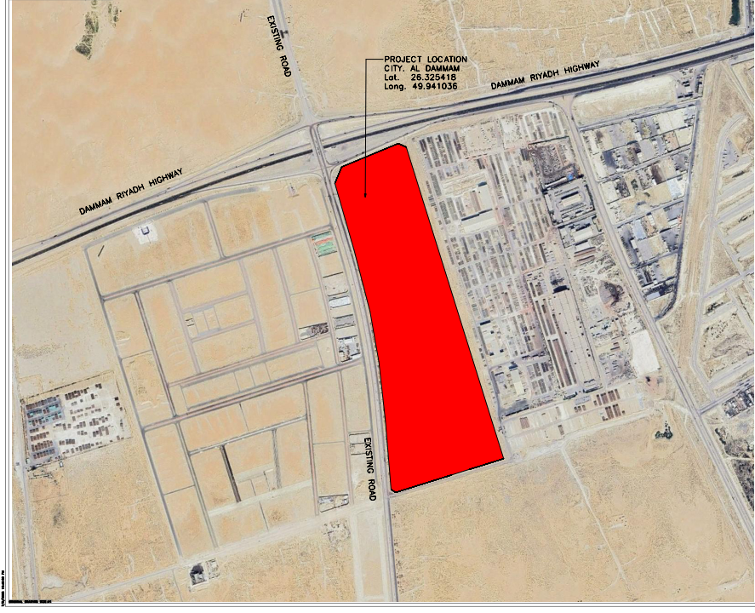
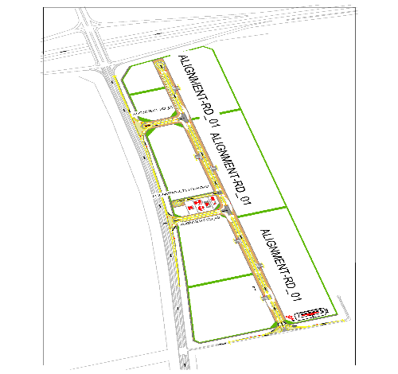
Development of the Technology City in Dammam Project
معلومات المشروع |  |  |  | ملخص التنفيذ |  |  |  |  |  | موقع المشروع
المقاول | شركة أنساب للمقاولات العامة | الاستشاري | EGIS | البند | وحدة القياس | الكمية الكلية | الكمية المنفذة | الكمية المتبقية | نسبة المنفذ
تاريخ استلام الموقع | 23 ديسمبر 2025 | مدة التنفيذ | 14 شهرًا ميلاديًا | أعمال الطرق(الاعمال الترابية) | م.3 | 817,067 | 127000 | 690067 | 15.45%
بداية العقد | من تاريخ استلام الموقع | قيمة العقد (شامل ضريبة القيمة المضافة) | 77,933,625.23 ريال | أعمال الطرق | م.ط | 1,800 | 0 | 1,800 | 0%
نسبة الإنجاز المخطط له | 24.92% | نسبة الإنجاز الفعلي | 11.24% | شبكة تصريف مياة السيول | م.ط | 5,560 | 0 | 5,560 | 0%
 |  |  |  | شبكة الصرف الصحي | م.ط | 2,073 | 0 | 2,073 | 0%
ملخص جدول الكميات |  |  |  | شبكة المياة | م.ط | 2,439 | 0 | 2,439 | 0%
مكونات المشروع |  | التكلفة (غير شامل ضريبة القيمة المضافة) | النسبة الاجمالية | شبكة الري | م.ط | 5,450 | 0 | 5,450 | 0%
أعمال السور وغرفة الحارس |  | 25,176,505 | 37.2% | شبكة الهاتف | م.ط | 5,652 | 0 | 5,652 | 0%
أعمال الطرق والأرصفة |  | 13,097,634 | 19.3% | شبكة الانارة | عدد | 75 | 0 | 75 | 0%
أعمال شبكة الصرف الصحي شامل المحطة |  | 737,052 | 1.1% | شبكة معالجة المياة | م.ط | 2,605 | 0 | 2,605 | 0% | تقدم أعمال layout
أعمال شبكة تصريف السيول شامل البحيرات |  | 6,229,998 | 9.2%
أعمال شبكة المياة |  | 1,654,610 | 2.4% | ملخص التوريدات
أعمال شبكة الري |  | 780,290 | 1.2% | البند | وحدة القياس | الكمية الكلية (م.ط) | الكمية المورده (م.ط) | الكمية المتبقية (م.ط) | نسبة التوريد
أعمال شبكة مياة المعالجة |  | 1,176,050 | 1.7% | أعمال الطرق | م.ط | 1,800 | 0 | 1,800 | 0%
أعمال الجهد المتوسط |  | 706,467 | 1.0% | شبكة تصريف مياة السيول | م.ط | 5,560 | 4,670 | 890 | 84%
أعمال الإتصالات وأنظمة الكاميرات والمراقبة |  | 4,857,929 | 7.2% | شبكة الصرف الصحي | م.ط | 2,073 | 1,936 | 137 | 93%
أعمال إنارة الطريق والجهد المنخفض |  | 968,363 | 1.4% | شبكة المياة | م.ط | 2,439 | 1,796 | 643 | 74%
أعمال مباني المرافق والخدمات |  | 12,383,471 | 18.3% | شبكة الري | م.ط | 5,450 | 0 | 5,450 | 0%
 |  |  |  | شبكة الهاتف | م.ط | 5,652 | 0 | 5,652 | 0%
معالم البرنامج الزمني |  |  |  | شبكة الانارة-الأعمدة | عدد | 75 | 0 | 75 | 0%
البند |  | التاريخ حسب الجدول الزمني | ملاحظة | شبكة معالجة المياة | م.ط | 2,605 | 1,200 | 1,405 | 46%
انتهاء من تجهيزات الموقع |  | 21-Feb-26 | تم الإنتهاء
انتهاء من تقديم خطة العمل والبرنامج الزمنى |  | 22-Jan-26 | تم الإنتهاء
انتهاء من تقديم واعتماد المخططات والمواد |  | 22-Jan-26 | تم إعتماد جميع المواد وجاري التوريد | التحديات والعوائق
انتهاء من أعمال الطرق والرصف |  | 23-Dec-26 |  | 1-النزاع على ملكية الأرض الخاصة بالمشروع مع أحد المواطنين
انتهاء من أعمال الكهربائية |  | 22-Feb-27 |  | 2-لم يتم صرف الدفعة المقدمة للمقاول 07-01-2025.
انتهاء من أعمال شبكة مياه الشرب |  | 27-Dec-26
انتهاء من أعمال شبكة الري |  | 27-Dec-26
انتهاء من أعمال شبكة مياه الصرف الصحي |  | 24-Oct-26
انتهاء من أعمال شبكة صرف مياه الامطار |  | 24-Oct-26

Risk Register

Department: |  |  |  |  |  |  |  |  | Status Date:
Program |  |  |  |  |  |  |  |  | 21-6-2026
Project: |  |  | Development of the Technology City in Dammam Project
Project No.: |  |  | DAMT-01-002
Project Location: |  |  | DAMMAM

 |  |  |  |  |  |  |  |  |  |  |  |  |  |  |  | Before Treatment |  |  |  |  |  |  |  |  |  |  | Post Treatment
Risk Data |  |  |  |  |  | Category |  |  | Risk Description |  |  | Risk Control Dates |  | Risk Manageability | Risk Proximity | Most Likely |  |  | Risk Owner | Risk Response & Treatment Action |  |  |  | Treatment Control Dates |  |  | Most Likely |  |  | Treatment Status
Risk ID | Region | Section / Group | City | Project ID | Risk Status | T/O/I | Internal/External | Category | Cause / Source | Risk | Consequence / Effect | Identified | Closed |  |  | Liklihood | Impact | Risk Score |  | Risk Response Strategy | Treatment Action | Treatment Acton Description | Treatment Action Owner | Start | Due | Closed | Liklihood | Impact | Risk Score

Rsk-01 | Eastern | Eastern | 2nd Industrial City in Dammam | DAMT-01-002 | Open | Threat | Internal | Procurment / Logistic | Delay in the supply of materials | Work stoppage or Delay in activity execution | Delay in the project schedule and increased overall project cost. | 1-Apr-26 |  | Moderate | Imminent | Medium | Very High | H15 | Contractor | Treat | Control | Communicating with suppliers to accelerate the delivery process and obtaining approval from the client for alternative supply sources to reduce the risk of delays. | Contractor | 1-Mar-26 | 1-Apr-26 | Jun-26 |  |  |  | Open
Rsk-02 | Eastern | Eastern | 2nd Industrial City in Dammam | DAMT-01-002 | Open | Threat | Internal | Resources / Finance | Delays in the payment of advance payments and contractor invoices | lead to work stoppage or slowdown, causing project schedule delays, reduced contractor performance, strained supplier relationships, and potential contractual claims or disputes. | Project schedule delays, disruptio of construction activities and strained relationships with contractors and suppliers | 23-Dec-25 |  | Hard | Overdue | Very High | Very High | H25 | Client | Treat | Control | 1.Expedite internal payment approval processes to ensure timely processing of invoices. 2.Assign a dedicated finance focal point to follow up and track payment cycles. 3.Implement a payment schedule monitoring system with clear deadlines. 4.Coordinate with project stakeholders to prioritize contractor payments in the cash flow plan. 5.Establish escalation procedures for overdue payments to prevent delays | CLIENT | 1-Jan-26 | 1-Feb-26 | Apr-26 |  |  |  | Open
Rsk-03 | Eastern | Eastern | 2nd Industrial City in Dammam | DAMT-01-002 | Open | Threat | Internal | Construction / Obstacle | Delay or failure of tests for executed works | Delays in carrying out required testing for completed works, or failure of tests to meet specified requirements | Project delays, rejection of completed works, rework or repair of defective works, increased costs, and potential contractual disputes or claims. | 14-Apr-26 |  | Moderate | Distant | Very Low | Very High | M5 | Contractor | Treat | Mitigate | 1.Develop and follow a detailed testing and inspection schedule aligned with the project program. 2.Ensure availability of required testing equipment and certified third-party laboratories in advance. 3.Coordinate closely with site teams to ensure readiness of works for inspection and testing. 4.Assign responsible personnel to track and follow up all testing activities. 5.Conduct pre-testing checks to minimize risk of test failure and rework | Contractor | 10-Oct-26 | 1-Nov-26 | Feb-27
Rsk-04 | Eastern | Eastern | 2nd Industrial City in Dammam | DAMT-01-002 | Open | Threat | Internal | Construction / Obstacle | The existing infrastructure may not be ready to connect with the newly constructed network, which could impact commissioning and project handover activities | Delay in commissioning and project completion, inability to integrate systems, rework or additional modification works, increased costs, and potential delays in project handover | Delay in commissioning and project handover, potential rework or redesign of tie-in works, increased project costs, and disruption to system integration and operational readiness | 14-Apr-26 |  | Moderate | Distant | Very Low | High | L4 | Client / Consultant | Treat | Mitigate | 1.Conduct early inspection and verification of the existing network condition. 2.Coordinate with the relevant authority to ensure readiness of tie-in points. 3.Perform detailed interface checks between new and existing systems. 4.Plan and schedule tie-in activities in advance with contingency buffers. 5.Prepare alternative technical solutions in case modifications are required | Client / Consultant | 10-Oct-26 | 1-Nov-26 | Nov-26
Rsk-05 | Eastern | Eastern | 2nd Industrial City in Dammam | DAMT-01-002 | Open | Threat | Internal | Construction / Obstacle | Groundwater is present at the construction/excavation site, which may require continuous dewatering operations to maintain a dry and stable working environment. This condition can affect excavation activities, foundation works, and overall construction progress if not properly managed. | Delay in excavation and construction activities, increased project costs due to dewatering operations, reduced productivity, potential instability of excavation works, and possible safety hazards on site. | Delay in excavation and foundation works, increased construction costs due to continuous dewatering operations, reduced productivity, potential instability of excavation works, and possible safety risks on site. | 14-Apr-26 |  | Moderate | Imminent | High | High | H16 | Contractor | Treat | Mitigate | 1.Conduct a detailed geotechnical and groundwater investigation prior to excavation. 2.Design and implement an appropriate dewatering system (e.g., pumps, wells, or drainage). 3.Monitor groundwater levels continuously during construction activities. 4.Develop a contingency plan for unexpected high water inflow. 5.Coordinate with the construction team to adjust sequencing of works based on site conditions | Contractor | 1-Jan-26 | 1-Feb-26 | Apr-26
Rsk-06 | Eastern | Eastern | 2nd Industrial City in Dammam | DAMT-01-002 | Realize | Opportunity | Internal | Scope / Requirments / Contractual | There are potential savings in the project Bill of Quantities (BOQ) following the accurate re-measurement and verification of project quantities. | Reduction in overall project cost, improved cost control, optimized resource allocation, and increased financial efficiency of the project. | Reduction in overall project cost, improved budget control, and increased financial efficiency, with potential opportunity to reallocate savings to additional works that enhance project value and benefits. | 14-Apr-26 |  | Ease | Imminent | High | Very Low | L4 | Contractor/Client/Consultant | Enhance/ Exploit | Mitigate | 1.Conduct detailed and accurate quantity surveying for all project items. 2.Verify and reconcile BOQ quantities against approved design drawings and site conditions. 3.Identify and document any discrepancies or overestimated quantities. 4.Coordinate with the consultant/engineer for approval of revised quantities. 5.Implement strict cost control and value engineering practices to maximize savings. 6.Initiating the optimal utilization of the savings to add new works that enhance the project benefits | Contractor/Client/Consultant | 1-Jan-26 | 1-Feb-26 | Apr-26 |  |  |  | Open

NOTES:
Risk Status: 1.Open, 2.Closed, or 3.Realized
T/O/I: 1.Threat, 2.Opportunity, or 3.Issue

Category (select 1):
1. Political
2. Legal, Regulatory, Compliance
3. Funding, Finance, Budget
4. Management, Governance, Policies, KPI, Performance
5. Human Resources |  |  |  |  |  |  |  |  |  |  |  |  |  |  |  |  |  |  |  |  |  | `
6. Stakeholders, Authorities, Approvals, Permits
7. Requirements, Specifications, Scope, Procurement, Contract
8. Process, Tools, Technique, Technology
9. Design, Engineering
10. Construction, Execution
11. Testing, Commissioning, Handover
12. Operation, Maintenance

Risk Description (add all 3):
1. Source/Cause
2. Event = Threat, Opportunity, or Issue
3. Consequence/Effect

Risk Response Strategy for Threats: 1.Terminate, 2.Tolerate, 3.Transfer, or 4.Treat
Risk Response Strategy for Opportunities: 1.Ignore, 2.Share, or 3.Enhance/Exploit
Treatment Action: 1.Mitigate, 2.Control, or 3.Fall Back
Treatment Status: 1.Unapproved, 2.Active, or 3.Closed

Risk Level/Score: Likelihood x Highest Impact (Safety, Cost, Schedule, Environment, Quality, or Reputation. See Risk Scoring Matrix tab)

Manpower
MANUAL MANPOWER HISTOGRAM
 | Plan - Monthly | Actual - Monthly
Jan-26 | 5 | 10
Feb-26 | 18 | 231
Mar-26 | 18 | 231
Apr-26 | 55 | 32
May-26 | 71 | 32
Jun-26 | 72 | 33
Jul-26 | 74 | 33
Aug-26 | 69 | 231
Sep-26 | 68 | 231
Oct-26 | 84
Nov-26 | 95
Dec-26 | 110 | 0
Jan-27 | 95 | 0
Feb-27 | 85 | 0
 |  | 0
 |  | 0
 |  | 0
 |  | 0
 |  | 0
 |  | 0
 |  | 0
 |  | 0
Head-Count ( Non Manual)
MONTHS | Jan-26 | Feb-26 | Mar-26 | Apr-26 | May-26 | Jun-26 | Jul-26 | Aug-26 | Sep-26 | Oct-26 | Nov-26 | Dec-26 | Jan-27 | Feb-27
Plan - Monthly | 5 | 6 | 18 | 9 | 9 | 9 | 9 | 9 | 9 | 9 | 9 | 9 | 9 | 9
Planned - Cumulative | 5 | 11 | 29 | 38 | 47 | 56 | 65 | 74 | 83 | 92 | 101 | 110 | 119 | 128
Actual - Monthly | 7 | 7 | 19 | 19 | 19 | 19 | 19 | 19 | 20
Actual Cumulative | 7 | 14 | 33 | 52 | 71 | 90 | 109 | 128 | 148
Forecast - Monthly
Saudi Monthly - Actual
Head-Count (Manual)
MONTHS | Jan-26 | Feb-26 | Mar-26 | Apr-26 | May-26 | Jun-26 | Jul-26 | Aug-26 | Sep-26 | Oct-26 | Nov-26 | Dec-26 | Jan-27 | Feb-27
Plan - Monthly | 5 | 18 | 18 | 55 | 71 | 72 | 74 | 69 | 68 | 84 | 95 | 110 | 95 | 85
Planned - Cumulative | 5 | 23 | 41 | 96 | 167 | 239 | 313 | 382 | 450 | 534 | 629 | 739 | 834 | 919
Actual - Monthly | 10 | 231 | 231 | 32 | 32 | 33 | 33 | 231 | 231
Actual Cumulative | 10 | 241 | 472 | 504 | 536 | 569 | 602 | 833 | 1064
Forecast - Monthly
Saudi - Actual

Head-Count (Non-Manual) |  |  |  |  |  |  |  |  |  |  |  |  |  |  |  |  |  |  |  |  |  |  |  |  |  |  |  |  |  |  | Month |  | Jul-25 | Aug-25
Planned | Actual |  | Variance |  | Forecast Next Month |  | Saudi Staff
18 | 19 |  | 1

Head-Count (Manual) |  |  |  |  |  |  |  |  |  |  | Man Power by Trade
Planned | Actual |  | Variance |  | Forecast Next Month |  | Saudi Staff |  |  |  | Key Trade |  | General Labor |  | Driver & Operator |  | Surveyor |  | Civil Foreman |  | Electrician |  | steel fixer |  | Electrician |  | Driver & Operator |  | Civil Foreman | Total
69 | 231 |  | 162 |  | 165 |  |  |  |  |  | Plan |  | 2 |  | 14 |  | 1 |  | 1 |  | 0 |  | 0 |  | 0 |  | 0 |  | 0 | 18
 |  |  |  |  |  |  |  |  |  |  | Actual |  | 148 |  | 11 |  | 5 |  | 1 |  | 1 |  | 5 |  | 0 |  | 60 |  | 0 | 231

EQUIPMENT HISTOGRAM
 | Plan - Monthly | Actual - Monthly
Jan-26 | 8 | 9
Feb-26 | 14 | 60
Mar-26 | 25 | 60
Apr-26 | 25 | 60
May-26 | 35 | 60
Jun-26 | 40 | 14
Jul-26 | 40 | 14
Aug-26 | 40 | 60
Sep-26 | 40 | 60
Oct-26
Nov-26
Dec-26
Jan-27
Feb-27
0
0
0
0
0
Sep-26
Oct-26
Nov-26 |  | 0
Dec-26
Equipment
MONTHS | Jan-26 | Feb-26 | Mar-26 | Apr-26 | May-26 | Jun-26 | Jul-26 | Aug-26 | Sep-26 | Oct-26 | Nov-26 | Dec-26 | Jan-27 | Feb-27 | 0 | 0 | 0 | 0 | 0 | Sep-26 | Oct-26 | Nov-26 | Dec-26
Plan - Monthly | 8 | 14 | 25 | 25 | 35 | 40 | 40 | 40 | 40
Planned - Cumulative | 8 | 22 | 47 | 72 | 107 | 147 | 187 | 227 | 267
Actual - Monthly | 9 | 60 | 60 | 60 | 60 | 14 | 14 | 60 | 60
Actual Cumulative | 9 | 69 | 129 | 189 | 249 | 263 | 277 | 337 | 397
Forecast - Monthly

Equipment Count
Planned | Actual |  | Idle |  | Variance |  | Forecast Next Month
40 | 60 |  | 0 |  | 20 |  | 112 |  |  |  |  |  |  |  |  |  |  |  |  |  |  |  |  | 65

Type | Roller Compactor |  | JCB |  | grader |  | Dozer |  | water tank |  | Generator | Dump Truck | water tank |  | excavator |  | water tank |  | Vibro hammer |  | Boom Truck | Wlding Machine | Generator | steel compactor | trailer | Paver | bus | Total |  |  |  | Pumps
Plan | 2 |  | 1 |  | 0 |  | 9 |  | 3 |  | 1 | 8 | 3 |  | 6 |  | 3 |  |  |  | 1 | 1 | 2 |  |  |  |  | 40
Actual | 0 |  | 3 |  | 6 |  | 9 |  | 5 |  | 1 | 23 | 5 |  | 7 |  |  |  |  |  |  |  | 1 |  |  |  |  | 60
Idle |  |  |  |  |  |  |  |  |  |  |  |  |  |  |  |  |  |  |  |  |  |  |  |  |  |  |  | 0

 |  |  |  |  |  | Excavator |  | Loader

Photos - Progress Summary (2)
S/N | Major Activities This Week | Ubcoming Major Activities NextThree Week
1 | اعمال صب الخرسانة المسلحة للسور | استمرار اعمال صب الخرسانة المسلحة للسور
2 | اعمال صب القواعد العادية Lift Station | حدادة ونجارة القواعد المسلحة Lift Station
3 | استمرار اعمال القطع والردم بالمشروع | استمرار اعمال القطع والردم بالمشروع
4 | اعمال صب القواعد العادية لغرفة التحكم | استمرار اعمال صب الخرسانة المسلحة لغرفة التحكم
5
6
7
8
9
10
11
12
13
14
15
16
17
18
19
20
21
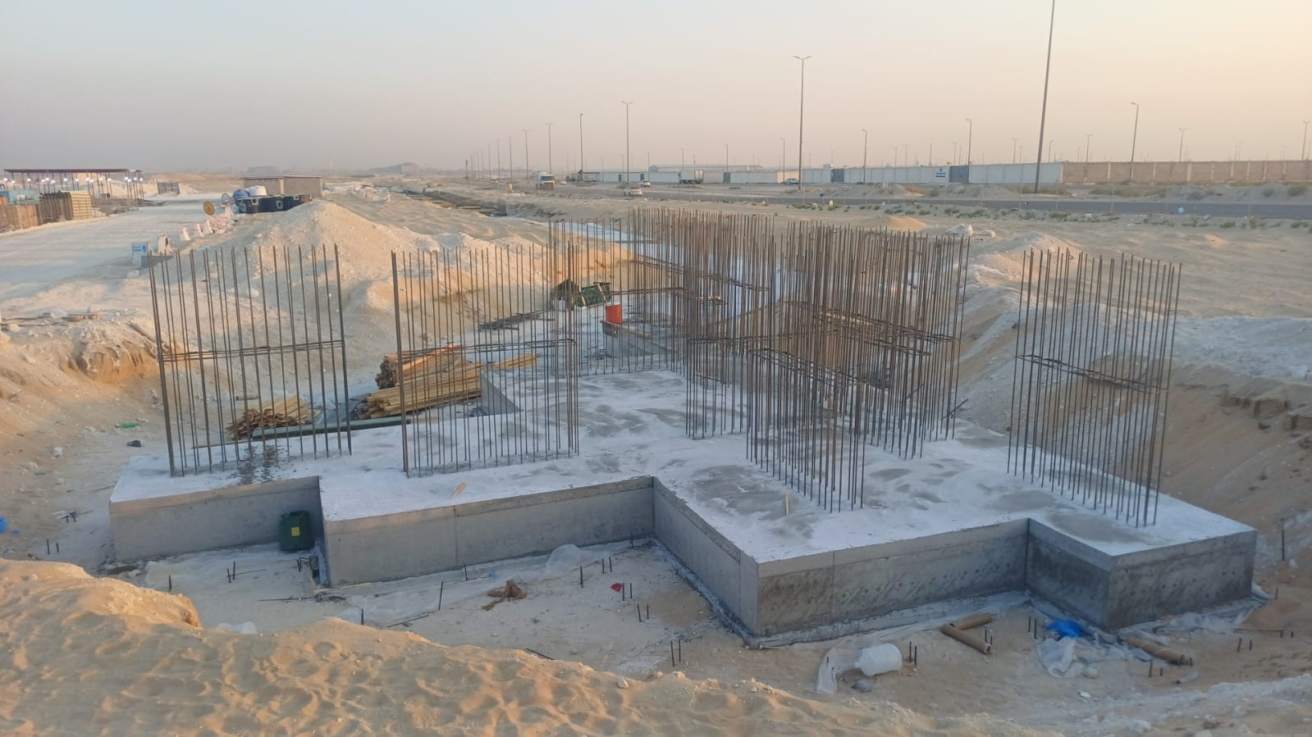

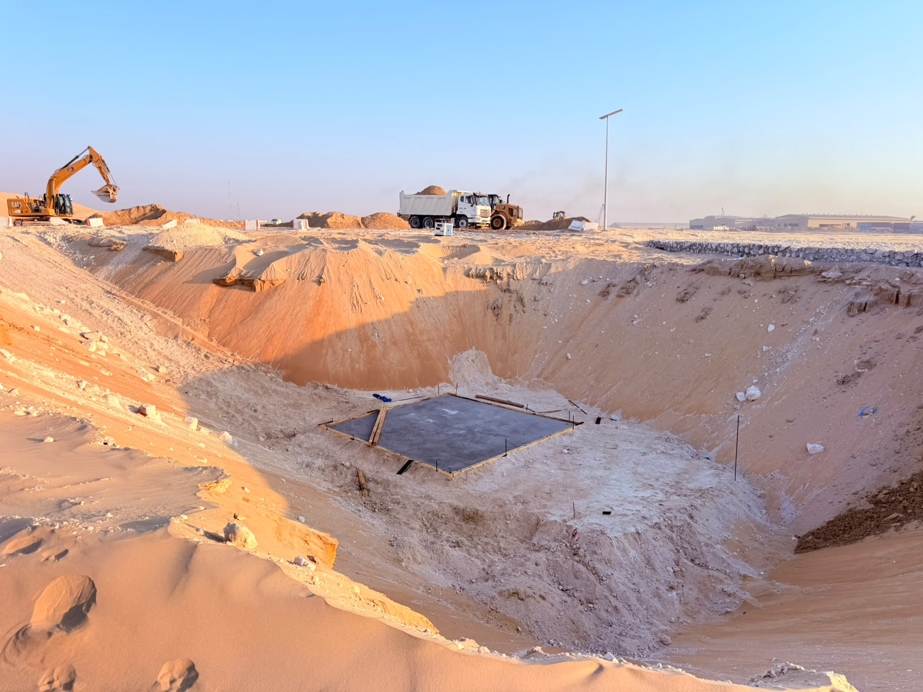
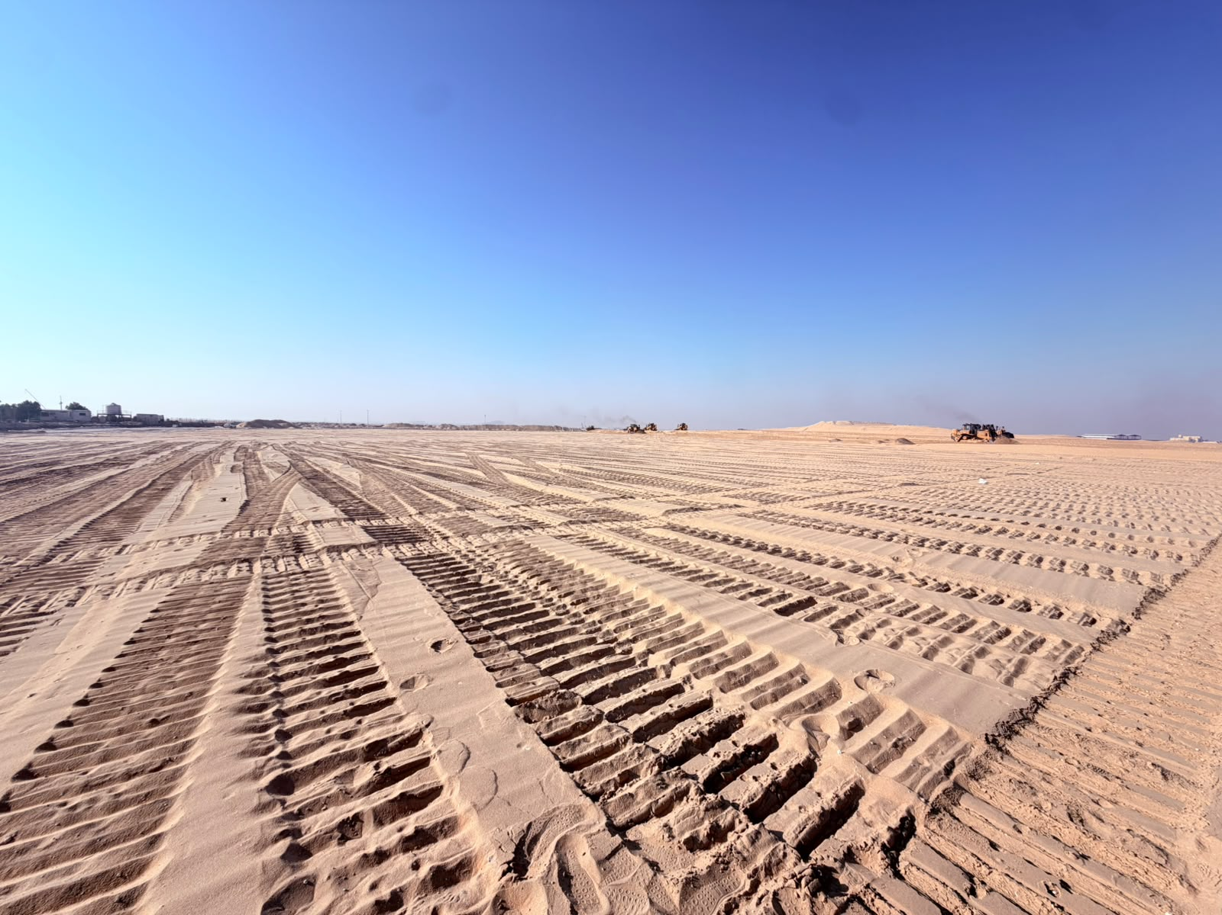
 | اعمال السور | اعمال فك قواعد خرسانة البوابة

 | اعمال صب الخرسانه العادية Lift Station | اعمال تسوية البلوكات

