Weekly Progress Report
MODON - Weekly Progress Report - Construction Projects |  |  |  |  |  |  |  |  |  |  |  |  |  |  |  |  |  |  |  |  |  |  |  |  |  |  |  |  |  |  | Data Date | 21-Sep-26
Contract General Information |  |  |  |  |  | Key Dates |  |  |  |  |  | Cost Summary (SR) |  |  |  |  |  |  |  | Performance Summary |  |  |  |  |  | Project Scope
Project Name | Factories Low-process Unit (HAFR Al Batin) |  |  |  |  | Contract Award | 15-Oct-25 | Contract Award (Hijri) | 15/10/2025 | Revised Completion | 26-Sep-26 | Original Contract Value |  | 16,496,856 |  | O&M Value (if any) |  | 0 |  | Plan Value | 99.55% | Phys. Plan Value | 99.72% | Quality Score | 79.1% | The Project scope of work to construct a Factories of low process unit (Hafr Al Batin) industrial city that refer to specific tasks and activities involved in a project. This typically includes activities such as site preparation, Excavation, Foundation work, Structural construction work, Installation of utilities, Finishing works, Electrical Work, Mechanical Works and Landscaping. The scope outlines what will be done and by whom and within the planned timeframe.
Project ID | HFR1-05-03 |  | Stage | Construction |  | Contract Sign | 16-Nov-25 | Contract Sign (Hijri) | 16/11/2025 | Committed Completion | 29-Oct-26 | Revised Contract Value |  | 16,496,856 |  | Submitted Invoices (Gross Value) |  | 10,687,825.21 |  | Earn Value | 98.17% | Phys. Earn Value | 98.02% |  | ¢¢¢¢¢ ¢¢£££
Contractor | SOROH AL KHAIR CONTRACTING CO. |  | Status | Active |  | Site Handover | 27-Nov-25 | Site Handover (Hijri) | 27/11/2025 | Forecast Completion | 7-Nov-26 | Estimate At Completion Value |  | 16,496,856 |  | Penalities |  | (141,000) |  | Variance | (1.4%) | Variance | (1.7%) | Safety Score | 78.8%
Consultant | EGIS |  | Modon PM | Eng. Mohammed Al Essa |  | Original Completion | 26-Sep-26 | Original Completion (Hijri) | 26/09/2026 | Variance | (42) | Potential Changes |  | 0 |  | FIR Value (Todate) |  | 11,743,680 |  | FIR % | 71.19% | Invoiced % | 64.79% |  | ¢¢¢¢¢ ¢¢£££

 | Revised Planned % | Earned % | Variance
Mobilization | 0.0% | 0.0% | 0.0%
Engineering Phase | 100.0% | 100.0% | 0.0%
Procurment | 100.0% | 100.0% | 0.0%
Construction phase | 100.0% | 99.3% | -0.7%
site general works | 100.0% | 100.0% | 0.0%
Hunger -1 | 100.0% | 99.6% | -0.4%
Hunger-2 | 100.0% | 99.6% | -0.4%
Sephtic Tank | 100.0% | 100.0% | 0.0%
Mosque -elec room-Toilets Works | 100.0% | 97.4% | -2.6%
GRB Tank | 100.0% | 100.0% | 0.0%
Pump room | 100.0% | 99.5% | -0.5%
External WORKS-MEP | 100.0% | 98.0% | -2.0%
External Works landscape | 100.0% | 94.2% | -5.8%
Testing and comissiong | 95.5% | 86.2% | -9.2%
Close Out | 0.0% | 0.0% | 0.0%
 | 0.0% | 0.0% | 0.0%
 | 0.0% | 0.0% | 0.0%
Progress Overview
Earned Value Progress (SAR) |  |  |  |  |  |  |  |  |  |  |  |  |  | Physical Progress (Effort) |  |  |  |  |  |  |  |  |  |  |  | Earned Value Progress (%)
WBS |  | BOQ Value (SAR) | % Wt. | Weekly (SAR) |  | To Date (SAR) |  |  |  |  |  |  |  | Budgeted | % Wt. | Weekly Physical Progress |  |  |  | To Date Physical Progress
 |  |  |  | Planned | Earned | Original Plan | Revised Planned | Earned | Original Plan % | Revised Planned % | Earned % | Variance | SPI | (Manhours) |  | Planned | Earned | Plan % | Earned % | Planned | Earned | Plan % | Earned % | Variance | SPI
Mobilization |  | - | 0.0% | - | - | - | - | - | 0.0% | 0.0% | 0.0% | 0.0% |  | 4,400 | 3.0% | - | - | 0.0% | 0.0% | 4,400 | 4,400 | 100.0% | 100.0% | 0.0% | 1.00
Engineering Phase |  | 494,865 | 3.0% | - | - | 494,865.00 | 494,865.00 | 494,865.00 | 100.0% | 100.0% | 100.0% | 0.0% | 1.00 | 7,321 | 5.0% | - | - | 0.0% | 0.0% | 7,321 | 7,321 | 100.0% | 100.0% | 0.0% | 1.00
Procurment |  | 3,299,371 | 20.0% | - | 10,324.70 | 3,299,371.00 | 3,299,371.00 | 3,299,371.00 | 100.0% | 100.0% | 100.0% | 0.0% | 1.00 | 17,626 | 12.0% | - | 74 | 0.0% | 0.4% | 17,626 | 17,626 | 100.0% | 100.0% | 0.0% | 1.00
Construction phase |  | 11,052,936 | 67.0% | 52,113.60 | 144,090.88 | 11,052,935.87 | 11,052,935.87 | 10,978,371.61 | 100.0% | 100.0% | 99.3% | -0.7% | 0.99 | 109,913 | 75.0% | 244 | 2,590 | 0.2% | 2.4% | 109,832 | 108,012 | 99.9% | 98.3% | -1.7% | 0.98
site general works |  | 1,298,122 | 7.9% | - | - | 1,298,122.04 | 1,298,122.04 | 1,298,122.04 | 100.0% | 100.0% | 100.0% | 0.0% | 1.00 | 5,423 | 3.7% | - | - | 0.0% | 0.0% | 5,423 | 5,423 | 100.0% | 100.0% | 0.0% | 1.00
Hunger -1 |  | 3,846,587 | 23.3% | 52,113.60 | 33,514.57 | 3,846,587.17 | 3,846,587.17 | 3,832,084.23 | 100.0% | 100.0% | 99.6% | -0.4% | 1.00 | 23,347 | 15.9% | 157 | 320 | 0.7% | 1.4% | 23,295 | 23,137 | 99.8% | 99.1% | -0.7% | 0.99
Hunger-2 |  | 3,851,109 | 23.3% | - | 33,277.93 | 3,851,109.03 | 3,851,109.03 | 3,836,609.69 | 100.0% | 100.0% | 99.6% | -0.4% | 1.00 | 24,765 | 16.9% | 88 | 350 | 0.4% | 1.4% | 24,736 | 24,529 | 99.9% | 99.0% | -0.8% | 0.99
Sephtic Tank |  | 149,552 | 0.9% | - | - | 149,552.06 | 149,552.06 | 149,552.06 | 100.0% | 100.0% | 100.0% | 0.0% | 1.00 | 7,817 | 5.3% | - | - | 0.0% | 0.0% | 7,817 | 7,817 | 100.0% | 100.0% | 0.0% | 1.00
Mosque -elec room-Toilets Works |  | 396,378 | 2.4% | - | 20,068.17 | 396,377.89 | 396,377.89 | 386,130.49 | 100.0% | 100.0% | 97.4% | -2.6% | 0.97 | 15,308 | 10.4% | - | 671 | 0.0% | 4.4% | 15,308 | 14,842 | 100.0% | 97.0% | -3.0% | 0.97
GRB Tank |  | 163,750 | 1.0% | - | - | 163,749.60 | 163,749.60 | 163,749.60 | 100.0% | 100.0% | 100.0% | 0.0% | 1.00 | 9,922 | 6.8% | - | - | 0.0% | 0.0% | 9,922 | 9,922 | 100.0% | 100.0% | 0.0% | 1.00
Pump room |  | 389,713 | 2.4% | - | 2,664.93 | 389,712.84 | 389,712.84 | 387,774.89 | 100.0% | 100.0% | 99.5% | -0.5% | 1.00 | 7,698 | 5.3% | - | 192 | 0.0% | 2.5% | 7,698 | 7,313 | 100.0% | 95.0% | -5.0% | 0.95
External WORKS-MEP |  | 581,706 | 3.5% | - | 3,195.27 | 581,705.66 | 581,705.66 | 570,319.85 | 100.0% | 100.0% | 98.0% | -2.0% | 0.98 | 6,008 | 4.1% | - | 7 | 0.0% | 0.1% | 6,008 | 5,985 | 100.0% | 99.6% | -0.4% | 1.00
External Works landscape |  | 376,020 | 2.3% | - | 51,370.56 | 376,019.58 | 376,019.58 | 354,028.77 | 100.0% | 100.0% | 94.2% | -5.8% | 0.94 | 9,626 | 6.6% | - | 1,050 | 0.0% | 10.9% | 9,626 | 9,045 | 100.0% | 94.0% | -6.0% | 0.94
Testing and comissiong |  | 1,649,684 | 10.0% | 259,325.32 | 41,242.10 | 1,574,698.36 | 1,574,698.36 | 1,422,852.45 | 95.5% | 95.5% | 86.2% | -9.2% | 0.90 | 7,320 | 5.0% | 1,150 | 183 | 15.7% | 2.5% | 6,987 | 6,314 | 95.5% | 86.3% | -9.2% | 0.90
Close Out |  | - | 0.0% | - | - | - | - | - | 0.0% | 0.0% | 0.0% | 0.0% |  | - | 0.0% | - | - | 0.0% | 0.0% | - | - | 0.0% | 0.0% | 0.0%

Earned Value - Cost
 | Baseline Plan | Revised / Recovery Plan | Earned Value | Forecast | Gross Paid Value
Nov-25 | 0.0% |  |  |  | 10.0%
Dec-25 | 0.0% |  | 0.0% |  | 10.0%
Jan-26 | 5.4% |  | 6.2% |  | 10.0%
Feb-26 | 8.4% |  | 12.1% |  | 11.7%
Mar-26 | 25.1% |  | 24.0% |  | 11.7%
Apr-26 | 54.1% |  | 52.0% |  | 11.7%
May-26 | 68.2% |  | 64.6% |  | 30.3%
Jun-26 | 81.4% |  | 74.6% |  | 30.3%
Jul-26 | 89.5% |  | 83.9% | 71.9% | 63.0%
Aug-26 | 93.7% |  | 92.1% | 76.6% | 74.8%
Sep-26 | 100.0% |  | 98.2% | 84.1%
Oct-26 |  |  |  | 87.1%
Nov-26 |  |  |  | 91.5%
Dec-26 |  |  |  | 94.8%
Jan-27 |  |  |  | 99.8%
Feb-27 |  |  |  | 100.0%
Mar-27
Apr-27
May-27
Jun-27
Jul-27
Aug-27
Physical Progress - Effort
 | Baseline Plan | Revised / Recovery Plan | Earned Effort % | Forecast
Nov-25 | 0.4% |  | 0.4%
Dec-25 | 5.1% |  | 4.2%
Jan-26 | 10.4% |  | 10.2%
Feb-26 | 15.4% |  | 17.3%
Mar-26 | 29.5% |  | 33.4%
Apr-26 | 48.5% |  | 48.6%
May-26 | 61.9% |  | 57.4%
Jun-26 | 74.5% |  | 66.0%
Jul-26 | 89.7% |  | 78.4% | 64.1%
Aug-26 | 94.0% |  | 90.2% | 74.3%
Sep-26 | 100.0% |  | 98.0% | 82.6%
Oct-26 |  |  |  | 87.0%
Nov-26 |  |  |  | 91.2%
Dec-26 |  |  |  | 95.2%
Jan-27 |  |  |  | 99.2%
Feb-27 |  |  |  | 100.0%
Mar-27
Apr-27
May-27
 | Total | 16,496,856 | 100.0% | 311,439 | 195,658 | 16,421,870 | 16,421,870 | 16,195,460 | 99.55% | 99.55% | 98.17% | -1.37% | 0.99 | 146,580 | 100.0% | 1,394 | 2,847 | 0.95% | 1.94% | 146,166 | 143,673 | 99.72% | 98.02% | -1.70% | 0.98
 |  |  |  |  |  |  |  |  |  |  |  |  |  |  |  |  |  |  |  |  |  |  |  |  |  | Construction Milestones
 |  |  |  |  |  |  |  |  |  |  |  |  |  |  |  |  |  |  |  |  |  |  |  |  |  | Item No. | Milestones |  | Original (Baseline) | Latest Plan | Forecast | Status | Days Change
 |  |  |  |  |  |  |  |  |  |  |  |  |  |  |  |  |  |  |  |  |  |  |  |  |  | 1 | Award Date |  | 15-Oct-25 | 15-Oct-25 | 15-Oct-25 | A | 0
 |  |  |  |  |  |  |  |  |  |  |  |  |  |  |  |  |  |  |  |  |  |  |  |  |  | 2 | Contract Sign Date |  | 16-Nov-25 | 16-Nov-25 | 16-Nov-25 | A | 0
 |  |  |  |  |  |  |  |  |  |  |  |  |  |  |  |  |  |  |  |  |  |  |  |  |  | 3 | Site Handover Date |  | 27-Nov-25 | 27-Nov-25 | 27-Nov-25 | A | 0
 |  |  |  |  |  |  |  |  |  |  |  |  |  |  |  |  |  |  |  |  |  |  |  |  |  | 4 | Complete Mobilization |  | 28-Dec-25 | 28-Dec-25 | 28-Dec-25 | A | 0
 |  |  |  |  |  |  |  |  |  |  |  |  |  |  |  |  |  |  |  |  |  |  |  |  |  | 7 | Complete Earthworks |  | 22-Mar-26 | 4-Apr-26 | 4-Apr-26 | F | 0
 |  |  |  |  |  |  |  |  |  |  |  |  |  |  |  |  |  |  |  |  |  |  |  |  |  | 8 | Complete Civil & Arch Works |  | 16-Jul-25 | 14-Nov-26 | 11-Oct-26 | F | 34
 |  |  |  |  |  |  |  |  |  |  |  |  |  |  |  |  |  |  |  |  |  |  |  |  |  | 9 | Complete Electrical Works |  | 2-Sep-25 | 7-Nov-26 | 17-Oct-26 | F | 21
 |  |  |  |  |  |  |  |  |  |  |  |  |  |  |  |  |  |  |  |  |  |  |  |  |  | 10 | Complete Mechanical Works |  | 26-Sep-25 | 2-Dec-26 | 29-Oct-26 | F | 34
 |  |  |  |  |  |  |  |  |  |  |  |  |  |  |  |  |  |  |  |  |  |  |  |  |  | 11 | Complete Finishing Works |  | 26-Sep-26 | 29-Nov-26 | 29-Oct-26 | F | 31
 |  |  |  |  |  |  |  |  |  |  |  |  |  |  |  |  |  |  |  |  |  |  |  |  |  | 12 | Project Handover |  | 26-Sep-26 | 28-Dec-26 | 7-Nov-26 | F | 51
Project Status Score
 | Max | Score
SPI (Physical Effort) | 100% | 98%
SPI (Cost) | 100% | 99%
On Schedule -Active | 100% | 108%
Manpower Availability | 100% | 171%
Major Equipment Availability | 100% | 100%
Billing % Compared to Planned | 100% | 3%
Safety Score | 100% | 75%
Quality Score | 100% | 0%
Actual Invoices
 | Monthly Gross Value
 | 281,548.46
 | 3,060,385.14
 | 3,339,046.68
 | 2,061,406.25
 | 1,945,438.68

2,137,565

Performance overview
Submittals Status |  |  |  |  |  |  |  |  |  |  | Quality |  |  |  |  |  |  |  |  |  |  | Safety
Shop Drawings |  |  |  |  |  |  |  |  |  |  | Quality Reports |  |  |  |  |  |  |  |  |  |  | Safety Statistics |  |  |  |  |  |  |  | Proactive Vs Reactive Actions Taken
Item Per WBS |  | Total | Total Submitted Drawings |  |  |  |  | Remaining | Pending | Total Submittals | Quality Reports |  | Issued | Closed | Pending | Avg. Closing (Days) | Pending |  |  |  |  | Category | Item |  | This Week |  | This Month | Year to Date | Cumulative
 |  |  | A | B | C | D | Processed |  |  |  |  |  |  |  |  |  | 0-10 Days | 11-20 Days | 21-30 Days | 31-60 Days | > 60 Days
Civil /Roads |  | 19 | 2 | 17 |  |  | 19 | 0 |  | 19 |  |  |  |  |  |  |  |  |  |  |  | General | Total Hours Worked |  | 3,480 |  | 11,400 | 143,630 | 143,630 |  |  | Proactive | 44
Structural |  | 129 | 8 | 121 |  |  | 129 |  |  | 129 | Non Conformance (NCR) |  | 7 | 7 | 0 | 0 | 0 | 0 | 0 | 0 | 0 |  | Safe Hours Worked |  | 3,480 |  | 11,400 | 143,630 | 143,630 |  |  | Reactive | 0
Architectural |  | 37 | 3 | 34 |  |  | 37 | 0 | 0 | 37 | Site Instruction (SIR) |  | 15 | 15 | 0 | 0 | 0 | 0 | 0 | 0 | 0 | Reactive | LTI |  | 0 |  | 0 | 0 | 0
Mechanical |  | 41 |  | 41 |  |  | 41 | 0 | 0 | 41 | Material Inspection (MIR) |  | 81 | 65 | 16 | 0 | 0 | 0 | 0 | 0 | 0 |  | MTC (Healed w/o Disability) |  | 0 |  | 0 | 0 | 0
Electrical |  | 40 | 0 | 40 |  | 0 | 40 | 0 | 0 | 40 | Field Inspection (FIR) |  | 727 | 716 | 11 | 0 | 0 | 0 | 0 | 0 | 0 |  | MTC (Healed w/ Disability) |  | 0 |  | 0 | 0 | 0
TOTAL |  | 266 | 13 | 253 | 0 | 0 | 266 | 0 | 0 | 266 | Key Submittals Approval Status |  |  |  |  |  |  |  |  |  |  |  | Near Miss |  | 0 |  | 0 | 0 | 0
Material Approval |  |  |  |  |  |  |  |  |  |  | 1 Quality Plan Approval |  |  | 25-Mar-26 |  | 6 Baseline Approval |  |  |  | 7-Mar-26 |  |  | First Aid Cases |  | 0 |  | 0 | 0 | 0 | Total Hours Worked Vs Safe Hours Worked
Item Per WBS |  | Total | Total Submitted Material |  |  |  |  | Remaining to approve | Pending | Total Submittals | 2 Quality Plan Last Up |  |  | 25-Mar-26 |  | 7 No of Approved Version of Schedule |  |  |  | 2 |  |  | Fatality |  | 0 |  | 0 | 0 | 0
 |  |  | A | B | C | D | Processed |  |  |  | 3 Safety Plan Approval |  |  | 22-Sep-26 |  | 8 Last Approved Schedule |  |  |  | 7-Mar-26 |  |  | Fire Incident Cases |  | 0 |  | 0 | 0 | 0
Civil / Roads |  | 9 |  | 9 |  | 0 | 9 |  | 0 | 9 | 4 Safety Plan Last Up |  |  | 0 |  | 9 BOQ Approval Date |  |  |  | 16-May-26 |  |  | Vehicle Incident |  | 0 |  | 0 | 0 | 0
Structural |  | 9 | 0 | 9 | 0 | 0 | 9 |  |  | 9 | 5 Construction Plan Approval |  |  | 0 |  | 10 No of Approved Version of BOQ |  |  |  | 0 |  |  | Property Damages |  | 0 |  | 0 | 0 | 0
Architectural |  | 30 | 1 | 26 | 0 | 1 | 26 | 0 | 2 | 30 | Invoices Summary |  |  |  |  |  |  |  |  |  |  | Proactive | Induction Training |  | 0 |  | 7 | 11 | 11
Mechanical |  | 20 | 0 | 20 |  | 0 | 20 | 0 |  | 20 | Total Submitted Invoices |  | 5 | Submitted Invoices (SAR) |  |  | 10,687,825 |  | Contract Value (SR) | 16,496,856 |  |  | No.of Internal Training |  | 0 |  | 4 | 5 | 5
Electrical |  | 18 | 0 | 18 | 0 | 0 | 18 |  |  | 18 | PM Approved Invoices |  | 0 | PM Approved Invoices (SAR) |  |  | 0 |  | Planned Value (SR) | 16,421,870 |  |  | No.of Internal Audit |  | 0 |  | 1 | 5 | 5
TOTAL |  | 86 | 1 | 82 | 0 | 1 | 82 | 0 | 2 | 86 | No of Paid Invoices |  | 0 | Paid Invoices (SAR) |  |  | 281,548 |  | Earned Value (SR) | 16,195,460 |  |  | No. of Toolbox Talks |  | 0 |  | 18 | 23 | 23
Procurement Summary |  |  |  |  |  |  |  |  |  |  | No of Pending Invoices |  | 0 | Last Submitted Period |  |  | 20-Aug-26 |  | Submitted (SAR) | 10,687,825 |  |  | Safety Awards/Incentives |  | 0 |  | 0 | 0 | 0
Item Per WBS |  | Total Materials | Total Number of P.O. | Actual P.O. To Date | Remaining P.O | Material on Site | Remaining Materials | Material Delivery Completion (Date) |  |  | Advance Payment % |  | 10% | Advance Payment (SAR) |  |  | 1,649,686 |  | PM Approved (SAR) | 0 |  | Latest Contract Change Order Log
 |  |  |  |  |  |  |  |  |  |  | Retention % |  | 0% | Retention (SAR) |  |  | 0 |  | Total Paid (SAR) | 281,548
Civil |  | 9 | 9 | 9 |  | 9 | 0 | 19-Sep-26 |  |  | Deduction / Penalties % |  | 1% | Deduction / Penalties (SAR) |  |  | (141,000) |  |  |  |  | CCO No. | Date Added | Description of Change |  |  |  |  | Status | Cost | Sch Impact (Months) | Date Approved | Duration
Structural |  | 9 | 9 | 9 |  | 9 | 0 | 5-May-26 |  |  | Resources at Site
Architectural |  | 22 | 22 | 22 |  | 22 | 0 | 19-Sep-26 |  |  | Head Count - Non Manual |  |  |  | Head Count - Manual |  |  |  | Total Head Count |  |  | 1
Mechanical |  | 28 | 28 | 28 | 0 | 28 | 0 | 29-Aug-26 |  |  | Planned | Actual | Next Month Forecast | Saudi Staff | Planned | Actual | Next Month Forecast | Saudi Staff | Total Plan | Total Actual | Variance
Electrical |  | 25 | 25 | 25 |  | 25 |  | 29-Aug-26 |  |  | 12 | 10 | #N/A | 0 | 34 | 58 | #N/A | 0 | 46 | 68 | 22
TOTAL |  | 93 | 93 | 93 | 0 | 93 | 0 | 19-Sep-26 |  |  | Manpower Breakdown by Trade |  |  |  |  |  |  | Major Equipment
 | Plan - Monthly | Actual - Monthly | Forecast - Monthly
Jan-25
Feb-25
Mar-25
Apr-25
May-25
Jun-25
Jul-25
Aug-25
Sep-25
Oct-25
Nov-25 | 0 | 15 | 0
Dec-25 | 3 | 21 | 18
Jan-26 | 32 | 22 | 17
Feb-26 | 49 | 30 | 40
Mar-26 | 61 | 35 | 53
Apr-26 | 89 | 51 | 75
May-26 | 92 | 54 | 82
Jun-26 | 81 | 67 | 85
Jul-26 | 76 | 57 | 81
Aug-26 | 57 | 63 | 75
Sep-26 | 34 | 58 | 72
Primavera P6 Schedule Status |  |  |  |  |  |  |  |  |  |  | Key Trade | Planned | Actual |  |  |  |  | Type | Planned | Actual | Idle
Project Activities Overview |  |  |  |  |  |  |  |  |  |  | General Labor | 10 | 12 |  |  |  |  | Excavator | 0 | 1 | 0
Schedule Statistics |  |  |  |  | Active Schedule Activities |  |  |  |  |  | Carpenter | 4 | 4 |  |  |  |  | Loader | 0 | 2 | 0 | Major Quantity Trackers
Total Act. | Not Started | In Progress | Completed | % | Active | Ahead | On | Behind | Flag | 0 | Plumber | 3 | 4 |  |  |  |  | Dozer | 0 | 0 | 0 | BOQ N0. | Item Description |  |  |  |  | Total Qty | Measu Unit | Plan to Date | Act to Date | Remaining | Variance
902 | 9 | 40 | 854 | 94.68% | 40 | 29 | 14 | 15 | 28 |  | Operator | 0 | 13 |  |  |  |  | Dumper | 0 | 2 | 0 | 2.1.1 | Excavation |  |  |  |  | 1503.00 | M3 | 1503.00 | 629.42 | 873.58 | 873.58
Critical Path Activities |  |  | Free Float Management (Total) |  |  |  | Failed Start Activities |  |  |  | Steel Fixer | 4 | 4 |  |  |  |  | Crane | 0 | 1 | 0 | 2.1.3 | Backfilling |  |  |  |  | 20258.76 | M3 | 20258.76 | 14724.77 | 5533.99 | 5533.99
 |  |  | Greater Than 14 Days |  | Less Than 14 Days |  |  |  |  |  | Mason | 2 | 2 |  |  |  |  | Grader | 0 | 1 | 0 | 0 | 0 |  |  |  |  | 0.00 | 0.00 | 0.00 | 0.00 | 0.00 | 0.00
Last Week | This Week | Diff | Last Week | This Week | Last Week | This Week | Last Week | This Week | Flag | 0 | Others | 11 | 19 |  |  |  |  | Other | 0 | 6 | 0 | 0 | 0 |  |  |  |  | 0.00 | 0.00 | 0.00 | 0.00 | 0.00 | 0.00
12 | 2 | 10 | 41 | 41 | -80 | -36 | 11 | 10 | 1 |  | Total | 34 | 58 |  |  |  |  | Total | 0 | 13 | 0 | 0 | 0 |  |  |  |  | 0.00 | 0.00 | 0.00 | 0.00 | 0.00 | 0.00
Weekly Prgoress Photos |  |  |  |  |  |  |  |  |  |  |  |  |  |  |  | Top Issues and Risks
Installation of Exaust Fan for Building 2 |  |  |  |  | Installation of Epoxy Paint - Building 2 |  |  |  |  |  | Commsission of Panel Board for Building 2 |  |  |  |  | Top 5 Issues
 |  |  |  |  |  |  |  |  |  |  |  |  |  |  |  | Issue No | Date Identified | Issue Description |  |  |  | Responsible | Action Taken |  |  | Mitigation |  |  |  |  | Current Status | Expected/Actual Closure | Duration Elapsed
 |  |  |  |  |  |  |  |  |  |  |  |  |  |  |  | 1 | 14/06/2026 | Workers at height during lifting operations without proper coordination. |  |  |  | Contractor | Work sequence revised, lifting and work-at-height activities separated, supervision increased. |  |  |  |  |  |  |  | Closed | 14/06/2026 | 0 days
 |  |  |  |  |  |  |  |  |  |  |  |  |  |  |  | 2 | 14/06/2026 | Workers were exposed to suspended load during lifting operations due to inadequate barricading and unsafe work positioning. |  |  |  | Contractor | Lifting activity stopped, exclusion zone established, barricades installed, workers relocated from the danger area, toolbox talk conducted, and tag lines provided. |  |  |  |  |  |  |  | Closed | 14/06/2026 | 0 days
 |  |  |  |  |  |  |  |  |  |  |  |  |  |  |  | 3 | 14/06/2026 | Lack of proper isolation of lifting area. |  |  |  | Contractor | Barricades and warning signs installed, access restricted to authorized personnel only. |  |  |  |  |  |  |  | Closed | 14/06/2026 | 0 days
 |  |  |  |  |  |  |  |  |  |  |  |  |  |  |  | 4 | 29-06-2026 | Poor House keeping obsered in work zone area |  |  |  | Contractor | Site house keeping team has been instruted to clean area immediately and maintain daily monitoring |  |  |  |  |  |  |  | Open | 2026-09-22
 |  |  |  |  |  |  |  |  |  |  |  |  |  |  |  | 5

Weekly Photos
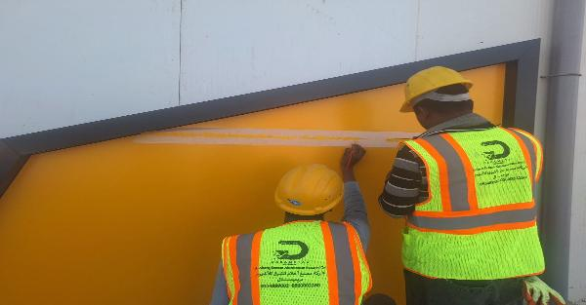
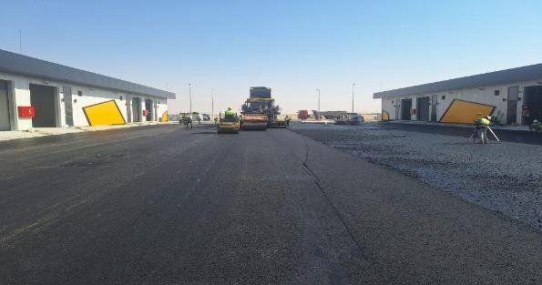
Date | 21-Sep-26

Commsission of Panel Board for Building 2 |  | Installation of Water draiange from roof top
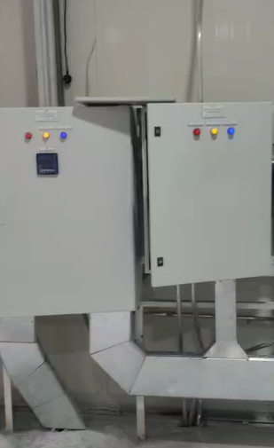
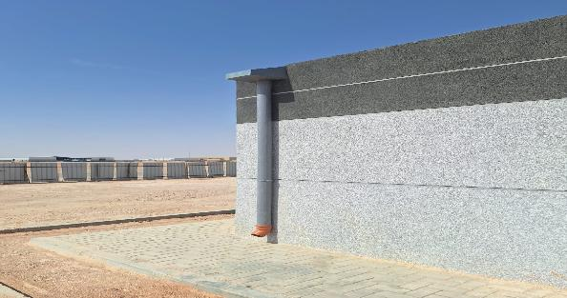

Installation of Exaust Fan for Building 2 |  | Installation of Epoxy Paint - Building 2
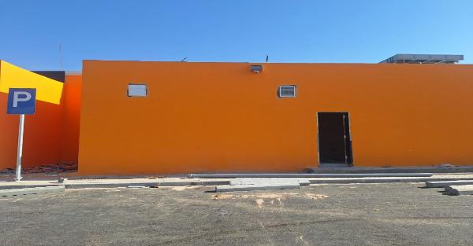
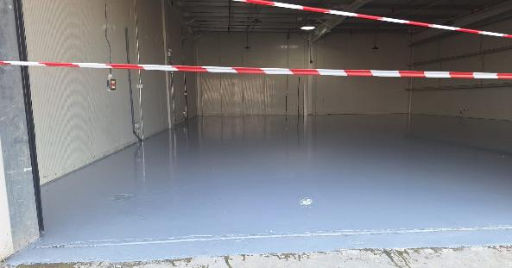

Installation of Traffic Signs |  | Installation of Road Markings Work
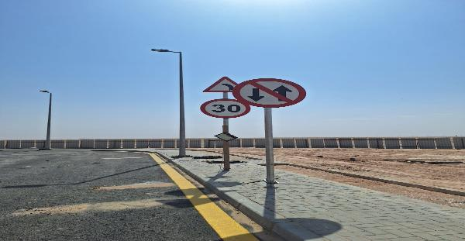
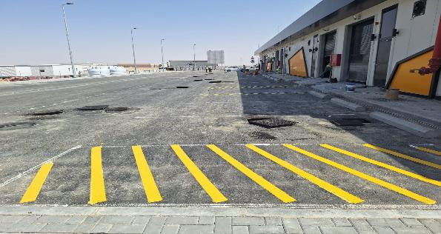

Installation of Cladding for Building 2 |  | Asphlat work 2nd layer for Road Work

Risk Register

Department: |  |  |  |  |  |  |  |  | Status Date:
Program |  |  |  |  |  |  |  |  | 21-Sep-26
Project: |  |  | Factories Low-process Unit (HAFR Al Batin)
Project No.: |  |  | HFR1-05-03
Project Location: |  |  | HAFR AL BATIN

 |  |  |  |  |  |  |  |  |  |  |  |  |  |  |  | Before Treatment |  |  |  |  |  |  |  |  |  |  | Post Treatment
Risk Data |  |  |  |  |  | Category |  |  | Risk Description |  |  | Risk Control Dates |  | Risk Manageability | Risk Proximity | Most Likely |  |  | Risk Owner | Risk Response & Treatment Action |  |  |  | Treatment Control Dates |  |  | Most Likely |  |  | Treatment Status
Risk ID | Region | Section / Group | City | Project ID | Risk Status | T/O/I | Internal/External | Category | Cause / Source | Risk | Consequence / Effect | Identified | Closed |  |  | Liklihood | Impact | Risk Score |  | Risk Response Strategy | Treatment Action | Treatment Acton Description | Treatment Action Owner | Start | Due | Closed | Liklihood | Impact | Risk Score

Site prepartion | Block-1 & 2 | General Area | Hafar albatin | HFR1-05-003 | Close | Threat | Internal | Safety / Quality | TUV on equipment. | Take Time due to Certificate | Potential delay in some activities/Add cost | 20-Apr-26 | 25-Apr-26 | Ease | Imminent | Medium | Medium | 2 | PM. Ahmed maher | Treat | Control | know Certificate is available | Contractor | 20-Apr-26 | 5 day | 25-Apr-26 | Low | Low | 1 | Close
Work at heights | OFFICE AREA | General Area | Hafar albatin | HFR1-05-003 | Close | Threat | Internal | Safety / Quality | OPEN HOLE | _Falls into hole _collapse of excavation sides | _serious injury __damge | 23-Apr-26 | 23-Apr-26 | Ease | Imminent | High | High | 3 | PM Ahmed maher | Treat | Control | _install barricades _sing bord _backfill the hole | site engineer | 23-Apr-26 | same day | 23-Apr-25 | Low | Low | 1 | Close
Lack of PPE | Block-1 & 2 | General Area | Hafar albatin | HFR1-05-003 | Close | Threat | Internal | Safety / Quality | LACK OF PPE DURING CONCRETE WORK | _EYE INJURY FROM SPLASHES _SLIPS DUE TO WET SURFACE | _EYE DAMAGE _INJUIRY | 2-May-26 | 2-May-26 | Ease | Imminent | High | High | 3 | PM:AHMED MAHER | Treat | Control | _ENSURE FULL PPE USAGE _STOP WORK IF PPE IS NOT CMPLIANT _SUPERVISION BY SITE ENGINEER | site engineer | 2-May-26 | same day | 2-May-26 | Low | Low | 1 | Close
Lack of PPE | Block-1 | General Area | Hafar albatin | HFR1-05-003 | Close | Threat | Internal | Safety / Quality | LACK OF PPE DURING WELDING WORK | EYE INJURY _electric shoock _TOXIC FUME | 5. Physical Injuries Welders face risks of burns, cuts, crushed fingers or toes, and musculoskeletal injuries from handling heavy components. | 7-May-26 | 7-May-26 | Ease | Imminent | High | High | 3 | PM | Treat | Control | _ENSURE FULL PPE USAGE _STOP WORK IF PPE IS NOT CMPLIANT _SUPERVISION BY SITE ENGINEER | site engineer | 7-May-26 | same day | 7-May-26 | Low | Low | 1 | Close
Site Condition | Block-1 & 2 | General Area | Hafar albatin | HFR1-05-003 | Close | Threat | External | Safety / Quality | WIND SPEED DUST | EYE INJURY_ POOR VISAIBILITY _HEALTH PROBLEMS | RESPIRATORY DIESEASES_TRANSPREATION ACCIDENTS | 13-May-26 | 13-May-26 | Moderate | Imminent | Very High | Very High | 4 | EXTERNAL | Treat | Control | STOP THE WORK _WEAR PROTECTIVE EQUPMENT_FOLLOW SAFETY INSTRUCTIONS | ALL TEAM | 13-May-26 | same day | 13-May-26 | Low | Low | 1 | Close

NOTES:
Risk Status: 1.Open, 2.Closed, or 3.Realized
T/O/I: 1.Threat, 2.Opportunity, or 3.Issue

Category (select 1):
1. Political
2. Legal, Regulatory, Compliance
3. Funding, Finance, Budget
4. Management, Governance, Policies, KPI, Performance
5. Human Resources |  |  |  |  |  |  |  |  |  |  |  |  |  |  |  |  |  |  |  |  |  | `
6. Stakeholders, Authorities, Approvals, Permits
7. Requirements, Specifications, Scope, Procurement, Contract
8. Process, Tools, Technique, Technology
9. Design, Engineering
10. Construction, Execution
11. Testing, Commissioning, Handover
12. Operation, Maintenance

Risk Description (add all 3):
1. Source/Cause
2. Event = Threat, Opportunity, or Issue
3. Consequence/Effect

Risk Response Strategy for Threats: 1.Terminate, 2.Tolerate, 3.Transfer, or 4.Treat
Risk Response Strategy for Opportunities: 1.Ignore, 2.Share, or 3.Enhance/Exploit
Treatment Action: 1.Mitigate, 2.Control, or 3.Fall Back
Treatment Status: 1.Unapproved, 2.Active, or 3.Closed

Risk Level/Score: Likelihood x Highest Impact (Safety, Cost, Schedule, Environment, Quality, or Reputation. See Risk Scoring Matrix tab)

Manpower
MANUAL MANPOWER HISTOGRAM
 | Plan - Monthly | Actual - Monthly | Forecast - Monthly
Jan-25
Feb-25
Mar-25
Apr-25
May-25
Jun-25
Jul-25
Aug-25
Sep-25
Oct-25
Nov-25 | 0 | 15 | 0
Dec-25 | 3 | 21 | 18
Jan-26 | 32 | 22 | 17
Feb-26 | 49 | 30 | 40
Mar-26 | 61 | 35 | 53
Apr-26 | 89 | 51 | 75
May-26 | 92 | 54 | 82
Jun-26 | 81 | 67 | 85
Jul-26 | 76 | 57 | 81
Aug-26 | 57 | 63 | 75
Sep-26 | 34 | 58 | 72
Head-Count ( Non Manual)
MONTHS | Jan-25 | Feb-25 | Mar-25 | Apr-25 | May-25 | Jun-25 | Jul-25 | Aug-25 | Sep-25 | Oct-25 | Nov-25 | Dec-25 | Jan-26 | Feb-26 | Mar-26 | Apr-26 | May-26 | Jun-26 | Jul-26 | Aug-26 | Sep-26
Plan - Monthly |  |  |  |  |  |  |  |  |  |  | 12 | 12 | 12 | 12 | 12 | 12 | 12 | 12 | 12 | 12 | 12
Planned - Cumulative |  |  |  |  |  |  |  |  |  |  | 12 | 24 | 36 | 48 | 60 | 72 | 84 | 96 | 108 | 120 | 132
Actual - Monthly |  |  |  |  |  |  |  |  |  |  | 6 | 6 | 7 | 7 | 7 | 7 | 7 | 10 | 10 | 10 | 10
Actual Cumulative |  |  |  |  |  |  |  |  |  |  | 6 | 12 | 19 | 26 | 33 | 40 | 47 | 57 | 67 | 77 | 87
Forecast - Monthly
Saudi Monthly - Actual
Head-Count (Manual)
MONTHS | Jan-25 | Feb-25 | Mar-25 | Apr-25 | May-25 | Jun-25 | Jul-25 | Aug-25 | Sep-25 | Oct-25 | Nov-25 | Dec-25 | Jan-26 | Feb-26 | Mar-26 | Apr-26 | May-26 | Jun-26 | Jul-26 | Aug-26 | Sep-26
Plan - Monthly |  |  |  |  |  |  |  |  |  |  | 0 | 3 | 32 | 49 | 61 | 89 | 92 | 81 | 76 | 57 | 34
Planned - Cumulative |  |  |  |  |  |  |  |  |  |  | 0 | 3 | 35 | 84 | 145 | 234 | 326 | 407 | 483 | 540 | 574
Actual - Monthly |  |  |  |  |  |  |  |  |  |  | 15 | 21 | 22 | 30 | 35 | 51 | 54 | 67 | 57 | 63 | 58
Actual Cumulative |  |  |  |  |  |  |  |  |  |  | 15 | 36 | 58 | 88 | 123 | 174 | 228 | 295 | 352 | 415 | 473
Forecast - Monthly |  |  |  |  |  |  |  |  |  |  | 0 | 18 | 17 | 40 | 53 | 75 | 82 | 85 | 81 | 75 | 72
Saudi - Actual

Head-Count (Non-Manual) |  |  |  |  |  |  |  |  |  |  |  |  |  |  |  |  |  |  |  |  |  |  |  |  | Month | Sep-26 | Oct-26
Planned | Actual |  | Variance |  | Forecast Next Month |  | Saudi Staff
12 | 10 |  | (2) |  | #N/A |  | 0

Head-Count (Manual) |  |  |  |  |  |  |  |  |  |  | Man Power by Trade
Planned | Actual |  | Variance |  | Forecast Next Month |  | Saudi Staff |  |  |  | Key Trade |  | General Labor |  | Carpenter |  | Plumber |  | Operator |  | Steel Fixer | Mason | Others | Total
34 | 58 |  | 24 |  | #N/A |  | 0 |  |  |  | Plan |  | 10 |  | 4 |  | 3 |  | 0 |  | 4 | 2 | 11 | 34
 |  |  |  |  |  |  |  |  |  |  | Actual |  | 12 |  | 4 |  | 4 |  | 13 |  | 4 | 2 | 19 | 58

EQUIPMENT HISTOGRAM
 | Plan - Monthly | Actual - Monthly | Forecast - Monthly
Jan-25
Feb-25
Mar-25
Apr-25
May-25
Jun-25
Jul-25
Aug-25
Sep-25
Oct-25
Nov-25 | 0 | 0
Dec-25 | 11 | 5
Jan-26 | 18 | 8
Feb-26 | 18 | 14 | 10
Mar-26 | 23 | 8 | 16
Apr-26 | 24 | 13 | 18
May-26 | 26 | 16 | 24
Jun-26 | 22 | 15 | 20
Jul-26 | 17 | 12 | 21
Aug-26 | 16 | 11
Sep-26 |  | 13

Equipment
MONTHS | Jan-25 | Feb-25 | Mar-25 | Apr-25 | May-25 | Jun-25 | Jul-25 | Aug-25 | Sep-25 | Oct-25 | Nov-25 | Dec-25 | Jan-26 | Feb-26 | Mar-26 | Apr-26 | May-26 | Jun-26 | Jul-26 | Aug-26 | Sep-26
Plan - Monthly |  |  |  |  |  |  |  |  |  |  | 0 | 11 | 18 | 18 | 23 | 24 | 26 | 22 | 17 | 16
Planned - Cumulative | 0 | 0 | 0 | 0 | 0 | 0 | 0 | 0 | 0 | 0 | 0 | 11 | 29 | 47 | 70 | 94 | 120 | 142 | 159 | 175
Actual - Monthly |  |  |  |  |  |  |  |  |  |  | 0 | 5 | 8 | 14 | 8 | 13 | 16 | 15 | 12 | 11 | 13
Actual Cumulative | 0 | 0 | 0 | 0 |  |  |  |  |  |  | 0 | 5 | 13 | 27 | 35 | 48 | 64 | 79 | 91 | 102 | 115
Forecast - Monthly |  |  |  |  |  |  |  |  |  |  |  |  |  | 10 | 16 | 18 | 24 | 20 | 21

Equipment Count
Planned | Actual |  | Idle |  | Variance |  | Forecast Next Month
0 | 13 |  |  |  | 13 |  | #N/A

Type | Excavator |  | Loader |  | Dozer |  | Dumper |  | Crane |  | Grader |  | Other |  | Total
Plan | 0 |  |  |  |  |  |  |  |  |  | 0 |  |  |  | 0
Actual | 1 |  | 2 |  | 0 |  | 2 |  | 1 |  | 1 |  | 6 |  | 13
Idle |  |  |  |  |  |  |  |  |  |  |  |  |  |  | 0

Conclusion
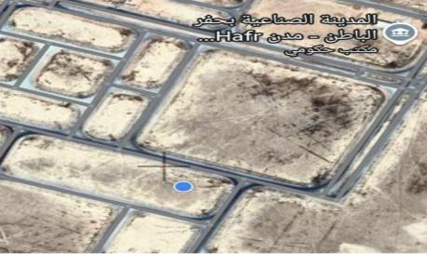
موقع المشروع
مشروع إنشاء وحدات الحرفيين الصناعية بحفر الباطن
معلومات المشروع |  |  |  |  | نطاق المشروع |  |  |  |  |  | موقع المشروع
المقاول | شركة صروح الخير للمقاولات العامة | الاستشاري | شركة ايجيس السعودية للاستشارات |  | البند | وحدة القياس | الكمية الكلية | الكمية المنفذة | الكمية المتبقية | نسبة المنفذ
تاريخ استلام الموقع | 27-Nov-2025 | مدة التنفيذ | 10 شهرًا ميلاديًا |  | Backfilling | م3 | 20258.76 | 14724.77 | 5533.99 | 72.68%
بداية العقد | من تاريخ استلام الموقع | قيمة العقد | #REF! | #REF! | Footing | م3 | 232.38 | 232.38 | 0 | 100.00%
نسبة الإنجاز المخطط له | 99.55% | نسبة الإنجاز الفعلي | 98.15% |  | Pedestal | م3 | 96.06 | 96.06 | 0 | 100.00%
 |  | 16,496,856 |  |  | Grade Beam | م3 | 107.98 | 107.98 | 0 | 100.00%
ملخص جدول الكميات |  |  |  |  | Slab on Grade | م3 | 559.36 | 559.36 | 0 | 100.00%
مكونات المشروع |  | التكلفة (غير شامل ضريبة القيمة المضافة) | النسبة الاجمالية |  | Steel Structures | عدد | 2 | 2 | 0 | 100.00% |  | 20865877 | 20423520.408
أعمال الموقع |  | 1,700,281.00 | 10.31% |  | AAC Panels | م2 | 126.2 | 126.2 | 0 | 100.00% |  | 10508920 | 10286130.896
أعمال الخرسانة والمباني |  | 1,487,094.00 | 9.01% |  | Sandwich Panels | عدد | 2 | 2 | 0 | 100.00% |  | 23728460 | 23225416.648
الأعمال المعدنية |  | 103,488.00 | 0.63% |  | CMU Blocks | م2 | 783.36 | 783.36 | 0 | 100.00%
أعمال العزل الحراري والمائي |  | 379,274.00 | 2.30% |  | Shutter door | عدد | 24 | 24 | 0 | 100.00%
أعمال الأبواب والشبابيك |  | 517,138.00 | 3.13% |  | Steel door | عدد | 24 | 24 | 0 | 100.00%
أعمال التشطيبات |  | 502,112.00 | 3.04% |  | Pump Shed | عدد | 1 | 1 | 0 | 100.00%
الأعمال الخاصة |  | 157,080.00 | 0.95% |  | Pumps | عدد | 2 | 0.95 | 1.05 | 47.50% | تقدم أعمال layout | 7970089 | 7801123.1132
موقع المشروع
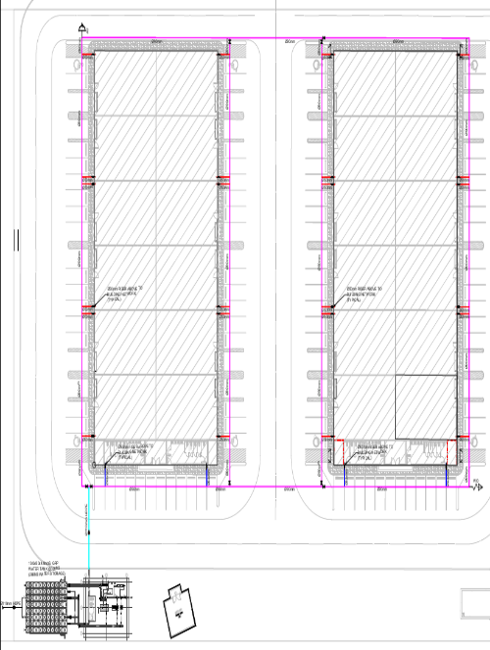
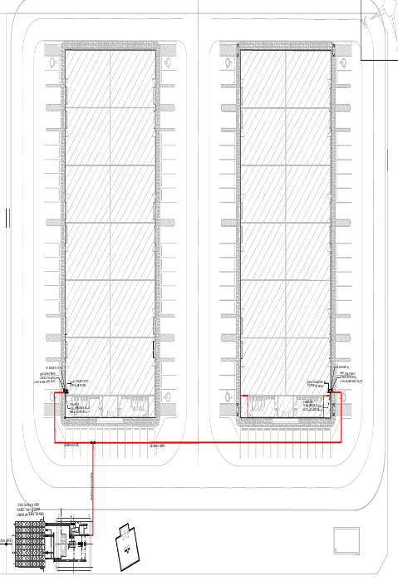
أعمال منشأت سابقة الهندسة |  | 2,851,126.00 | 17.28% |  | ملخص التوريدات |  |  |  |  |  |  | 8842925 | 8655454.99
الأعمال الميكانيكية |  | 2,114,939.00 | 12.82% |  | البند | الكمية الكلية | الكمية المورده | الكمية المتبقية |  | نسبة التوريد
الأعمال الكهربائية |  | 6,684,324.00 | 40.52% |  | Road | 460 | - | - |  | 0%
 |  |  |  |  | GRP Pipe | 344 | 344 | - |  | 100%
 |  |  |  |  | Portable Water Supply | 612 | 612 | 112 |  | 100%
 |  |  |  |  | Fire Fighting | 138 | 138 | 60 |  | 100%
 |  |  |  |  | LV Power cable | 1,500 | 1,200 | 300 |  | 100%
 |  |  |  |  | Low Current Cable | 750 | 750 | 400 |  | 100%
معالم البرنامج الزمني
البند |  | التاريخ حسب الجدول الزمني | ملاحظة
نهاية الشروع |  | 26-Sep-26
بداية المشروع |  | 27-Nov-25
Site General Works |  | 22-Mar-26 | Complete |  |  |  | - | -
Hunger 1 |  | 26-Sep-26 | Progress |  |  |  |  | -
Hunger 2 |  | 26-Sep-26 | Progress |  | التحديات والعوائق
Septic Tank |  | 28-Jun-26 | Complete |  |  |  | الإجراء التصحيحي | التحديات والعقبات
Mosque- Elec and Toilet |  | 27-Jul-26 | Progress |  |  |  | سوف يتم زيادة العمالة خلال الفترة القادمة | الحاجة إلى زيادة القوى العاملة
GRP Tank |  | 12-Aug-26 | Complete
Pump Room |  | 20-Jul-26 | Progress
External MEP Work |  | 2-Jun-26 | Progress
مرحلة التركيبات المعدنية
Testing and Commission |  | 26-Sep-26 | Progress
تم الانتهاء من اعمال الحفر و لاساسات

