Sheet1
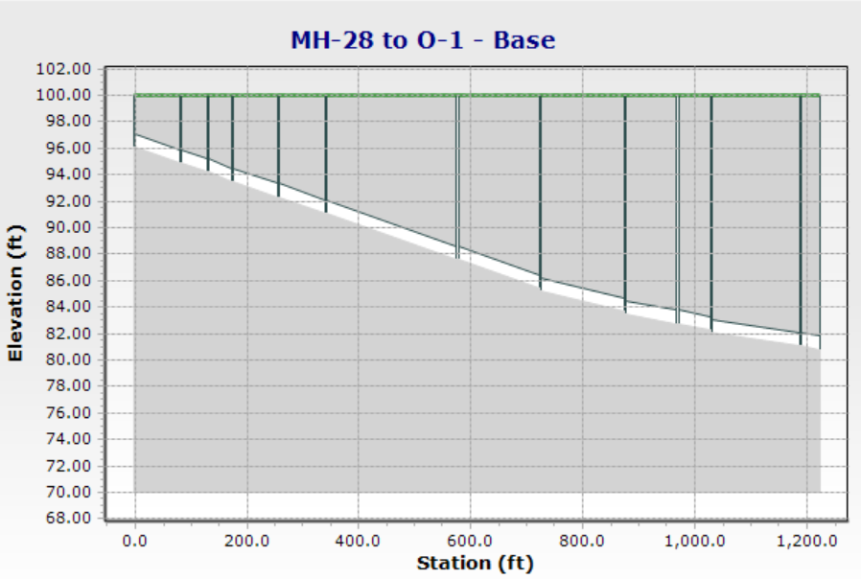
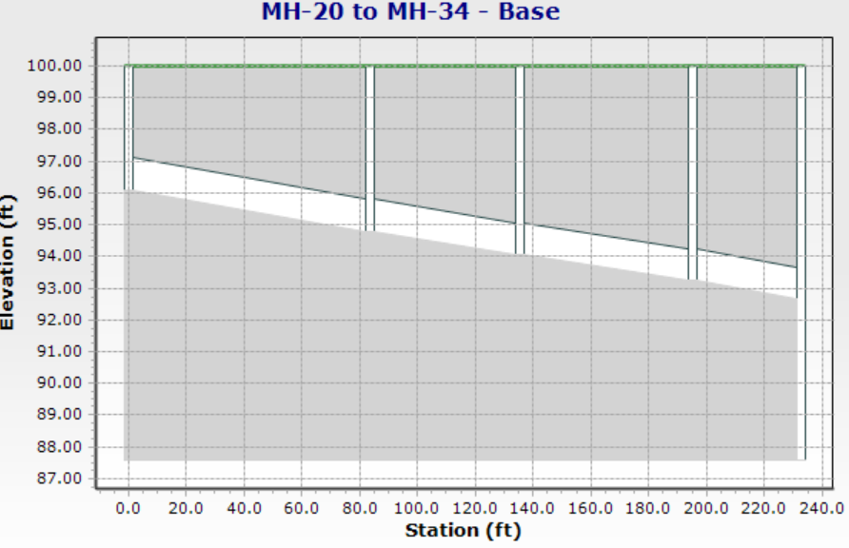
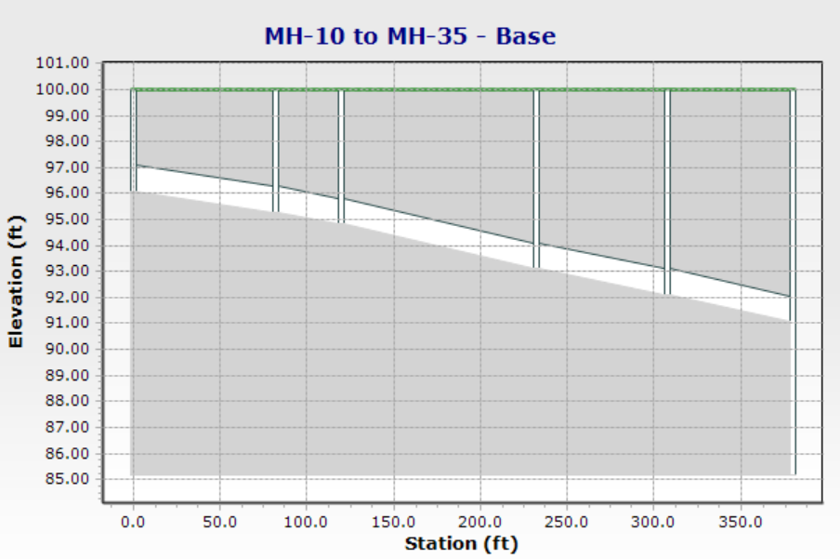
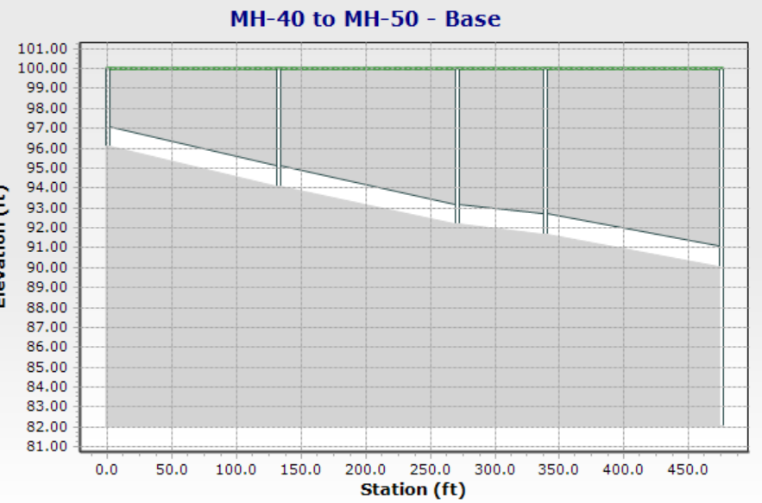
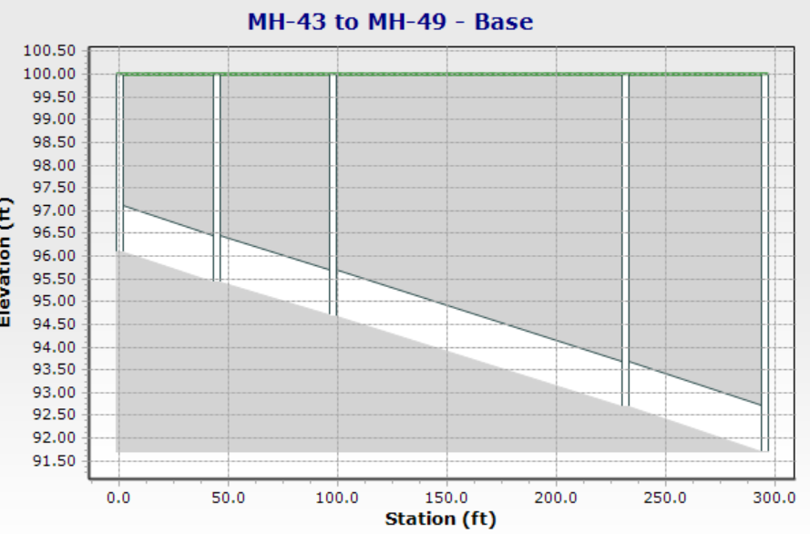
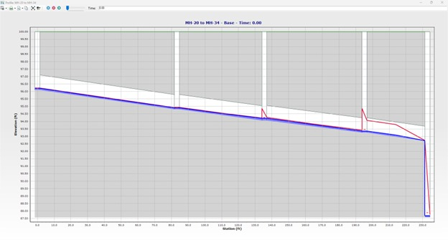
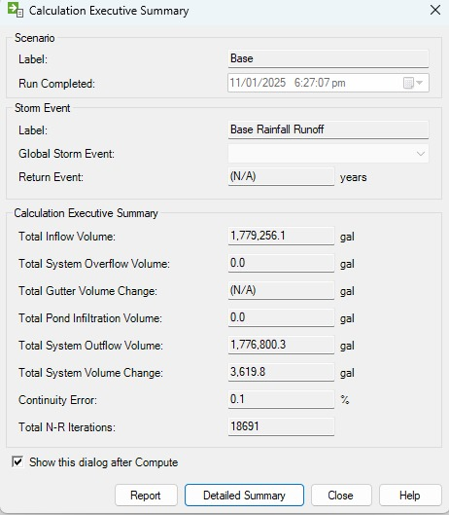
sewage flow = 2.5 ft/s
Peak factor= 4

Sr. No. | 1 | 2 | 3 | 4 |  |  |  |  |  | 5 | 6 | 7 | 8 | 9 | 10 | 11 | 12 | 13 | 14 | 15 | 16 | 17 | 18 | 19 | 20 | 21 | 22 | 23 | 24 | 25 | 26 | 27 | 28 | 29 | 30
 | Sewer. No | Sewer Name |  | Length |  |  |  |  |  | Demand Flow |  |  | Avg Daily Sewage flow(Qavg) | Infiltration | Peak sewage flow | Storm sewage | Design Flow(Qd) | Peak design velocity(Vf) | Diameter |  | Diameter difference | Thickness of pipe | Slope | Qfull | Qd/Qfull | d/D | d | V/Vfull | Va | Fall | Ground Level |  | Invert Level |  | Status
 |  | From | To |  | Avg Online Sewage flow | Infiltration | Design flow | Equivelant pop | Per capita flow | Online | Previous | Total |  |  |  |  |  |  | Calculated | Provided |  |  |  |  |  |  |  |  |  |  | U/E | L/E | U/E | L/E
 |  | MH | MH | ft | gpm | gpm | gpm |  | gpm | gpm | gpm | gpm | cusec | cusec | cusec | cusec | cusec | ft/sec | inch | inch | inch | ft | ft | cusec | cusec/cusec | ft/ft | ft |  | ft/sec | ft | ft | ft | ft | ft

1 | 28-29 | 28 | 29 | 268 | 3.2 | 0.32 | 25.92 | 84 | 0.30857142857 | 9 | 0 | 9 | 0.0071296 | 0.00071296 | 0.0285184 | 0.0285184 | 0.05774976 | 2.5 | 2.0579787454 | 9 | 0 | 1.75 | 0.0044332867451 | 1.10446875 | 0.0522873644 | 0.075 | 0.05625 | 0.25 | 0.625 | 1.1881208477 | 100 | 100 | 96.104166667 | 94.916045819 | frequent cleaning/flush tank
2 | 29-30 | 29 | 30 | 161 | 3.5555555556 | 0.35555555556 | 28.8 | 91 | 0.31648351648 | 10 | 9 | 19 | 0.015051377778 | 0.0015051377778 | 0.060205511111 | 0.060205511111 | 0.12191616 | 2.5 | 2.990173793 | 9 | 0 | 1.75 | 0.0044332867451 | 1.10446875 | 0.11038443596 | 0.25 | 0.1875 | 0.7 | 1.75 | 0.71375916595 | 100 | 100 | 94.916045819 | 94.202286653 | Period flushing
3 | 30-31 | 30 | 31 | 156 | 3.2 | 0.32 | 25.92 | 78 | 0.33230769231 | 9 | 25 | 34 | 0.026934044444 | 0.0026934044444 | 0.10773617778 | 0.10773617778 | 0.21816576 | 2.5 | 3.9999916883 | 9 | 0 | 1.75 | 0.0044332867451 | 1.10446875 | 0.19753004329 | 0.3 | 0.225 | 0.725 | 1.8125 | 0.69159273223 | 100 | 100 | 94.202286653 | 93.510693921 | Period flushing
4 | 31-32 | 31 | 32 | 269 | 1.4222222222 | 0.14222222222 | 11.52 | 36 | 0.32 | 4 | 43 | 47 | 0.037232355556 | 0.0037232355556 | 0.14892942222 | 0.14892942222 | 0.30158208 | 2.5 | 4.7029304844 | 9 | 0 | 1.75 | 0.0044332867451 | 1.10446875 | 0.27305623631 | 0.4 | 0.3 | 0.8 | 2 | 1.1925541344 | 100 | 100 | 93.510693921 | 92.318139786 | OK
5 | 32-33 | 32 | 33 | 278 | 3.5555555556 | 0.35555555556 | 28.8 | 91 | 0.31648351648 | 10 | 47 | 57 | 0.045154133333 | 0.0045154133333 | 0.18061653333 | 0.18061653333 | 0.36574848 | 2.5 | 5.179132933 | 9 | 0 | 1.75 | 0.0044332867451 | 1.10446875 | 0.33115330787 | 0.425 | 0.31875 | 0.8 | 2 | 1.2324537151 | 100 | 100 | 92.318139786 | 91.085686071 | OK
6 | 33-34 | 33 | 34 | 791 | 2.8444444444 | 0.28444444444 | 23.04 | 70 | 0.32914285714 | 8 | 57 | 65 | 0.051491555556 | 0.0051491555556 | 0.20596622222 | 0.20596622222 | 0.4170816 | 2.5 | 5.5306516953 | 9 | 0 | 1.75 | 0.0044332867451 | 1.10446875 | 0.37763096511 | 0.45 | 0.3375 | 0.825 | 2.0625 | 3.5067298153 | 100 | 100 | 91.085686071 | 87.578956256 | OK
7 | 34-35 | 34 | 35 | 487 | 2.4888888889 | 0.24888888889 | 20.16 | 63 | 0.32 | 7 | 123 | 130 | 0.10298311111 | 0.010298311111 | 0.41193244444 | 0.41193244444 | 0.8341632 | 2.5 | 7.8215226362 | 9 | 0 | 1.75 | 0.0044332867451 | 1.10446875 | 0.75526193023 | 0.725 | 0.54375 | 0.95 | 2.375 | 2.1590106448 | 100 | 100 | 87.578956256 | 85.419945611 | OK
8 | 35-36 | 35 | 36 | 487 | 5.6888888889 | 0.56888888889 | 46.08 | 142 | 0.32450704225 | 16 | 130 | 146 | 0.11565795556 | 0.011565795556 | 0.46263182222 | 0.46263182222 | 0.93682944 | 2.5 | 8.288883931 | 12 | 3 | 2 | 0.0030209312394 | 1.9635 | 0.47712220015 | 0.525 | 0.525 | 0.85 | 2.125 | 1.4711935136 | 100 | 100 | 85.169945611 | 83.698752098 | OK
9 | 36-38 | 36 | 38 | 305 | 4.6222222222 | 0.46222222222 | 37.44 | 114 | 0.32842105263 | 13 | 278 | 291 | 0.23052373333 | 0.023052373333 | 0.92209493333 | 0.92209493333 | 1.86724224 | 2.5 | 11.702162508 | 15 | 3 | 2.25 | 0.0022435073133 | 3.06796875 | 0.60862492162 | 0.625 | 0.78125 | 0.9 | 2.25 | 0.68426973054 | 100 | 100 | 83.448752098 | 82.764482367 | OK
10 | 38-50 | 38 | 50 | 207 | 2.8444444444 | 0.28444444444 | 23.04 | 70 | 0.32914285714 | 8 | 300 | 308 | 0.24399075556 | 0.024399075556 | 0.97596302222 | 0.97596302222 | 1.97632512 | 2.5 | 12.0391268 | 15 | 0 | 2.25 | 0.0022435073133 | 3.06796875 | 0.64418032941 | 0.625 | 0.78125 | 0.9 | 2.25 | 0.46440601384 | 100 | 100 | 82.764482367 | 82.300076353 | OK
11 | 50-51 | 50 | 51 | 562 | 5.3333333333 | 0.53333333333 | 43.2 | 591 | 0.073096446701 | 15 | 407 | 422 | 0.33429902222 | 0.033429902222 | 1.3371960889 | 1.3371960889 | 2.70782208 | 2.5 | 14.092104527 | 18 | 3 | 2.5 | 0.0017593510107 | 4.417875 | 0.61292410491 | 0.625 | 0.9375 | 0.9 | 2.25 | 0.98875526801 | 100 | 100 | 82.050076353 | 81.061321085 | OK
12 | 51-52 | 51 | 52 | 145 | 2.4888888889 | 0.24888888889 | 20.16 | 63 | 0.32 | 7 | 422 | 429 | 0.33984426667 | 0.033984426667 | 1.3593770667 | 1.3593770667 | 2.75273856 | 2.5 | 14.208501467 | 18 | 0 | 2.5 | 0.0017593510107 | 4.417875 | 0.62309109244 | 0.625 | 0.9375 | 0.9 | 2.25 | 0.25510589655 | 100 | 100 | 81.061321085 | 80.806215189 | OK
13 | 43-44 | 43 | 44 | 150 | 3.9111111111 | 0.39111111111 | 31.68 | 98 | 0.32326530612 | 11 | 0 | 11 | 0.0087139555556 | 0.00087139555556 | 0.034855822222 | 0.034855822222 | 0.07058304 | 2.5 | 2.2751811083 | 9 | 0 | 1.75 | 0.0044332867451 | 1.10446875 | 0.063906778711 | 0.075 | 0.05625 | 0.25 | 0.625 | 0.66499301176 | 100 | 100 | 96.104166667 | 95.439173655 | frequent cleaning/flush tank
14 | 44-45 | 44 | 45 | 168 | 3.2 | 0.32 | 25.92 | 84 | 0.30857142857 | 9 | 11 | 20 | 0.015843555556 | 0.0015843555556 | 0.063374222222 | 0.063374222222 | 0.1283328 | 2.5 | 3.0678535806 | 9 | 0 | 1.75 | 0.0044332867451 | 1.10446875 | 0.11619414311 | 0.25 | 0.1875 | 0.7 | 1.75 | 0.74479217317 | 100 | 100 | 95.439173655 | 94.694381482 | Period flushing
15 | 45-48 | 45 | 48 | 453 | 2.1333333333 | 0.21333333333 | 17.28 | 56 | 0.30857142857 | 6 | 20 | 26 | 0.020596622222 | 0.0020596622222 | 0.082386488889 | 0.082386488889 | 0.16683264 | 2.5 | 3.4978912604 | 9 | 0 | 1.75 | 0.0044332867451 | 1.10446875 | 0.15105238605 | 0.3 | 0.225 | 0.725 | 1.8125 | 2.0082788955 | 100 | 100 | 94.694381482 | 92.686102586 | Period flushing
16 | 48-49 | 48 | 49 | 220 | 4.6222222222 | 0.46222222222 | 37.44 | 348 | 0.1075862069 | 13 | 48 | 61 | 0.048322844444 | 0.0048322844444 | 0.19329137778 | 0.19329137778 | 0.39141504 | 2.5 | 5.357775943 | 9 | 0 | 1.75 | 0.0044332867451 | 1.10446875 | 0.35439213649 | 0.45 | 0.3375 | 0.825 | 2.0625 | 0.97532308391 | 100 | 100 | 92.686102586 | 91.710779502 | OK
17 | 49-50 | 49 | 50 | 371 | 3.9111111111 | 0.39111111111 | 31.68 | 97 | 0.32659793814 | 11 | 88 | 99 | 0.0784256 | 0.00784256 | 0.3137024 | 0.3137024 | 0.63524736 | 2.5 | 6.8255433249 | 9 | 0 | 1.75 | 0.0044332867451 | 1.10446875 | 0.5751610084 | 0.6 | 0.45 | 0.9 | 2.25 | 1.6447493824 | 100 | 100 | 91.710779502 | 90.06603012 | OK
18 | 1-3 | 1 | 3 | 293 | 2.8444444444 | 0.28444444444 | 23.04 | 70 | 0.32914285714 | 8 | 0 | 8 | 0.0063374222222 | 0.00063374222222 | 0.025349688889 | 0.025349688889 | 0.05133312 | 2.5 | 1.9402809685 | 9 | 0 | 1.75 | 0.0044332867451 | 1.10446875 | 0.046477657245 | 0.05 | 0.0375 | 0.25 | 0.625 | 1.2989530163 | 100 | 100 | 96.104166667 | 94.80521365 | frequent cleaning/flush tank
19 | 3-5 | 3 | 5 | 153 | 2.1333333333 | 0.21333333333 | 17.28 | 49 | 0.35265306122 | 6 | 8 | 14 | 0.011090488889 | 0.0011090488889 | 0.044361955556 | 0.044361955556 | 0.08983296 | 2.5 | 2.5667504582 | 9 | 0 | 1.75 | 0.0044332867451 | 1.10446875 | 0.081335900178 | 0.075 | 0.05625 | 0.25 | 0.625 | 0.67829287199 | 100 | 100 | 94.80521365 | 94.126920778 | frequent cleaning/flush tank
20 | 5-8 | 5 | 8 | 373 | 0.71111111111 | 0.071111111111 | 5.76 | 21 | 0.27428571429 | 2 | 22 | 24 | 0.019012266667 | 0.0019012266667 | 0.076049066667 | 0.076049066667 | 0.15399936 | 2.5 | 3.3606652184 | 9 | 0 | 1.75 | 0.0044332867451 | 1.10446875 | 0.13943297173 | 0.25 | 0.1875 | 0.7 | 1.75 | 1.6536159559 | 100 | 100 | 94.126920778 | 92.473304822 | Period flushing
21 | 8-36 | 8 | 36 | 553 | 3.2 | 0.32 | 25.92 | 77 | 0.33662337662 | 9 | 38 | 47 | 0.037232355556 | 0.0037232355556 | 0.14892942222 | 0.14892942222 | 0.30158208 | 2.5 | 4.7029304844 | 9 | 0 | 1.75 | 0.0044332867451 | 1.10446875 | 0.27305623631 | 0.4 | 0.3 | 0.8 | 2 | 2.45160757 | 100 | 100 | 92.473304822 | 90.021697252 | OK
22 | 9-12 | 9 | 12 | 287 | 1.0666666667 | 0.10666666667 | 8.64 | 28 | 0.30857142857 | 3 | 0 | 3 | 0.0023765333333 | 0.00023765333333 | 0.0095061333333 | 0.0095061333333 | 0.01924992 | 2.5 | 1.1881745826 | 9 | 0 | 1.75 | 0.0044332867451 | 1.10446875 | 0.017429121467 | 0.05 | 0.0375 | 0.25 | 0.625 | 1.2723532958 | 100 | 100 | 96.104166667 | 94.831813371 | frequent cleaning/flush tank
23 | 12-16 | 12 | 16 | 390 | 4.2666666667 | 0.42666666667 | 34.56 | 106 | 0.32603773585 | 12 | 15 | 27 | 0.0213888 | 0.00213888 | 0.0855552 | 0.0855552 | 0.17324928 | 2.5 | 3.5645237479 | 9 | 0 | 1.75 | 0.0044332867451 | 1.10446875 | 0.1568620932 | 0.3 | 0.225 | 0.725 | 1.8125 | 1.7289818306 | 100 | 100 | 94.831813371 | 93.10283154 | Period flushing
24 | 16-19 | 16 | 19 | 223 | 2.1333333333 | 0.21333333333 | 17.28 | 57 | 0.30315789474 | 6 | 45 | 51 | 0.040401066667 | 0.0040401066667 | 0.16160426667 | 0.16160426667 | 0.32724864 | 2.5 | 4.8989693059 | 9 | 0 | 1.75 | 0.0044332867451 | 1.10446875 | 0.29629506494 | 0.4 | 0.3 | 0.8 | 2 | 0.98862294415 | 100 | 100 | 93.10283154 | 92.114208596 | OK
25 | 19-35 | 19 | 35 | 267 | 3.2 | 0.32 | 25.92 | 77 | 0.33662337662 | 9 | 132 | 141 | 0.11169706667 | 0.011169706667 | 0.44678826667 | 0.44678826667 | 0.90474624 | 2.5 | 8.1457145435 | 12 | 3 | 2 | 0.0030209312394 | 1.9635 | 0.46078239878 | 0.525 | 0.525 | 0.85 | 2.125 | 0.80658864092 | 100 | 100 | 91.864208596 | 91.057619955 | OK
26 | 20-21 | 20 | 21 | 295 | 3.9111111111 | 0.39111111111 | 31.68 | 98 | 0.32326530612 | 11 | 0 | 11 | 0.0087139555556 | 0.00087139555556 | 0.034855822222 | 0.034855822222 | 0.07058304 | 2.5 | 2.2751811083 | 9 | 0 | 1.75 | 0.0044332867451 | 1.10446875 | 0.063906778711 | 0.075 | 0.05625 | 0.25 | 0.625 | 1.3078195898 | 100 | 100 | 96.104166667 | 94.796347077
27 | 21-23 | 21 | 23 | 167 | 2.1333333333 | 0.21333333333 | 17.28 | 56 | 0.30857142857 | 6 | 11 | 17 | 0.013467022222 | 0.0013467022222 | 0.053868088889 | 0.053868088889 | 0.10908288 | 2.5 | 2.8284212475 | 9 | 0 | 1.75 | 0.0044332867451 | 1.10446875 | 0.098765021645 | 0.075 | 0.05625 | 0.25 | 0.625 | 0.74035888642 | 100 | 100 | 94.796347077 | 94.05598819
28 | 23-25 | 23 | 25 | 183 | 5.6888888889 | 0.56888888889 | 46.08 | 140 | 0.32914285714 | 16 | 28 | 44 | 0.034855822222 | 0.0034855822222 | 0.13942328889 | 0.13942328889 | 0.28233216 | 2.5 | 4.5503622166 | 9 | 0 | 1.75 | 0.0044332867451 | 1.10446875 | 0.25562711485 | 0.4 | 0.3 | 0.8 | 2 | 0.81129147434 | 100 | 100 | 94.05598819 | 93.244696716 | OK
29 | 25-34 | 25 | 34 | 128 | 3.2 | 0.32 | 25.92 | 84 | 0.30857142857 | 9 | 49 | 58 | 0.045946311111 | 0.0045946311111 | 0.18378524444 | 0.18378524444 | 0.37216512 | 2.5 | 5.2243663938 | 9 | 0 | 1.75 | 0.0044332867451 | 1.10446875 | 0.33696301502 | 0.425 | 0.31875 | 0.8 | 2 | 0.56746070337 | 100 | 100 | 93.244696716 | 92.677236013 | OK
30 | 13-14 | 13 | 14 | 292 | 1.0666666667 | 0.10666666667 | 8.64 | 28 | 0.30857142857 | 3 | 0 | 3 | 0.0023765333333 | 0.00023765333333 | 0.0095061333333 | 0.0095061333333 | 0.01924992 | 2.5 | 1.1881745826 | 9 | 0 | 1.75 | 0.0044332867451 | 1.10446875 | 0.017429121467 | 0.05 | 0.0375 | 0.25 | 0.625 | 1.2945197296 | 100 | 100 | 96.104166667 | 94.809646937 | frequent cleaning/flush tank
31 | 14-15 | 14 | 15 | 193 | 3.9111111111 | 0.39111111111 | 31.68 | 99 | 0.32 | 11 | 3 | 14 | 0.011090488889 | 0.0011090488889 | 0.044361955556 | 0.044361955556 | 0.08983296 | 2.5 | 2.5667504582 | 9 | 0 | 1.75 | 0.0044332867451 | 1.10446875 | 0.081335900178 | 0.075 | 0.05625 | 0.25 | 0.625 | 0.8556243418 | 100 | 100 | 94.809646937 | 93.954022595 | frequent cleaning/flush tank
32 | 15-16 | 15 | 16 | 209 | 1.4222222222 | 0.14222222222 | 11.52 | 36 | 0.32 | 4 | 14 | 18 | 0.0142592 | 0.00142592 | 0.0570368 | 0.0570368 | 0.11549952 | 2.5 | 2.9104214528 | 9 | 0 | 1.75 | 0.0044332867451 | 1.10446875 | 0.1045747288 | 0.25 | 0.1875 | 0.7 | 1.75 | 0.92655692972 | 100 | 100 | 93.954022595 | 93.027465666 | Period flushing
33 | 40-41 | 40 | 41 | 450 | 1.0666666667 | 0.10666666667 | 8.64 | 28 | 0.30857142857 | 3 | 0 | 3 | 0.0023765333333 | 0.00023765333333 | 0.0095061333333 | 0.0095061333333 | 0.01924992 | 2.5 | 1.1881745826 | 9 | 0 | 1.75 | 0.0044332867451 | 1.10446875 | 0.017429121467 | 0.05 | 0.0375 | 0.25 | 0.625 | 1.9949790353 | 100 | 100 | 96.104166667 | 94.109187631 | frequent cleaning/flush tank
34 | 41-42 | 41 | 42 | 432 | 2.1333333333 | 0.21333333333 | 17.28 | 56 | 0.30857142857 | 6 | 3 | 9 | 0.0071296 | 0.00071296 | 0.0285184 | 0.0285184 | 0.05774976 | 2.5 | 2.0579787454 | 9 | 0 | 1.75 | 0.0044332867451 | 1.10446875 | 0.0522873644 | 0.075 | 0.05625 | 0.25 | 0.625 | 1.9151798739 | 100 | 100 | 94.109187631 | 92.194007758 | frequent cleaning/flush tank
35 | 42-49 | 42 | 49 | 207 | 3.2 | 0.32 | 25.92 | 76 | 0.34105263158 | 9 | 9 | 18 | 0.0142592 | 0.00142592 | 0.0570368 | 0.0570368 | 0.11549952 | 2.5 | 2.9104214528 | 9 | 0 | 1.75 | 0.0044332867451 | 1.10446875 | 0.1045747288 | 0.25 | 0.1875 | 0.7 | 1.75 | 0.91769035623 | 100 | 100 | 92.194007758 | 91.276317401 | Period flushing
36 | 46-47 | 46 | 47 | 437 | 3.5555555556 | 0.35555555556 | 28.8 | 91 | 0.31648351648 | 10 | 0 | 10 | 0.0079217777778 | 0.00079217777778 | 0.031687111111 | 0.031687111111 | 0.0641664 | 2.5 | 2.1693000705 | 9 | 0 | 1.75 | 0.0044332867451 | 1.10446875 | 0.058097071556 | 0.075 | 0.05625 | 0.25 | 0.625 | 1.9373463076 | 100 | 100 | 96.104166667 | 94.166820359 | frequent cleaning/flush tank
37 | 47-48 | 47 | 48 | 155 | 4.2666666667 | 0.42666666667 | 34.56 | 341 | 0.10134897361 | 12 | 10 | 22 | 0.017427911111 | 0.0017427911111 | 0.069711644444 | 0.069711644444 | 0.14116608 | 2.5 | 3.2175919802 | 9 | 0 | 1.75 | 0.0044332867451 | 1.10446875 | 0.12781355742 | 0.25 | 0.1875 | 0.7 | 1.75 | 0.68715944548 | 100 | 100 | 94.166820359 | 93.479660914 | Period flushing
38 | 17-18 | 17 | 18 | 401 | 2.1333333333 | 0.21333333333 | 17.28 | 49 | 0.35265306122 | 6 | 0 | 6 | 0.0047530666667 | 0.00047530666667 | 0.019012266667 | 0.019012266667 | 0.03849984 | 2.5 | 1.6803326092 | 9 | 0 | 1.75 | 0.0044332867451 | 1.10446875 | 0.034858242934 | 0.05 | 0.0375 | 0.25 | 0.625 | 1.7777479848 | 100 | 100 | 96.104166667 | 94.326418682 | frequent cleaning/flush tank
39 | 18-19 | 18 | 19 | 202 | 6.7555555556 | 0.67555555556 | 54.72 | 168 | 0.32571428571 | 19 | 6 | 25 | 0.019804444444 | 0.0019804444444 | 0.079217777778 | 0.079217777778 | 0.160416 | 2.5 | 3.4299645756 | 9 | 0 | 1.75 | 0.0044332867451 | 1.10446875 | 0.14524267889 | 0.25 | 0.1875 | 0.7 | 1.75 | 0.8955239225 | 100 | 100 | 94.326418682 | 93.430894759 | Period flushing
40 | 6-7 | 6 | 7 | 127 | 2.4888888889 | 0.24888888889 | 20.16 | 63 | 0.32 | 7 | 0 | 7 | 0.0055452444444 | 0.00055452444444 | 0.022180977778 | 0.022180977778 | 0.04491648 | 2.5 | 1.8149666546 | 9 | 0 | 1.75 | 0.0044332867451 | 1.10446875 | 0.040667950089 | 0.05 | 0.0375 | 0.25 | 0.625 | 0.56302741662 | 100 | 100 | 96.104166667 | 95.54113925 | frequent cleaning/flush tank
41 | 7-8 | 7 | 8 | 263 | 2.4888888889 | 0.24888888889 | 20.16 | 63 | 0.32 | 7 | 7 | 14 | 0.011090488889 | 0.0011090488889 | 0.044361955556 | 0.044361955556 | 0.08983296 | 2.5 | 2.5667504582 | 9 | 0 | 1.75 | 0.0044332867451 | 1.10446875 | 0.081335900178 | 0.075 | 0.05625 | 0.25 | 0.625 | 1.1659544139 | 100 | 100 | 95.54113925 | 94.375184836 | frequent cleaning/flush tank
42 | 10-11 | 10 | 11 | 183 | 2.1333333333 | 0.21333333333 | 17.28 | 56 | 0.30857142857 | 6 | 0 | 6 | 0.0047530666667 | 0.00047530666667 | 0.019012266667 | 0.019012266667 | 0.03849984 | 2.5 | 1.6803326092 | 9 | 0 | 1.75 | 0.0044332867451 | 1.10446875 | 0.034858242934 | 0.05 | 0.0375 | 0.25 | 0.625 | 0.81129147434 | 100 | 100 | 96.104166667 | 95.292875192 | frequent cleaning/flush tank
43 | 11-12 | 11 | 12 | 34 | 2.1333333333 | 0.21333333333 | 17.28 | 56 | 0.30857142857 | 6 | 6 | 12 | 0.0095061333333 | 0.00095061333333 | 0.038024533333 | 0.038024533333 | 0.07699968 | 2.5 | 2.3763491653 | 9 | 0 | 1.75 | 0.0044332867451 | 1.10446875 | 0.069716485867 | 0.075 | 0.05625 | 0.25 | 0.625 | 0.15073174933 | 100 | 100 | 95.292875192 | 95.142143443 | frequent cleaning/flush tank
FOR LATERALS |  |  |  |  | 0 | 0 | 0 |  | #DIV/0!
44 | 2-3 | 2 | 3 | 286 | 2.1333333333 | 0.21333333333 | 17.28 | 49 | 0.35265306122 | 6 | 0 | 6 | 0.0047530666667 | 0.00047530666667 | 0.019012266667 | 0.019012266667 | 0.03849984 | 2.5 | 1.6803326092 | 9 | 0 | 1.75 | 0.0044332867451 | 1.10446875 | 0.034858242934 | 0.05 | 0.0375 | 0.25 | 0.625 | 1.2679200091 | 100 | 100 | 96.104166667 | 94.836246658 | flush tank
45 | 4-5 | 4 | 5 | 144 | 0.71111111111 | 0.071111111111 | 5.76 | 21 | 0.27428571429 | 2 | 0 | 2 | 0.0015843555556 | 0.00015843555556 | 0.0063374222222 | 0.0063374222222 | 0.01283328 | 2.5 | 0.97014048426 | 9 | 0 | 1.75 | 0.0044332867451 | 1.10446875 | 0.011619414311 | 0.05 | 0.0375 | 0.25 | 0.625 | 0.63839329129 | 100 | 100 | 96.104166667 | 95.465773375 | flush tank
46 | 37-38 | 37 | 38 | 549 | 3.2 | 0.32 | 25.92 | 77 | 0.33662337662 | 9 | 0 | 9 | 0.0071296 | 0.00071296 | 0.0285184 | 0.0285184 | 0.05774976 | 2.5 | 2.0579787454 | 9 | 0 | 1.75 | 0.0044332867451 | 1.10446875 | 0.0522873644 | 0.075 | 0.05625 | 0.25 | 0.625 | 2.433874423 | 100 | 100 | 96.104166667 | 93.670292244 | flush tank
47 | 22-23 | 22 | 23 | 286 | 3.9111111111 | 0.39111111111 | 31.68 | 98 | 0.32326530612 | 11 | 0 | 11 | 0.0087139555556 | 0.00087139555556 | 0.034855822222 | 0.034855822222 | 0.07058304 | 2.5 | 2.2751811083 | 9 | 0 | 1.75 | 0.0044332867451 | 1.10446875 | 0.063906778711 | 0.075 | 0.05625 | 0.25 | 0.625 | 1.2679200091 | 100 | 100 | 96.104166667 | 94.836246658 | flush tank
48 | 24-25 | 24 | 25 | 285 | 1.7777777778 | 0.17777777778 | 14.4 | 42 | 0.34285714286 | 5 | 0 | 5 | 0.0039608888889 | 0.00039608888889 | 0.015843555556 | 0.015843555556 | 0.0320832 | 2.5 | 1.5339267903 | 9 | 0 | 1.75 | 0.0044332867451 | 1.10446875 | 0.029048535778 | 0.05 | 0.0375 | 0.25 | 0.625 | 1.2634867223 | 100 | 100 | 96.104166667 | 94.840679944 | flush tank
49 | 27-30 | 27 | 30 | 262 | 2.1333333333 | 0.21333333333 | 17.28 | 50 | 0.3456 | 6 | 0 | 6 | 0.0047530666667 | 0.00047530666667 | 0.019012266667 | 0.019012266667 | 0.03849984 | 2.5 | 1.6803326092 | 9 | 0 | 1.75 | 0.0044332867451 | 1.10446875 | 0.034858242934 | 0.05 | 0.0375 | 0.25 | 0.625 | 1.1615211272 | 100 | 100 | 96.104166667 | 94.942645539 | flush tank
50 | 26-31 | 26 | 31 | 278 | 3.2 | 0.32 | 25.92 | 78 | 0.33230769231 | 9 | 0 | 9 | 0.0071296 | 0.00071296 | 0.0285184 | 0.0285184 | 0.05774976 | 2.5 | 2.0579787454 | 9 | 0 | 1.75 | 0.0044332867451 | 1.10446875 | 0.0522873644 | 0.075 | 0.05625 | 0.25 | 0.625 | 1.2324537151 | 100 | 100 | 96.104166667 | 94.871712952 | flush tank
51 | 39-49 | 39 | 49 | 322 | 3.2 | 0.32 | 25.92 | 84 | 0.30857142857 | 9 | 0 | 9 | 0.0071296 | 0.00071296 | 0.0285184 | 0.0285184 | 0.05774976 | 2.5 | 2.0579787454 | 9 | 0 | 1.75 | 0.0044332867451 | 1.10446875 | 0.0522873644 | 0.075 | 0.05625 | 0.25 | 0.625 | 1.4275183319 | 100 | 100 | 96.104166667 | 94.676648335 | flush tank

 |  |  |  |  |  |  |  |  |  |  |  |  |  |  |  |  |  |  |  |  |  |  |  |  |  |  | q/Q | d/D | v/V
 |  |  |  |  |  |  |  |  |  |  |  |  |  |  |  |  |  |  |  |  |  |  |  |  |  |  | 0 | 0.05 | 0.2
 |  |  |  |  |  |  |  |  |  |  |  |  |  |  |  |  |  |  |  |  |  |  |  |  |  |  | 0.05 | 0.075 | 0.25
 |  |  |  |  |  |  |  |  |  |  |  |  |  |  |  |  |  |  |  |  |  |  |  |  |  |  | 0.1 | 0.25 | 0.55
 |  |  |  |  |  |  |  |  |  |  |  |  |  |  |  |  |  |  |  |  |  |  |  |  |  |  | 0.15 | 0.3 | 0.6
 |  |  |  |  |  |  |  |  |  |  |  |  |  |  |  |  |  |  |  |  |  |  |  |  |  |  | 0.2 | 0.35 | 0.65
 |  |  |  |  |  |  |  |  |  |  |  |  |  |  |  |  |  |  |  |  |  |  |  |  |  |  | 0.25 | 0.4 | 0.7
 |  |  |  |  |  |  |  |  |  |  |  |  |  |  |  |  |  |  |  |  |  |  |  |  |  |  | 0.3 | 0.425 | 0.725
 |  |  |  |  |  |  |  |  |  |  |  |  |  |  |  |  |  |  |  |  |  |  |  |  |  |  | 0.35 | 0.45 | 0.75
 |  |  |  |  |  |  |  |  |  |  |  |  |  |  |  |  |  |  |  |  |  |  |  |  |  |  | 0.4 | 0.5 | 0.8
 |  |  |  |  |  |  |  |  |  |  |  |  |  |  |  |  |  |  |  |  |  |  |  |  |  |  | 0.45 | 0.525 | 0.825
 |  |  |  |  |  |  |  |  |  |  |  |  |  |  |  |  |  |  |  |  |  |  |  |  |  |  | 0.5 | 0.55 | 0.85
 |  |  |  |  |  |  |  |  |  |  |  |  |  |  |  |  |  |  |  |  |  |  |  |  |  |  | 0.55 | 0.6 | 0.875
 |  |  |  |  |  |  |  |  |  |  |  |  |  |  |  |  |  |  |  |  |  |  |  |  |  |  | 0.6 | 0.625 | 0.9
 |  |  |  |  |  |  |  |  |  |  |  |  |  |  |  |  |  |  |  |  |  |  |  |  |  |  | 0.65 | 0.65 | 0.925
 |  |  |  |  |  |  |  |  |  |  |  |  |  |  |  |  |  |  |  |  |  |  |  |  |  |  | 0.7 | 0.7 | 0.95
 |  |  |  |  |  |  |  |  |  |  |  |  |  |  |  |  |  |  |  |  |  |  |  |  |  |  | 0.75 | 0.725 | 0.975
 |  |  |  |  |  |  |  |  |  |  |  |  |  |  |  |  |  |  |  |  |  |  |  |  |  |  | 0.8 | 0.75 | 0.975
 |  |  |  |  |  |  |  |  |  |  |  |  |  |  |  |  |  |  |  |  |  |  |  |  |  |  | 0.85 | 0.8 | 1
 |  |  |  |  |  |  |  |  |  |  |  |  |  |  |  |  |  |  |  |  |  |  |  |  |  |  | 0.9 | 0.825 | 1.25
 |  |  |  |  |  |  |  |  |  |  |  |  |  |  |  |  |  |  |  |  |  |  |  |  |  |  | 0.95 | 0.875 | 1.25
 |  |  |  |  |  |  |  |  |  |  |  |  |  |  |  |  |  |  |  |  |  |  |  |  |  |  | 1 | 0.925 | 1.5

 |  |  |  |  |  |  |  |  |  |  |  |  |  |  |  |  |  |  |  |  | ID | Label | Elevation (Ground) (ft) | Set Rim to Ground Elevation? | Elevation (Rim) (ft) | Bolted Cover? | Elevation (Invert) (ft) | Inflow (Wet) Collection | Flow (Total In) (cfs) |  | Depth (Out) (ft) | Hydraulic Grade Line (Out) (ft) | Headloss Method | Hydraulic Grade Line (In) (ft) | Is Ever Overflowing? | Is Overflowing? | Sanitary Loads | Notes
 |  |  |  |  |  |  |  |  |  |  |  |  |  |  |  |  |  |  |  |  | 31 | MH-1 | 100 | TRUE | 100 | FALSE | 96.1 | <Collection: 0 items> | (N/A) | Flow (Total Out) (cfs) | Depth (Out) (ft) | Hydraulic Grade Line (Out) (ft) | Headloss Method | Hydraulic Grade Line (In) (ft) | Is Ever Overflowing? | Is Overflowing? | <Collection: 1 item>
 |  |  |  |  |  |  |  |  |  |  |  |  |  |  |  |  |  |  |  |  | 32 | MH-2 | 100 | TRUE | 100 | FALSE | 96.1 | <Collection: 0 items> | (N/A) | Flow (Total Out) (cfs) | Depth (Out) (ft) | Hydraulic Grade Line (Out) (ft) | Headloss Method | Hydraulic Grade Line (In) (ft) | Is Ever Overflowing? | Is Overflowing? | <Collection: 1 item>
 |  |  |  |  |  |  |  |  |  |  |  |  |  |  |  |  |  |  |  |  | 33 | MH-3 | 100 | TRUE | 100 | FALSE | 94.81 | <Collection: 0 items> | (N/A) | Flow (Total Out) (cfs) | Depth (Out) (ft) | Hydraulic Grade Line (Out) (ft) | Headloss Method | Hydraulic Grade Line (In) (ft) | Is Ever Overflowing? | Is Overflowing? | <Collection: 1 item>
 |  |  |  |  |  |  |  |  |  |  |  |  |  |  |  |  |  |  |  |  | 34 | MH-4 | 100 | TRUE | 100 | FALSE | 96.1 | <Collection: 0 items> | (N/A) | Flow (Total Out) (cfs) | Depth (Out) (ft) | Hydraulic Grade Line (Out) (ft) | Headloss Method | Hydraulic Grade Line (In) (ft) | Is Ever Overflowing? | Is Overflowing? | <Collection: 1 item>
 |  |  |  |  |  |  |  |  |  |  |  |  |  |  |  |  |  |  |  |  | 35 | MH-5 | 100 | TRUE | 100 | FALSE | 94.13 | <Collection: 0 items> | (N/A) | Flow (Total Out) (cfs) | Depth (Out) (ft) | Hydraulic Grade Line (Out) (ft) | Headloss Method | Hydraulic Grade Line (In) (ft) | Is Ever Overflowing? | Is Overflowing? | <Collection: 1 item>
 |  |  |  |  |  |  |  |  |  |  |  |  |  |  |  |  |  |  |  |  | 36 | MH-6 | 100 | TRUE | 100 | FALSE | 96.1 | <Collection: 0 items> | (N/A) | Flow (Total Out) (cfs) | Depth (Out) (ft) | Hydraulic Grade Line (Out) (ft) | Headloss Method | Hydraulic Grade Line (In) (ft) | Is Ever Overflowing? | Is Overflowing? | <Collection: 1 item>
 |  |  |  |  |  |  |  |  |  |  |  |  |  |  |  |  |  |  |  |  | 37 | MH-7 | 100 | TRUE | 100 | FALSE | 95.54 | <Collection: 0 items> | (N/A) | Flow (Total Out) (cfs) | Depth (Out) (ft) | Hydraulic Grade Line (Out) (ft) | Headloss Method | Hydraulic Grade Line (In) (ft) | Is Ever Overflowing? | Is Overflowing? | <Collection: 1 item>
 |  |  |  |  |  |  |  |  |  |  |  |  |  |  |  |  |  |  |  |  | 38 | MH-8 | 100 | TRUE | 100 | FALSE | 92.47 | <Collection: 0 items> | (N/A) | Flow (Total Out) (cfs) | Depth (Out) (ft) | Hydraulic Grade Line (Out) (ft) | Headloss Method | Hydraulic Grade Line (In) (ft) | Is Ever Overflowing? | Is Overflowing? | <Collection: 1 item>
 |  |  |  |  |  |  |  |  |  |  |  |  |  |  |  |  |  |  |  |  | 39 | MH-9 | 100 | TRUE | 100 | FALSE | 96.1 | <Collection: 0 items> | (N/A) | Flow (Total Out) (cfs) | Depth (Out) (ft) | Hydraulic Grade Line (Out) (ft) | Headloss Method | Hydraulic Grade Line (In) (ft) | Is Ever Overflowing? | Is Overflowing? | <Collection: 1 item>
 |  |  |  |  |  |  |  |  |  |  |  |  |  |  |  |  |  |  |  |  | 40 | MH-10 | 100 | TRUE | 100 | FALSE | 96.1 | <Collection: 0 items> | (N/A) | Flow (Total Out) (cfs) | Depth (Out) (ft) | Hydraulic Grade Line (Out) (ft) | Headloss Method | Hydraulic Grade Line (In) (ft) | Is Ever Overflowing? | Is Overflowing? | <Collection: 1 item>
 |  |  |  |  |  |  |  |  |  |  |  |  |  |  |  |  |  |  |  |  | 41 | MH-11 | 100 | TRUE | 100 | FALSE | 95.29 | <Collection: 0 items> | (N/A) | Flow (Total Out) (cfs) | Depth (Out) (ft) | Hydraulic Grade Line (Out) (ft) | Headloss Method | Hydraulic Grade Line (In) (ft) | Is Ever Overflowing? | Is Overflowing? | <Collection: 1 item>
 |  |  |  |  |  |  |  |  |  |  |  |  |  |  |  |  |  |  |  |  | 42 | MH-12 | 100 | TRUE | 100 | FALSE | 94.83 | <Collection: 0 items> | (N/A) | Flow (Total Out) (cfs) | Depth (Out) (ft) | Hydraulic Grade Line (Out) (ft) | Headloss Method | Hydraulic Grade Line (In) (ft) | Is Ever Overflowing? | Is Overflowing? | <Collection: 1 item>
 |  |  |  |  |  |  |  |  |  |  |  |  |  |  |  |  |  |  |  |  | 43 | MH-13 | 100 | TRUE | 100 | FALSE | 96.1 | <Collection: 0 items> | (N/A) | Flow (Total Out) (cfs) | Depth (Out) (ft) | Hydraulic Grade Line (Out) (ft) | Headloss Method | Hydraulic Grade Line (In) (ft) | Is Ever Overflowing? | Is Overflowing? | <Collection: 1 item>
 |  |  |  |  |  |  |  |  |  |  |  |  |  |  |  |  |  |  |  |  | 44 | MH-14 | 100 | TRUE | 100 | FALSE | 94.81 | <Collection: 0 items> | (N/A) | Flow (Total Out) (cfs) | Depth (Out) (ft) | Hydraulic Grade Line (Out) (ft) | Headloss Method | Hydraulic Grade Line (In) (ft) | Is Ever Overflowing? | Is Overflowing? | <Collection: 1 item>
 |  |  |  |  |  |  |  |  |  |  |  |  |  |  |  |  |  |  |  |  | 45 | MH-15 | 100 | TRUE | 100 | FALSE | 93.95 | <Collection: 0 items> | (N/A) | Flow (Total Out) (cfs) | Depth (Out) (ft) | Hydraulic Grade Line (Out) (ft) | Headloss Method | Hydraulic Grade Line (In) (ft) | Is Ever Overflowing? | Is Overflowing? | <Collection: 1 item>
 |  |  |  |  |  |  |  |  |  |  |  |  |  |  |  |  |  |  |  |  | 46 | MH-16 | 100 | TRUE | 100 | FALSE | 93.1 | <Collection: 0 items> | (N/A) | Flow (Total Out) (cfs) | Depth (Out) (ft) | Hydraulic Grade Line (Out) (ft) | Headloss Method | Hydraulic Grade Line (In) (ft) | Is Ever Overflowing? | Is Overflowing? | <Collection: 1 item>
 |  |  |  |  |  |  |  |  |  |  |  |  |  |  |  |  |  |  |  |  | 47 | MH-17 | 100 | TRUE | 100 | FALSE | 96.1 | <Collection: 0 items> | (N/A) | Flow (Total Out) (cfs) | Depth (Out) (ft) | Hydraulic Grade Line (Out) (ft) | Headloss Method | Hydraulic Grade Line (In) (ft) | Is Ever Overflowing? | Is Overflowing? | <Collection: 1 item>
 |  |  |  |  |  |  |  |  |  |  |  |  |  |  |  |  |  |  |  |  | 48 | MH-18 | 100 | TRUE | 100 | FALSE | 94.33 | <Collection: 0 items> | (N/A) | Flow (Total Out) (cfs) | Depth (Out) (ft) | Hydraulic Grade Line (Out) (ft) | Headloss Method | Hydraulic Grade Line (In) (ft) | Is Ever Overflowing? | Is Overflowing? | <Collection: 1 item>
 |  |  |  |  |  |  |  |  |  |  |  |  |  |  |  |  |  |  |  |  | 49 | MH-19 | 100 | TRUE | 100 | FALSE | 92.11 | <Collection: 0 items> | (N/A) | Flow (Total Out) (cfs) | Depth (Out) (ft) | Hydraulic Grade Line (Out) (ft) | Headloss Method | Hydraulic Grade Line (In) (ft) | Is Ever Overflowing? | Is Overflowing? | <Collection: 1 item>
 |  |  |  |  |  |  |  |  |  |  |  |  |  |  |  |  |  |  |  |  | 50 | MH-20 | 100 | TRUE | 100 | FALSE | 96.1 | <Collection: 0 items> | (N/A) | Flow (Total Out) (cfs) | Depth (Out) (ft) | Hydraulic Grade Line (Out) (ft) | Headloss Method | Hydraulic Grade Line (In) (ft) | Is Ever Overflowing? | Is Overflowing? | <Collection: 1 item>
 |  |  |  |  |  |  |  |  |  |  |  |  |  |  |  |  |  |  |  |  | 51 | MH-21 | 100 | TRUE | 100 | FALSE | 94.8 | <Collection: 0 items> | (N/A) | Flow (Total Out) (cfs) | Depth (Out) (ft) | Hydraulic Grade Line (Out) (ft) | Headloss Method | Hydraulic Grade Line (In) (ft) | Is Ever Overflowing? | Is Overflowing? | <Collection: 1 item>
 |  |  |  |  |  |  |  |  |  |  |  |  |  |  |  |  |  |  |  |  | 52 | MH-22 | 100 | TRUE | 100 | FALSE | 96.1 | <Collection: 0 items> | (N/A) | Flow (Total Out) (cfs) | Depth (Out) (ft) | Hydraulic Grade Line (Out) (ft) | Headloss Method | Hydraulic Grade Line (In) (ft) | Is Ever Overflowing? | Is Overflowing? | <Collection: 1 item>
 |  |  |  |  |  |  |  |  |  |  |  |  |  |  |  |  |  |  |  |  | 53 | MH-23 | 100 | TRUE | 100 | FALSE | 94.06 | <Collection: 0 items> | (N/A) | Flow (Total Out) (cfs) | Depth (Out) (ft) | Hydraulic Grade Line (Out) (ft) | Headloss Method | Hydraulic Grade Line (In) (ft) | Is Ever Overflowing? | Is Overflowing? | <Collection: 1 item>
 |  |  |  |  |  |  |  |  |  |  |  |  |  |  |  |  |  |  |  |  | 54 | MH-24 | 100 | TRUE | 100 | FALSE | 96.1 | <Collection: 0 items> | (N/A) | Flow (Total Out) (cfs) | Depth (Out) (ft) | Hydraulic Grade Line (Out) (ft) | Headloss Method | Hydraulic Grade Line (In) (ft) | Is Ever Overflowing? | Is Overflowing? | <Collection: 1 item>
 |  |  |  |  |  |  |  |  |  |  |  |  |  |  |  |  |  |  |  |  | 55 | MH-25 | 100 | TRUE | 100 | FALSE | 93.24 | <Collection: 0 items> | (N/A) | Flow (Total Out) (cfs) | Depth (Out) (ft) | Hydraulic Grade Line (Out) (ft) | Headloss Method | Hydraulic Grade Line (In) (ft) | Is Ever Overflowing? | Is Overflowing? | <Collection: 1 item>
 |  |  |  |  |  |  |  |  |  |  |  |  |  |  |  |  |  |  |  |  | 56 | MH-26 | 100 | TRUE | 100 | FALSE | 96.1 | <Collection: 0 items> | (N/A) | Flow (Total Out) (cfs) | Depth (Out) (ft) | Hydraulic Grade Line (Out) (ft) | Headloss Method | Hydraulic Grade Line (In) (ft) | Is Ever Overflowing? | Is Overflowing? | <Collection: 1 item>
 |  |  |  |  |  |  |  |  |  |  |  |  |  |  |  |  |  |  |  |  | 57 | MH-27 | 100 | TRUE | 100 | FALSE | 96.1 | <Collection: 0 items> | (N/A) | Flow (Total Out) (cfs) | Depth (Out) (ft) | Hydraulic Grade Line (Out) (ft) | Headloss Method | Hydraulic Grade Line (In) (ft) | Is Ever Overflowing? | Is Overflowing? | <Collection: 1 item>
 |  |  |  |  |  |  |  |  |  |  |  |  |  |  |  |  |  |  |  |  | 58 | MH-28 | 100 | TRUE | 100 | FALSE | 96.1 | <Collection: 0 items> | (N/A) | Flow (Total Out) (cfs) | Depth (Out) (ft) | Hydraulic Grade Line (Out) (ft) | Headloss Method | Hydraulic Grade Line (In) (ft) | Is Ever Overflowing? | Is Overflowing? | <Collection: 1 item>
 |  |  |  |  |  |  |  |  |  |  |  |  |  |  |  |  |  |  |  |  | 59 | MH-29 | 100 | TRUE | 100 | FALSE | 94.92 | <Collection: 0 items> | (N/A) | Flow (Total Out) (cfs) | Depth (Out) (ft) | Hydraulic Grade Line (Out) (ft) | Headloss Method | Hydraulic Grade Line (In) (ft) | Is Ever Overflowing? | Is Overflowing? | <Collection: 1 item>
 |  |  |  |  |  |  |  |  |  |  |  |  |  |  |  |  |  |  |  |  | 60 | MH-30 | 100 | TRUE | 100 | FALSE | 94.2 | <Collection: 0 items> | (N/A) | Flow (Total Out) (cfs) | Depth (Out) (ft) | Hydraulic Grade Line (Out) (ft) | Headloss Method | Hydraulic Grade Line (In) (ft) | Is Ever Overflowing? | Is Overflowing? | <Collection: 1 item>
 |  |  |  |  |  |  |  |  |  |  |  |  |  |  |  |  |  |  |  |  | 61 | MH-31 | 100 | TRUE | 100 | FALSE | 93.51 | <Collection: 0 items> | (N/A) | Flow (Total Out) (cfs) | Depth (Out) (ft) | Hydraulic Grade Line (Out) (ft) | Headloss Method | Hydraulic Grade Line (In) (ft) | Is Ever Overflowing? | Is Overflowing? | <Collection: 1 item>
 |  |  |  |  |  |  |  |  |  |  |  |  |  |  |  |  |  |  |  |  | 62 | MH-32 | 100 | TRUE | 100 | FALSE | 92.32 | <Collection: 0 items> | (N/A) | Flow (Total Out) (cfs) | Depth (Out) (ft) | Hydraulic Grade Line (Out) (ft) | Headloss Method | Hydraulic Grade Line (In) (ft) | Is Ever Overflowing? | Is Overflowing? | <Collection: 1 item>
 |  |  |  |  |  |  |  |  |  |  |  |  |  |  |  |  |  |  |  |  | 63 | MH-33 | 100 | TRUE | 100 | FALSE | 91.09 | <Collection: 0 items> | (N/A) | Flow (Total Out) (cfs) | Depth (Out) (ft) | Hydraulic Grade Line (Out) (ft) | Headloss Method | Hydraulic Grade Line (In) (ft) | Is Ever Overflowing? | Is Overflowing? | <Collection: 1 item>
 |  |  |  |  |  |  |  |  |  |  |  |  |  |  |  |  |  |  |  |  | 64 | MH-34 | 100 | TRUE | 100 | FALSE | 87.58 | <Collection: 0 items> | (N/A) | Flow (Total Out) (cfs) | Depth (Out) (ft) | Hydraulic Grade Line (Out) (ft) | Headloss Method | Hydraulic Grade Line (In) (ft) | Is Ever Overflowing? | Is Overflowing? | <Collection: 1 item>
 |  |  |  |  |  |  |  |  |  |  |  |  |  |  |  |  |  |  |  |  | 65 | MH-35 | 100 | TRUE | 100 | FALSE | 85.17 | <Collection: 0 items> | (N/A) | Flow (Total Out) (cfs) | Depth (Out) (ft) | Hydraulic Grade Line (Out) (ft) | Headloss Method | Hydraulic Grade Line (In) (ft) | Is Ever Overflowing? | Is Overflowing? | <Collection: 1 item>
 |  |  |  |  |  |  |  |  |  |  |  |  |  |  |  |  |  |  |  |  | 66 | MH-36 | 100 | TRUE | 100 | FALSE | 83.45 | <Collection: 0 items> | (N/A) | Flow (Total Out) (cfs) | Depth (Out) (ft) | Hydraulic Grade Line (Out) (ft) | Headloss Method | Hydraulic Grade Line (In) (ft) | Is Ever Overflowing? | Is Overflowing? | <Collection: 1 item>
 |  |  |  |  |  |  |  |  |  |  |  |  |  |  |  |  |  |  |  |  | 67 | MH-37 | 100 | TRUE | 100 | FALSE | 96.1 | <Collection: 0 items> | (N/A) | Flow (Total Out) (cfs) | Depth (Out) (ft) | Hydraulic Grade Line (Out) (ft) | Headloss Method | Hydraulic Grade Line (In) (ft) | Is Ever Overflowing? | Is Overflowing? | <Collection: 1 item>
 |  |  |  |  |  |  |  |  |  |  |  |  |  |  |  |  |  |  |  |  | 68 | MH-38 | 100 | TRUE | 100 | FALSE | 82.76 | <Collection: 0 items> | (N/A) | Flow (Total Out) (cfs) | Depth (Out) (ft) | Hydraulic Grade Line (Out) (ft) | Headloss Method | Hydraulic Grade Line (In) (ft) | Is Ever Overflowing? | Is Overflowing? | <Collection: 1 item>
 |  |  |  |  |  |  |  |  |  |  |  |  |  |  |  |  |  |  |  |  | 69 | MH-39 | 100 | TRUE | 100 | FALSE | 96.1 | <Collection: 0 items> | (N/A) | Flow (Total Out) (cfs) | Depth (Out) (ft) | Hydraulic Grade Line (Out) (ft) | Headloss Method | Hydraulic Grade Line (In) (ft) | Is Ever Overflowing? | Is Overflowing? | <Collection: 1 item>
 |  |  |  |  |  |  |  |  |  |  |  |  |  |  |  |  |  |  |  |  | 70 | MH-40 | 100 | TRUE | 100 | FALSE | 96.1 | <Collection: 0 items> | (N/A) | Flow (Total Out) (cfs) | Depth (Out) (ft) | Hydraulic Grade Line (Out) (ft) | Headloss Method | Hydraulic Grade Line (In) (ft) | Is Ever Overflowing? | Is Overflowing? | <Collection: 1 item>
 |  |  |  |  |  |  |  |  |  |  |  |  |  |  |  |  |  |  |  |  | 71 | MH-41 | 100 | TRUE | 100 | FALSE | 94.11 | <Collection: 0 items> | (N/A) | Flow (Total Out) (cfs) | Depth (Out) (ft) | Hydraulic Grade Line (Out) (ft) | Headloss Method | Hydraulic Grade Line (In) (ft) | Is Ever Overflowing? | Is Overflowing? | <Collection: 1 item>
 |  |  |  |  |  |  |  |  |  |  |  |  |  |  |  |  |  |  |  |  | 72 | MH-42 | 100 | TRUE | 100 | FALSE | 92.19 | <Collection: 0 items> | (N/A) | Flow (Total Out) (cfs) | Depth (Out) (ft) | Hydraulic Grade Line (Out) (ft) | Headloss Method | Hydraulic Grade Line (In) (ft) | Is Ever Overflowing? | Is Overflowing? | <Collection: 1 item>
 |  |  |  |  |  |  |  |  |  |  |  |  |  |  |  |  |  |  |  |  | 73 | MH-43 | 100 | TRUE | 100 | FALSE | 96.1 | <Collection: 0 items> | (N/A) | Flow (Total Out) (cfs) | Depth (Out) (ft) | Hydraulic Grade Line (Out) (ft) | Headloss Method | Hydraulic Grade Line (In) (ft) | Is Ever Overflowing? | Is Overflowing? | <Collection: 1 item>
 |  |  |  |  |  |  |  |  |  |  |  |  |  |  |  |  |  |  |  |  | 74 | MH-44 | 100 | TRUE | 100 | FALSE | 95.44 | <Collection: 0 items> | (N/A) | Flow (Total Out) (cfs) | Depth (Out) (ft) | Hydraulic Grade Line (Out) (ft) | Headloss Method | Hydraulic Grade Line (In) (ft) | Is Ever Overflowing? | Is Overflowing? | <Collection: 1 item>
 |  |  |  |  |  |  |  |  |  |  |  |  |  |  |  |  |  |  |  |  | 75 | MH-45 | 100 | TRUE | 100 | FALSE | 94.69 | <Collection: 0 items> | (N/A) | Flow (Total Out) (cfs) | Depth (Out) (ft) | Hydraulic Grade Line (Out) (ft) | Headloss Method | Hydraulic Grade Line (In) (ft) | Is Ever Overflowing? | Is Overflowing? | <Collection: 1 item>
 |  |  |  |  |  |  |  |  |  |  |  |  |  |  |  |  |  |  |  |  | 76 | MH-46 | 100 | TRUE | 100 | FALSE | 96.1 | <Collection: 0 items> | (N/A) | Flow (Total Out) (cfs) | Depth (Out) (ft) | Hydraulic Grade Line (Out) (ft) | Headloss Method | Hydraulic Grade Line (In) (ft) | Is Ever Overflowing? | Is Overflowing? | <Collection: 1 item>
 |  |  |  |  |  |  |  |  |  |  |  |  |  |  |  |  |  |  |  |  | 77 | MH-47 | 100 | TRUE | 100 | FALSE | 94.17 | <Collection: 0 items> | (N/A) | Flow (Total Out) (cfs) | Depth (Out) (ft) | Hydraulic Grade Line (Out) (ft) | Headloss Method | Hydraulic Grade Line (In) (ft) | Is Ever Overflowing? | Is Overflowing? | <Collection: 1 item>
 |  |  |  |  |  |  |  |  |  |  |  |  |  |  |  |  |  |  |  |  | 78 | MH-48 | 100 | TRUE | 100 | FALSE | 92.69 | <Collection: 0 items> | (N/A) | Flow (Total Out) (cfs) | Depth (Out) (ft) | Hydraulic Grade Line (Out) (ft) | Headloss Method | Hydraulic Grade Line (In) (ft) | Is Ever Overflowing? | Is Overflowing? | <Collection: 1 item>
 |  |  |  |  |  |  |  |  |  |  |  |  |  |  |  |  |  |  |  |  | 79 | MH-49 | 100 | TRUE | 100 | FALSE | 91.7 | <Collection: 0 items> | (N/A) | Flow (Total Out) (cfs) | Depth (Out) (ft) | Hydraulic Grade Line (Out) (ft) | Headloss Method | Hydraulic Grade Line (In) (ft) | Is Ever Overflowing? | Is Overflowing? | <Collection: 1 item>
 |  |  |  |  |  |  |  |  |  |  |  |  |  |  |  |  |  |  |  |  | 80 | MH-50 | 100 | TRUE | 100 | FALSE | 82.05 | <Collection: 0 items> | (N/A) | Flow (Total Out) (cfs) | Depth (Out) (ft) | Hydraulic Grade Line (Out) (ft) | Headloss Method | Hydraulic Grade Line (In) (ft) | Is Ever Overflowing? | Is Overflowing? | <Collection: 1 item>
 |  |  |  |  |  |  |  |  |  |  |  |  |  |  |  |  |  |  |  |  | 81 | MH-51 | 100 | TRUE | 100 | FALSE | 81.06 | <Collection: 0 items> | (N/A) | Flow (Total Out) (cfs) | Depth (Out) (ft) | Hydraulic Grade Line (Out) (ft) | Headloss Method | Hydraulic Grade Line (In) (ft) | Is Ever Overflowing? | Is Overflowing? | <Collection: 1 item>

 |  |  |  |  |  |  |  |  |  |  |  |  |  |  |  |  |  |  |  |  | ID | Label | Start Node | Set Invert to Start? | Invert (Start) (ft) | Stop Node | Set Invert to Stop? | Invert (Stop) (ft) | Has User Defined Length? | Length (User Defined) (ft) | Length (Scaled) (ft) | Slope (Calculated) (ft/ft) | Section Type | Diameter (in) | Manning's n | Flow (Middle) (cfs) | Velocity (ft/s) | Depth (Middle) (ft) | Capacity (Full Flow) (cfs) | Flow / Capacity (Design) (%) | Depth/Rise (%) | Notes
 |  |  |  |  |  |  |  |  |  |  |  |  |  |  |  |  |  |  |  |  | 82 | CO-1 | MH-1 | TRUE | 96.1 | MH-3 | FALSE | 94.81 | FALSE |  | 73.7 | 0.018 | Circle | 12 | 0.013 | (N/A) | (N/A) | (N/A) | 4.73 | (N/A) | (N/A)
 |  |  |  |  |  |  |  |  |  |  |  |  |  |  |  |  |  |  |  |  | 83 | CO-2 | MH-3 | TRUE | 94.81 | MH-5 | FALSE | 94.13 | FALSE |  | 57.7 | 0.012 | Circle | 12 | 0.013 | (N/A) | (N/A) | (N/A) | 3.86 | (N/A) | (N/A)
 |  |  |  |  |  |  |  |  |  |  |  |  |  |  |  |  |  |  |  |  | 84 | CO-3 | MH-5 | TRUE | 94.13 | MH-8 | FALSE | 92.47 | FALSE |  | 112.6 | 0.015 | Circle | 12 | 0.013 | (N/A) | (N/A) | (N/A) | 4.32 | (N/A) | (N/A)
 |  |  |  |  |  |  |  |  |  |  |  |  |  |  |  |  |  |  |  |  | 85 | CO-4 | MH-8 | TRUE | 92.47 | MH-36 | FALSE | 90.02 | FALSE |  | 162.9 | 0.015 | Circle | 12 | 0.013 | (N/A) | (N/A) | (N/A) | 4.37 | (N/A) | (N/A)
 |  |  |  |  |  |  |  |  |  |  |  |  |  |  |  |  |  |  |  |  | 86 | CO-5 | MH-36 | TRUE | 83.45 | MH-38 | FALSE | 82.76 | FALSE |  | 93.4 | 0.007 | Circle | 12 | 0.013 | (N/A) | (N/A) | (N/A) | 3.05 | (N/A) | (N/A)
 |  |  |  |  |  |  |  |  |  |  |  |  |  |  |  |  |  |  |  |  | 87 | CO-6 | MH-38 | TRUE | 82.76 | MH-50 | FALSE | 82.3 | FALSE |  | 59.6 | 0.008 | Circle | 12 | 0.013 | (N/A) | (N/A) | (N/A) | 3.14 | (N/A) | (N/A)
 |  |  |  |  |  |  |  |  |  |  |  |  |  |  |  |  |  |  |  |  | 89 | CO-8 | MH-43 | TRUE | 96.1 | MH-44 | FALSE | 95.44 | FALSE |  | 44.4 | 0.015 | Circle | 12 | 0.013 | (N/A) | (N/A) | (N/A) | 4.36 | (N/A) | (N/A)
 |  |  |  |  |  |  |  |  |  |  |  |  |  |  |  |  |  |  |  |  | 90 | CO-9 | MH-44 | TRUE | 95.44 | MH-45 | FALSE | 94.69 | FALSE |  | 53.5 | 0.014 | Circle | 12 | 0.013 | (N/A) | (N/A) | (N/A) | 4.2 | (N/A) | (N/A)
 |  |  |  |  |  |  |  |  |  |  |  |  |  |  |  |  |  |  |  |  | 91 | CO-10 | MH-45 | TRUE | 94.69 | MH-48 | FALSE | 92.69 | FALSE |  | 133.6 | 0.015 | Circle | 12 | 0.013 | (N/A) | (N/A) | (N/A) | 4.37 | (N/A) | (N/A)
 |  |  |  |  |  |  |  |  |  |  |  |  |  |  |  |  |  |  |  |  | 92 | CO-11 | MH-48 | TRUE | 92.69 | MH-49 | FALSE | 91.71 | FALSE |  | 64 | 0.015 | Circle | 12 | 0.013 | (N/A) | (N/A) | (N/A) | 4.4 | (N/A) | (N/A)
 |  |  |  |  |  |  |  |  |  |  |  |  |  |  |  |  |  |  |  |  | 93 | CO-12 | MH-49 | TRUE | 91.7 | MH-50 | FALSE | 90.07 | FALSE |  | 136 | 0.012 | Circle | 12 | 0.013 | (N/A) | (N/A) | (N/A) | 3.91 | (N/A) | (N/A)
 |  |  |  |  |  |  |  |  |  |  |  |  |  |  |  |  |  |  |  |  | 94 | CO-13 | MH-6 | TRUE | 96.1 | MH-7 | FALSE | 95.54 | FALSE |  | 41.8 | 0.013 | Circle | 12 | 0.013 | (N/A) | (N/A) | (N/A) | 4.14 | (N/A) | (N/A)
 |  |  |  |  |  |  |  |  |  |  |  |  |  |  |  |  |  |  |  |  | 95 | CO-14 | MH-7 | TRUE | 95.54 | MH-8 | FALSE | 94.38 | FALSE |  | 74.1 | 0.016 | Circle | 12 | 0.013 | (N/A) | (N/A) | (N/A) | 4.47 | (N/A) | (N/A)
 |  |  |  |  |  |  |  |  |  |  |  |  |  |  |  |  |  |  |  |  | 96 | CO-15 | MH-17 | TRUE | 96.1 | MH-18 | FALSE | 94.33 | FALSE |  | 126.2 | 0.014 | Circle | 12 | 0.013 | (N/A) | (N/A) | (N/A) | 4.23 | (N/A) | (N/A)
 |  |  |  |  |  |  |  |  |  |  |  |  |  |  |  |  |  |  |  |  | 97 | CO-16 | MH-18 | TRUE | 94.33 | MH-19 | FALSE | 93.43 | FALSE |  | 55.9 | 0.016 | Circle | 12 | 0.013 | (N/A) | (N/A) | (N/A) | 4.51 | (N/A) | (N/A)
 |  |  |  |  |  |  |  |  |  |  |  |  |  |  |  |  |  |  |  |  | 98 | CO-17 | MH-19 | TRUE | 92.11 | MH-35 | FALSE | 91.06 | FALSE |  | 72.1 | 0.015 | Circle | 12 | 0.013 | (N/A) | (N/A) | (N/A) | 4.3 | (N/A) | (N/A)
 |  |  |  |  |  |  |  |  |  |  |  |  |  |  |  |  |  |  |  |  | 101 | CO-19 | MH-9 | TRUE | 96.1 | MH-12 | FALSE | 94.83 | FALSE |  | 83.5 | 0.015 | Circle | 12 | 0.013 | (N/A) | (N/A) | (N/A) | 4.4 | (N/A) | (N/A)
 |  |  |  |  |  |  |  |  |  |  |  |  |  |  |  |  |  |  |  |  | 102 | CO-20 | MH-12 | TRUE | 94.83 | MH-16 | FALSE | 93.1 | FALSE |  | 112.9 | 0.015 | Circle | 12 | 0.013 | (N/A) | (N/A) | (N/A) | 4.41 | (N/A) | (N/A)
 |  |  |  |  |  |  |  |  |  |  |  |  |  |  |  |  |  |  |  |  | 103 | CO-21 | MH-16 | TRUE | 93.1 | MH-19 | FALSE | 92.11 | FALSE |  | 75.6 | 0.013 | Circle | 12 | 0.013 | (N/A) | (N/A) | (N/A) | 4.07 | (N/A) | (N/A)
 |  |  |  |  |  |  |  |  |  |  |  |  |  |  |  |  |  |  |  |  | 104 | CO-22 | MH-10 | TRUE | 96.1 | MH-11 | FALSE | 95.29 | FALSE |  | 81.9 | 0.01 | Circle | 12 | 0.013 | (N/A) | (N/A) | (N/A) | 3.55 | (N/A) | (N/A)
 |  |  |  |  |  |  |  |  |  |  |  |  |  |  |  |  |  |  |  |  | 105 | CO-23 | MH-11 | TRUE | 95.29 | MH-12 | TRUE | 94.83 | FALSE |  | 37.6 | 0.012 | Circle | 12 | 0.013 | (N/A) | (N/A) | (N/A) | 3.94 | (N/A) | (N/A)
 |  |  |  |  |  |  |  |  |  |  |  |  |  |  |  |  |  |  |  |  | 106 | CO-24 | MH-13 | TRUE | 96.1 | MH-14 | FALSE | 94.81 | FALSE |  | 81.2 | 0.016 | Circle | 12 | 0.013 | (N/A) | (N/A) | (N/A) | 4.5 | (N/A) | (N/A)
 |  |  |  |  |  |  |  |  |  |  |  |  |  |  |  |  |  |  |  |  | 107 | CO-25 | MH-14 | TRUE | 94.81 | MH-15 | FALSE | 93.95 | FALSE |  | 58.4 | 0.015 | Circle | 12 | 0.013 | (N/A) | (N/A) | (N/A) | 4.31 | (N/A) | (N/A)
 |  |  |  |  |  |  |  |  |  |  |  |  |  |  |  |  |  |  |  |  | 108 | CO-26 | MH-15 | TRUE | 93.95 | MH-16 | FALSE | 93.13 | FALSE |  | 56.4 | 0.015 | Circle | 12 | 0.013 | (N/A) | (N/A) | (N/A) | 4.31 | (N/A) | (N/A)
 |  |  |  |  |  |  |  |  |  |  |  |  |  |  |  |  |  |  |  |  | 109 | CO-27 | MH-20 | TRUE | 96.1 | MH-21 | FALSE | 94.8 | FALSE |  | 83.3 | 0.016 | Circle | 12 | 0.013 | (N/A) | (N/A) | (N/A) | 4.46 | (N/A) | (N/A)
 |  |  |  |  |  |  |  |  |  |  |  |  |  |  |  |  |  |  |  |  | 110 | CO-28 | MH-21 | TRUE | 94.8 | MH-23 | FALSE | 94.06 | FALSE |  | 52.1 | 0.014 | Circle | 12 | 0.013 | (N/A) | (N/A) | (N/A) | 4.24 | (N/A) | (N/A)
 |  |  |  |  |  |  |  |  |  |  |  |  |  |  |  |  |  |  |  |  | 111 | CO-29 | MH-23 | TRUE | 94.06 | MH-25 | FALSE | 93.24 | FALSE |  | 59.8 | 0.014 | Circle | 12 | 0.013 | (N/A) | (N/A) | (N/A) | 4.15 | (N/A) | (N/A)
 |  |  |  |  |  |  |  |  |  |  |  |  |  |  |  |  |  |  |  |  | 112 | CO-30 | MH-25 | TRUE | 93.24 | MH-34 | FALSE | 92.68 | FALSE |  | 37.6 | 0.015 | Circle | 12 | 0.013 | (N/A) | (N/A) | (N/A) | 4.38 | (N/A) | (N/A)
 |  |  |  |  |  |  |  |  |  |  |  |  |  |  |  |  |  |  |  |  | 113 | CO-31 | MH-34 | TRUE | 87.58 | MH-35 | FALSE | 85.42 | FALSE |  | 147.5 | 0.015 | Circle | 12 | 0.013 | (N/A) | (N/A) | (N/A) | 4.31 | (N/A) | (N/A)
 |  |  |  |  |  |  |  |  |  |  |  |  |  |  |  |  |  |  |  |  | 114 | CO-32 | MH-35 | TRUE | 85.17 | MH-36 | FALSE | 83.7 | FALSE |  | 151.4 | 0.01 | Circle | 12 | 0.013 | (N/A) | (N/A) | (N/A) | 3.51 | (N/A) | (N/A)
 |  |  |  |  |  |  |  |  |  |  |  |  |  |  |  |  |  |  |  |  | 115 | CO-33 | MH-28 | TRUE | 96.1 | MH-29 | FALSE | 94.92 | FALSE |  | 82.6 | 0.014 | Circle | 12 | 0.013 | (N/A) | (N/A) | (N/A) | 4.27 | (N/A) | (N/A)
 |  |  |  |  |  |  |  |  |  |  |  |  |  |  |  |  |  |  |  |  | 116 | CO-34 | MH-29 | TRUE | 94.92 | MH-30 | FALSE | 94.2 | FALSE |  | 48.7 | 0.015 | Circle | 12 | 0.013 | (N/A) | (N/A) | (N/A) | 4.31 | (N/A) | (N/A)
 |  |  |  |  |  |  |  |  |  |  |  |  |  |  |  |  |  |  |  |  | 117 | CO-35 | MH-30 | TRUE | 94.2 | MH-31 | FALSE | 93.51 | FALSE |  | 43.1 | 0.016 | Circle | 12 | 0.013 | (N/A) | (N/A) | (N/A) | 4.51 | (N/A) | (N/A)
 |  |  |  |  |  |  |  |  |  |  |  |  |  |  |  |  |  |  |  |  | 118 | CO-36 | MH-31 | TRUE | 93.51 | MH-32 | FALSE | 92.32 | FALSE |  | 81.9 | 0.015 | Circle | 12 | 0.013 | (N/A) | (N/A) | (N/A) | 4.3 | (N/A) | (N/A)
 |  |  |  |  |  |  |  |  |  |  |  |  |  |  |  |  |  |  |  |  | 119 | CO-37 | MH-32 | TRUE | 92.32 | MH-33 | FALSE | 91.09 | FALSE |  | 83.9 | 0.015 | Circle | 12 | 0.013 | (N/A) | (N/A) | (N/A) | 4.32 | (N/A) | (N/A)
 |  |  |  |  |  |  |  |  |  |  |  |  |  |  |  |  |  |  |  |  | 120 | CO-38 | MH-33 | TRUE | 91.09 | MH-34 | FALSE | 87.58 | FALSE |  | 235.8 | 0.015 | Circle | 12 | 0.013 | (N/A) | (N/A) | (N/A) | 4.34 | (N/A) | (N/A)
 |  |  |  |  |  |  |  |  |  |  |  |  |  |  |  |  |  |  |  |  | 121 | CO-39 | MH-40 | TRUE | 96.1 | MH-41 | FALSE | 94.11 | FALSE |  | 132.2 | 0.015 | Circle | 12 | 0.013 | (N/A) | (N/A) | (N/A) | 4.38 | (N/A) | (N/A)
 |  |  |  |  |  |  |  |  |  |  |  |  |  |  |  |  |  |  |  |  | 122 | CO-40 | MH-41 | TRUE | 94.11 | MH-42 | FALSE | 92.19 | FALSE |  | 138.3 | 0.014 | Circle | 12 | 0.013 | (N/A) | (N/A) | (N/A) | 4.19 | (N/A) | (N/A)
 |  |  |  |  |  |  |  |  |  |  |  |  |  |  |  |  |  |  |  |  | 123 | CO-41 | MH-42 | TRUE | 92.19 | MH-49 | FALSE | 91.7 | FALSE |  | 69 | 0.007 | Circle | 12 | 0.013 | (N/A) | (N/A) | (N/A) | 3.02 | (N/A) | (N/A)
 |  |  |  |  |  |  |  |  |  |  |  |  |  |  |  |  |  |  |  |  | 125 | CO-42 | MH-46 | TRUE | 96.1 | MH-47 | FALSE | 94.17 | FALSE |  | 128.6 | 0.015 | Circle | 12 | 0.013 | (N/A) | (N/A) | (N/A) | 4.37 | (N/A) | (N/A)
 |  |  |  |  |  |  |  |  |  |  |  |  |  |  |  |  |  |  |  |  | 126 | CO-43 | MH-47 | TRUE | 94.17 | MH-48 | FALSE | 93.48 | FALSE |  | 46.8 | 0.015 | Circle | 12 | 0.013 | (N/A) | (N/A) | (N/A) | 4.32 | (N/A) | (N/A)
 |  |  |  |  |  |  |  |  |  |  |  |  |  |  |  |  |  |  |  |  | 127 | CO-44 | MH-50 | TRUE | 82.05 | MH-51 | FALSE | 81.06 | FALSE |  | 160.2 | 0.006 | Circle | 12 | 0.013 | (N/A) | (N/A) | (N/A) | 2.8 | (N/A) | (N/A)
 |  |  |  |  |  |  |  |  |  |  |  |  |  |  |  |  |  |  |  |  | 133 | CO-45 | MH-2 | TRUE | 96.1 | MH-3 | FALSE | 94.84 | FALSE |  | 75.1 | 0.017 | Circle | 12 | 0.013 | (N/A) | (N/A) | (N/A) | 4.63 | (N/A) | (N/A)
 |  |  |  |  |  |  |  |  |  |  |  |  |  |  |  |  |  |  |  |  | 134 | CO-46 | MH-4 | TRUE | 96.1 | MH-5 | FALSE | 95.47 | FALSE |  | 42.8 | 0.015 | Circle | 12 | 0.013 | (N/A) | (N/A) | (N/A) | 4.35 | (N/A) | (N/A)
 |  |  |  |  |  |  |  |  |  |  |  |  |  |  |  |  |  |  |  |  | 135 | CO-47 | MH-37 | TRUE | 96.1 | MH-38 | FALSE | 93.67 | FALSE |  | 159.5 | 0.015 | Circle | 12 | 0.013 | (N/A) | (N/A) | (N/A) | 4.4 | (N/A) | (N/A)
 |  |  |  |  |  |  |  |  |  |  |  |  |  |  |  |  |  |  |  |  | 136 | CO-48 | MH-39 | TRUE | 96.1 | MH-49 | FALSE | 94.68 | FALSE |  | 112.4 | 0.013 | Circle | 12 | 0.013 | (N/A) | (N/A) | (N/A) | 4.01 | (N/A) | (N/A)
 |  |  |  |  |  |  |  |  |  |  |  |  |  |  |  |  |  |  |  |  | 137 | CO-49 | MH-24 | TRUE | 96.1 | MH-25 | FALSE | 94.84 | FALSE |  | 82.7 | 0.015 | Circle | 12 | 0.013 | (N/A) | (N/A) | (N/A) | 4.4 | (N/A) | (N/A)
 |  |  |  |  |  |  |  |  |  |  |  |  |  |  |  |  |  |  |  |  | 138 | CO-50 | MH-22 | TRUE | 96.1 | MH-23 | FALSE | 94.84 | FALSE |  | 82.7 | 0.015 | Circle | 12 | 0.013 | (N/A) | (N/A) | (N/A) | 4.41 | (N/A) | (N/A)
 |  |  |  |  |  |  |  |  |  |  |  |  |  |  |  |  |  |  |  |  | 139 | CO-51 | MH-26 | TRUE | 96.1 | MH-31 | FALSE | 94.87 | FALSE |  | 84.5 | 0.015 | Circle | 12 | 0.013 | (N/A) | (N/A) | (N/A) | 4.3 | (N/A) | (N/A)
 |  |  |  |  |  |  |  |  |  |  |  |  |  |  |  |  |  |  |  |  | 140 | CO-52 | MH-27 | TRUE | 96.1 | MH-30 | FALSE | 94.94 | FALSE |  | 83.3 | 0.014 | Circle | 12 | 0.013 | (N/A) | (N/A) | (N/A) | 4.21 | (N/A) | (N/A)
 |  |  |  |  |  |  |  |  |  |  |  |  |  |  |  |  |  |  |  |  | 211 | CO-53 | MH-51 | TRUE | 81.06 | O-1 | FALSE | 80.81 | FALSE |  | 34.4 | 0.007 | Circle | 12 | 0.013 | (N/A) | (N/A) | (N/A) | 3.07 | (N/A) | (N/A)

 |  |  |  |  |  |  |  |  |  |  |  |  |  |  |  |  |  |  |  |  |  |  |  | OUTFALL
 |  |  |  |  |  |  |  |  |  |  |  |  |  |  |  |  |  |  |  |  | ID | Label | Elevation (Ground) (ft) | Set Rim to Ground Elevation? | Elevation (Invert) (ft) | Boundary Condition Type | Boundary Element | Elevation (User Defined Tailwater) (ft) | Elevation-Flow Curve | Time-Elevation Curve | Cyclic Time-Elevation Curve | Tidal Gate? | Hydraulic Grade (ft) | Flow (Total Out) (cfs) | Notes
 |  |  |  |  |  |  |  |  |  |  |  |  |  |  |  |  |  |  |  |  | 210 | O-1 | 100 | TRUE | 70 | Free Outfall |  |  | <Collection: 0 items> | <Collection: 0 items> | <Collection: 0 items> | FALSE | (N/A) | (N/A)

