Sheet1
 |  |  |  | start
 | angle | Len | x | y
Seconds | 294 | 1.7 | 0 | 0
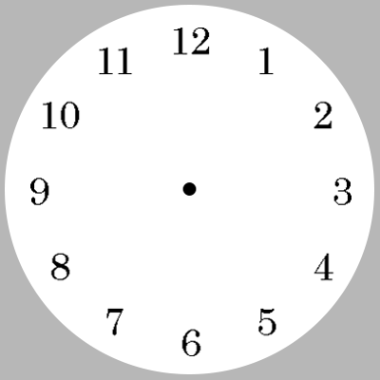
 | hour |  | minute |  | second
0 | 0 | 0 | 0 | 0 | 0
0.70534230275 | 0.97082039325 | 0.46352549156 | 1.4265847744 | -1.553027278 | 0.69145229323
STOP
 |  |  | -1.553027278 | 0.69145229323
Now

Minute | 18 | 1.5 | 0 | 0
 |  |  | 0.46352549156 | 1.4265847744

 | hour |  | minute |  | second
0 | 0 | 0 | 0 | 0 | 0
0.70534230275 | 0.97082039325 | 0.46352549156 | 1.4265847744 | -1.553027278 | 0.69145229323
 |  |  |  |  | 120
hour | 36 | 1.2 | 0 | 0
 |  |  | 0.70534230275 | 0.97082039325

 |  | 360
Now_sec | 43949.6917868056 | 263698.1507208336
Now_Min | 2020-04-28 16:36:10 | 263698.1507208333
Now_hr | 2020-04-28 16:36:10 | 263698.1507208333

