Sheet1
Test animation

 | Degre |  | Degre

 |  |  | 0.005
 | 6 |  | 2
 |  |  | 0.01
Stop
 | Start
Start animation 1
 |  |  |  |  | 3.6

 | Degre
Degre Claculate | 108 | 0
Percet % | 30 | %

1555 | 108

 | Stop |  |  | TRUE

Start animation 1

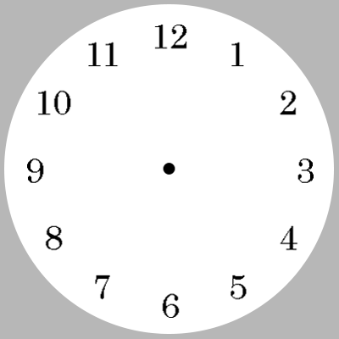
 | Second | Minute | Houre
Final Degree | -114 | -114 | -114
Degree | 246 | 246 | 246
Step | 41 | 41 | 41

Start Clock
Stop

