Oxford Nanopore
University of Illinois, Roy J. Carver Biotechnology Center, DNA Services Laboratory

Date Report Generated | 2024-02-19
PI | Luthey-Schulten
Type of run | CCS
Run # | 149
SMRT cell position | 1_A01

Run Metrics | 2 | 3 | 4
Total number of bases (bp) | 1,696,084,003 | 1,764,421,242 | 1,893,928,705
Total number of reads | 930,830 | 962,582 | 1,056,477
Max read length (bp) | 12,154 | 11,740 | 10,951
Min read length (bp) | 58 | 165 | 133
Mean read length (bp) | 1,822 | 1,833 | 1,793
Number of clustered transcripts | 24,593 | 31,490 | 36,270
Fastq file name | 2-m64108e_240214_212833.bc1009--bc1009.hifi_reads.fastq.gz | 3-m64108e_240214_212833.bc1010--bc1010.hifi_reads.fastq.gz | 4-m64108e_240214_212833.bc1011--bc1011.hifi_reads.fastq.gz
Clustered Transcript file name | 2-hq_transcripts.fasta | 3-hq_transcripts.fasta | 4-hq_transcripts.fasta

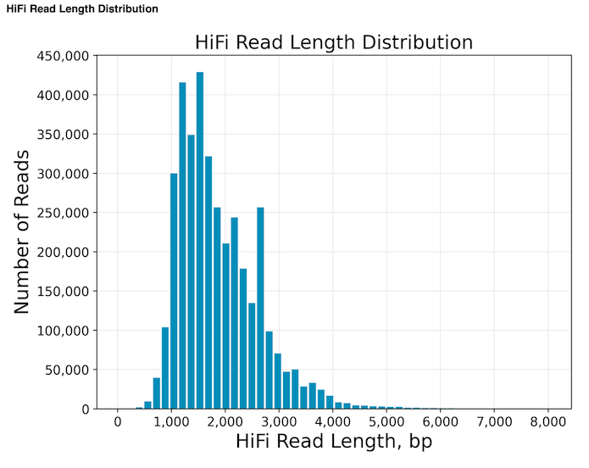

Files Posted | Contents
LutheySchulten_m64108e_240214_212833.hifi_reads.fastq.gz | HiFi non-demultiplexed reads at 99.9% accuracy in fastq format
LutheySchulten_m64108e_240214_212833.hifi_reads.bam | HiFi non-demultiplexed reads at 99.9% accuracy in BAM format
Demultiplexed_hifi_reads.zip | HiFi demultiplexed reads at 99.9% accuracy in fastq format
hq_transcripts.zip | Clustered IsoSeq transcripts at 99.9% accuracy in fasta format

1. Library Preparation and Sequencing
20ng of ribodepleted and poly-A tailed RNA were converted to cDNA with the Iso-Seq Express Oligo Kit.
cDNAs were barcoded with the Barcoded Overhang Adaptor Kit 8A, and converted into a library with the SMRTBell Prep kit 3.0 (Pacific Biosciences)
The libraries were pooled in equimolar concentration and the pool was sequenced on 1 SMRTcell 8M on a PacBio Sequel IIe using the CCS sequencing mode and a 30hs movie time.

2. IsoSeq Analysis using the SMRTLink V11.1
Classify: Identify and remove primers (which includes cDNA primers and optionally barcodes). Identify strandedness based on the 5’ and 3’ primers.
Cluster: Trim off polyA tails and remove artificial concate- mers. Perform de novo clustering and consensus calling. Output full- length consensus isoforms that are further separated into high-quality (HQ) and low-quality (LQ) based on estimated accuracies.

Download Instructions

Your will receive an email from= sequencingposting@biotech.illinois.edu

This email contains links to download your files, the size of the files and the md5sums so that you can check the integrity of the files once they are downloaded.

1) Command line:
copy either the entire curl command, including the quotation marks, and paste them on a command line. Downloading to a linux server is recommended. Files could be downloaded through a mac terminal or windows command line if there is sufficient space in the hard drive, or if downloading to an external hard drive.

2) Browser:
First make sure there is sufficient space in your hard drive. To save the file to an external hard drive, first go to your browser's Preferences and set the Downloads location to your hard drive. Then click on the link below.

Once the files are downloaded, you can confirm proper download by running md5sum myfile.tar.bz2 and compare the output to the pattern provided in the email.

For questions about file postings, please send an email to aghernan@illinois.edu or clwright@illinois.edu

Chart Data
0-999 | 802243 | 641116570 | 641.1
1000-3999 | 3029801 | 5658702358 | 5,658.7
 | 57031 | 259084902 | 259.1
6000-7999 | 1772 | 11486875 | 11.5
 | 30 | 251392 | 0.3
10000-14999 | 1 | 10551 | 0.0
 | 0 | 0 | 0.0
Distribution of Read-Lengths
Yield in MB per Read-Length
20000-29999 | 0 | 0 | 0.0
 | 0 | 0 | 0.0
40000-79999 | 0 | 0 | 0.0
 | 0 | 0 | 0.0
108000-2000000 | 0 | 0 | 0.0

