Dashboard
IFRS 18 Adoption — Project Plan Dashboard
288 - IFRS 18 | Updated Jul 14, 2026

TOTAL EFFORT | DURATION | ACTIVITIES | GO-LIVE TARGET
~105 PD | ~22 weeks | 60 | 10 Nov 2026
was ~95 PD before SAP Note + Treasury review | mid-July to early December 2026 | across 8 phases | ahead of the 1 Jan 2027 effective date

Project Timeline
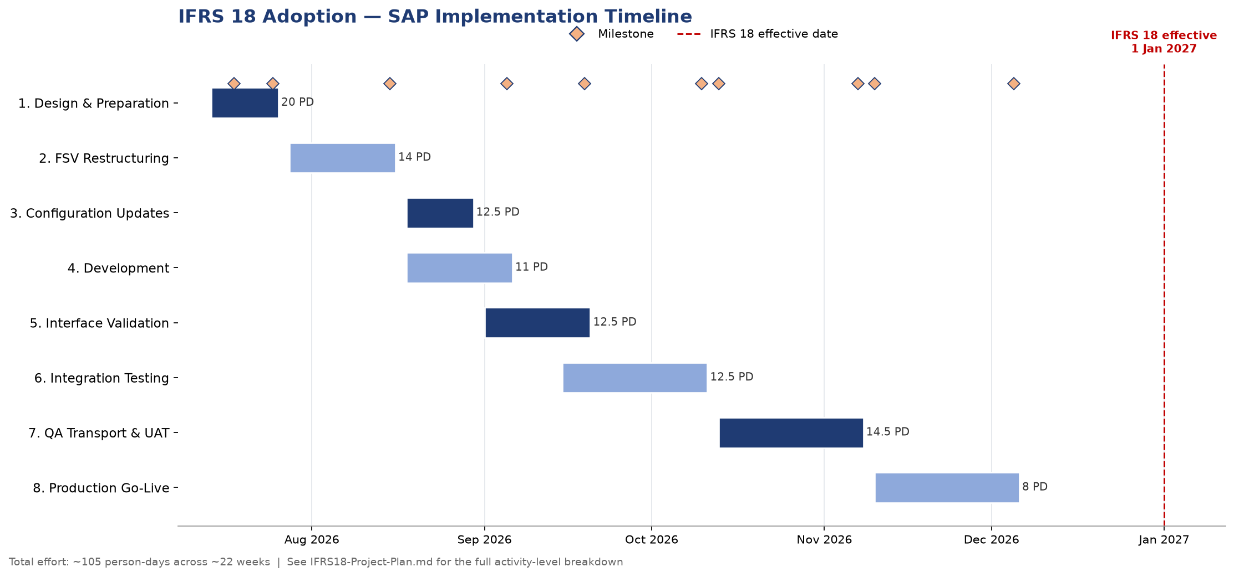

Effort Breakdown
Effort by Phase (PD)
Effort by Role (PD)
Effort by Work Type

