Sheet1
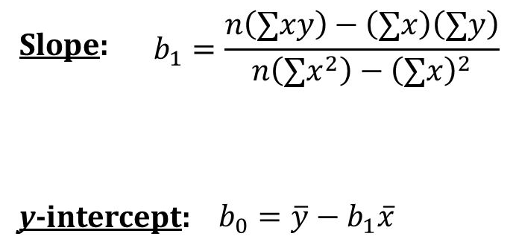
MONTH | PRICE | x-x_dash | y-y_dash | xy | (x)2 | b1= | b0 (y_dash-b1*x_dash) | ynew(b0+x(1)*b1)
1 | 2267.1 | -5.5 | -228.292 | 16220.045833 | 42.25 | 178420.50417 | -0.0039999999985 | 383.9104
2 | 2523.7 | -4.5 | 28.308 |  |  | 464.75 |  | 767.8168
3 | 2537.8 | -3.5 | 42.408 |  |  | 383.90641026 |  | 1151.7232
4 | 2467 | -2.5 | -28.392 |  |  |  |  | 1535.6296
5 | 2403.85 | -1.5 | -91.542 |  |  | 137490.22196 |  | 1919.536
6 | 2378.7 | -0.5 | -116.692 |  |  |  |  | 2303.4424
7 | 2398.55 | 0.5 | -96.842 |  |  |  |  | 2687.3488
8 | 2655.85 | 1.5 | 160.458 |  |  |  |  | 3071.2552
9 | 2780.45 | 2.5 | 285.058 |  |  |  |  | 3455.1616
10 | 2633.5 | 3.5 | 138.108 |  |  |  |  | 3839.068
11 | 2408.7 | 4.5 | -86.692 |  |  |  |  | 4222.9744
12 | 2489.5 | 5.5 | -5.892 |  |  |  |  | 4606.8808
6.5 | 2495.3916667 | 0 | -0.0039999999985

Sheet2
MONTH | PRICE | ynew(b0+x(1)*b1)
1 | 2267.1 | 383.9104
2 | 2523.7 | 767.8168
3 | 2537.8 | 1151.7232
4 | 2467 | 1535.6296
5 | 2403.85 | 1919.536
6 | 2378.7 | 2303.4424
Stock Market Analysis Of Reliance
7 | 2398.55 | 2687.3488
8 | 2655.85 | 3071.2552
9 | 2780.45 | 3455.1616
10 | 2633.5 | 3839.068
11 | 2408.7 | 4222.9744
12 | 2489.5 | 4606.8808

