Calc
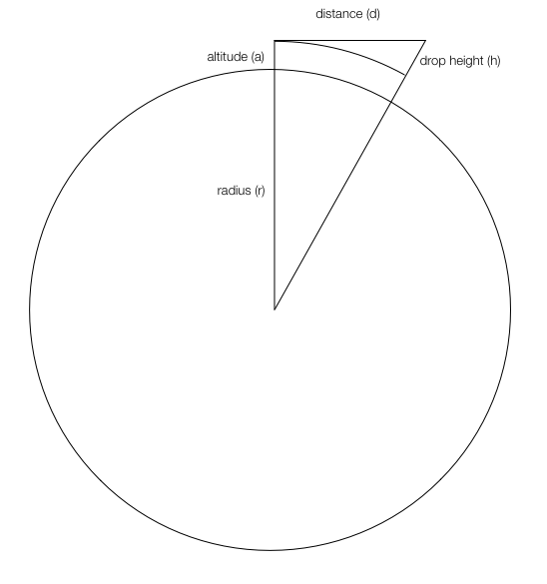
 |  | Label | Value | Unit
ASSUMPTIONS
 |  | Earth is a perfect sphere and has a uniform gravitation field
 |  | No air resistance at any altitude
 |  | Object is in a circular orbit

CONSTANTS
 |  | Radius of Earth (r) | 6,371 | km
 |  | Acceleration due to gravity at sea level (g0) | 9.80665 | ms-2
 |  | Conversion: m to km | 1,000 | m per km
 |  | Drop Height (h) | 1 | km

VARIABLES
 |  | Orbit Altitude (a) | 330 | km above sea level

CALCULATIONs - SHARED
 |  | Orbit radius (r + a) | 6,701.00 | km

CALCULATIONS - ESTIMATION USING NEWTON'S CANNONBALL ANALOGY
 |  | Acceleration due to gravity at orbit altitude (ga) | 8.86 | ms-2
 |  | Orbit + drop height radius (r+a+h) | 6,702.00 | km2

 | Resolving the constant linear acceleration equation (s = ut + ½at2)
 |  | Time for an object to drop h distance under gravity (t) | 15.02 | s

 | Using Pythagoras's theorem
 |  | Distance of tangent from origin to drop point (d) | 115.77 | km

 | At orbital velocity, an object falls as fast as the Earth curves away from the object
 |  | Time from origin to drop point (t) | 15.02 | s
 |  | Orbital Velocity at Orbital Altitude (v) | 7.7075142421 | km/s

CALCULATIONS - USING PRECISE ORBITAL MECHANICS FORMULA
 |  | Standard gravitational parameter (μ) | 398,600 | km3s−2
 |  | Distance at which the speed is to be calculated (r) | 6,701.00 | km
 |  | Length of the semi-major axis of the orbit (a) | 6,701.00 | km
 |  | Orbital velocity (v) | 7.7125692921 | km/s

 |  | Variance between precise and estimated orbital velocity | 0.0050550500 | km/s

