Spam Latency Distribusi
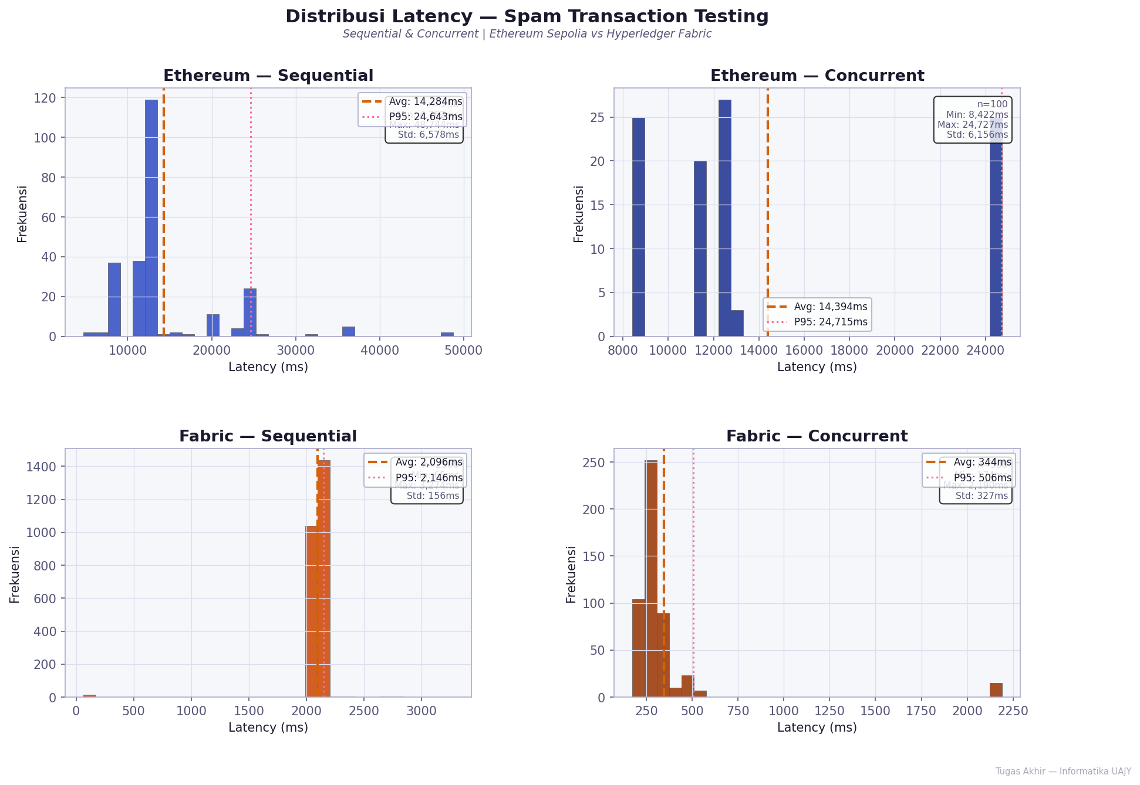
SPAM LATENCY DISTRIBUSI

Spam Perbandingan Metrik
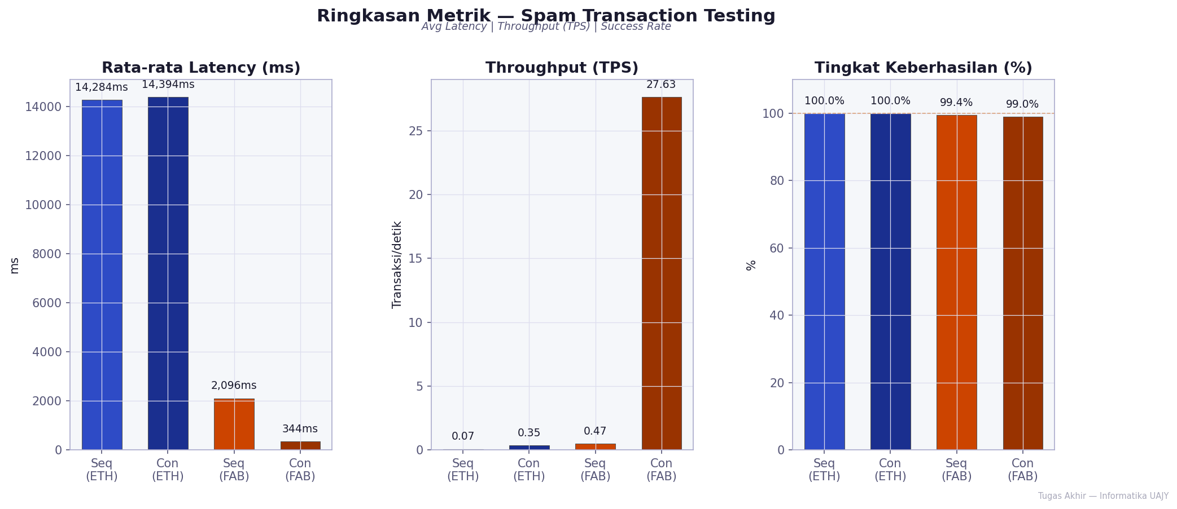
SPAM PERBANDINGAN METRIK

Load Response Time
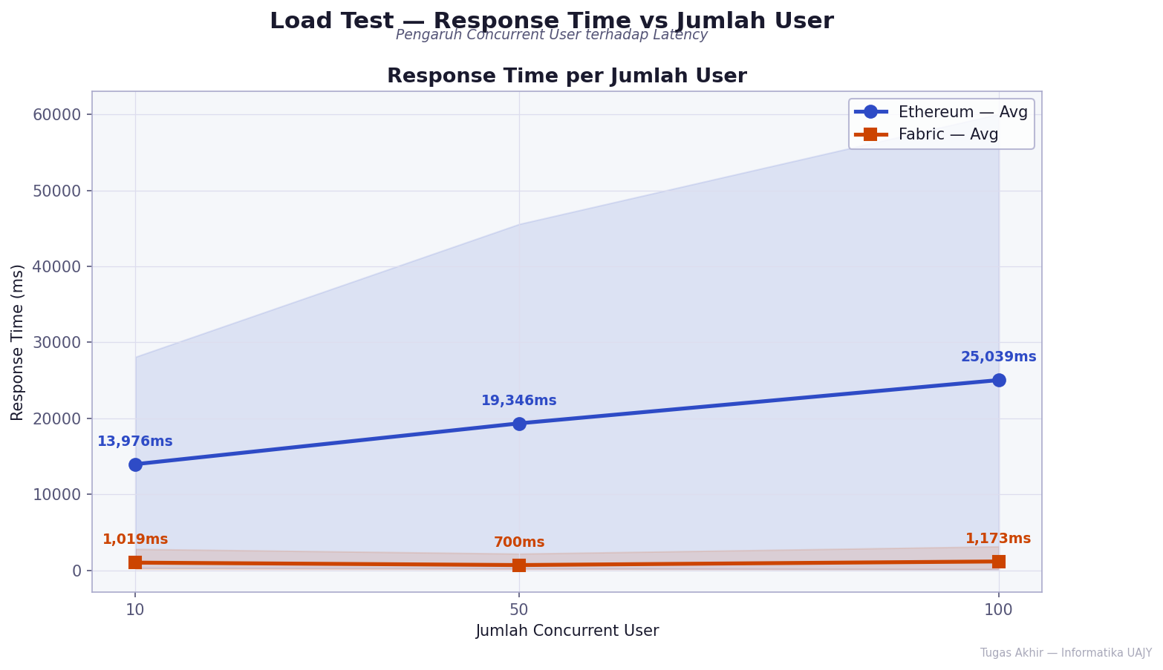
LOAD RESPONSE TIME

Load Throughput
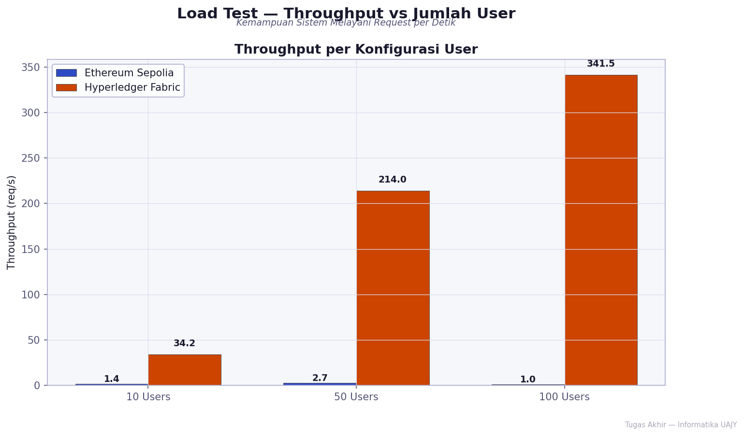
LOAD THROUGHPUT

Load Error Rate
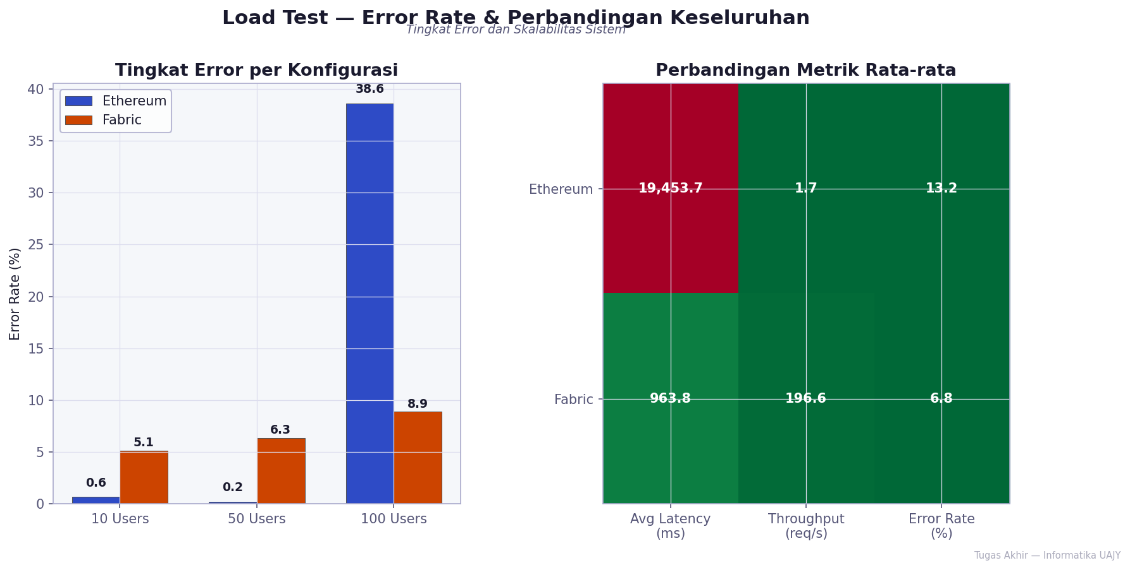
LOAD ERROR RATE

Access Control Hasil
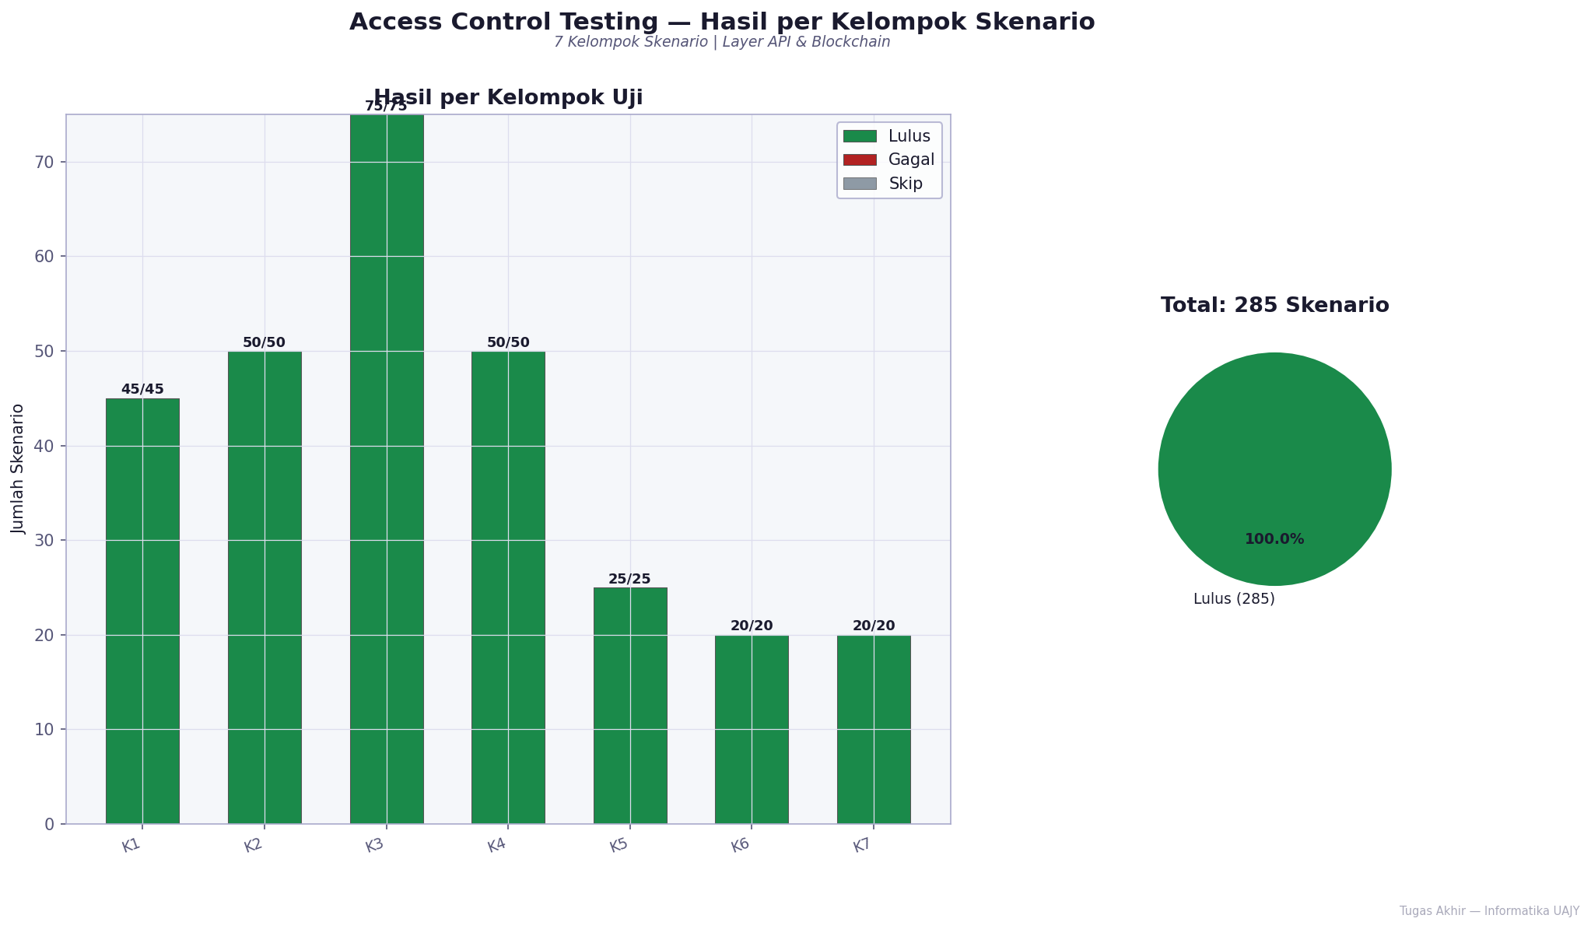
ACCESS CONTROL HASIL

Access Control Latency
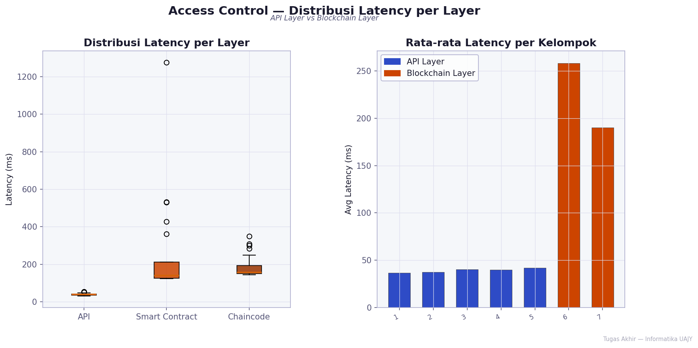
ACCESS CONTROL LATENCY

Integrity Summary
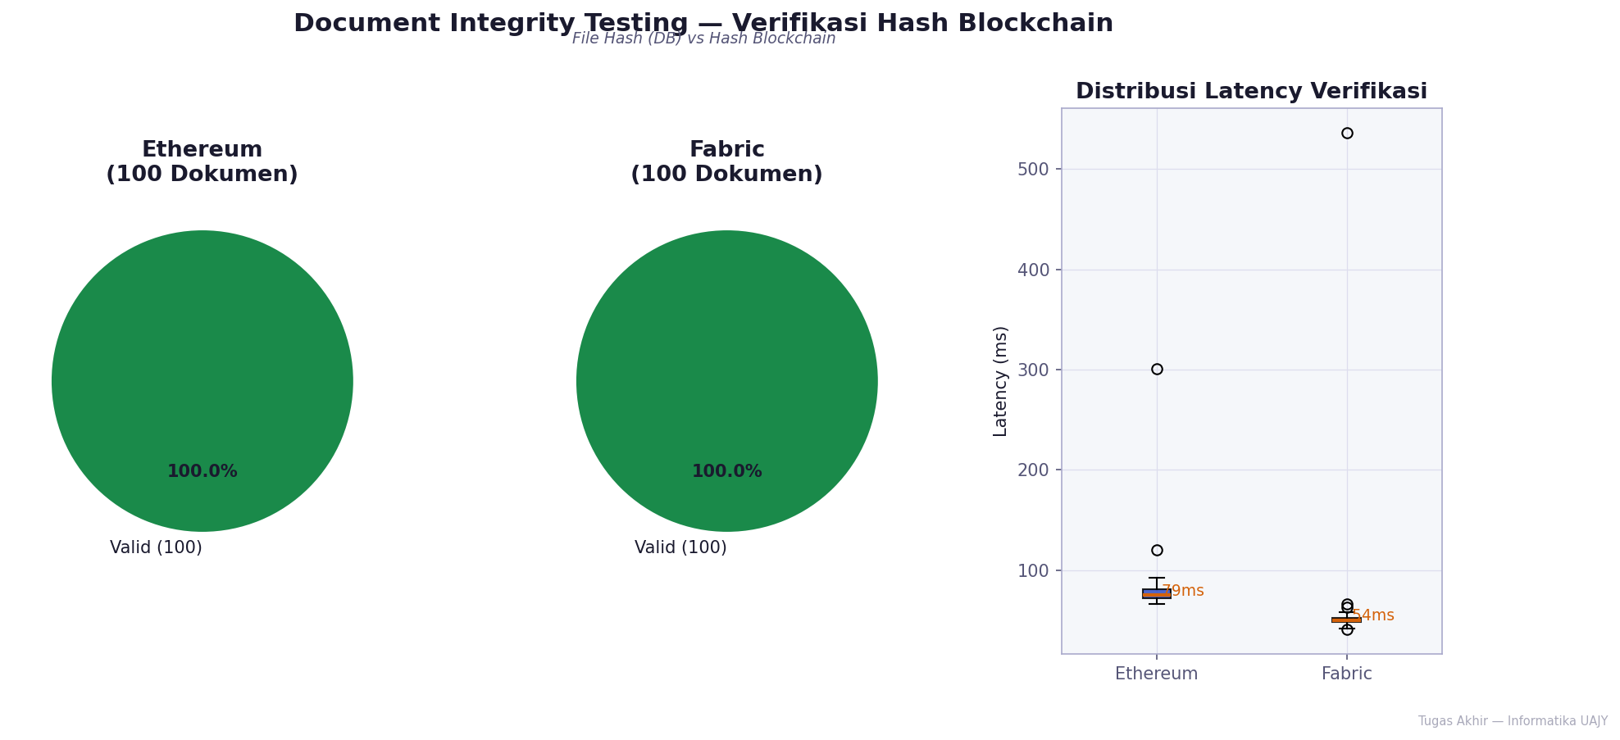
INTEGRITY SUMMARY

Integrity per Doctype
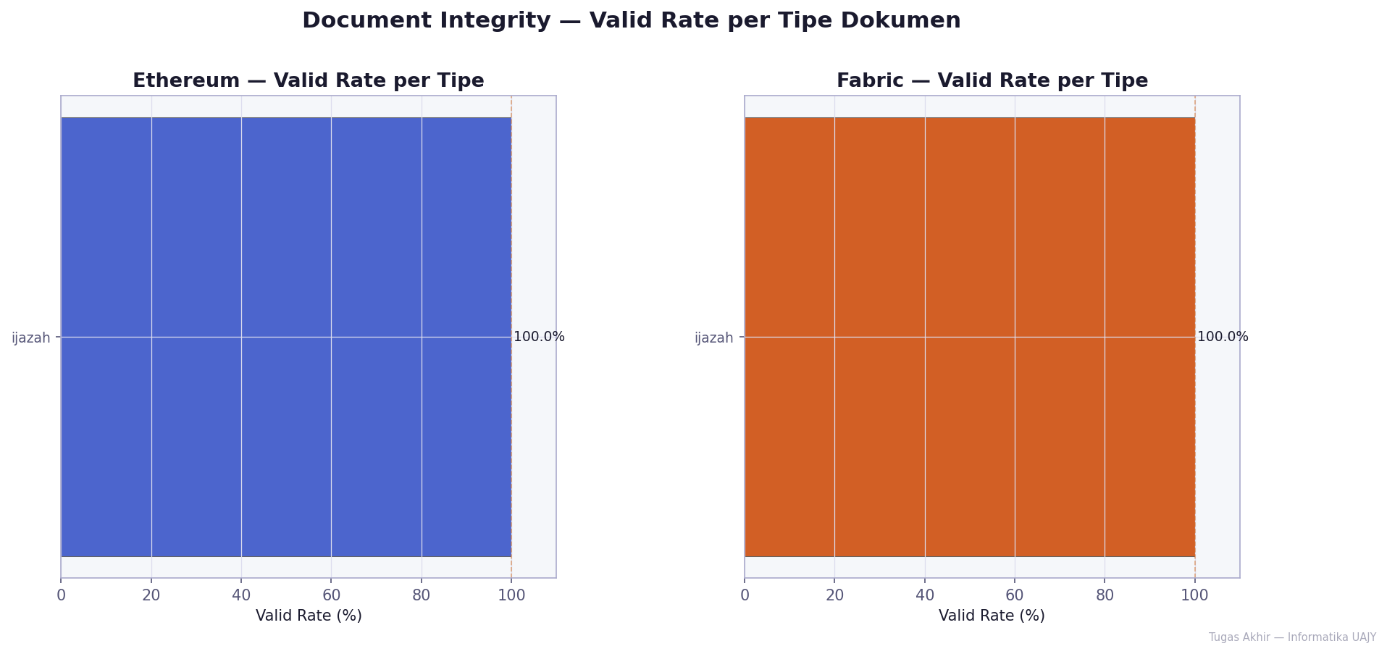
INTEGRITY PER DOCTYPE

DDoS Availability
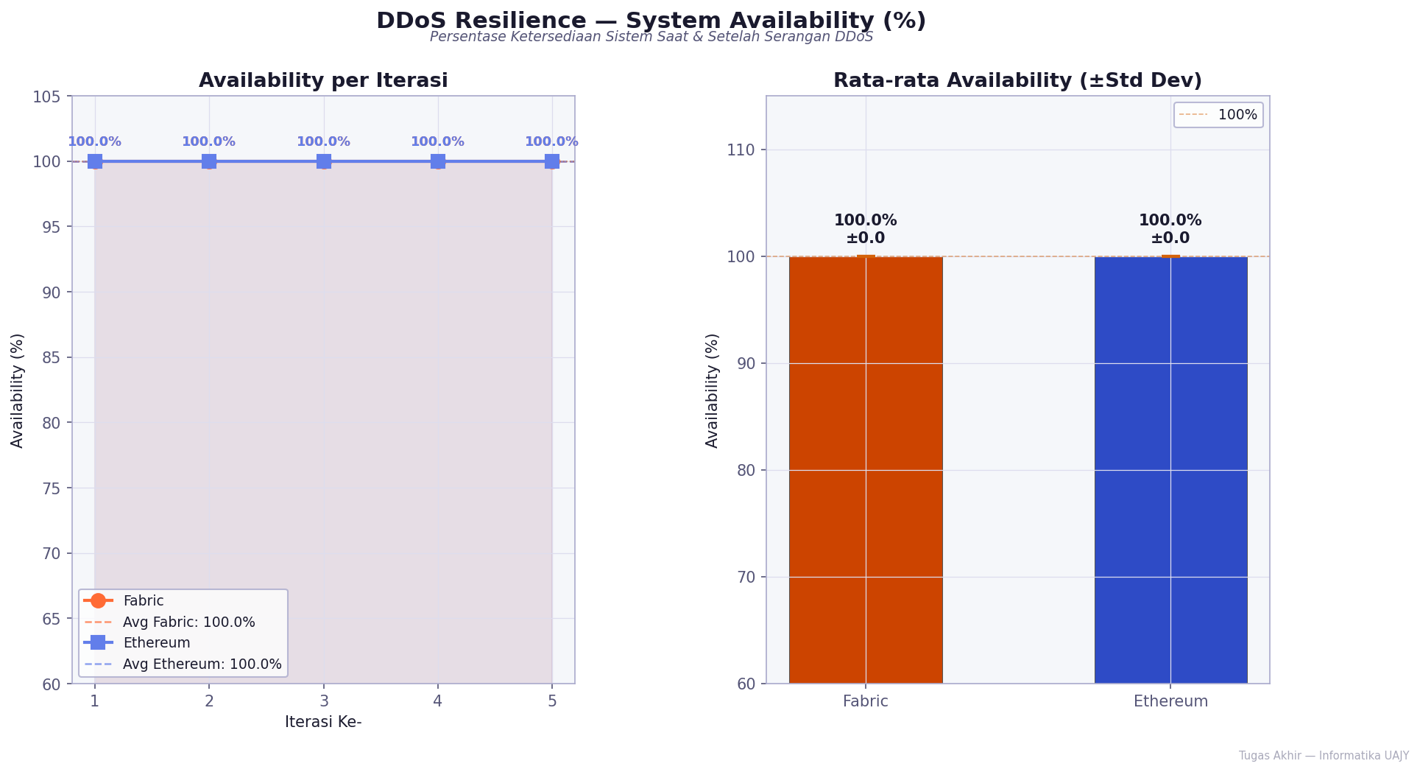
DDOS AVAILABILITY

DDoS Latency Fase
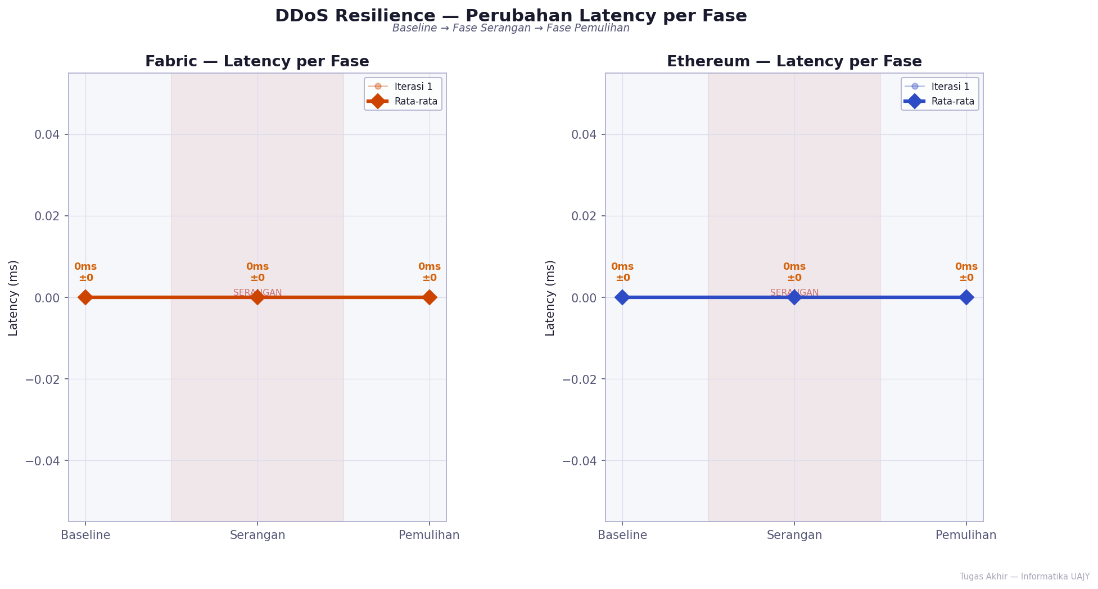
DDOS LATENCY FASE

DDoS Platform Comparison
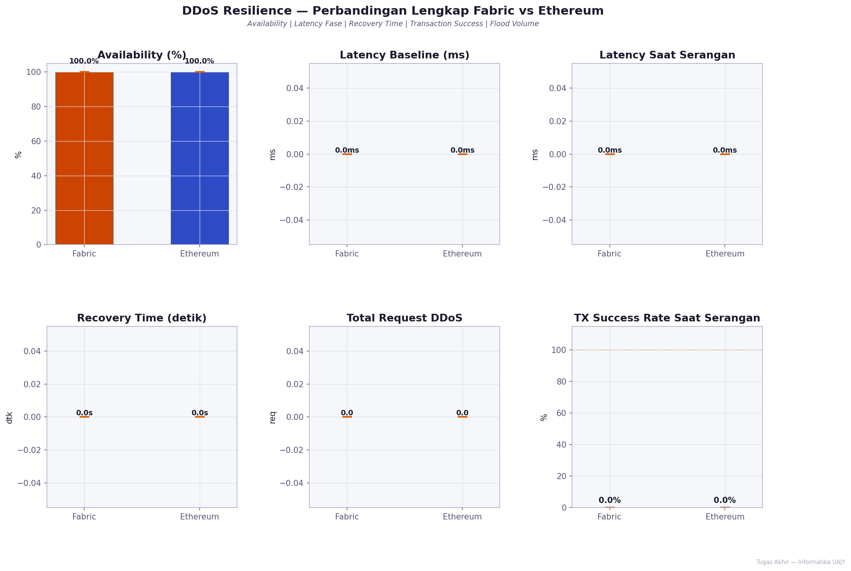
DDOS PLATFORM COMPARISON

Dashboard Keseluruhan
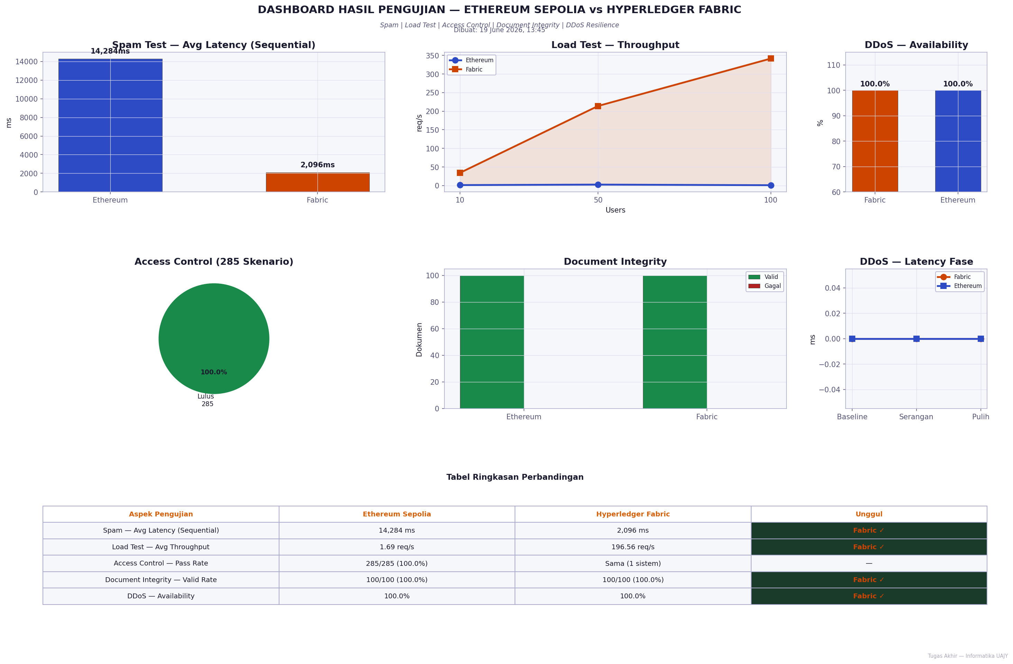
DASHBOARD KESELURUHAN

