Set_Up_Configurazione
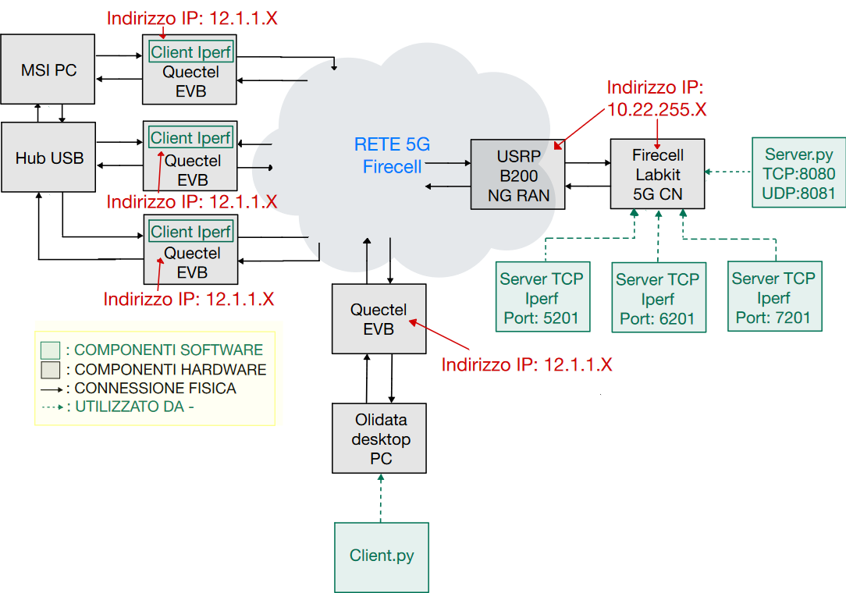

MSI PC | VALUE | udm |  |  |  | Firecell Desktop PC | VALUE | udm
Memory | 16 | GiB |  |  |  | Memory | 31.1 | GiB
Processor | Intel ® Core i7-10710U CPU @ 1.10GHz, 6 core |  |  |  |  | Processor | 12th Gen Intel@Core i9-12900K×24
Graphics | NVIDIA GeForce GTX 1650 with Max-Q Design |  |  |  |  | Graphics | llvmpipe (LLVM 12.0.0, 256 bits)
Disk Capacity | 500 | GiB |  |  |  | Disk Capacity | 1.5 | TB
OS Name | Microsoft Windows 11 Home |  |  |  |  | OS Name | Ubuntu 20.04.6 2023.07.06 LTS
OS Type | 64 | bit |  |  |  | OS Type | 64 | bit
 |  |  |  |  |  | GNOME Version | 3.36.8
Quectel EVB | VALUE |  |  |  |  | Windowing System | X11
Device Type | 5G/4G USB Modem
Connection Interface | USB 3.0 |  |  |  |  | USRP B200 | VALUE
Supported Standard | 5G NR, LTE, WCDMA, GSM |  |  |  |  | Device Type | Software Defined Radio (SDR)
Operating Frequency | 5G NR (N78: 3.3-3.8 GHz), LTE, WCDMA, GSM |  |  |  |  | Connection Interface | USB 3.0
Modulation | QPSK,16QAM,64QAM |  |  |  |  | Supported Standard | Support frequencies from 70 MHz to 6 GHz
Power Supply | USB(5V max 2.5W) |  |  |  |  | Operating Frequency | 70 MHz - 6 GHz (wideband coverage)
Software Compatibility | Linux and Windows |  |  |  |  | Modulation | Support real-time IQ modulation (QPSK,16QAM,..)
Network Connectivity | 5G/4G via SIM card or USB Ethernet Configuration |  |  |  |  | Power Supply | USB(5V max 10W)
Control Software | QMI, AT command |  |  |  |  | Bandwidth | 56 MHz full-duplex bandwidth
 |  |  |  |  |  | Software Compatibility | GNU Radio, MATLAB, Simulink, LabView (via UHD)

 |  |  | Olidata Desktop PC | VALUE | udm
 |  |  | Memory | 8 | GiB
 |  |  | Processor | Intel® Pentium® CPU G2130 @ 3.20GHz,2 Core
 |  |  | Graphics | llvmpipe (LLVM 12.0.0, 256 bits)

Metriche
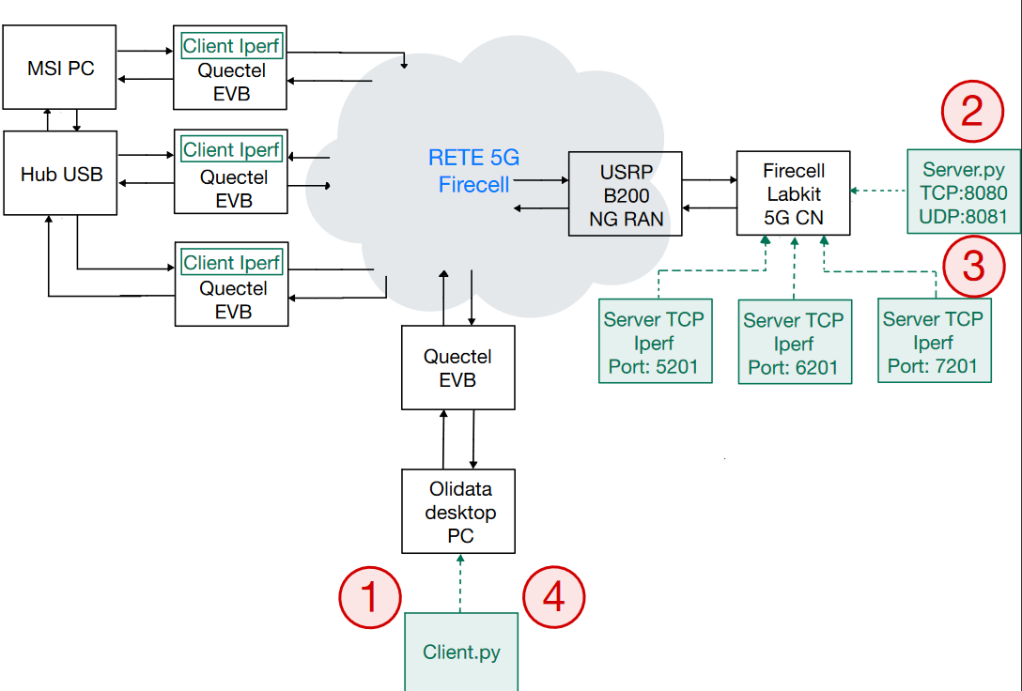
$$t_{server−recv}$$

$$t_{server−send}$$

$$t_{client−recv}$$
$$t_{client−send}$$

$$RTT=\left(t_{client−recv}−t_{server−send}\right)+(t_{server−recv}−t_{client−send})$$

$${OTT}_{send}=t_{server−recv}−t_{client−send}$$

$${OTT}_{recv}=t_{client−recv}−t_{server−send}$$

CONDIZIONI DI TRAFFICO

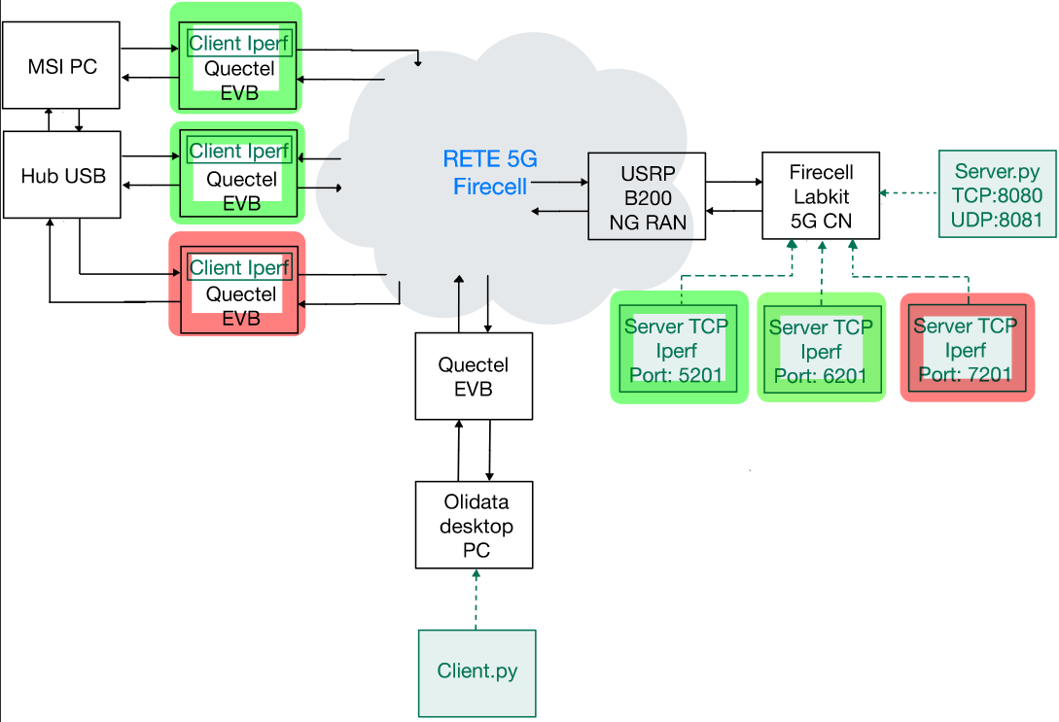
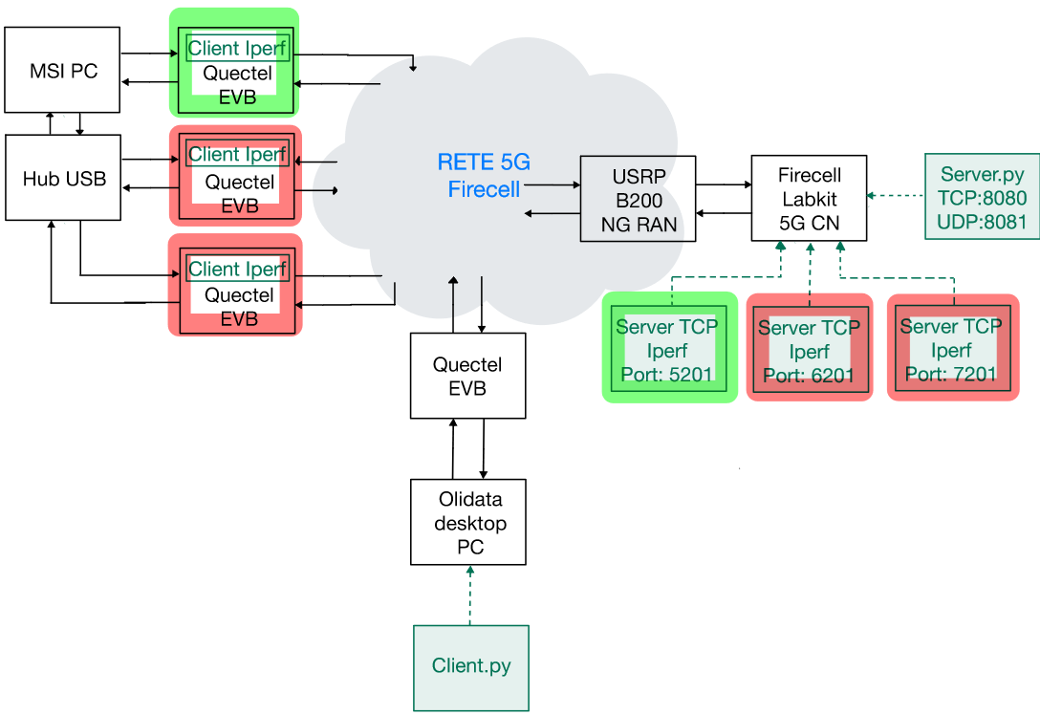
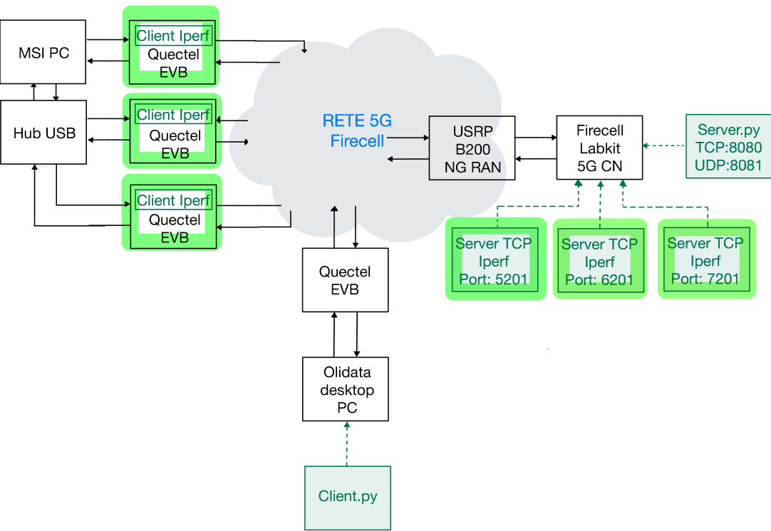

2
3
1

Risultati
RTT |  |  |  |  | OTT SEND |  |  |  |  | OTT RECV
 | MEAN | VAR | STD | COUNT |  | MEAN | VAR | STD | COUNT |  | MEAN | VAR | STD | COUNT
TRAFFICO | ms | ms^2 | ms | - | TRAFFICO | ms | ms^2 | ms | - | TRAFFICO | ms | ms^2 | ms | -
0 | 25.27 | 25.73 | 5.07 | 3971 | 0 | 10.40 | 6.07 | 2.46 | 3971 | 0 | 14.86 | 20.47 | 4.52 | 3971
1 | 25.29 | 9.01 | 3.00 | 3970 | 1 | 10.67 | 5.36 | 2.31 | 3970 | 1 | 14.61 | 4.67 | 2.16 | 3970
2 | 25.05 | 5.25 | 2.29 | 3976 | 2 | 10.52 | 1.55 | 1.24 | 3976 | 2 | 14.53 | 4.26 | 2.06 | 3976
3 | 24.75 | 6.80 | 2.61 | 3985 | 3 | 10.31 | 2.58 | 1.60 | 3985 | 3 | 14.44 | 4.68 | 2.16 | 3985

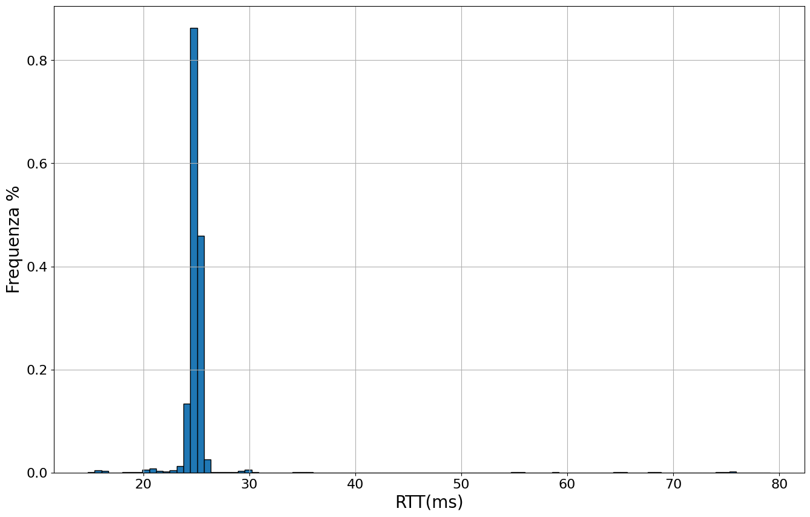
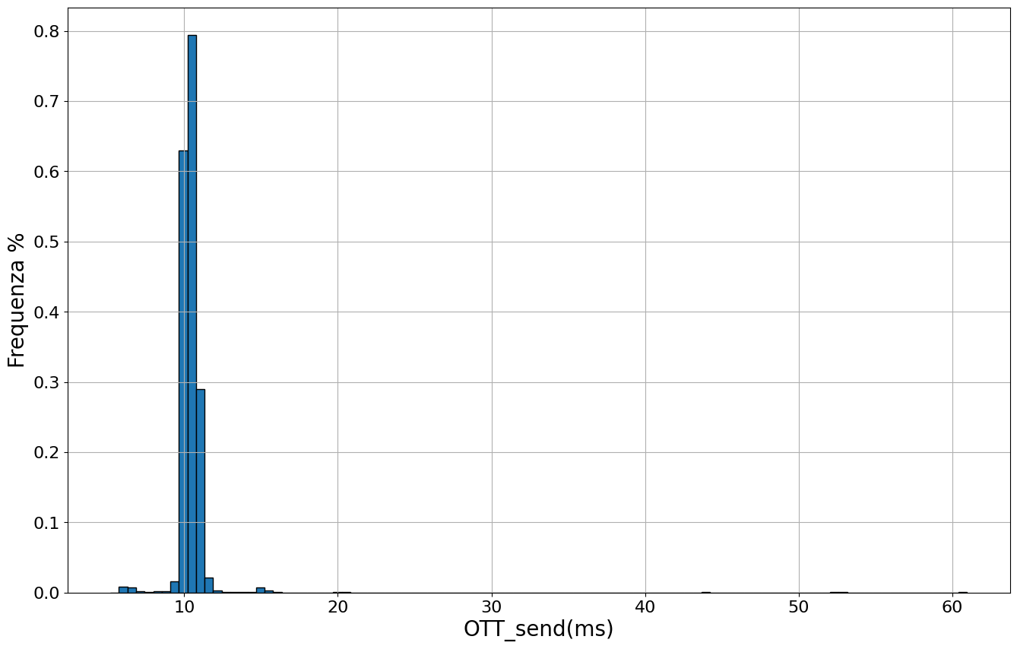
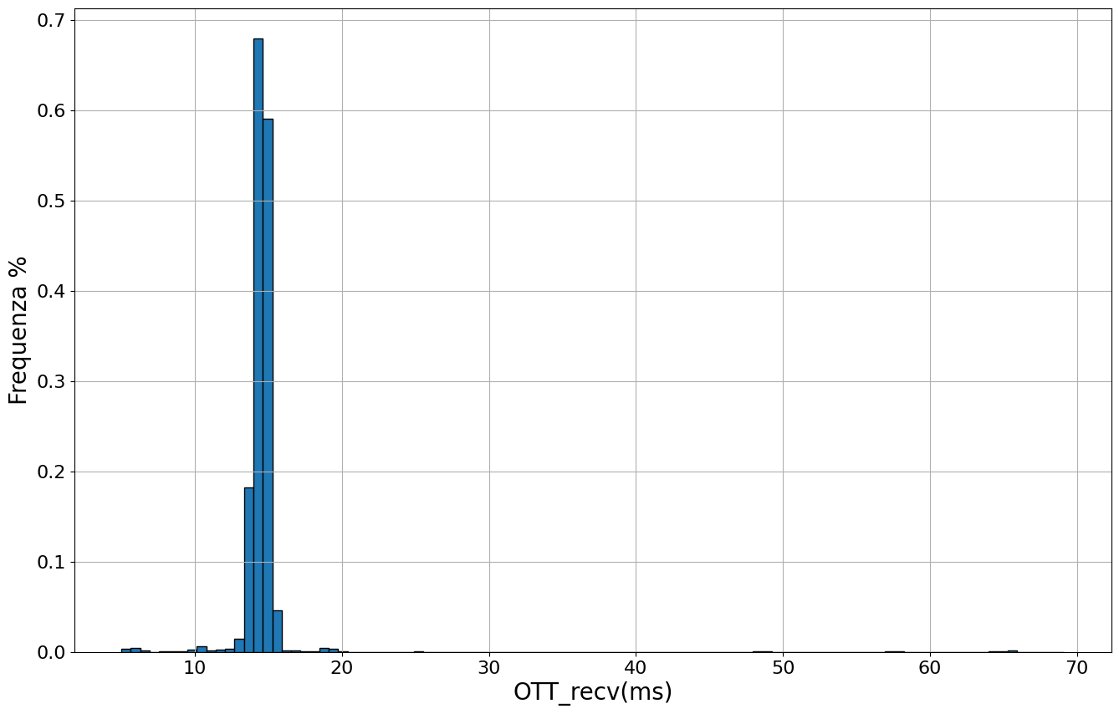

Error during the registration
CPU% and MEM% usage during the registration of 6 UE
UE4
UE5

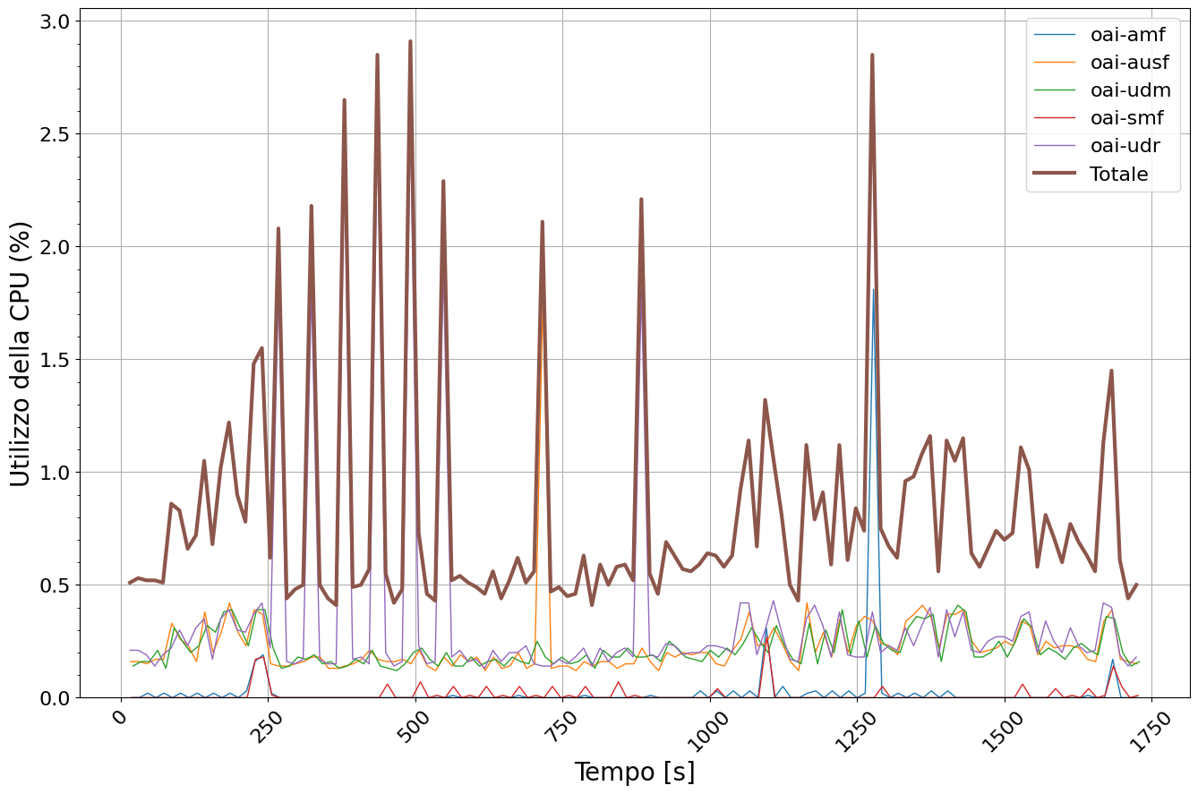
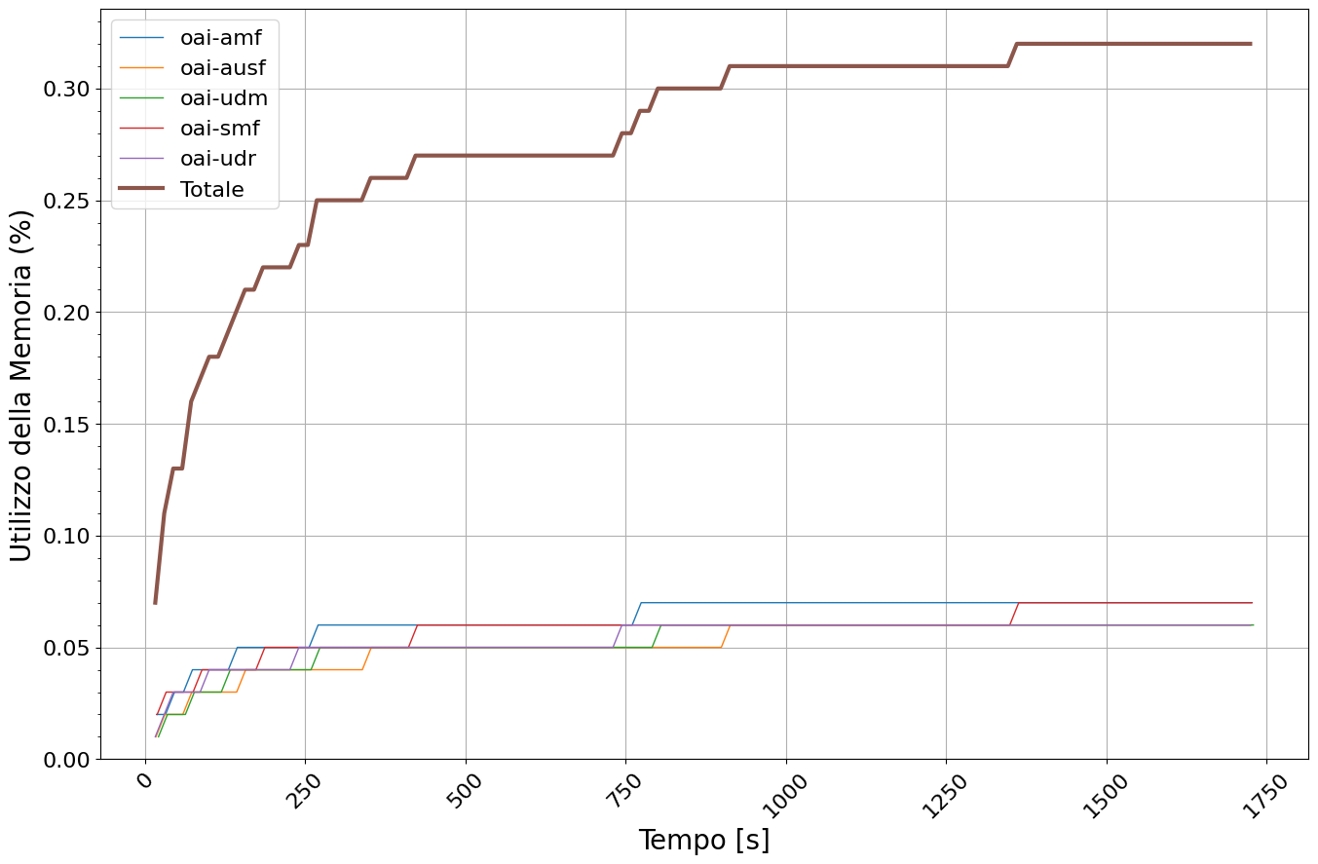
UE3

UE2
UE6

UE1

