Sheet1
Well | Tile | Nucleus Volumes (per object): |  | Cell Volume | source
 |  | Label | Volume (μm³) | Volume(μm³) | 20260310_hydrogelmitotrackerMP | hydrogel_mitotrack_DAPI_actin | 2026-03-10
3 | 1 | 1 | 91.46 | 112.55
3 | 1 | 2 | 44.03 | 55.69
3 | 2 | 3 | 148.89 | 308.52
3 | 2 | 4 | 89.42 | 222.77
3 | 3 | 5 | 112.67 | 145.03
3 | 3 | 6 | 101.96 | 132.73
3 | 3 | 7 | 58.84 | 63.77
3 | 4 | 8 | 83.97 | 96.53
3 | 4 | 9 | 53.34 | 72.39
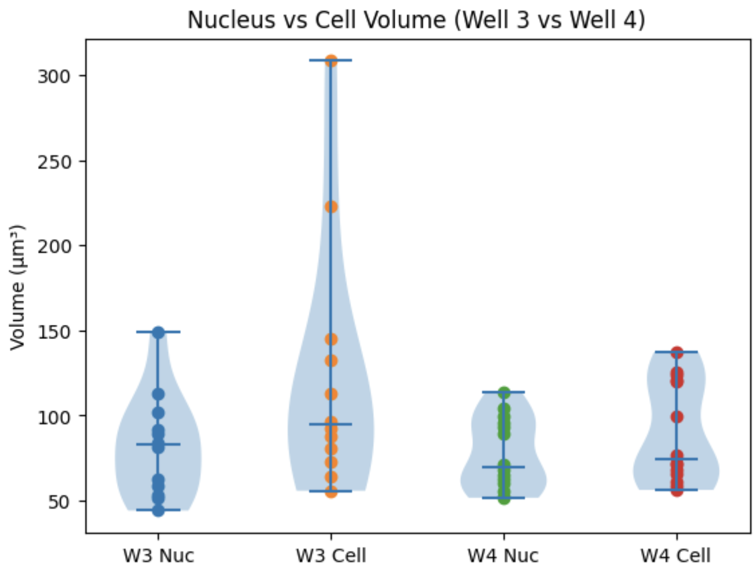
3 | 4 | 10 | 62.71 | 80.52
3 | 4 | 11 | 81.23 | 92.31
3 | 4 | 12 | 51.11 | 87.91

4 | 1 | 1 | 55.23 | 60.97
4 | 1 | 2 | 52.18 | 58.21
4 | 1 | 3 | 62.18 | 70.86
4 | 2 | 4 | 64.93 | 72.34
4 | 2 | 5 | 68.38 | 76.55
4 | 2 | 6 | 71.51 | 67.78
4 | 3 | 7 | 92.82 | 99.7
4 | 3 | 8 | 59.93 | 65.35
4 | 3 | 9 | 114.03 | 123.87
4 | 3 | 10 | 51.58 | 56.19
4 | 4 | 11 | 103.91 | 125.54
4 | 4 | 12 | 99.26 | 120.34
4 | 4 | 13 | 88.95 | 120.97
4 | 4 | 14 | 95.26 | 137.24

