PCにインストール
① | 以下リンクから対象OSのモノをインストール
 | https://mosquitto.org/download/?utm_source=chatgpt.com

② | 「C:\Program Files\Mosquitto\mosquitto.conf」の最終行に以下文言を追加
listener 1883 allow_anonymous true

 | ※直開きだと編集権限が無いので、最初にメモ帳を管理者権限で開いてから、メモ帳内のファイルタブで開く

データ形式
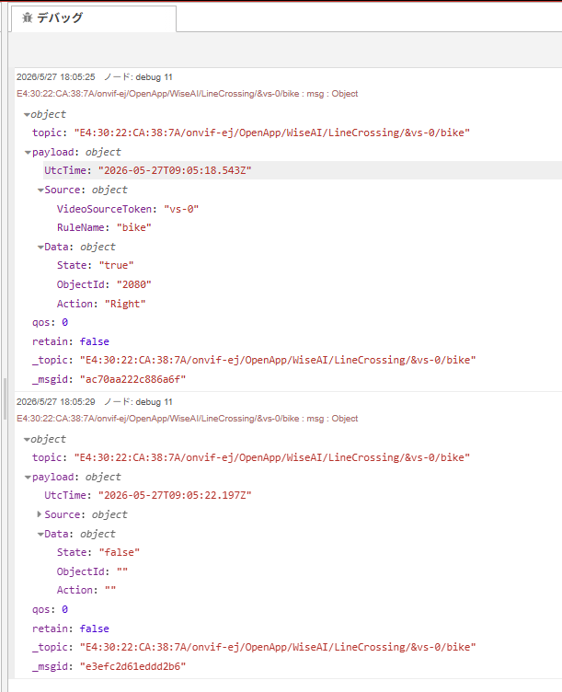
2026/5/27 18:05:25ノード: debug 11E4:30:22:CA:38:7A/onvif-ej/OpenApp/WiseAI/LineCrossing/&vs-0/bike : msg : Object
object
topic: "E4:30:22:CA:38:7A/onvif-ej/OpenApp/WiseAI/LineCrossing/&vs-0/bike"
payload: object
UtcTime: "2026-05-27T09:05:18.543Z"
Source: object
VideoSourceToken: "vs-0"
RuleName: "bike"
Data: object
State: "true"
ObjectId: "2080"
Action: "Right"
qos: 0
retain: false
_topic: "E4:30:22:CA:38:7A/onvif-ej/OpenApp/WiseAI/LineCrossing/&vs-0/bike"
_msgid: "ac70aa222c886a6f"

2026/5/27 18:05:29ノード: debug 11E4:30:22:CA:38:7A/onvif-ej/OpenApp/WiseAI/LineCrossing/&vs-0/bike : msg : Object
object
topic: "E4:30:22:CA:38:7A/onvif-ej/OpenApp/WiseAI/LineCrossing/&vs-0/bike"
payload: object
UtcTime: "2026-05-27T09:05:22.197Z"
Source: object
VideoSourceToken: "vs-0"
RuleName: "bike"
Data: object
State: "false"
ObjectId: ""
Action: ""
qos: 0
retain: false
_topic: "E4:30:22:CA:38:7A/onvif-ej/OpenApp/WiseAI/LineCrossing/&vs-0/bike"
_msgid: "e3efc2d61eddd2b6"

