Tabelle1
Final Basin water quality
Parameter | Pre-development(median,max) | Post-development(median) | Objective | Status
TN | 0.6mg/L,1.6mg/L | 1.08mg/L | 0.7mg/L | Does not meet |  | Post-development concentration
TP | 0.04mg/L,0.1mg/L | 0.05mg/L | 0.025mg/L | Does not meet |  | TN | TP | TSS | (kg/y)
TSS | 9mg/L,25mg/L | 11.74mg/L | 25mg/L | meets
 |  |  |  |  | m(small table) | 26.8 | 2.47 | 947 | (kg/y) | v(smalltable) | 12.2 | (ML/y)
Final Basin water quality |  |  |  |  | c(small table) | 2.1967213115 | 0.20245901639 | 77.62295082
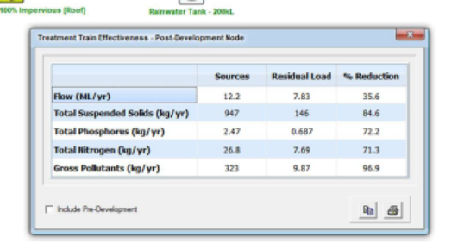
Parameter | Existing Annual Load (kg/yr) | Additional Load (kg/yr) | Total Mass (kg/yr) | %Increase | Δm | 0.066780327869 | 0.0061547540984 | 2.3597377049
TN | 741 | 0.0669 | 741.07 | 0.01% | m | 722 | 41.7 | 8302
TP | 42.7 | 0.00608 | 42.71 | 0.01% |  | 722.06678033 | 41.706154754 | 8304.3597377
TSS | 8514 | 2.36 | 8516.36 | 0.03%
Chl-a | N/A | N/A | N/A | N/A | Δv | 0.0304 | (ML/y)
 |  |  |  |  | V(median) | 80.358
 |  |  |  |  |  | 80.3884

 |  |  |  |  | C | TN | TP | TSS
 |  |  |  |  |  | 8.9822260466 | 0.518808121 | 103.30296085

