d18O_20210626 (strange)
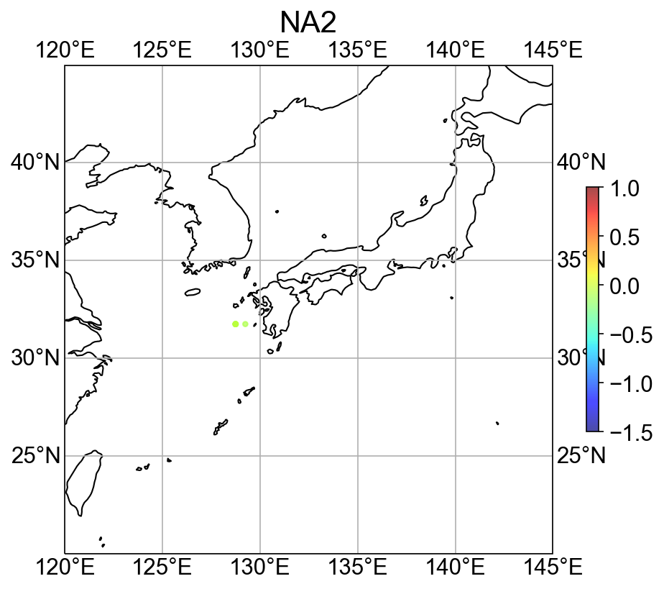
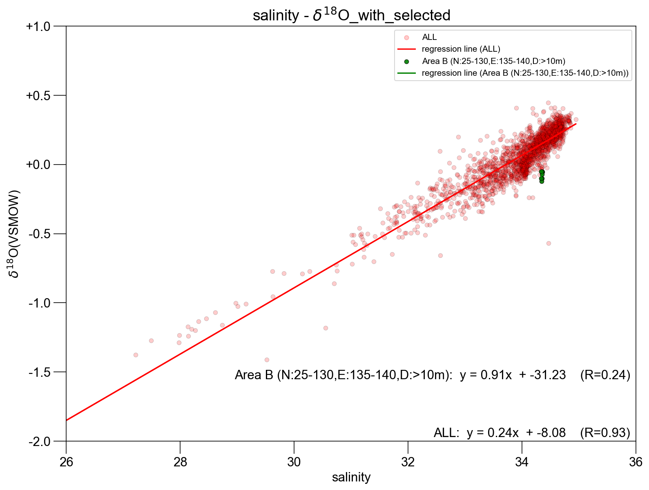
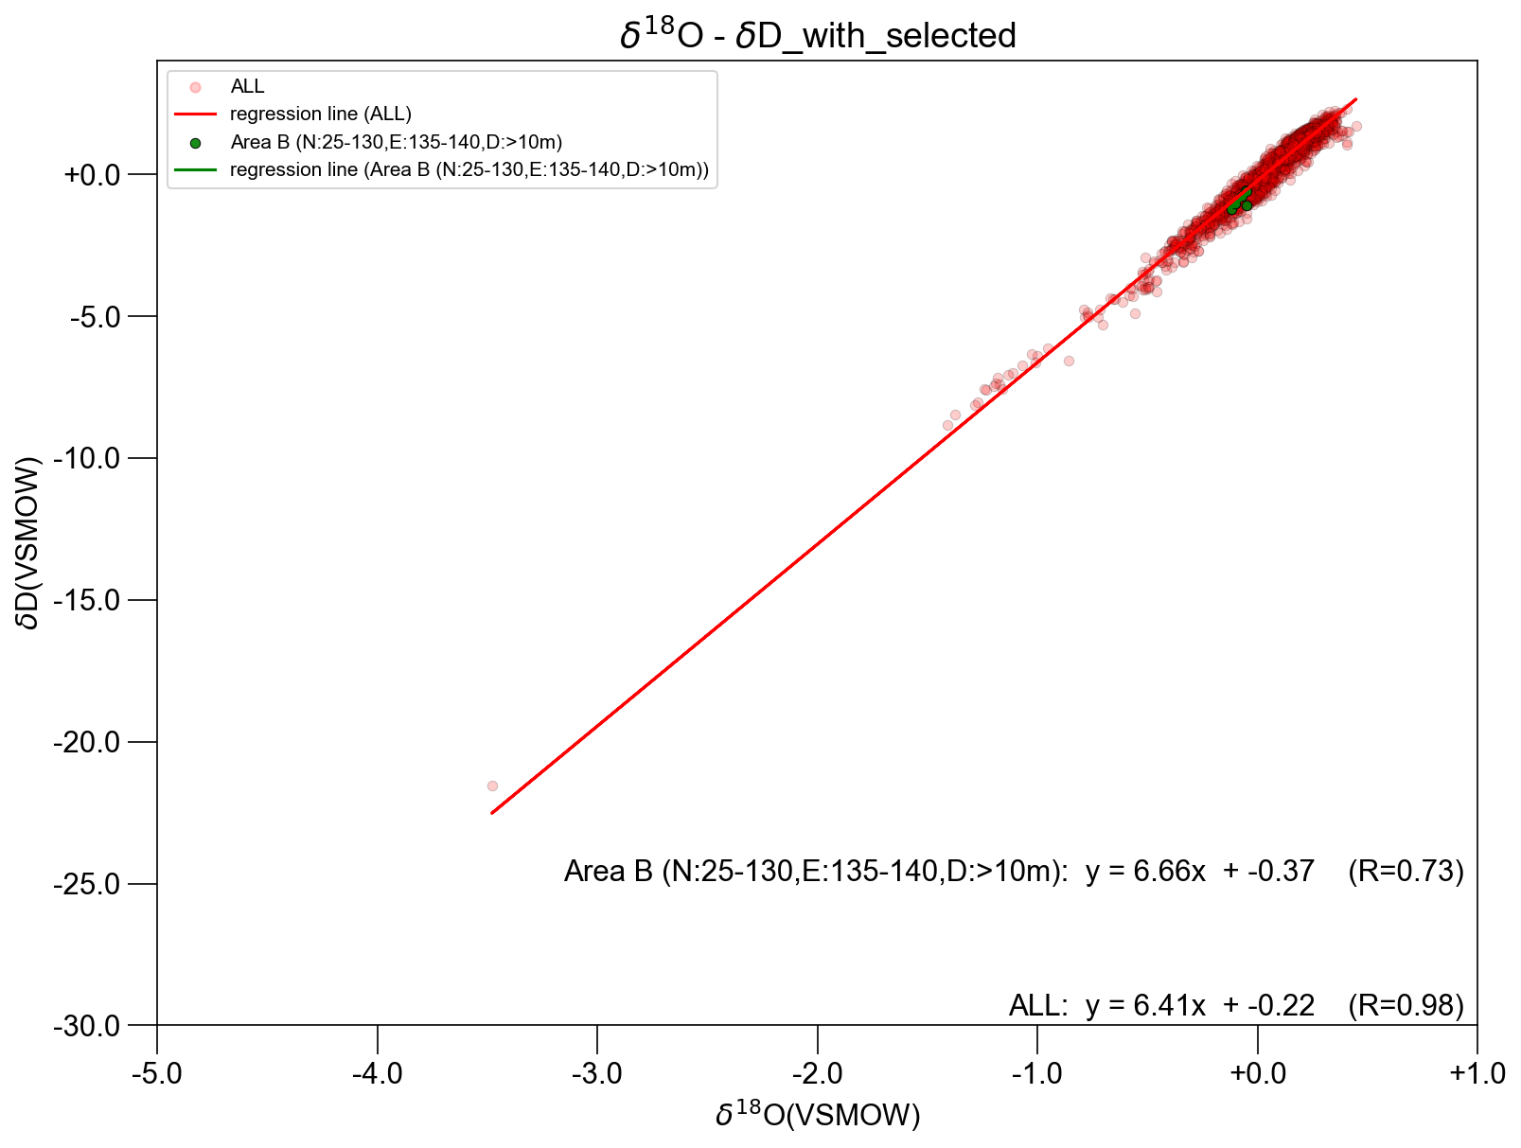
Cruise | Station | Transect | Date | Year | Month | Day | Time | Longitude_degE | Latitude_degN | Depth_m | TargetDepth_m | Bottle | Temperature_degC | Salinity | d18O | dD | PI | Vertical | strange_level | Remarks | 石村メモ | 石村ラベル
HK1806 | NJS01 | SI | 2018-08-30 | 2018 | 8 | 30 | 19:29:23 | 138.249 | 37.332 | 100 | 100 | 0 | NA | 34.467 | -0.57 | -4.05 | Kodama |  | 3 |  | 分析問題無し 飛び値 雨水コンタミ？？ | HK1806 St.NJS01 10m Bt.1
YK1805 | 30 | CK | 2018-06-30 | 2018 | 6 | 30 | 20:21:00 | 128.749 | 31.749 | 497 | 500 | 0 | 8.61 | 34.359 | -0.05 | -0.57 | Kitajima | 1 | 2 |  |  | YK1805 St.30 496.914m Bt.1
YK1812 | 95 | CK | 2019-03-09 | 2019 | 3 | 9 | 15:10:00 | 128.746 | 31.748 | 495 | 500 | 0 | 7.55 | 34.349 | -0.07 | -0.75 | Kitajima | 1 | 2 |  | 深いと軽い | YK1812 St.95 495.433m Bt.0
YK1901 | 77 | CK | 2019-04-28 | 2019 | 4 | 28 | 7:50:00 | 128.748 | 31.751 | 497 | 500 | 0 | 7.35 | 34.349 | -0.10 | -1.04 | Kitajima | 1 | 2 |  |  | YK1901 St.77 497.086m Bt.0
YK1705 | 31_4 | CK | 2017-07-01 | 2017 | 7 | 1 | 0:00:00 | 128.751 | 31.749 | 500 | 500 | 0 | 7.76 | 34.346 | -0.05 | -0.59 | Kitajima | 1 | 2 |  |  | YK1705 St.31_4 500m Bt.1
YK1606 | 33_1 | CK | 2016-07-18 | 2016 | 7 | 18 | 12:07:00 | 128.750 | 31.750 | 496 | 500 | 0 | 7.33 | 34.343 | -0.12 | -1.23 | Kitajima | 1 | 2 |  |  | YK1606 St.33_1 496m Bt.1
YK1513 | 16_1 | CK | 2016-03-13 | 2016 | 3 | 13 | 21:00:00 | 129.249 | 31.750 | 497 | 500 | 0 | 7.64 | 34.337 | -0.10 | -1.04 | Kitajima | 1 | 2
YK1513 | 15_3 | CK | 2016-03-13 | 2016 | 3 | 13 | 13:03:00 | 128.751 | 31.749 | 496 | 500 | 0 | 7.48 | 34.337 | -0.05 | -1.08 | Kitajima | 1 | 2
YK1901 | 49 | sECS | 2019-04-23 22:56:54 | 2019 | 4 | 23 | 22:56:00 | 126.257 | 27.258 | 497 | 500 | 0 | 8.26 | 34.309 | -0.07 | -0.77 | Kitajima | 1 | 1 |  | 深いと軽い | YK1901 St.49 496.974m Bt.0

