GossipChart
Gossip Convergence Time v/s Network Size
 | FULL |  | IMP2D |  | 2D |  | LINE
10 | 7.194 | 16 | 100.913 | 16 | 3.864 | 10 | 105.472
20 | 7.045 | 25 | 1.025 | 25 | 4.13 | 20 | 206.727
30 | 8.926 | 36 | 100.786 | 36 | 106.042 | 30 | 206.358
40 | 9.113 | 49 | 101.522 | 49 | 201.619 | 40 | 106.314
50 | 15.491 | 64 | 100.977 | 64 | 104.62 | 50 | 306.722
100 | 29.539 | 100 | 102.565 | 100 | 106.323 | 100 | 611.853
200 | 101.735 | 225 | 105.855 | 225 | 113.648 | 200 | 1116.493
300 | 134.894 | 324 | 112.37 | 324 | 210.134 | 300 | 2126.502
400 | 160.815 | 400 | 117.567 | 400 | 212.173 | 400 | 2228.239
500 | 230.276 | 529 | 148.506 | 529 | 143.419 | 500 | 2529.81
600 | 431.218 | 625 | 154.241 | 625 | 220.873 | 600 | 3945.284
700 | 414.446 | 729 | 196.174 | 729 | 226.138 | 700 | 3545.067
800 | 1187.735 | 841 | 243.715 | 841 | 235.634 | 800 | 4755.466
900 | 1829.581 | 900 | 243.715 | 900 | 279.867 | 900 | 5666.545
1000 | 3097.208 | 1024 | 251.854 | 1024 | 274.158 | 1000 | 6575.544

GossipChartImage
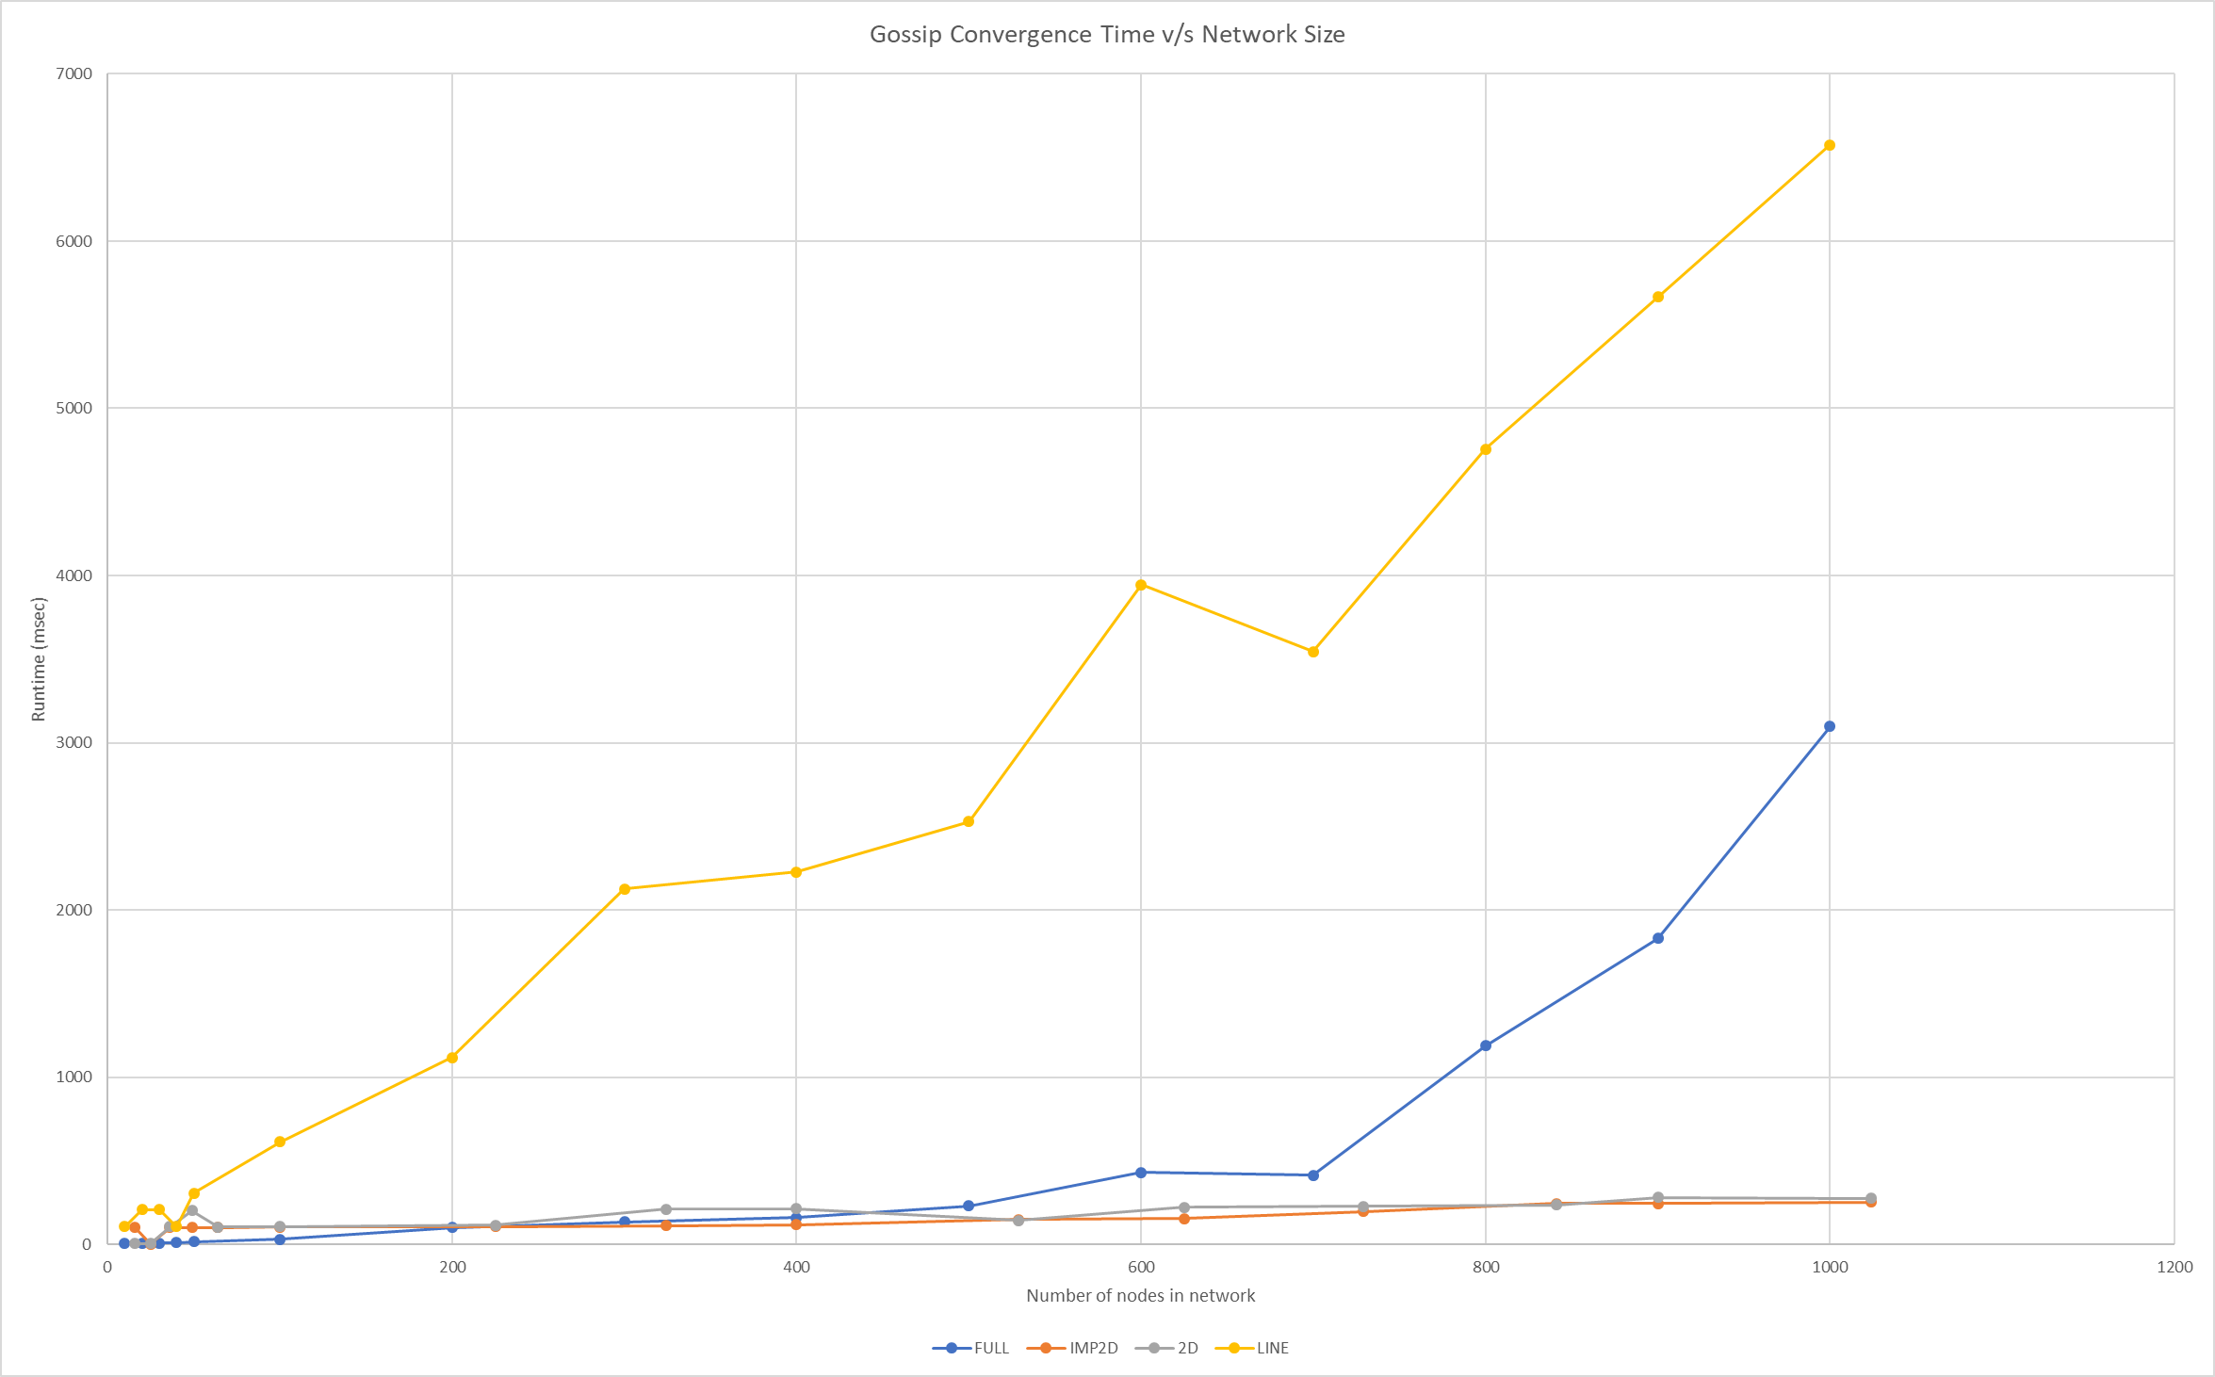

PushSumChart
Push-Sum Convergence Time v/s Network Size
 | IMP2D |  | 2D |  | FULL |  | LINE (NON-CONVERGENT)
16 | 102.419 | 16 | 103.951 | 10 | 13.809 | 10 | 105.692
25 | 101.604 | 25 | 105.133 | 20 | 19.287 | 20 | 105.543
36 | 101.534 | 36 | 104.785 | 30 | 39.786 | 30 | 104.701
49 | 101.611 | 49 | 105.258 | 40 | 57.161 | 40 | 105.979
64 | 102.73 | 64 | 105.934 | 50 | 77.963 | 50 | 106.847
100 | 105.801 | 100 | 108.229 | 100 | 219.162 | 100 | 142.976
225 | 115.805 | 225 | 113.131 | 200 | 247.379 | 200 | 133.528
324 | 123.407 | 324 | 129.008 | 300 | 324.074 | 300 | 221.653
400 | 135.393 | 400 | 138.815 | 400 | 404.365 | 400 | 136.566
529 | 138.826 | 529 | 167.613 | 500 | 535.268 | 500 | 200.791
625 | 155.309 | 625 | 181.316 | 600 | 815.389 | 600
729 | 189.203 | 729 | 213.174 | 700 | 1093.498 | 700
841 | 248.306 | 841 | 190.287 | 800 | 1781.008 | 800
900 | 250.552 | 900 | 392.067 | 900 | 2204.881 | 900
1024 | 439.258 | 1024 | 501.894 | 1000 | 3231.762

PushSumImage
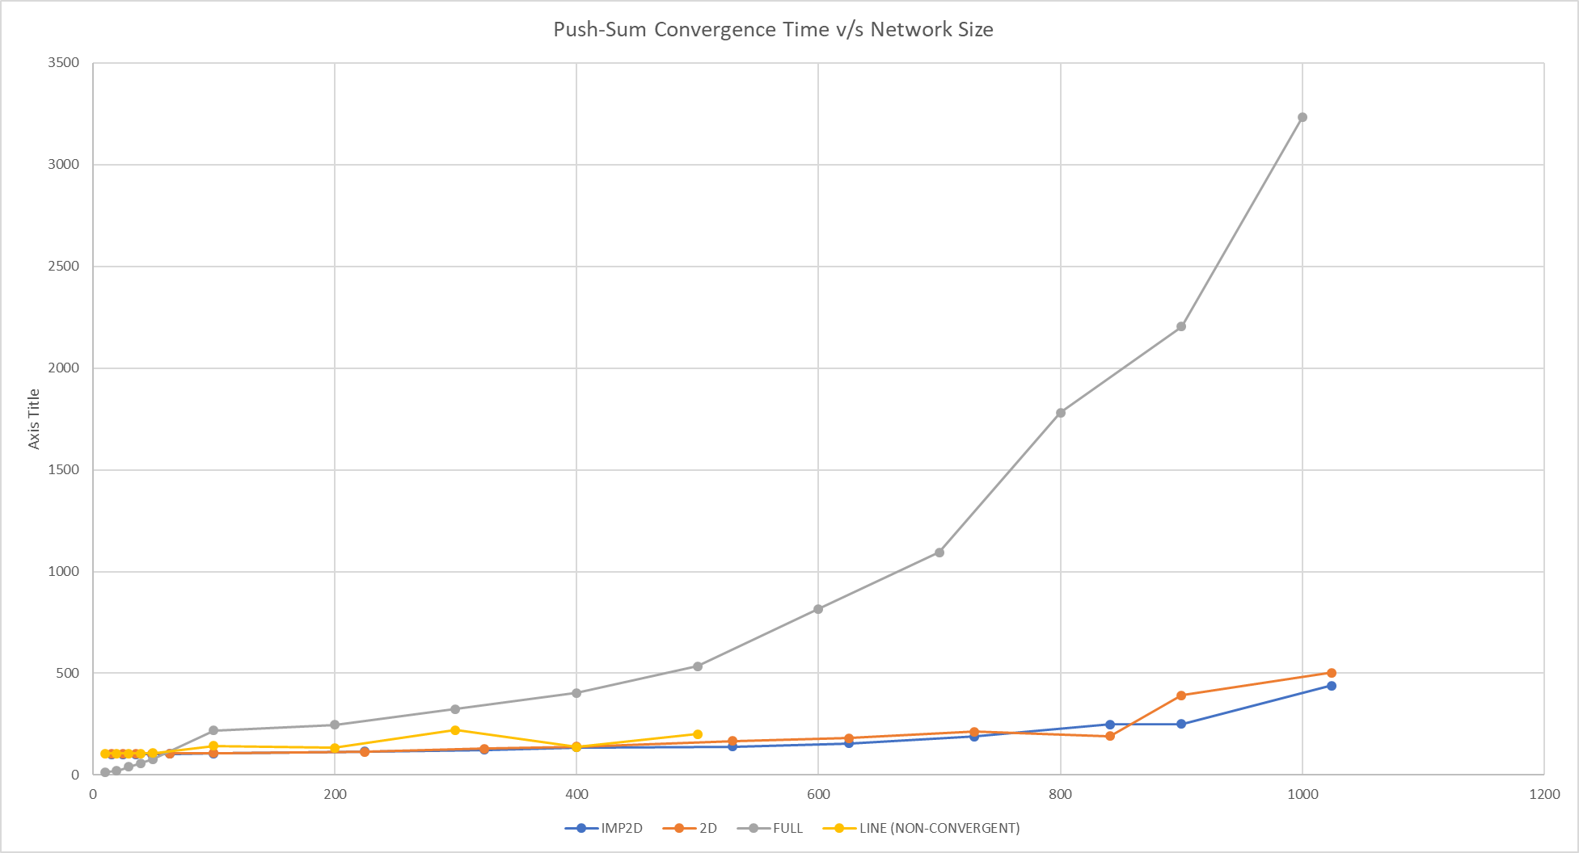

BONUS_FailureChart
Logarithm of running time deterioration factor as a function of message failure probability (Network of size 1024 except LINE)
 | IMP2D (1024 NODES) | 2D (1024 NODES) | FULL (1024 NODES) | LINE (512 NODES)
0 | 1 | 1 | 1 | 1
0.1 | 1.8926600332 | 3.0532758482 | 1.1694613567 | 2.0243604723
0.2 | 2.8712071279 | 5.2685641127 | 1.0621837773 | 2.9041365464
0.3 | 3.6548555909 | 6.6787545868 | 1.0546634718 | 3.9909165178
0.4 | 3.8530855178 | 10.002936263 | 1.0124142789 | 5.8968740008
0.5 | 6.0698063164 | 13.27373996 | 0.84348706507 | 8.066661381
0.55 | 7.2871465214 | 16.224815617 | 1.0579617649 | 9.3276030463
0.6 | 7.7259046908 | 21.023070638 | 1.0520789265 | 10.736870597
0.65 | 8.8265820674 | 21.025882885 | 1.1124020284 | 12.877270036
0.7 | 11.687048846 | 31.683438017 | 1.0781135881 | 15.812434528
0.75 | 18.090068055 | 32.792025037 | 1.1750511692 | 18.715767481
0.8 | 22.952698786 | 44.587796088 | 1.309074303 | 24.904578857
0.85 | 24.099664885 | 64.484406802 | 1.5211650854 | 33.00072547
0.9 | 41.325263843 | 103.14165189 | 1.9383703505 | 52.066545213
0.95 | 78.220199004 | 235.39764297 | 5.9042443851 | 107.53562225
0.99 | 421.10785614 | 1061.0096222 | 26.248387839
F

BONUS_FragilityChart
Network Susceptibilty to failure as a function of message failure probability (Network of size 1024 except LINE)
 | IMP2D (1024 NODES) | 2D (1024 NODES) | FULL (1024 NODES) | LINE (512 NODES)
0 | 0 | 0 | 0 | 0
0.1 | 0.4716430936 | 0.67248291681 | 0.1449054778 | 0.50601683163
0.2 | 0.65171443388 | 0.8101949642 | 0.05854333181 | 0.65566357366
0.3 | 0.7263913785 | 0.85027148595 | 0.051830250411 | 0.74943099021
0.4 | 0.74046773803 | 0.90002935401 | 0.012262054337 | 0.83041862521
0.5 | 0.8352500973 | 0.92466328232 | -0.18555463552 | 0.87603297662
0.55 | 0.86277207449 | 0.93836601761 | 0.054786256787 | 0.89279132109
0.6 | 0.87056532018 | 0.95243320934 | 0.049500969149 | 0.90686299225
0.65 | 0.88670586277 | 0.95243957148 | 0.10104442955 | 0.92234378892
0.7 | 0.91443519975 | 0.96843776867 | 0.072453950127 | 0.93675863143
0.75 | 0.9447210482 | 0.96950478054 | 0.14897323096 | 0.94656911607
0.8 | 0.95643213858 | 0.97757233845 | 0.23610142087 | 0.95984674121
0.85 | 0.95850564708 | 0.98449237498 | 0.34260915559 | 0.96969763586
0.9 | 0.97580172739 | 0.99030459585 | 0.48410271558 | 0.98079380923
0.95 | 0.98721557842 | 0.9957518691 | 0.83063031698 | 0.99070075591
0.99 | 0.99762531146 | 0.99905750148 | 0.96190242212

BONUS_FailureChart Image
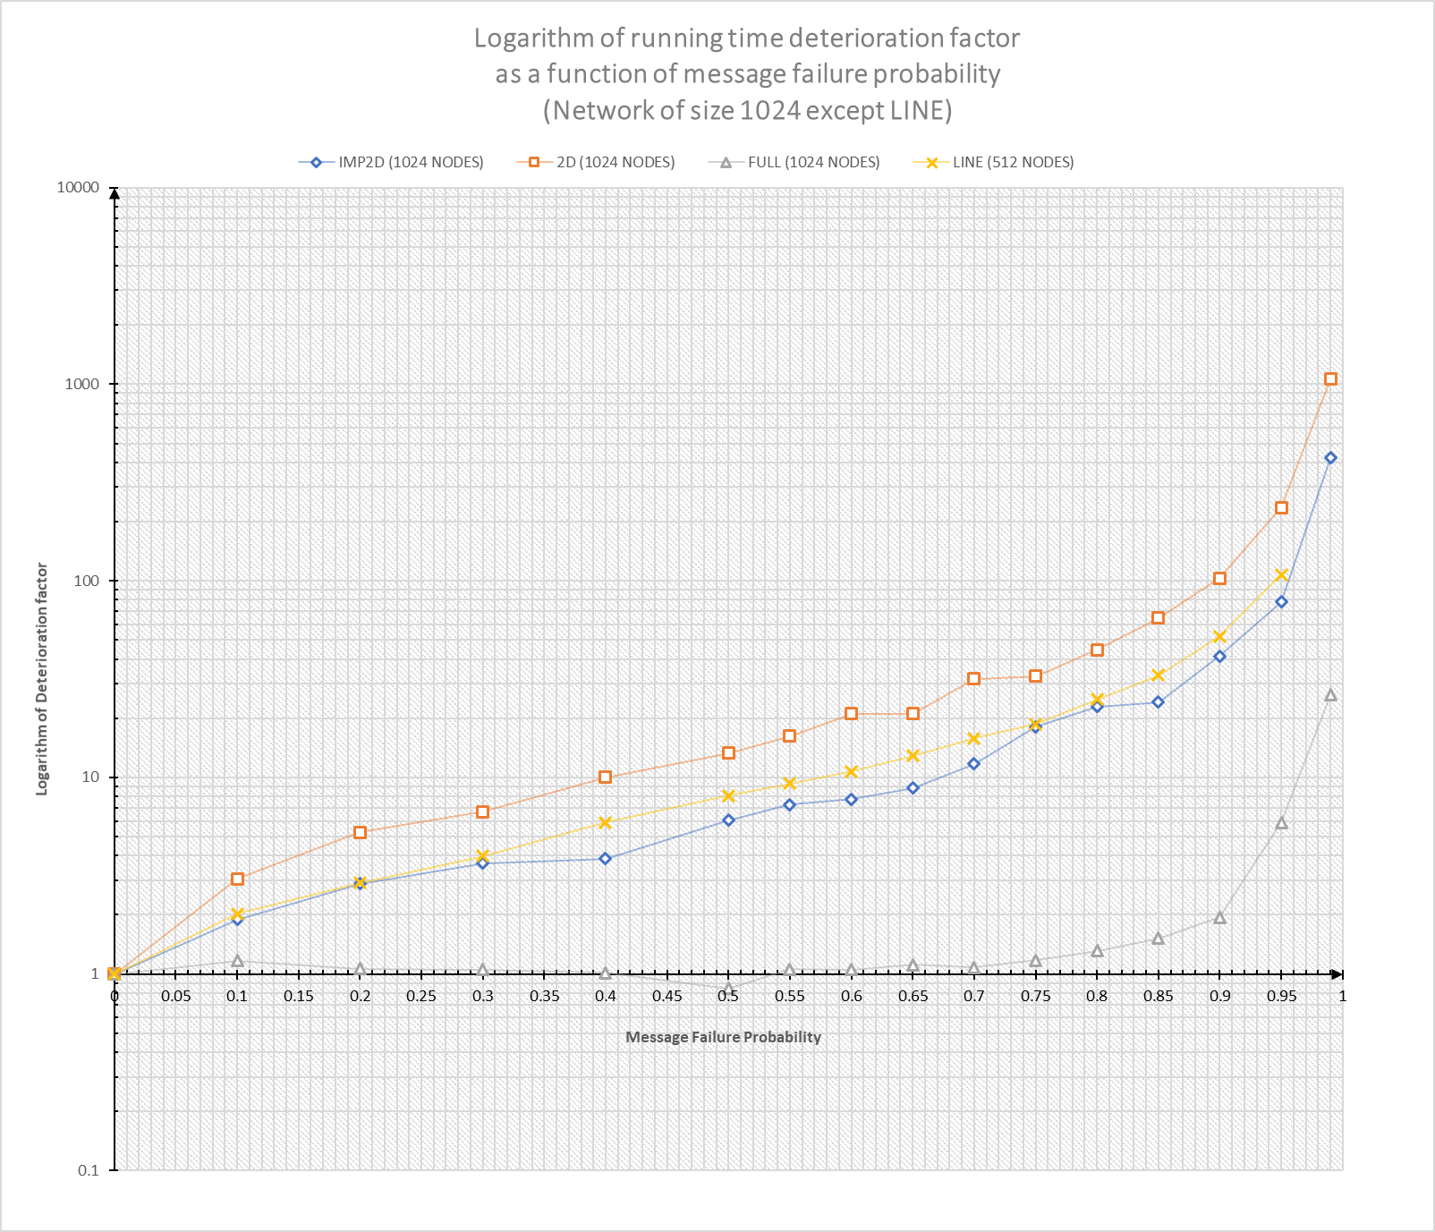
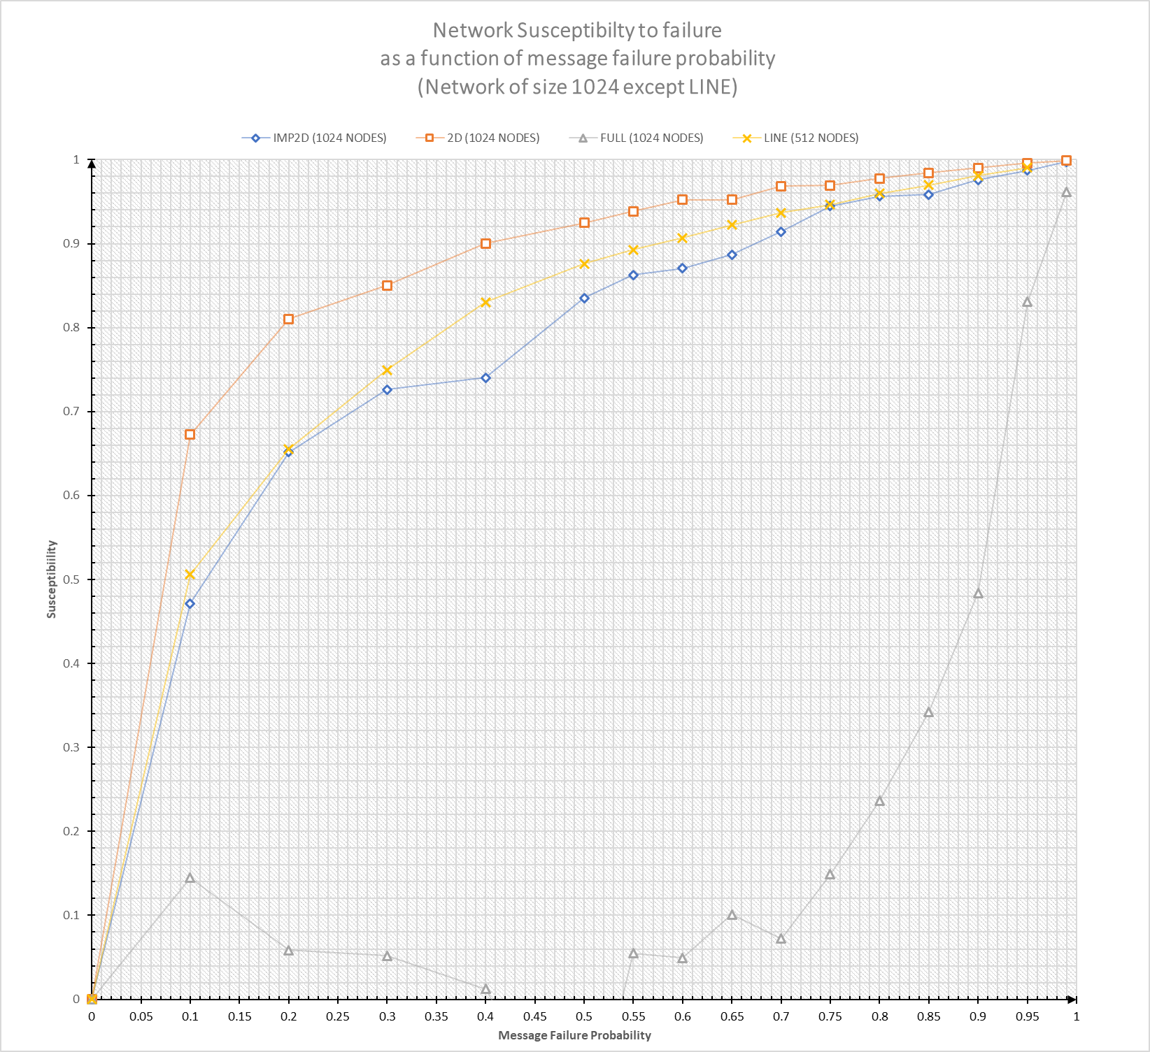

5

