TCN
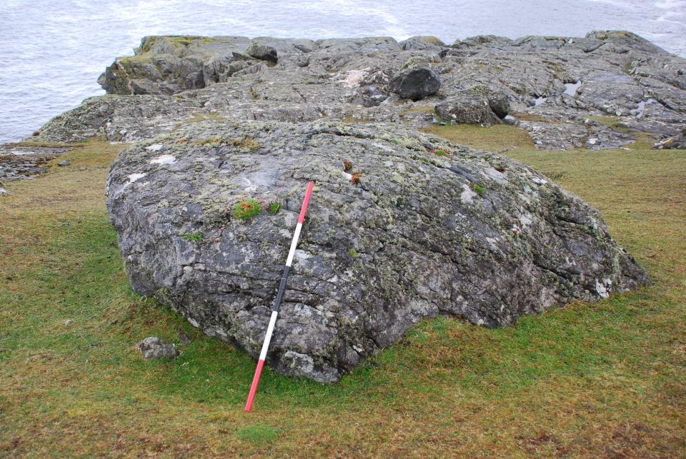
TCN Sample Sheet |  | Date: | 8-May-12
 |  | Location: | Glebcolumkille South, Donegal
Unique Sample Identifier | T6 GCS-01 | BNG or ING |  | ING (prefix G)
Northing | 8476 | Easting |  | 5100 | Transect: | T6
Latitude (if different from site info) | 54.7085 | Longtitude |  | -8.761 | Elevation | 25 m
 |  |  | Sample Info
Lithology | Vein quartz from micaschist boulder |  |  | Est Quartz content | High
Sample setting | boulder on ice-abraded schists |  |  | Sampled material (eg:boulder) | Boulder
Boulder dimensions [cm] (LxBxH) | 280 | 225 | 95 | Sample surface strike/dip | 244° | 15°
Bearing | Inclination | Notes (inc.weathering and erosion rate est)
Shielding: | 0.9974 | Excellent sample. Subrounded to subangular schist boulder resting on ice-abraded schists near edge of sea cliff. Former sediment or peat cover very unlikely. Granular disaggregation up to 4 mm and pits up to 6 mm deep. Erosion rate probably low for quartz veins but difficult to judge. Small sample of vein quartz flakes.

Density: | 2.65

 |  | Sample Thickness : | 15 mm | Grain Size: | (vein quartz)

Please complete one sample sheet for each sample |  |  |  | Collector: | CKB & PW

