Sheet1
 |  | VOLUME |  |  | Step | dB |  | Ratio

 |  |  |  |  | 0 | 0 |  | 1
 |  |  |  |  | 1 | -3 |  | 0.70794578438
 |  |  |  |  | 2 | -6 |  | 0.50118723363
 |  |  |  |  | 3 | -9 |  | 0.35481338923
 |  |  |  |  | 4 | -12 |  | 0.25118864315
 |  |  |  |  | 5 | -15 |  | 0.177827941
 |  |  |  |  | 6 | -18 |  | 0.12589254118
 |  |  |  |  | 7 | -21 |  | 0.089125093813
 |  |  |  |  | 8 | -24 |  | 0.063095734448
 |  |  |  |  | 9 | -27 |  | 0.044668359215
 |  |  |  |  | 10 | -30 |  | 0.031622776602

 |  |  |  |  |  |  | http://sound.westhost.com/pots.htm
 |  | BALANCE
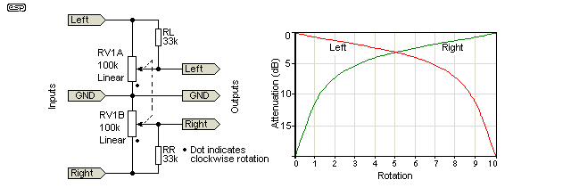

 | Model RV1A as two resistors in series, R1 and R2. RL will then be in parallell with R1. |  |  |  |  |  |  |  | Vo=(Vi*R2)/((R1||RL)+R2)
 | Set RL to 35k

 | Step |  | RL | R1 | R2 | R1||RL |  | Vo | Att
 |  |  |  |  |  |  |  | (Vi=1) | dB

Max att | 0 |  | 35 | 100 | 0 | 25.925925926 |  | 0 | --
 |  |  |  |  |  |  |  | 0.2 | -13.979400087 | Manually inserted instead of MUTE for step 0
 | 1 |  | 35 | 90 | 10 | 25.2 |  | 0.28409090909 | -10.93085327
 | 2 |  | 35 | 80 | 20 | 24.347826087 |  | 0.45098039216 | -6.9168468016
 | 3 |  | 35 | 70 | 30 | 23.333333333 |  | 0.5625 | -4.9975494643
 | 4 |  | 35 | 60 | 40 | 22.105263158 |  | 0.64406779661 | -3.8213683005
Center | 5 |  | 35 | 50 | 50 | 20.588235294 |  | 0.70833333333 | -2.9952464067 | Attenuation in dB at center
 | 6 |  | 35 | 40 | 60 | 18.666666667 |  | 0.76271186441 | -2.3527899573
 | 7 |  | 35 | 30 | 70 | 16.153846154 |  | 0.8125 | -1.803532607
 | 8 |  | 35 | 20 | 80 | 12.727272727 |  | 0.86274509804 | -1.2823499922
 | 9 |  | 35 | 10 | 90 | 7.7777777778 |  | 0.92045454545 | -0.71995306543
Min att | 10 |  | 35 | 0 | 100 | 0 |  | 1 | 0

