ReadMe
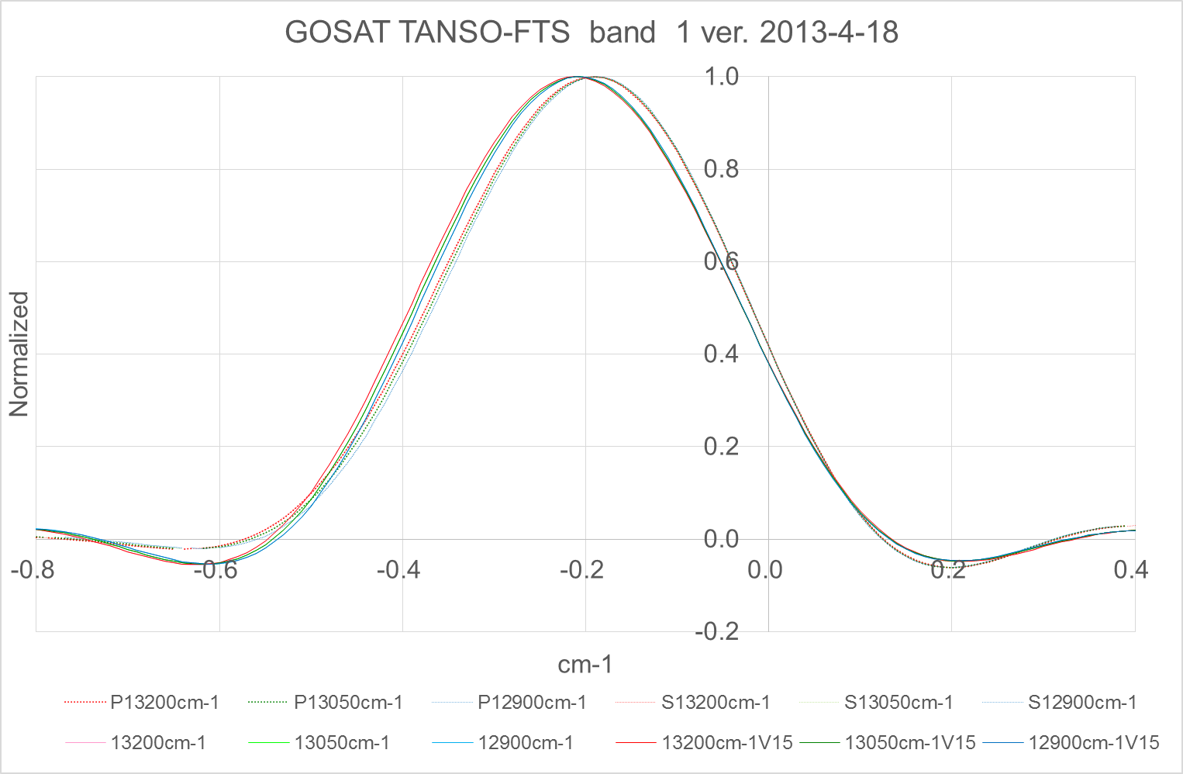
(1) Case A: Ver. 2011.1. The model is bases on the optical simulation including optical aberration, detector size, and best estimate detector misalignment. Even though only band 1 is sensitive to detector alignment and B1 P and B1 S of ILS measured prelaunch were different, these asymmetry of these models might be overestimated. The reason why it is “overestimated” is that only band 1 detector size is 1.5 times larger than band 2 and 3 and most of the light must be detected by the band 1 detector.
(2) Case B Ideal case: This is the case of no aberration, no detector misalignment, and no ZPD shift. The finite FOV effect is considered.
(3) Case C, the same as Case B except for slightly reduced MOPD For V150, the 100 fringes at both edges out of 76338 fringes are not used due to sampling non-uniformity correction. The maximum optical path difference (MOPD) is reduced but band 1 is used beyond obliquity limit and there is no significant difference between cases B and C. For V150 analysis, true ILS exists between Cases A and B. But there is no way to know the exact ILS from prelaunch data and simulation.

