site informatio
Site name | Minera La Coipa
Mine Location / Plant Name | Minera La Coipa – Kinross Gold Corporation
Geographic or operational identifier. | Located 140 kilometers northeast of Copiapó, in the Atacama region, Chile. Approximately 3.776 masl.
Circuit Type Leach / CIL / CIP configuration. | Agitated Tank Leaching
Names or numbers of tanks (e.g. Tank 1–11). Tank Volumes Individual or typical volumes (m³). | TK01 a TK08, 2.987 m3 each.
Plant Flowsheet / P&ID | Refer to La Coipa process flowsheet (crushing–grinding–leaching–CCD–Merrill Crowe)
Diagram showing relevant unit operations | 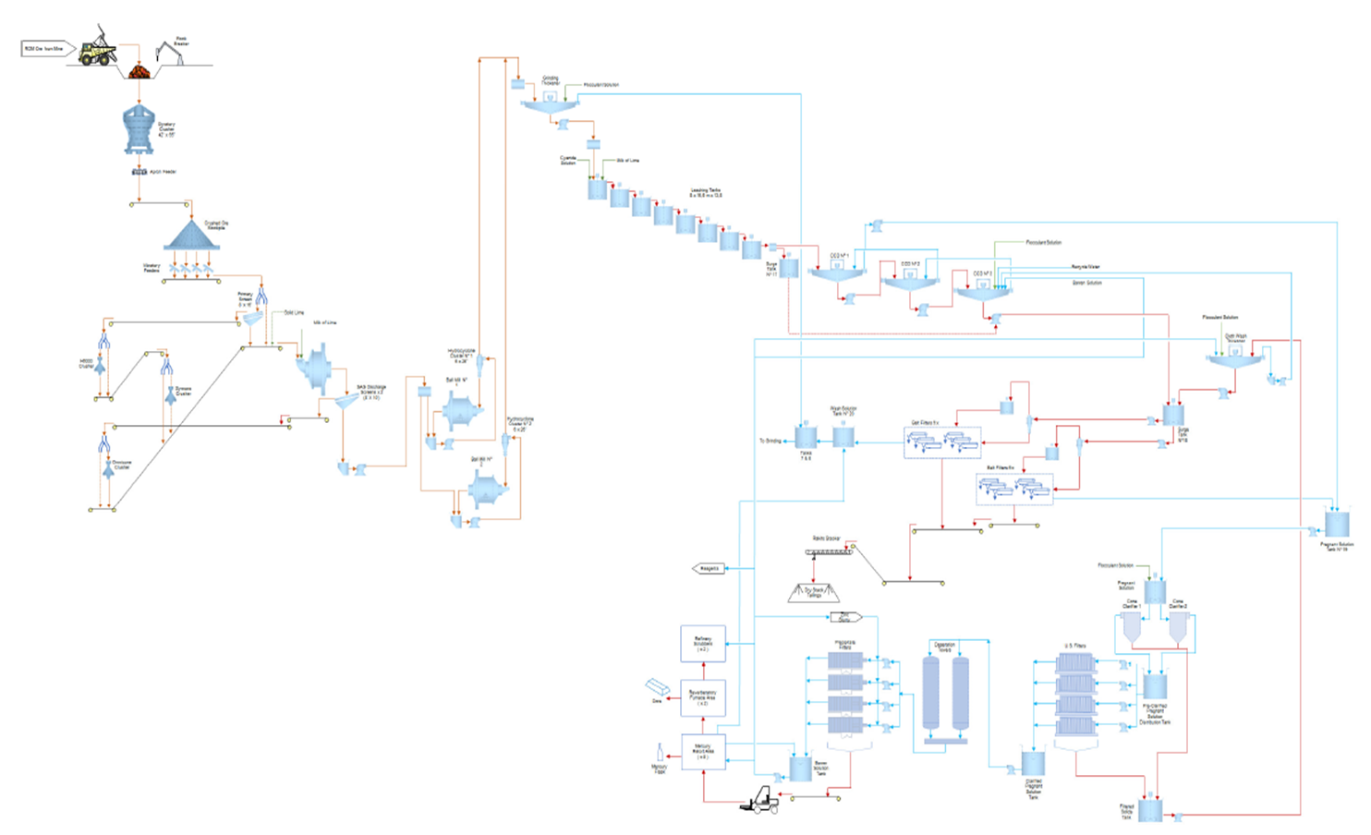
Ore Types / Domains Key ore classifications (e.g. oxide, sulphide, transition). | Mixed oxide and sulphide ore.
Data Source Systems PI / Historian / SCADA / Lab Database. | PI / Historian / SCADA / Lab Database.
Time zone & Shifts | America/Santiago (UTC-3)
Local UTC offset and number of shifts per day. | UTC-03:00 (Chile)

