Lietal2023
 | DEFAULT WEATHER VARIABLES

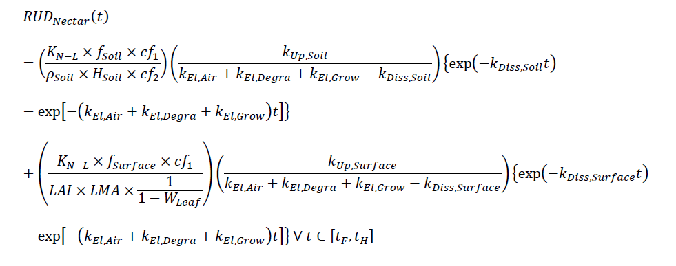
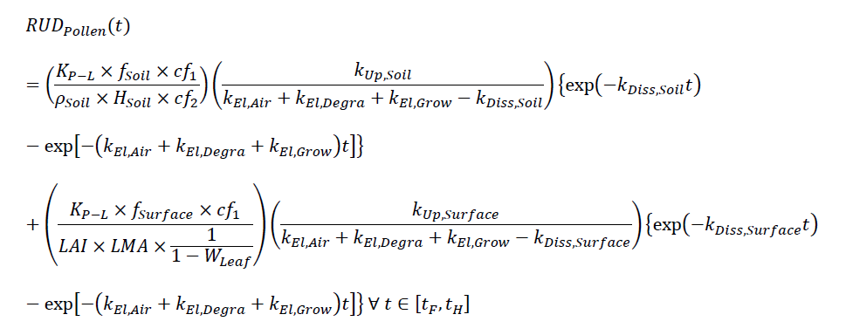
 | Li et al. uses a mode specific to neonicotinoid foliar application rates for cotton plants. The model derives concentrations in pollen and nectar from a series of equations for concentrations in soil and leaf surface
 |  |  |  |  |  | IMIDACLOPRID |  |  | THIAMATHOXAM |  |  | CLOTHIANIDAN
 |  |  |  |  |  | Kp-L | 0.64465857803 |  | Kp-L | 0.348774503 |  | Kp-L | 0.8586181248
 | *does not include soil re-suspension |  |  |  |  | Kn-L | 0.85672634034 |  | Kn-L | 0.88018520802 |  | Kn-L | 0.8072559249
 | the equations to the right do no include any altered coefficients for humidity, weather, etc. |  |  |  |  | fsoil | 0.223 |  | fsoil | 0.223 |  | fsoil | 0.223
 |  |  |  |  |  | Hsoil | 0.05 |  | Hsoil | 0.05 |  | Hsoil | 0.05
 |  |  |  |  |  | Psoil | 1.5 |  | Psoil | 1.5 |  | Psoil | 1.5
 |  |  |  |  |  | cf1 | 100 |  | cf1 | 100 |  | cf1 | 100
 |  |  |  |  |  | cf2 | 1000 |  | cf2 | 1000 |  | cf2 | 1000
 |  |  |  |  |  | KupSoil | 39.089851711 |  | KupSoil | 1.16E+01 |  | KupSoil | 5.53E+01
 |  |  |  |  |  | KelAir | 8.3792505484E-08 |  | KelAir | 2.5029783287E-07 |  | KelAir | 1.30E-08
 |  |  |  |  |  | KelDeg | 0.14145860828 |  | KelDeg | 0.15753345013 |  | KelDeg | 0.041755854251
 |  |  |  |  |  | KelGrow | 0.035 |  | KelGrow | 0.035 |  | KelGrow | 0.035
 |  |  |  |  |  | KdissSoil | 1.8049618639 |  | KdissSoil | 2.27E+00 |  | KdissSoil | 1.45E+00

COTTON |  |  |  |  |  |  |  |  |  |  |  |  |  |  | CORN
 |  |  |  |  |  | 60 days is the low end of time it takes from planting to first bloom. |  |  |  |  |  |  |  |  |  |  |  |  | Time varies
 | FROM ZIOGA |  |  |  |  |  |  | FROM EPA RESIDUE REPORTS |  |  |  |  |  |  | FROM ZIOGA |  |  |  |  | FROM EPA RESIDUE REPORTS
 | Imidaclropid |  |  | Thia |  |  |  |  | AR |  |  |  |  |  |  | AR | Time | Unit |  |  | AR | Time | Unit
AR | 3.5 | g/kg seed | low | 3.5 | g/seed | low |  | Imidacloprid | NA |  | *did 50 days because I was unsure of sampling effort |  |  |  | Imidacloprid |  |  |  |  | Clothianidan
 | 5.25 | g/kg seed | high | 5.25 | g/seed | high |  | Thiamethoxam | 0.00035 | g/seed
 |  |  |  |  |  |  |  | Clothianidan | 0.0003 | g/seed
 | Imidacloprid | RUDp soil only | RUDn soil only
 |  | 0.00011607711478 | 0.00015426200028 |  |  |  |  |  |  | RUD |  | unit | ng/g
 | Tha | RUDp soil only | RUDn soil only |  |  |  |  | Imidacloprid | RUDp | 0.00067779282509 | NA | NA |  | Residues EPA (ng/g normalized to 0.35 mg/seed…)
 |  | 5.5866679225E-06 | 1.4098801447E-05 |  |  |  |  |  | RUDn | 0.00090076047436 | NA | NA
 | IMIDACLOPRID |  |  |  |  |  |  | Thiamethoxam | RUDp | 3.5063575507E-05 | 1.2272251428E-08 | mg/kg | 1.2272251428E-05 | <LOD
 | POLLEN |  |  |  |  |  |  |  |  |  |  |  |  | <LOD
 | C= RUD*AR | unit | estimated concentration | units | Reported in Zioga: |  |  |  | RUDn | 8.8488235912E-05 | 3.0970882569E-08 | mg/kg | 3.0970882569E-05 | 0.0006895
 | 0.00040626990173 | mg/kg | 0.40626990173 | ng/g | 9 | ng/g |  |  |  |  |  |  |  | 0.000511
 | 0.0006094048526 | mg/kg | 0.6094048526 | ng/g | 33.1 | ng/g |  |  |  |  |  |  |  | <LOQ
 | NECTAR |  |  |  |  |  |  | Clothianidan | RUDp | 2.09E-01 | 6.27E-05 | mg/kg | 0.062720540652 | 0.000343
 | C= RUD*AR | unit | estimated concentration |  | Reported in Zioga: |  |  |  |  |  |  |  |  | 0.000168
 | 0.00053991700097 | mg/kg | 0.53991700097 | ng/g | 0.4 | ng/g |  |  |  |  |  |  |  | 0.0002485
 | 0.00080987550146 | mg/kg | 0.80987550146 | ng/g | 0.9 | ng/g |  |  | RUDn | 1.97E-01 | 5.90E-05 | mg/kg | 0.058968622478 | <LOD
 |  |  |  |  |  |  |  |  |  |  |  |  |  | <LOD

 | THIAMETHOXAM
 | POLLEN
 | C= RUD*AR | unit | estimated concentration | units | Reported in Zioga:
 | 1.9553337729E-05 | mg/kg | 0.019553337729 | ng/g | 2.9 | ng/g
 | 2.9330006593E-05 | mg/kg | 0.029330006593 | ng/g | 5.5 | ng/g
 | NECTAR
 | C= RUD*AR | unit | estimated concentration |  | Reported in Zioga:
 | 4.9345805064E-05 | mg/kg | 0.049345805064 | ng/g | 0.3 | ng/g |  |  |  |  |  |  |  |  | 1 kg/ha
 | 7.4018707595E-05 | mg/kg | 0.074018707595 | ng/g | 0.9 | ng/g |  |  |  |  |  |  |  |  | z g/kg seed

SoilApplicationfromMatt
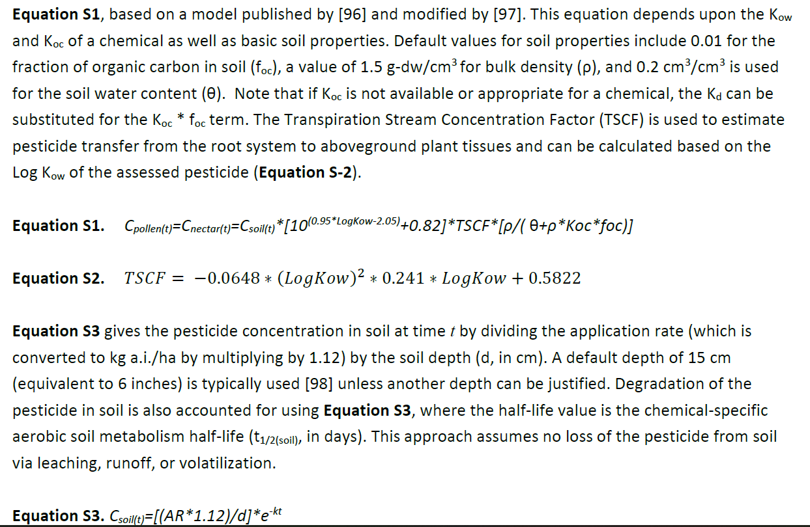
https://www.ndsu.edu/agriculture/ag-hub/publications/corn-growth-and-management-quick-guide#:~:text=Corn%20emerges%20after%20the%20accumulation,surface%20insects%20or%20grazing%20animals.

 |  |  |  |  |  | ng/g
Clothianidan |  |  | AR | 0.5 | Results from EPA: | 0.0026
Koc: | 6.8117295954 | Li | t | 63
logKow: | 0.91 | Li | k | 0.0046834268957
foc: | 0.01 | default
p: | 1.5 | default
theta: | 0.2 | default
 |  |  |  |  | Results from model: | ng/g??
Csoil: | 0.027794292343 |  |  |  | 0.0051344105654
TSCF: | 0.57043163241

 | could we modify this so that some x% of the AR by day gets run off?

Standard Residues from Guidance
